MASTER (Assignment)
Assign ADRS (Manually)
Project ID | Project Name | Primary Department | Secondary Department | 1st ADR | 2nd ADR | 3rd ADR | 4th ADR | 5th ADR | 6th ADR
SRP8-022 | Steering Wheel | Interior | Embedded Systems | ADR-42 | ADR-10 | ADR-10
SRP8-024 | Rear Vision System | Interior | Chassis & Bodywork | ADR-14
SRP8-026 | Pedals | Interior |  | ADR-31
SRP8-027 | Ceiling | Interior | Chassis & Bodywork | ADR-11 | ADR-11 | ADR-11
SRP8-028 | Central Display | Interior | Chassis & Bodywork | ADR-21 | ADR-21
SRP8-029 | Driver Display | Interior | Embedded Systems | ADR-18 | ADR-18 | ADR-18 | ADR-18 | ADR-18 | ADR-18
SRP8-032 | Front Seats | Interior |  | ADR-03 | ADR-03 | ADR-03 | ADR-03
SRP8-034 | Front Seatbelts | Interior |  | ADR-69 | ADR-42 | ADR-04 | ADR-04
SRP8-036 | Front Seat Mount | Interior |  | ADR-03 | ADR-03
SRP8-037 | Dashboard | Interior |  | ADR-21
SRP8-085 | NVH | Interior |  | ADR-92 | ADR-92 | ADR-92

ADR 13
Checklist | Clause | Req Name | Text | Project ID | Relevant Project | Relevant Department | Right Project Assigned? (If not, list the appropriate one) | Would like to use Alternative Means of Testing compared to ADR (Yes/No)? | Verification Method : Inspection, Demonstration, Test, Analysis (Simulations/Calculations), ADR Annex, ADR Testing Procedure | Verification Method Description (As detailed as you can be) | Testing Procedure Per Req (To Be Done Later) | Verified? | Number of requirements | Number of Verified | Number of requirements left | Project | Project ID
 | Standard Reqs |  |  |  |  |  |  |  |  |  |  |  |  |  |  | Indicators | SRP8-013
N/A | 6.1 |  | Vehicles listed in clause 2.2 must comply with this standard by satisfying one of the following clauses (4.1.1-4.1.2) |  |  |  |  |  |  |  |  |  | 535 | 0 | 535 | Headlights | SRP8-012
N/A | 6.1.1 |  | Appendix A as varied by Part 5 Exemptions and Alternative Procedures, and including Part 6 Supplementary General Requirements, Part 7 Individual Requirements, and Part 8 Variations to the Requirements for Lamps in Appendix A. |  |  |  |  |  |  |  |  |  |  |  |  | Central Stop Lamp | SRP8-077
N/A | 6.1.2 |  | One of the alternative standards in Clause 9. |  |  |  |  |  |  |  |  |  |  |  |  | Tailights | SRP8-011
N/A | 6.2 |  | Where the fitment of a lamp is indicated as optional, this means that it is not mandatory to fit the lamp, but if fitted, the lamp(s) are required to comply with this standard. |  |  |  |  |  |  |  |  |  |  |  |  | Rear Quarters (retro reflector) | SRP8-170
1 | 8.1 |  | Additional Lamps |  |  |  |  |  |  |  |  |  |  |  |  | Rear Underbody (RRPL) | SRP8-171
N/A | 8.1.1 |  | In addition to the lamps specified in paragraph 5.16 of Appendix A, vehicles may be equipped with those lamps specified in part 9 of this standard. |  |  |  |  |  |  |  |  |  | 6 types of lamps on SR8
2 | 8.1.2 | Invalidation of lamp compliance | Where the installation of equipment or accessories for operational reasons invalidates the compliance of lamps originally fitted in accordance with this vehicle standard, additional lamp must be fitted to maintain compliance. | SRP8-011 | Tailights | Chassis & Bodywork | Yes |  | Inspection | Visually inspect the vehicle to confirm that any obstructed or invalidated original lamps have been replaced or supplemented with additional compliant lamps in accordance with the vehicle standard |  | No
13 | 8.1.2 | Invalidation of lamp compliance | Where the installation of equipment or accessories for operational reasons invalidates the compliance of lamps originally fitted in accordance with this vehicle standard, additional lamp must be fitted to maintain compliance. | SRP8-012 | Headlights | Chassis & Bodywork | Yes |  | Inspection | Visually inspect the vehicle to confirm that any obstructed or invalidated original lamps have been replaced or supplemented with additional compliant lamps in accordance with the vehicle standard |  | No
14 | 8.1.2 | Invalidation of lamp compliance | Where the installation of equipment or accessories for operational reasons invalidates the compliance of lamps originally fitted in accordance with this vehicle standard, additional lamp must be fitted to maintain compliance. | SRP8-013 | Indicators | Chassis & Bodywork | Yes |  | Inspection | Visually inspect the vehicle to confirm that any obstructed or invalidated original lamps have been replaced or supplemented with additional compliant lamps in accordance with the vehicle standard |  | No
15 | 8.1.2 | Invalidation of lamp compliance | Where the installation of equipment or accessories for operational reasons invalidates the compliance of lamps originally fitted in accordance with this vehicle standard, additional lamp must be fitted to maintain compliance. | SRP8-077 | Central Stop Lamp | Chassis & Bodywork | Yes |  | Inspection | Visually inspect the vehicle to confirm that any obstructed or invalidated original lamps have been replaced or supplemented with additional compliant lamps in accordance with the vehicle standard |  | No
16 | 8.1.2 | Invalidation of lamp compliance | Where the installation of equipment or accessories for operational reasons invalidates the compliance of lamps originally fitted in accordance with this vehicle standard, additional lamp must be fitted to maintain compliance. | SRP8-171 | Rear Underbody (RRPL) | Chassis & Bodywork | Yes |  | Inspection | Visually inspect the vehicle to confirm that any obstructed or invalidated original lamps have been replaced or supplemented with additional compliant lamps in accordance with the vehicle standard |  | No
17 | 8.1.2 | Invalidation of lamp compliance | Where the installation of equipment or accessories for operational reasons invalidates the compliance of lamps originally fitted in accordance with this vehicle standard, additional lamp must be fitted to maintain compliance. | SRP8-171 | Rear Underbody | Chassis & Bodywork | Taillights/headlights/side indicators |  | Inspection | Visually inspect the vehicle to confirm that any obstructed or invalidated original lamps have been replaced or supplemented with additional compliant lamps in accordance with the vehicle standard |  | No
18 | 8.1.4 | Additional Lamp height Considerations 1 | Additional direction indicator, hazard warning, stop, parking, end outline marker, rear and front position lamps and rear, front and side retro reflectors may be fitted to satisfy specific safety and operational requirements. These additional lamps shall be fitted as close as possible to the maximum height of the vehicle. | SRP8-012 | Headlights | Chassis & Bodywork | Yes |  | Inspection | Visually inspect the vehicle to confirm that any additional specified lamps or reflectors are present and positioned as close as practicable to the maximum vehicle height |  | No
19 | 8.1.4 | Additional Lamp height Considerations 1 | Additional direction indicator, hazard warning, stop, parking, end outline marker, rear and front position lamps and rear, front and side retro reflectors may be fitted to satisfy specific safety and operational requirements. These additional lamps shall be fitted as close as possible to the maximum height of the vehicle. | SRP8-013 | Indicators | Chassis & Bodywork | Yes |  | Inspection | Visually inspect the vehicle to confirm that any additional specified lamps or reflectors are present and positioned as close as practicable to the maximum vehicle height |  | No
20 | 8.1.4 | Additional Lamp height Considerations 1 | Additional direction indicator, hazard warning, stop, parking, end outline marker, rear and front position lamps and rear, front and side retro reflectors may be fitted to satisfy specific safety and operational requirements. These additional lamps shall be fitted as close as possible to the maximum height of the vehicle. | SRP8-077 | Central Stop Lamp | Chassis & Bodywork | Yes |  | Inspection | Visually inspect the vehicle to confirm that any additional specified lamps or reflectors are present and positioned as close as practicable to the maximum vehicle height |  | No
21 | 8.1.4 | Additional Lamp height Considerations 1 | Additional direction indicator, hazard warning, stop, parking, end outline marker, rear and front position lamps and rear, front and side retro reflectors may be fitted to satisfy specific safety and operational requirements. These additional lamps shall be fitted as close as possible to the maximum height of the vehicle. | SRP8-011 | Tailights | Chassis & Bodywork | Yes |  | Inspection | Visually inspect the vehicle to confirm that any additional specified lamps or reflectors are present and positioned as close as practicable to the maximum vehicle height |  | No
22 | 8.1.4 | Additional Lamp height Considerations 1 | Additional direction indicator, hazard warning, stop, parking, end outline marker, rear and front position lamps and rear, front and side retro reflectors may be fitted to satisfy specific safety and operational requirements. These additional lamps shall be fitted as close as possible to the maximum height of the vehicle. | SRP8-171 | Rear Underbody | Chassis & Bodywork | Taillights/headlights/side indicators |  | Inspection | Visually inspect the vehicle to confirm that any additional specified lamps or reflectors are present and positioned as close as practicable to the maximum vehicle height |  | No
23 | 8.1.5 | Additional Lamp height Considerations 2 | Where additional lamps referred to in 8.1.4 above are fitted, the maximum height as specified in Appendix A for direction indicator lamps, stop lamps, parking lamps, end outline marker, rear and front position lamps and rear, front and side reflectors does not apply. | SRP8-012 | Headlights | Chassis & Bodywork | Yes |  | Analysis | Review vehicle documentation and design configuration to confirm that any additional lamps exceed the standard maximum height and are exempt under clause 8.1.5, ensuring their installation serves a justified operational or safety purpose |  | No
24 | 8.1.5 | Additional Lamp height Considerations 2 | Where additional lamps referred to in 8.1.4 above are fitted, the maximum height as specified in Appendix A for direction indicator lamps, stop lamps, parking lamps, end outline marker, rear and front position lamps and rear, front and side reflectors does not apply. | SRP8-013 | Indicators | Chassis & Bodywork | Yes |  | Analysis | Review vehicle documentation and design configuration to confirm that any additional lamps exceed the standard maximum height and are exempt under clause 8.1.5, ensuring their installation serves a justified operational or safety purpose |  | No
25 | 8.1.5 | Additional Lamp height Considerations 2 | Where additional lamps referred to in 8.1.4 above are fitted, the maximum height as specified in Appendix A for direction indicator lamps, stop lamps, parking lamps, end outline marker, rear and front position lamps and rear, front and side reflectors does not apply. | SRP8-077 | Central Stop Lamp | Chassis & Bodywork | Yes |  | Analysis | Review vehicle documentation and design configuration to confirm that any additional lamps exceed the standard maximum height and are exempt under clause 8.1.5, ensuring their installation serves a justified operational or safety purpose |  | No
26 | 8.1.5 | Additional Lamp height Considerations 2 | Where additional lamps referred to in 8.1.4 above are fitted, the maximum height as specified in Appendix A for direction indicator lamps, stop lamps, parking lamps, end outline marker, rear and front position lamps and rear, front and side reflectors does not apply. | SRP8-011 | Tailights | Chassis & Bodywork | Yes |  | Analysis | Review vehicle documentation and design configuration to confirm that any additional lamps exceed the standard maximum height and are exempt under clause 8.1.5, ensuring their installation serves a justified operational or safety purpose |  | No
27 | 8.1.5 | Additional Lamp height Considerations 2 | Where additional lamps referred to in 8.1.4 above are fitted, the maximum height as specified in Appendix A for direction indicator lamps, stop lamps, parking lamps, end outline marker, rear and front position lamps and rear, front and side reflectors does not apply. | SRP8-171 | Rear Underbody | Chassis & Bodywork | Taillights/headlights/side indicators |  | Analysis | Review vehicle documentation and design configuration to confirm that any additional lamps exceed the standard maximum height and are exempt under clause 8.1.5, ensuring their installation serves a justified operational or safety purpose |  | No
28 | 8.1.6 | Additional Driving Lamp Requirements | In addition to the main-beam headlamps in paragraph 6.1 of Appendix A, driving lamp(s) up to a maximum of four may be installed, in which case the requirements of clause 9.3 of this standard must be met. | SRP8-012 | Headlights | Chassis & Bodywork | Yes |  | Inspection | Visually inspect the vehicle to confirm that no more than four additional driving lamps are installed and that their installation complies with the positioning and operational requirements specified in clause 9.3. |  | No
29 | 9.1 |  | EXTERNAL CABIN LAMP
30 | 9.1.1 | invalid (vehicles not wider than 2,100mm) | Presence: Optional on motor vehicles more than 2,100 mm wide. Prohibited on other vehicles.
31 | 9.1.2 | invalid (vehicles not wider than 2,100mm) | Number: Up to 5.
32 | 9.1.3 | invalid (vehicles not wider than 2,100mm) | Arrangement: see clauses 9.1.4 and 9.1.4.3.
33 | 9.1.4 | invalid (vehicles not wider than 2,100mm) | Position:
34 | 9.1.4.1 | invalid (vehicles not wider than 2,100mm) | In width: spaced symmetrically about the median longitudinal plane of the vehicle, not less than 120 mm centre to centre.
35 | 9.1.4.2 | invalid (vehicles not wider than 2,100mm) | In height: fixed to or above the cabin roof.
36 | 9.1.4.3 | invalid (vehicles not wider than 2,100mm) | In length: at the front of the vehicle.
37 | 9.1.5 | invalid (vehicles not wider than 2,100mm) | Geometric visibility: Horizontal angle: no specific requirements. Vertical angle: no specific requirements.
38 | 9.1.6 | invalid (vehicles not wider than 2,100mm) | Orientation: Forwards
39 | 9.1.7 | invalid (vehicles not wider than 2,100mm) | Electrical connections: No specific requirements
40 | 9.1.8 | invalid (vehicles not wider than 2,100mm) | Tell-tale: Optional. If it exists, its function must be carried out by the tell-tale required for the front and rear position lamps.
41 | 9.1.9 | invalid (vehicles not wider than 2,100mm) | Other requirements: None
42 | 9.2 |  | SIDE MARKER LAMPS
43 | 9.2.1 | N/A | Presence: see clause 7.4 -> For side marker lamps, manufacturers may choose not to meet the requirements of paragraph 6.18 of Appendix A, in which case they must meet the requirements of clause 9.2. of this standard.
44 | 9.2.1.1 | N/A | Required on motor vehicles with an ‘Overall Width’ over 2.1 metres and a ‘Total Length’ over 7.5 metres.
45 | 9.2.1.2 | N/A | Required on trailers with an ‘Overall Width’ over 2.1 metres or a ‘Total Length’ over 7.5 metres.
46 | 9.2.1.3 | N/A | Required on ‘Semi-trailers’ irrespective of ‘Overall Width’ or ‘Total Length’.
47 | 9.2.1.4 | N/A | Optional on all other vehicles.
48 | 9.2.2 | N/A | Number: Lamps complying with ADR 74/00 clause 5.1.2 are to be fitted according to the following Arrangement. Alternatively, lamps complying with ADR 74/00 Appendix A and fitted according to paragraph 6.18 of Appendix A of this standard are deemed to comply.
49 | 9.2.3 | N/A | Arrangement:
50 | 9.2.3.1 | N/A | Additional pairs of lamps, equally spaced between the front and the rear lamps, are permitted, provided that the distances between the centres of adjacent lamps is not more than 5 metres.
51 | 9.2.3.2 | N/A | Arrangement A applies to motor vehicles with a “Total Length’ over 7.5 metres and to trailers with an ‘Overall Width’ over 2.1 metres.
52 | 9.2.3.3 | N/A | Arrangement B applies to ‘Semi-trailers’ with a ‘Total Length’ equal to or less than 7.5 metres.
53 | 9.2.3.4 | N/A | Arrangement C must apply to trailers (including ‘semi-trailers’) with a ‘Total Length’ over 7.5 metres.
54 | 9.2.4 | N/A | Position:
55 | 9.2.4.1 | N/A | In width: that point on the illuminating surface which is farthest from the vehicle’s median longitudinal plane must not be more than 150 mm from the extreme outer edge of the vehicle.
56 | 9.2.4.2 | N/A | In height: at the same height as far as practicable above the ground not less than 600 mm nor more than 1,500 mm (2,100 mm if the shape of the bodywork makes it impossible to keep within 1,500 mm).
57 | 9.2.4.3 | N/A | In length: According to the arrangement of clause 9.2.3.
58 | 9.2.4.3.1 | N/A | That point on the illuminating surface which is farthest from the vehicle’s median longitudinal plane must: In the case of rear lamps, not be more than 300 mm from the rear of the side of the vehicle on which the lamp is mounted.
59 | 9.2.4.3.2 | N/A | In the case of front lamps mounted on trailers, not be more than 300 mm from the front of the side of the vehicle on which the lamp is mounted.
60 | 9.2.4.3.3 | N/A | In the case of front lamps mounted on motor vehicles, be within the front third of the vehicle’s length but not forward of a vertical transverse plane through the rear most point of the driver’s ‘Seat’ when in its rearmost normal driving position.
61 | 9.2.4.3.4 | N/A | Where it would be reasonably impracticable for constructional reasons to comply with the requirements of clauses 9.2.4.3.1 and/or 9.2.4.3.2 and 9.2.4.3.3, be as close as possible to the front and/or rear respectively, provided that where the distance between the front and rear lamps would then be less than 2.5 metres, only the rearmost pair of lamps need be fitted.
62 | 9.2.5 | N/A | Geometric visibility: Horizontal angle: from 5°, if the height of the lamp is less than 750 mm.
63 | 9.2.6 | N/A | Orientation: Outwards
64 | 9.2.7 | N/A | Electrical connections: No specific requirement
65 | 9.2.8 | N/A | Tell-tale: Optional. If it exists, its function must be carried out by the tell-tale required for the front and rear position lamps.
66 | 9.2.9 | N/A | Other requirements: None
67 | 9.3 |  | DRIVING LAMPS
68 | 9.3.1 | N/A | Presence: Optional on motor vehicles. Prohibited on trailers.
69 | 9.3.2 | N/A | Number:
70 | 9.3.2.1 | N/A | Up to a maximum of four.
71 | 9.3.2.2 | N/A | To be used in conjunction with headlamps.
72 | 9.3.3 | N/A | Arrangement:
73 | 9.3.3.1 | N/A | No special requirement.
74 | 9.3.4 | N/A | Position:
75 | 9.3.4.1 | N/A | In width: no individual specifications;
76 | 9.3.4.1.1 | N/A | Be fitted symmetrically in relation to the median longitudinal plane of the vehicle.
77 | 9.3.4.2 | N/A | In height: no individual specifications.
78 | 9.3.4.3 | N/A | In length: At the front of the vehicle. This requirement shall be deemed to be satisfied if the light emitted does not cause discomfort to the driver either directly or indirectly through the devices for indirect vision and/or other reflecting surfaces of the vehicle.
79 | 9.3.5 | N/A | Geometric visibility: No individual specifications.
80 | 9.3.6 | N/A | Orientation: Towards the front.
81 | 9.3.7 | N/A | Electrical connections: The driving lamps must be able to be lighted only when the main-beam headlamps switch is in the “lamps on” position.
82 | 9.3.8 | N/A | Tell-tale: No requirement.
83 | 9.3.9 | N/A | Other requirements: None
84 | 10.1 |  | DIRECTION INDICATOR LAMP
85 | 10.1.1 | N/A | Additional Lamps: For motor vehicles and semi-trailers more than 7.5 metres long, additional to any side repeating direction-indicator lamps (category 5 or 6) permitted by paragraph 6.5.3 of Appendix A, a further pair of side repeating direction-indicator lamps may be fitted approximately mid-way in length between the rear direction-indicator lamps (category 2a or 2b) and the rearmost of any other side repeating direction-indicator lamps or approximately midway along the length of the vehicle.
86 | 10.1.2 | N/A | Tell-tale: In paragraph 6.5.8 of Appendix A, the third paragraph dealing with tell-tale requirements for vehicles equipped to tow trailers does not apply.
87 | 10.1.3 | N/A | For directional-indicator lamp requirements on a TA (O1) category trailer having an overall width not exceeding 980 mm, manufacturers may choose to comply with:
88 | 10.1.3.1 | Extra Position considerations | The provision under paragraph 6.5 of Appendix A of this standard with additional position requirements to the options in paragraph 6.5.4.1, such that the distance between the inner edges of the two apparent surfaces in the direction of the reference axis shall not be less than 180 mm; | SRP8-013 | Indicators | Chassis & Bodywork | Yes |  | Test | Measure the distance between the inner edges of the apparent surfaces of the relevant lamps along the reference axis to confirm it meets or exceeds the 180 mm minimum spacing requirement |  | No
89 | 10.1.3.2 | N/A | The provisions for directional-indicator lamps in ADR 19/02, Appendix A, paragraph 6.3. |  | Indicators | EMB
90 | 10.2 |  | STOP LAMPS
 | 10.2.1 | Extra Tell tale S1 Category | Operating Tell-tale: In paragraph 6.7.8 of Appendix A, the tell-tale may flash to signal multiple globe failure or complete circuit failure. | SRP8-011 | Tailights | EMB | Yes |  | Demonstration | Simulate multiple globe or complete circuit failure and verify that the tell-tale flashes as intended to indicate the fault condition |  | No
91 | 10.2.1 | Extra Tell tale S3 Category | Operating Tell-tale: In paragraph 6.7.8 of Appendix A, the tell-tale may flash to signal multiple globe failure or complete circuit failure. | SRP8-077 | Central Stop Lamp | EMB | Pending |  | Demonstration | Simulate multiple globe or complete circuit failure and verify that the tell-tale flashes as intended to indicate the fault condition |  | No
92 | 10.2.2 | N/A | For stop lamp requirements on a TA (O1) category trailer having an overall width not exceeding 980 mm, manufacturers may choose to comply with:
 | 10.2.2.1 | Extra Position considerations S1 Category | The provision under paragraph 6.7 of Appendix A of this standard with additional position requirements to the options in paragraph 6.7.4.1, such that the distance between the inner edges of the two apparent surfaces in the direction of the reference axis shall not be less than 180 mm; | SRP8-011 | Tailights | Chassis & Bodywork | Yes |  | Test | Physically measure the distance between the inner edges of the two relevant apparent surfaces along the reference axis to confirm a minimum spacing of 180 mm is achieved |  | No
93 | 10.2.2.1 | Extra Position considerations S3 Category | The provision under paragraph 6.7 of Appendix A of this standard with additional position requirements to the options in paragraph 6.7.4.1, such that the distance between the inner edges of the two apparent surfaces in the direction of the reference axis shall not be less than 180 mm; | SRP8-077 | Central Stop Lamp | Chassis & Bodywork | Yes |  | Test | Physically measure the distance between the inner edges of the two relevant apparent surfaces along the reference axis to confirm a minimum spacing of 180 mm is achieved |  | No
94 | 10.2.2.2 | N/A | The provisions for stop lamps in ADR 19/02 Appendix A, paragraph 6.4. |  | Central Stop Lamp | EMB
95 | 10.3 |  | FRONT POSITION LAMP
96 | 10.3.1.2 | N/A | Optional on trailers which are not more than 1,600 mm wide.
97 | 10.3.1.3 | N/A | Mandatory on trailers over 1,600 mm to 1,800 mm wide and over 4 metres in length unless two side marker lamps complying with the requirements of ADR 45/... are fitted to the side of the trailer and positioned in accordance with clauses 9.2.1 and 9.2.2 of this vehicle standard or side marker lamps complying with ADR 74/... are fitted according to paragraph 6.18 of Appendix A of this vehicle standard.
98 | 10.3.1.4 | N/A | Optional on trailers over 1,600 mm to 1,800 mm wide and less than 4 metres in length.
99 | 10.3.1.5 | N/A | Mandatory on trailers over 1,800 mm wide unless two side marker lamps complying with the requirements of ADR 45/... are fitted to the side of the trailer and positioned in accordance with clauses 9.2.1 and 9.2.2 of this vehicle standard or side marker lamps complying with ADR 74/... are fitted according to paragraph 6.18 of Appendix A of this vehicle standard.
100 | 10.4 |  | REAR FOG LAMP
101 | 10.4.1 | N/A | Presence: Paragraph 6.11.1 of Appendix A does not apply. The fitment of rear fog lamps is optional in this standard.
102 | 10.5 |  | END-OUTLINE MARKER LAMP
103 | 10.5 | N/A | Additional requirements for outline marker lamps:
104 | 10.5.1 | N/A | In addition to the requirements of paragraph 6.13.1 of Appendix A, rear end outline marker lamps are optional on vehicles that do not have permanent structure covering the top of the load carrying compartment and on vehicles equipped with load carrying compartments capable of tilting in relation to the rest of the vehicle to load or unload material.
105 | 10.5.2 | N/A | Front-end outline marker lamps are optional on trailers that do not have permanent structure covering the top of the load-carrying compartment and on trailers equipped with load carrying compartment capable of tilting in relation to the rest of the vehicle to load or unload material. These lamps are optional on trailers if the maximum achievable separation in height from front position lamps would be less than or equal to 1.5 m.
106 | 10.5.3 | N/A | For the purpose of determining the maximum achievable separation height in clause 10.5.2 above, consideration must be given to whether there is available permanent structure in the mounting plane. Available permanent structure does not include structural elements, which would need to be provided for the sole purpose of mounting these lamps.
107 | 10.5.4 | N/A | Position: In paragraph 6.13.4 of Appendix A, additionally an end-outline marker lamp at or near the front of a motor vehicle may be mounted on an external rear vision mirror or a mirror support provided that no part of the lens of the lamp is visible to the driver when seated in the normal driving position and the mirror is correctly adjusted. The height requirements of paragraph 6.13.4.2 of Appendix A do not apply to end-outline marker lamps mounted on external rear vision mirrors.
108 | 10.5.5 | N/A | Geometric visibility: In paragraph 6.13.5 of Appendix A, lamps with a vertical angle of 15° below the horizontal axis are deemed to comply.
109 | 10.6 |  | SIDE RETRO-REFLECTOR, NON TRIANGULAR
110 | 10.6.1 | N/A | Position: Additional side retro-reflectors not meeting the height requirements of paragraph 6.17.4.2 of Appendix A are permitted.
111 | 10.7 |  | CATEGORY S3 STOP LAMPS
112 | 10.7.1 | N/A | Vehicles complying with the requirements for Centre High Mounted Stop Lamps in ADR 60/00 need not comply with the requirements for Category S3 Stop Lamps in paragraph 6.7 of Appendix A of this national standard. |  | Central Stop Lamp | EMB
113 | 10.8 |  | REVERSING LAMP
114 | 10.8.1 | N/A | In paragraph 6.4.1 of Appendix A of this standard, where it states Mandatory read Optional for trailer categories.
115 | 10.9 |  | REAR POSITION LAMP
116 | 10.9.1 | N/A | For rear position lamp requirements on a TA (O1) category trailer having an overall width not exceeding 980 mm, manufacturers may choose to comply with:
117 | 10.9.1.1 | N/A | The provisions of paragraph 6.10 of Appendix A of this standard with additional position requirements to the options in paragraph 6.10.4.1, such that the distance between the inner edges of the two apparent surfaces in the direction of the reference axis shall be not less than 180 mm; or
118 | 10.9.1.1 | Extra Position considerations | The provisions of paragraph 6.10 of Appendix A of this standard with additional position requirements to the options in paragraph 6.10.4.1, such that the distance between the inner edges of the two apparent surfaces in the direction of the reference axis shall be not less than 180 mm; or | SRP8-011 | Tailights | Chassis & Bodywork | Yes |  | Test | Physically measure the distance between the inner edges of the two relevant apparent surfaces along the reference axis to confirm a minimum spacing of 180 mm is achieved |  | No
119 | 10.9.1.2 | N/A | The provisions for rear position lamps in ADR 19/02, Appendix A, paragraph 6.7. |  | Tailights | EMB
120 | 10.1 |  | REAR RETRO-REFLECTOR, NON-TRIANGULAR
121 | 10.10.1 | N/A | For rear retro-reflector, non-triangular, requirements on a TA (O1) category trailer having an overall width not exceeding 980 mm, manufacturers may choose to comply with:
122 | 10.10.1.1 | Extra Position considerations | The provisions of paragraph 6.14 of Appendix A of this standard with additional position requirement to the options in paragraph 6.14.4.1, such that the distance between the inner edges of the two apparent surfaces in the direction of the reference axis shall be not less than 180 mm; or | SRP8-171 | Rear Underbody | Chassis & Bodywork | Taillights/headlights/side indicators |  | Test | Physically measure the distance between the inner edges of the two relevant apparent surfaces along the reference axis to confirm a minimum spacing of 180 mm is achieved |  | No
123 | 10.10.1.2 | N/A | The provisions for rear retro-reflectors, non-triangular, in ADR 19/02, Appendix A, paragraph 6.8. |  |  |  |  |  |  |  |  | No
124 | 10.11 |  | REAR RETRO-REFLECTOR, TRIANGULAR
125 | 10.11.1 | N/A | In paragraph 6.15.1 of Appendix A of this standard, where it states Mandatory read Optional.
126 | 10.11.2 | N/A | For rear retro-reflectors, triangular, when fitted to a TA (O1) category trailer having an overall width not exceeding 980 mm, the provision of paragraph 6.15 of Appendix A of this standard shall apply with additional position requirements to the options in paragraph 6.15.4.1, such that the distance between the inner edges of the two apparent surfaces in the direction of the reference axis shall be not less than 180 mm.
127 | 10.12 |  | FRONT RETRO-REFLECTOR, NON-TRIANGULAR
128 | 10.12.1 | N/A | Front retro-reflectors, non-triangular, shall be optional for TA (O1) category trailer having an overall width not exceeding 980 mm.
129 | 10.12.2 | N/A | For front retro-reflectors, non-triangular, when fitted to a TA (O1) category trailer having an overall width not exceeding 980 mm, the provision of paragraph 6.16 of Appendix A of this standard shall apply with additional position requirements to the options in paragraph 6.16.4.1, such that the distance between the inner edges of the two apparent surfaces in the direction of the reference axis shall be not less than 180 mm.
130 | 10.12.3 | N/A | For front retro-reflectors, non-triangular, fitted to a TD (O4) category trailer, where the construction (the shape of the bodywork) makes it impossible to simultaneously comply with the width and length position requirements, front retro-reflectors need not comply with the length requirement of paragraph 6.16.4.3.
131 | 10.13 |  | DAYTIME RUNNING LAMP
132 | 10.13.1 | N/A | In paragraph 6.19.1 of Appendix A of this standard, where it states Mandatory read Optional.
 | Appendix A
133 | 5 |  | GENERAL SPECIFICATIONS
134 | 5.1 | Lamp functional reliability | The lighting and light signalling devices shall be so fitted that under normal conditions of use as defined in paragraphs 2.24., 2.24.1., and 2.24.2., and notwithstanding any vibrations to which they may be subjected, they retain the characteristics prescribed by this Regulation and enable the vehicle to comply with the requirements of this Regulation. In particular, it shall not be possible for the lamps to be inadvertently maladjusted. | SRP8-077 | Central Stop Lamp | EMB | Pending |  | Test | Subject the installed lighting devices to vibration and operational condition testing to verify they remain securely mounted, function correctly, and cannot be inadvertently maladjusted |  | No
135 | 5.1 | Lamp functional reliability | The lighting and light signalling devices shall be so fitted that under normal conditions of use as defined in paragraphs 2.24., 2.24.1., and 2.24.2., and notwithstanding any vibrations to which they may be subjected, they retain the characteristics prescribed by this Regulation and enable the vehicle to comply with the requirements of this Regulation. In particular, it shall not be possible for the lamps to be inadvertently maladjusted. | SRP8-011 | Tailights | EMB | Yes |  | Test | Subject the installed lighting devices to vibration and operational condition testing to verify they remain securely mounted, function correctly, and cannot be inadvertently maladjusted |  | No
136 | 5.1 | Lamp functional reliability | The lighting and light signalling devices shall be so fitted that under normal conditions of use as defined in paragraphs 2.24., 2.24.1., and 2.24.2., and notwithstanding any vibrations to which they may be subjected, they retain the characteristics prescribed by this Regulation and enable the vehicle to comply with the requirements of this Regulation. In particular, it shall not be possible for the lamps to be inadvertently maladjusted. | SRP8-012 | Headlights | EMB | yes |  | Test | Subject the installed lighting devices to vibration and operational condition testing to verify they remain securely mounted, function correctly, and cannot be inadvertently maladjusted |  | No
137 | 5.1 | Lamp functional reliability | The lighting and light signalling devices shall be so fitted that under normal conditions of use as defined in paragraphs 2.24., 2.24.1., and 2.24.2., and notwithstanding any vibrations to which they may be subjected, they retain the characteristics prescribed by this Regulation and enable the vehicle to comply with the requirements of this Regulation. In particular, it shall not be possible for the lamps to be inadvertently maladjusted. | SRP8-171 | Rear Underbody (RRPL) | Chassis & Bodywork | Taillights/headlights/side indicators |  | Test | Subject the installed lighting devices to vibration and operational condition testing to verify they remain securely mounted, function correctly, and cannot be inadvertently maladjusted |  | No
138 | 5.1 | Lamp functional reliability | The lighting and light signalling devices shall be so fitted that under normal conditions of use as defined in paragraphs 2.24., 2.24.1., and 2.24.2., and notwithstanding any vibrations to which they may be subjected, they retain the characteristics prescribed by this Regulation and enable the vehicle to comply with the requirements of this Regulation. In particular, it shall not be possible for the lamps to be inadvertently maladjusted. | SRP8-171 | Rear Underbody (RRPL) | EMB | Taillights/headlights/side indicators |  | Test | Subject the installed lighting devices to vibration and operational condition testing to verify they remain securely mounted, function correctly, and cannot be inadvertently maladjusted |  | No
139 | 5.1 | Lamp functional reliability | The lighting and light signalling devices shall be so fitted that under normal conditions of use as defined in paragraphs 2.24., 2.24.1., and 2.24.2., and notwithstanding any vibrations to which they may be subjected, they retain the characteristics prescribed by this Regulation and enable the vehicle to comply with the requirements of this Regulation. In particular, it shall not be possible for the lamps to be inadvertently maladjusted. | SRP8-013 | Indicators | EMB | Pending |  | Test | Subject the installed lighting devices to vibration and operational condition testing to verify they remain securely mounted, function correctly, and cannot be inadvertently maladjusted |  | No
140 | 5.2 | Correct front lamp orientation | The illuminating lamps described in paragraphs 2.7.9., 2.7.10. and 2.7.19. shall be so installed that correct adjustment of their orientation can easily be carried out. | SRP8-012 | Headlights | EMB | Yes |  | Inspection | Visually inspect the lamp installation to confirm that adjustment mechanisms are accessible and allow for easy alignment of the lamp orientation |  | No
141 | 5.2.1 | Automatic Headlight adjustment | In the case of headlamps fitted with measures to prevent discomfort to other road-users in a country where traffic operates on the side of the road opposite to that of the country for which the headlamp was designed, such measures shall be achieved automatically or by the vehicle user with the vehicle in the park condition without the need for special tools (other than those provided with the vehicle). Detailed instructions shall be provided by the vehicle manufacturer with the vehicle. | SRP8-012 | Headlights | EMB | Yes |  | Demonstration | Demonstrate that the headlamp adjustment for opposite-side traffic can be performed automatically or manually by the user with the vehicle in park, using only onboard tools, and confirm presence of manufacturer-supplied instructions |  | No
142 | 5.3 | Light Signalling Devices angle to median | For all light signalling devices, including those mounted on the side panels, the reference axis of the lamp when fitted to the vehicle shall be parallel to the bearing plane of the vehicle on the road; in addition, it shall be perpendicular to the median longitudinal plane of the vehicle in the case of side retro reflectors and of side marker lamps and parallel to that plane in the case of all other signalling devices. In each direction a tolerance of ± 3° shall be allowed. | SRP8-012 | Headlights | Chassis & Bodywork | Yes |  | Test | Measure the orientation of each light signalling device’s reference axis to confirm alignment within ±3° tolerance relative to the bearing and longitudinal planes of the vehicle, as specified for each lamp type. |  | No
143 | 5.3 | Light Signalling Devices angle to median | For all light signalling devices, including those mounted on the side panels, the reference axis of the lamp when fitted to the vehicle shall be parallel to the bearing plane of the vehicle on the road; in addition, it shall be perpendicular to the median longitudinal plane of the vehicle in the case of side retro reflectors and of side marker lamps and parallel to that plane in the case of all other signalling devices. In each direction a tolerance of ± 3° shall be allowed. | SRP8-011 | Tailights | Chassis & Bodywork | Yes |  | Test | Measure the orientation of each light signalling device’s reference axis to confirm alignment within ±3° tolerance relative to the bearing and longitudinal planes of the vehicle, as specified for each lamp type. |  | No
144 | 5.3 | Light Signalling Devices angle to median | For all light signalling devices, including those mounted on the side panels, the reference axis of the lamp when fitted to the vehicle shall be parallel to the bearing plane of the vehicle on the road; in addition, it shall be perpendicular to the median longitudinal plane of the vehicle in the case of side retro reflectors and of side marker lamps and parallel to that plane in the case of all other signalling devices. In each direction a tolerance of ± 3° shall be allowed. | SRP8-077 | Central Stop Lamp | Chassis & Bodywork | Yes |  | Test | Measure the orientation of each light signalling device’s reference axis to confirm alignment within ±3° tolerance relative to the bearing and longitudinal planes of the vehicle, as specified for each lamp type. |  | No
145 | 5.3 | Light Signalling Devices angle to median | For all light signalling devices, including those mounted on the side panels, the reference axis of the lamp when fitted to the vehicle shall be parallel to the bearing plane of the vehicle on the road; in addition, it shall be perpendicular to the median longitudinal plane of the vehicle in the case of side retro reflectors and of side marker lamps and parallel to that plane in the case of all other signalling devices. In each direction a tolerance of ± 3° shall be allowed. | SRP8-013 | Indicators | Chassis & Bodywork | Yes |  | Test | Measure the orientation of each light signalling device’s reference axis to confirm alignment within ±3° tolerance relative to the bearing and longitudinal planes of the vehicle, as specified for each lamp type. |  | No
146 | 5.3 | Light Signalling Devices angle to median | For all light signalling devices, including those mounted on the side panels, the reference axis of the lamp when fitted to the vehicle shall be parallel to the bearing plane of the vehicle on the road; in addition, it shall be perpendicular to the median longitudinal plane of the vehicle in the case of side retro reflectors and of side marker lamps and parallel to that plane in the case of all other signalling devices. In each direction a tolerance of ± 3° shall be allowed. | SRP8-171 | Rear Underbody (RRPL) | Chassis & Bodywork | Taillights/headlights/side indicators |  | Test | Measure the orientation of each light signalling device’s reference axis to confirm alignment within ±3° tolerance relative to the bearing and longitudinal planes of the vehicle, as specified for each lamp type. |  | No
147 | 5.3 | Light Signalling Devices angle to median | For all light signalling devices, including those mounted on the side panels, the reference axis of the lamp when fitted to the vehicle shall be parallel to the bearing plane of the vehicle on the road; in addition, it shall be perpendicular to the median longitudinal plane of the vehicle in the case of side retro reflectors and of side marker lamps and parallel to that plane in the case of all other signalling devices. In each direction a tolerance of ± 3° shall be allowed. | SRP8-171 | Rear Underbody (RRPL) | Chassis & Bodywork | Taillights/headlights/side indicators |  | Test | Measure the orientation of each light signalling device’s reference axis to confirm alignment within ±3° tolerance relative to the bearing and longitudinal planes of the vehicle, as specified for each lamp type. |  | No
148 | 5.4 | Correct Lamp height and orientation | In the absence of specific instructions, the height and orientation of the lamps shall be verified with the vehicle unladen and placed on a flat, horizontal surface, in the condition defined in paragraphs 2.24., 2.24.1., and 2.24.2. and, in the case where an AFS is installed, with the system in its neutral state. | SRP8-012 | Headlights | Chassis & Bodywork | Yes |  | Test | Position the unladen vehicle on a flat, level surface and measure the height and orientation of each lamp to verify compliance with specified alignment conditions, ensuring AFS (if equipped) is in neutral state |  | No
149 | 5.4 | Correct Lamp height and orientation | In the absence of specific instructions, the height and orientation of the lamps shall be verified with the vehicle unladen and placed on a flat, horizontal surface, in the condition defined in paragraphs 2.24., 2.24.1., and 2.24.2. and, in the case where an AFS is installed, with the system in its neutral state. | SRP8-011 | Tailights | Chassis & Bodywork | Yes |  | Test | Position the unladen vehicle on a flat, level surface and measure the height and orientation of each lamp to verify compliance with specified alignment conditions, ensuring AFS (if equipped) is in neutral state |  | No
150 | 5.4 | Correct Lamp height and orientation | In the absence of specific instructions, the height and orientation of the lamps shall be verified with the vehicle unladen and placed on a flat, horizontal surface, in the condition defined in paragraphs 2.24., 2.24.1., and 2.24.2. and, in the case where an AFS is installed, with the system in its neutral state. | SRP8-013 | Indicators | Chassis & Bodywork | Yes |  | Test | Position the unladen vehicle on a flat, level surface and measure the height and orientation of each lamp to verify compliance with specified alignment conditions, ensuring AFS (if equipped) is in neutral state |  | No
151 | 5.4 | Correct Lamp height and orientation | In the absence of specific instructions, the height and orientation of the lamps shall be verified with the vehicle unladen and placed on a flat, horizontal surface, in the condition defined in paragraphs 2.24., 2.24.1., and 2.24.2. and, in the case where an AFS is installed, with the system in its neutral state. | SRP8-171 | Rear Underbody (RRPL) | Chassis & Bodywork | Taillights/headlights/side indicators |  | Test | Position the unladen vehicle on a flat, level surface and measure the height and orientation of each lamp to verify compliance with specified alignment conditions, ensuring AFS (if equipped) is in neutral state |  | No
152 | 5.4 | Correct Lamp height and orientation | In the absence of specific instructions, the height and orientation of the lamps shall be verified with the vehicle unladen and placed on a flat, horizontal surface, in the condition defined in paragraphs 2.24., 2.24.1., and 2.24.2. and, in the case where an AFS is installed, with the system in its neutral state. | SRP8-171 | Rear Underbody (RRPL) | Chassis & Bodywork | Taillights/headlights/side indicators |  | Test | Position the unladen vehicle on a flat, level surface and measure the height and orientation of each lamp to verify compliance with specified alignment conditions, ensuring AFS (if equipped) is in neutral state |  | No
153 | 5.4 | Correct Lamp height and orientation | In the absence of specific instructions, the height and orientation of the lamps shall be verified with the vehicle unladen and placed on a flat, horizontal surface, in the condition defined in paragraphs 2.24., 2.24.1., and 2.24.2. and, in the case where an AFS is installed, with the system in its neutral state. | SRP8-077 | Central Stop Lamp | Chassis & Bodywork | Yes |  | Test | Position the unladen vehicle on a flat, level surface and measure the height and orientation of each lamp to verify compliance with specified alignment conditions, ensuring AFS (if equipped) is in neutral state |  | No
154 | 5.5 | Conditions for lamp pairs | In the absence of specific instructions lamps constituting a pair shall: | SRP8-013 | Indicators | Chassis & Bodywork | Yes |  | Inspection | Visually inspect paired lamps to ensure they are symmetrically positioned, mounted at the same height, and oriented consistently relative to the vehicle’s longitudinal and bearing planes |  | No
155 | 5.5 | Conditions for lamp pairs | In the absence of specific instructions lamps constituting a pair shall: | SRP8-011 | Tailights | Chassis & Bodywork | Yes |  | Inspection | Visually inspect paired lamps to ensure they are symmetrically positioned, mounted at the same height, and oriented consistently relative to the vehicle’s longitudinal and bearing planes |  | No
156 | 5.5 | Conditions for lamp pairs | In the absence of specific instructions lamps constituting a pair shall: | SRP8-171 | Rear Underbody (RRPL) | Chassis & Bodywork | Taillights/headlights/side indicators |  | Inspection | Visually inspect paired lamps to ensure they are symmetrically positioned, mounted at the same height, and oriented consistently relative to the vehicle’s longitudinal and bearing planes |  | No
157 | 5.5 | Conditions for lamp pairs | In the absence of specific instructions lamps constituting a pair shall: | SRP8-012 | Headlights | Chassis & Bodywork | Yes |  | Inspection | Visually inspect paired lamps to ensure they are symmetrically positioned, mounted at the same height, and oriented consistently relative to the vehicle’s longitudinal and bearing planes |  | No
158 | 5.5.1 | Conditions for lamp pairs | Be fitted to the vehicle symmetrically in relation to the median longitudinal plane (this estimate to be based on the exterior geometrical form of the lamp and not on the edge of its illuminating surface referred to in paragraph 2.9.); | SRP8-013 | Indicators | Chassis & Bodywork | Yes |  | Inspection | Visually inspect the exterior geometry of each lamp in the pair to confirm symmetrical placement relative to the vehicle’s median longitudinal plane |  | No
159 | 5.5.1 | Conditions for lamp pairs | Be fitted to the vehicle symmetrically in relation to the median longitudinal plane (this estimate to be based on the exterior geometrical form of the lamp and not on the edge of its illuminating surface referred to in paragraph 2.9.); | SRP8-011 | Tailights | Chassis & Bodywork | Yes |  | Inspection | Visually inspect the exterior geometry of each lamp in the pair to confirm symmetrical placement relative to the vehicle’s median longitudinal plane |  | No
160 | 5.5.1 | Conditions for lamp pairs | Be fitted to the vehicle symmetrically in relation to the median longitudinal plane (this estimate to be based on the exterior geometrical form of the lamp and not on the edge of its illuminating surface referred to in paragraph 2.9.); | SRP8-171 | Rear Underbody (RRPL) | Chassis & Bodywork | Taillights/headlights/side indicators |  | Inspection | Visually inspect the exterior geometry of each lamp in the pair to confirm symmetrical placement relative to the vehicle’s median longitudinal plane |  | No
161 | 5.5.1 | Conditions for lamp pairs | Be fitted to the vehicle symmetrically in relation to the median longitudinal plane (this estimate to be based on the exterior geometrical form of the lamp and not on the edge of its illuminating surface referred to in paragraph 2.9.); | SRP8-012 | Headlights | Chassis & Bodywork | Yes |  | Inspection | Visually inspect the exterior geometry of each lamp in the pair to confirm symmetrical placement relative to the vehicle’s median longitudinal plane |  | No
162 | 5.5.2 | Conditions for lamp pairs | Be symmetrical to one another in relation to the median longitudinal plane, this requirement is not valid with regard to the interior structure of the lamp; | SRP8-013 | Indicators | Chassis & Bodywork | Yes |  | Inspection | Visually inspect the external appearance and mounting position of paired lamps to confirm they are mirror images and symmetrically positioned about the vehicle’s median longitudinal plane |  | No
163 | 5.5.2 | Conditions for lamp pairs | Be symmetrical to one another in relation to the median longitudinal plane, this requirement is not valid with regard to the interior structure of the lamp; | SRP8-011 | Tailights | Chassis & Bodywork | Yes |  | Inspection | Visually inspect the external appearance and mounting position of paired lamps to confirm they are mirror images and symmetrically positioned about the vehicle’s median longitudinal plane |  | No
164 | 5.5.2 | Conditions for lamp pairs | Be symmetrical to one another in relation to the median longitudinal plane, this requirement is not valid with regard to the interior structure of the lamp; | SRP8-171 | Rear Underbody (RRPL) | Chassis & Bodywork | Taillights/headlights/side indicators |  | Inspection | Visually inspect the external appearance and mounting position of paired lamps to confirm they are mirror images and symmetrically positioned about the vehicle’s median longitudinal plane |  | No
165 | 5.5.2 | Conditions for lamp pairs | Be symmetrical to one another in relation to the median longitudinal plane, this requirement is not valid with regard to the interior structure of the lamp; | SRP8-012 | Headlights | Chassis & Bodywork | Yes |  | Inspection | Visually inspect the external appearance and mounting position of paired lamps to confirm they are mirror images and symmetrically positioned about the vehicle’s median longitudinal plane |  | No
166 | 5.5.3 | Conditions for lamp pairs | Satisfy the same colorimetric requirements and have substantially identical photometric characteristics. This shall not apply to a matched pair of Class F3 front fog lamps; | SRP8-013 | Indicators | EMB | Pending |  | Test | Perform photometric and colorimetric testing on the paired lamps to confirm they emit light of the same colour and intensity distribution, ensuring compliance except where exempt (Class F3 fog lamps) |  | No
167 | 5.5.3 | Conditions for lamp pairs | Satisfy the same colorimetric requirements and have substantially identical photometric characteristics. This shall not apply to a matched pair of Class F3 front fog lamps; | SRP8-011 | Tailights | EMB | Yes |  | Test | Perform photometric and colorimetric testing on the paired lamps to confirm they emit light of the same colour and intensity distribution, ensuring compliance except where exempt (Class F3 fog lamps) |  | No
168 | 5.5.3 | Conditions for lamp pairs | Satisfy the same colorimetric requirements and have substantially identical photometric characteristics. This shall not apply to a matched pair of Class F3 front fog lamps; | SRP8-171 | Rear Underbody (RRPL) | EMB | Taillights/headlights/side indicators |  | Test | Perform photometric and colorimetric testing on the paired lamps to confirm they emit light of the same colour and intensity distribution, ensuring compliance except where exempt (Class F3 fog lamps) |  | No
169 | 5.5.3 | Conditions for lamp pairs | Satisfy the same colorimetric requirements and have substantially identical photometric characteristics. This shall not apply to a matched pair of Class F3 front fog lamps; | SRP8-012 | Headlights | EMB | Yes |  | Test | Perform photometric and colorimetric testing on the paired lamps to confirm they emit light of the same colour and intensity distribution, ensuring compliance except where exempt (Class F3 fog lamps) |  | No
170 | 5.5.4 | Conditions for lamp pairs | Have substantially identical photometric characteristics. | SRP8-012 | Headlights | EMB | Yes |  | Test | Conduct photometric measurements on each lamp in the pair to verify that their light intensity distributions are substantially identical across defined test angles |  | No
171 | 5.5.4 | Conditions for lamp pairs | Have substantially identical photometric characteristics. | SRP8-171 | Rear Underbody (RRPL) | EMB | Taillights/headlights/side indicators |  | Test | Conduct photometric measurements on each lamp in the pair to verify that their light intensity distributions are substantially identical across defined test angles |  | No
172 | 5.5.4 | Conditions for lamp pairs | Have substantially identical photometric characteristics. | SRP8-013 | Indicators | EMB | Pending |  | Test | Conduct photometric measurements on each lamp in the pair to verify that their light intensity distributions are substantially identical across defined test angles |  | No
173 | 5.5.4 | Conditions for lamp pairs | Have substantially identical photometric characteristics. | SRP8-011 | Tailights | EMB | Yes |  | Test | Conduct photometric measurements on each lamp in the pair to verify that their light intensity distributions are substantially identical across defined test angles |  | No
174 | 5.6 | N/A | On vehicles whose external shape is asymmetrical, the above requirements shall be satisfied so far as is possible.
175 | 5.7 |  | Grouped, combined or reciprocally incorporated or single lamps
176 | 5.7.1 | Lamp construction | Lamps may be grouped, combined or reciprocally incorporated with one another provided that all requirements regarding colour, position, orientation, geometric visibility, electrical connections and other requirements, if any, are fulfilled. | SRP8-012 | Headlights | EMB | Yes |  | Analysis | Review design documentation and perform checks to ensure all grouped or combined lamps meet regulatory requirements for colour, position, orientation, geometric visibility, and electrical functionality |  | No
177 | 5.7.1 | Lamp construction | Lamps may be grouped, combined or reciprocally incorporated with one another provided that all requirements regarding colour, position, orientation, geometric visibility, electrical connections and other requirements, if any, are fulfilled. | SRP8-011 | Tailights | EMB | Yes |  | Analysis | Review design documentation and perform checks to ensure all grouped or combined lamps meet regulatory requirements for colour, position, orientation, geometric visibility, and electrical functionality |  | No
178 | 5.7.1.1 | Lamp construction | The photometric and colorimetric requirements of a lamp shall be fulfilled when all other functions with which this lamp is grouped, combined or reciprocally incorporated are switched OFF. However, when a front or rear position lamp is reciprocally incorporated with one or more other function(s), which can be activated together with them, the requirements regarding colour of each of these other functions shall be fulfilled when the reciprocally incorporated function(s) and the front or rear position lamps are switched ON. | SRP8-012 | Headlights | EMB | Yes |  | Test | Test the lamp under all functional combinations to ensure that photometric and colour requirements are met both when other functions are OFF and when reciprocally incorporated functions are ON together |  | No
179 | 5.7.1.1 | Lamp construction | The photometric and colorimetric requirements of a lamp shall be fulfilled when all other functions with which this lamp is grouped, combined or reciprocally incorporated are switched OFF. However, when a front or rear position lamp is reciprocally incorporated with one or more other function(s), which can be activated together with them, the requirements regarding colour of each of these other functions shall be fulfilled when the reciprocally incorporated function(s) and the front or rear position lamps are switched ON. | SRP8-011 | Tailights | EMB | Yes |  | Test | Test the lamp under all functional combinations to ensure that photometric and colour requirements are met both when other functions are OFF and when reciprocally incorporated functions are ON together |  | No
180 | 5.7.2 |  | Single Lamps
181 | 5.7.2.1 | Single lamp restrictions | Single lamps as defined in paragraph 2.16.1., subparagraph (a), composed of two or more distinct parts, shall be installed in such a way that: (a) Either the total area of the projection of the distinct parts on a plane tangent to the exterior surface of the outer lens and perpendicular to the reference axis shall occupy not less than 60 per cent of the smallest quadrilateral circumscribing the said projection; or (b) The minimum distance between the facing edges of two adjacent/tangential distinct parts shall not exceed 75 mm when measured perpendicularly to the reference axis. | SRP8-012 | Headlights | Chassis & Bodywork | Yes |  | Test | Measure the projected area coverage or the perpendicular distance between adjacent lamp parts to confirm compliance with either the 60% area requirement or the ≤75 mm spacing requirement |  | No
182 | 5.7.2.1 | Single lamp restrictions | Single lamps as defined in paragraph 2.16.1., subparagraph (a), composed of two or more distinct parts, shall be installed in such a way that: (a) Either the total area of the projection of the distinct parts on a plane tangent to the exterior surface of the outer lens and perpendicular to the reference axis shall occupy not less than 60 per cent of the smallest quadrilateral circumscribing the said projection; or (b) The minimum distance between the facing edges of two adjacent/tangential distinct parts shall not exceed 75 mm when measured perpendicularly to the reference axis. | SRP8-011 | Tailights | Chassis & Bodywork | Yes |  | Test | Measure the projected area coverage or the perpendicular distance between adjacent lamp parts to confirm compliance with either the 60% area requirement or the ≤75 mm spacing requirement |  | No
183 | 5.7.2.1 | Single lamp restrictions | Single lamps as defined in paragraph 2.16.1., subparagraph (a), composed of two or more distinct parts, shall be installed in such a way that: (a) Either the total area of the projection of the distinct parts on a plane tangent to the exterior surface of the outer lens and perpendicular to the reference axis shall occupy not less than 60 per cent of the smallest quadrilateral circumscribing the said projection; or (b) The minimum distance between the facing edges of two adjacent/tangential distinct parts shall not exceed 75 mm when measured perpendicularly to the reference axis. | SRP8-013 | Indicators | Chassis & Bodywork | Yes |  | Test | Measure the projected area coverage or the perpendicular distance between adjacent lamp parts to confirm compliance with either the 60% area requirement or the ≤75 mm spacing requirement |  | No
184 | 5.7.2.1 | Single lamp restrictions | Single lamps as defined in paragraph 2.16.1., subparagraph (a), composed of two or more distinct parts, shall be installed in such a way that: (a) Either the total area of the projection of the distinct parts on a plane tangent to the exterior surface of the outer lens and perpendicular to the reference axis shall occupy not less than 60 per cent of the smallest quadrilateral circumscribing the said projection; or (b) The minimum distance between the facing edges of two adjacent/tangential distinct parts shall not exceed 75 mm when measured perpendicularly to the reference axis. | SRP8-077 | Central Stop Lamp | Chassis & Bodywork | Yes |  | Test | Measure the projected area coverage or the perpendicular distance between adjacent lamp parts to confirm compliance with either the 60% area requirement or the ≤75 mm spacing requirement |  | No
...
Checklist | Clause | Req Name | Text | Project ID | Relevant Project | Relevant Department | Right Project Assigned? (If not, list the appropriate one) | Would like to use Alternative Means of Testing compared to ADR (Yes/No)? | Verification Method : Inspection, Demonstration, Test, Analysis (Simulations/Calculations), ADR Annex, ADR Testing Procedure
391 | 6.1.7.4 | Headlamp Electrical connections | The main-beam headlamps may be switched on either simultaneously or in pairs. In case, the extra two main-beam headlamps are installed, as permitted under paragraph 6.1.2. for vehicles of the category N3 only, no more than two pairs may be simultaneously lit. For changing over from the dipped to the main beam, at least one pair of main-beam headlamps shall be switched on. For changing over from the main-beam to the dipped-beam, all main-beam headlamps shall be switched off simultaneously. | SRP8-012 | Headlights | EMB | Yes |  | Demonstration
392 | 6.1.7.5 | Headlmap Electrical connections | The dipped-beams may remain switched on at the same time as the main beams. | SRP8-012 | Headlights | EMB | Yes |  | Demonstration
393 | 6.1.8 | Additional Headlamp Electrical connections | Tell-tale Circuit-closed tell-tale mandatory. | SRP8-012 | Headlights | EMB | Yes |  | Demonstration
394 | 6.1.8.1 | Additional Headlamp Electrical connections | If the control of the main-beam headlamps is automatic as described in paragraph 6.1.7.1. above an indication shall be provided to the driver that the automatic control of the main-beam function is activated. This information shall remain displayed as long as the automatic operation is activated. | SRP8-012 | Headlights | EMB | Yes |  | Demonstration
395 | 6.1.9 | Other requirements | Other requirements | SRP8-012 | Headlights | EMB | Yes |  | Analysis
396 | 6.1.9.1 | Other requirements | The aggregate maximum intensity of the main beam headlamps which can be switched on simultaneously shall not exceed 430,000 cd, which corresponds to a reference value of 100. | SRP8-012 | Headlights | EMB | Yes |  | Test
397 | 6.1.9.2 | Other requirements | This maximum intensity shall be obtained by adding together the individual reference marks, which are indicated on the several headlamps. The reference mark "10" shall be given to each of the headlamps marked "R" or "CR". | SRP8-012 | Headlights | EMB | Yes |  | Inspection
398 | 6.1.9.3 | Other requirements | Automatic activation and deactivation of the main-beam headlamps: | SRP8-012 | Headlights | EMB | Yes |  | Demonstration
399 | 6.1.9.3.1 | Automatic Activation of Headlamps | The sensor system used to control the automatic activation and deactivation of the main-beam headlamps, as described in paragraph 6.1.7.1., shall comply with the following requirements: | SRP8-012 | Headlights | EMB | Yes |  | Test
400 | 6.1.9.3.1.1 | Automatic Activation of Headlamps | The boundaries of the minimum fields in which the sensor is able to detect light emitted from other vehicles defined in paragraph 6.1.7.1. above are defined by the angles indicated below. | SRP8-012 | Headlights | Chassis & Bodywork | Yes |  | Test
These angles are measured from the centre of the sensor aperture relative to a horizontal straight line through its centre and parallel to the longitudinal median plane of the vehicle. Horizontal angles: 15° to the left and 15° to the right.
Vertical angles:
401 | 6.1.9.3.1.1.1 | Geometric restrictions of automatic headlamps |  | SRP8-012 | Headlights | Chassis & Bodywork | Yes |  | Test
402 | 6.1.9.3.1.2 | Geometric restrictions of automatic headlamps | The sensor system shall be able to detect on a straight level road: (a) An oncoming power driven vehicle at a distance extending to at least 400 m; (b) A preceding power driven vehicle or a vehicle-trailers combination at a distance extending to at least 100 m; (c) An oncoming bicycle at a distance extending to at least 75 m, its illumination represented by a white lamp with a luminous intensity of 150 cd with a light emitting area of 10 cm² ± 3 cm² and a height above a ground of 0.8 m. | SRP8-012 | Headlights | Chassis & Bodywork | Yes |  | Test
403 | 6.1.9.3.2 | Main-beam to dipped beam transition | The transition from main-beam to dipped-beam and vice versa according to the conditions indicated in paragraph 6.1.7.1. above may be performed automatically and shall not cause discomfort, distraction or glare. | SRP8-012 | Headlights | EMB | Yes |  | Demonstration
404 | 6.1.9.3.4 | Main-beam to dipped beam transition | The control of the main-beam headlamps may be such that the main-beam headlamps are switched ON automatically only when: (a) No vehicles, as mentioned in paragraph 6.1.7.1. above, are detected within the fields and distances according to paragraphs 6.1.9.3.1.1. and 6.1.9.3.1.2.; and (b) The detected ambient lighting levels are as prescribed in paragraph 6.1.9.3.5. below. | SRP8-012 | Headlights | EMB | Yes |  | Demonstration
405 | 6.1.9.3.5 | Main beam headlamp automation conditions | . In the case where main-beam headlamps are switched ON automatically, they shall be switched OFF automatically when oncoming or preceding vehicles, as mentioned in paragraph 6.1.7.1. above, are detected within the fields and distances according to paragraphs 6.1.9.3.1.1. and 6.1.9.3.1.2. Moreover, they shall be switched OFF automatically when the illuminance produced by ambient lighting conditions exceeds 7000 lx. Compliance with this requirement shall be demonstrated by the applicant, using simulation or other means of verification accepted by the Type Approval Authority. If necessary, the illuminance shall be measured on a horizontal surface, with a cosine corrected sensor on the same height as the mounting position of the sensor on the vehicle. This may be demonstrated by the manufacturer by sufficient documentation or by other means accepted by the Type Approval Authority. | SRP8-012 | Headlights | EMB | Yes |  | Analysis
406 | 6.2 |  | DIPPED BEAM HEADLAMPS
407 | 6.2.2 | Number of Headlamps | Number Two, type approved according to Regulations Nos. 98 or 112, excluding Class A headlamp. | SRP8-012 | Headlights | EMB | Yes |  | Inspection
408 | 6.2.3 | Headlamp Arrangement | Arrangement No special requirement. | SRP8-012 | Headlights | EMB | Yes |  | Inspection
409 | 6.2.4 | Headlamp Position | Position: | SRP8-012 | Headlights | Chassis & Bodywork | Yes
410 | 6.2.4.1 | Headlamp Position | Position In width: that edge of the apparent surface in the direction of the reference axis which is farthest from the vehicle's median longitudinal plane shall be not more than 400 mm from the extreme outer edge of the vehicle. | SRP8-012 | Headlights | Chassis & Bodywork | Yes |  | Test
411 | 6.2.4.2 | Headlamp Position Height | In height: not less than 500 mm and not more than 1,200 mm above the ground. For category N3G (off-road) vehicles11 the maximum height may be increased to 1,500 mm. | SRP8-012 | Headlights | Chassis & Bodywork | Yes |  | Test
...

ADR 34
Relevant Project | Relevant Department | Right Project Assigned? (If not, list the appropriate one) | Would like to use Alternative Means of Testing compared to ADR (Yes/No)? | Verification Method : Inspection, Demonstration, Test, Analysis (Simulations/Calculations), ADR Annex, ADR Testing Procedure | Verification Method Description (As detailed as you can be) | Testing Procedure Per Req (To Be Done Later) | Verified? | Number of requirements | Number of Verified | Number of requirements left
...
 |  |  |  |  |  |  |  | 0 | 0 | 0
 |  |  |  |  |  |  |  | ADR-34
 |  |  |  |  |  | 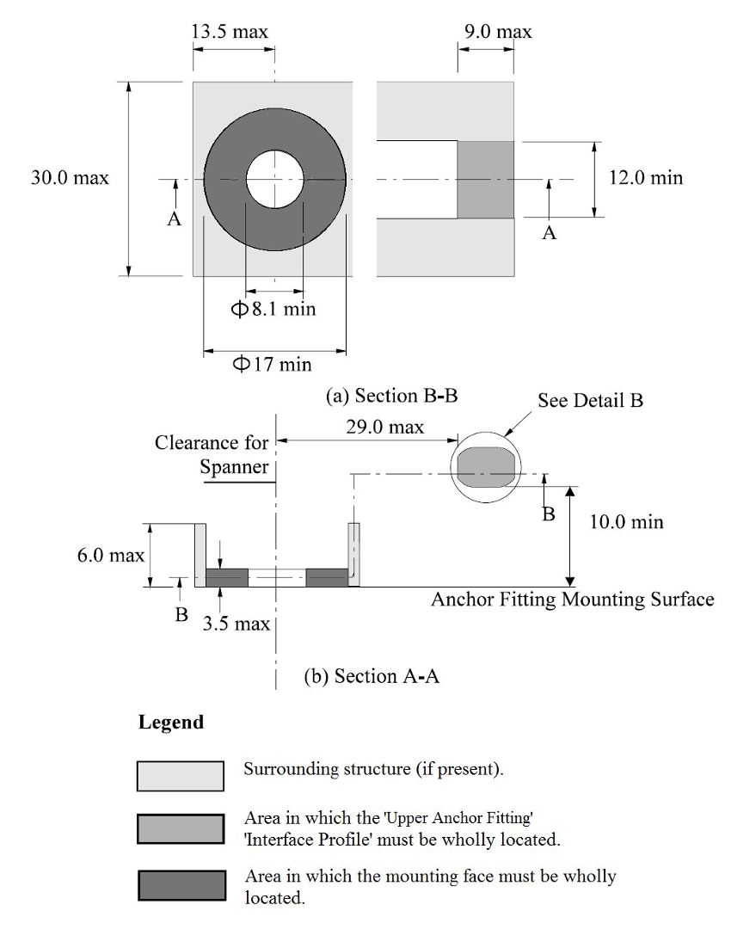
...
 |  |  |  |  |  | 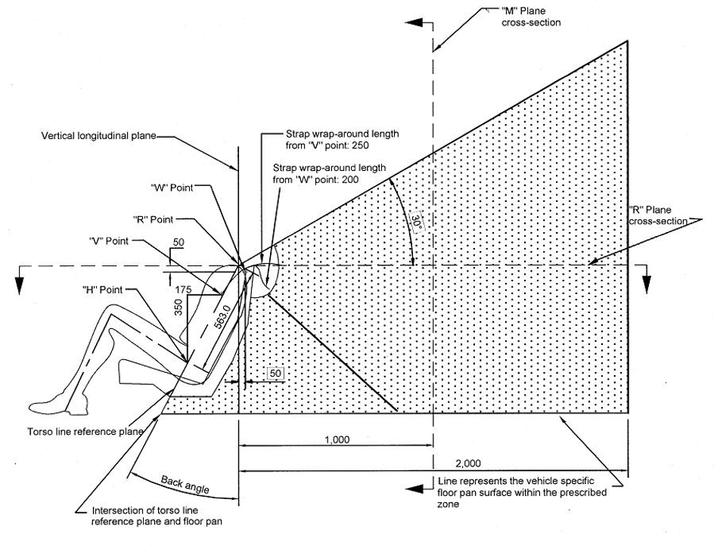
...

ADR 46
Checklist | Clause | Req Name | Text | Project ID | Relevant Project | Relevant Department | Right Project Assigned? (If not, list the appropriate one) | Would like to use Alternative Means of Testing compared to ADR (Yes/No)? | Verification Method : Inspection, Demonstration, Test, Analysis (Simulations/Calculations), ADR Annex, ADR Testing Procedure
1 | 5.2 | Headlamp Photometric charateristics | Headlamps shall be so made as to retain their prescribed photometric characteristics and to remain in good working order when in normal use, in spite of the vibrations to which they may be subjected | SRP8-012 | Headlights | EMB | Pending |  | Test
3 | 5.3 | Headlamp adjusting device | Headlamps shall be fitted with a device enabling them to be so adjusted on the vehicle as to comply with the rules applicable to them. Such a device need not be fitted on components in which the reflector and the diffusing lens cannot be separated provided the use of such units is confined to vehicles on which the headlamps setting can be adjusted by other means. Where a headlamp providing a driving beam and a headlamp providing a passing beam, each equipped with its own filament lamp, are assembled to form a composite unit, the adjusting device shall enable each optical system individually to be duly adjusted. However, this shall not apply to headlamps assemblies whose reflectors are indivisible. For this type of assembly, the requirements of Paragraph 6 shall apply. | SRP8-012 | Headlights | EMB | Pending |  | Inspection
The components by which the filament lamp is fixed to the reflector shall be so made that, even in darkness, the filament lamp can be fixed in no position but the correct one. The filament lamp-holder shall conform to the dimensional characteristics as given in the following data sheets of IEC Publication 61-2:
6 | 5.4 | Filament lamp orientation |  | SRP8-012 | Headlights | EMB | Pending |  | Inspection
8 | 5.6 | Headlamp Phtometric Perfromance | Complementary tests shall be done according to the requirements of Annex 4 to ensure that in use there is no excessive change in photometric performance | SRP8-012 | Headlights | EMB | Pending |  | Test
9 | 5.8 | Headlamp Lens material test | If the lens of the headlamp is of plastic material, tests shall be done according to the requirements of Annex 7 | SRP8-012 | Headlights | EMB | Pending |  | Test
12 | 6.1 | Healamp Filiment adequte illumination | Headlamps shall be so made that with suitable R2 and/or HS1 filament lamp(s) they provide adequate illumination without dazzle in the case of passing beam and good illumination in the case of the driving beam. | SRP8-012 | Headlights | EMB | Pending |  | Test
14 | 6.1.1 | Headlamp illumination checking | The illumination produced by the headlamp shall be checked on a vertical screen set at a distance of 25 m in front of the headlamp and at right angles to its axis (see annex 6). | SRP8-012 | Headlights | EMB | Pending |  | Test
The headlamp shall be checked by means of (a) standard (etalon) filament lamp(s) designed for a rated voltage of 12 V, any selective-yellow filters ⁷ being replaced by geometrically identical uncoloured filters with a transmission factor of at least 80%. During the checking of the headlamp the voltage at the terminals of the filament lamp shall be regulated so as to obtain the following characteristics:
16 | 6.1.2 | Headlamp light transmission factor |  | SRP8-012 | Headlights | EMB | Pending |  | Test
18 | 6.1.3 | Filament and Shield Positioning | The dimensions determining the position of the filament(s) and the shield inside the standard filament lamp are shown on the relevant data sheet of Regulation No. 37. | SRP8-012 | Headlights | Embedded Systems | Pending |  | Analysis
20 | 6.1.4 | Headlamp bulb shape | The bulb of the standard filament lamp shall be of such optical shape and quality that it does not cause any reflection or refraction adversely affecting the light distribution. Compliance with this requirement shall be checked by measuring the light distribution obtained when a standard headlamp is fitted with the standard (etalon) filament lamp | SRP8-012 | Headlights | Embedded Systems | Pending |  | Test
22 | 6.2 | Passing Beam Boundary Parametres General | The passing beam must produce a sufficiently sharp "cut-off" to permit satisfactory adjustment with its aid. The "cut-off" must be a horizontal straight line on the side opposite to the direction of the traffic for which the headlamp is intended; on the other side it should be horizontal or within an angle of 15 degrees above the horizontal. The headlamp shall be so adjusted that: | SRP8-012 | Headlights | Chassis & Bodywork | Yes |  | Test
24 | 6.2.1 | Left hand Traffic Passing Beam Boundary Parametres | In the case of headlamps designed to meet the requirements of right-hand traffic, the "cut-off" on the left half of the screen (The adjustment screen should be sufficiently wide to allow examination of the "cut-off" over a range of at least 5 degrees from the line vv) is horizontal and, in the case of headlamps designed to meet the requirements of left-hand traffic, the "cut-off" on the right half of the screen is horizontal; | SRP8-012 | Headlights | Chassis & Bodywork | Yes |  | Test
26 | 6.2.2 | Passing Beam Boundary Parametres Horizontal plane | This horizontal part of the "cut-off" is situated on the screen 25 cm below the outline of the horizontal plane passing through the focus of the headlamp (See Annex 6 to this Regulation); | SRP8-012 | Headlights | Chassis & Bodywork | Yes |  | Test
28 | 6.2.3 | Passing beam/ Driving beam calibration and Adjustment | When so adjusted, the headlamp shall, if it is intended to provide a passing beam and a driving beam, comply with the requirements referred to in Paragraphs 6.3 and 6.4 below. If it is intended primarily to provide a passing beam, it need comply only with the requirements referred to in Paragraph 6.310. Where a headlamp so adjusted does not meet the requirements referred to in Paragraphs 6.3 and 6.4, its adjustment may be changed, provided that the axis of the beam or the point of intersection HV specified Annex 6 to this Regulation is not laterally displaced by more than 1 degrees (= 44 cm) to the right or left11. To facilitate adjustment by means of the "cut-off", the headlamp may be partially occulted in order to sharpen the "cut-off". If the headlamp is designed solely to provide a driving beam, it shall be so adjusted that the area of maximum illumination is centred on the point of intersection of the lines hh and vv. Such a headlamp need meet only the requirements referred to in Paragraph 6.5. If, in the case of a headlamp designed to satisfy the requirements of this Regulation with respect to the passing beam only, the focal axis diverges appreciably from the general direction of the beam, lateral adjustment shall be effected to the manner which best satisfies the requirements for illumination at points 75 and 50. The limit of non-adjustment of 1? to the right or left is not incompatible with vertical non-adjustment. The latter is limited only by the requirements of Paragraph 6.4. | SRP8-012 | Headlights | Chassis & Bodywork | Yes |  | Test
The illumination produced on the screen by the passing beam shall meet the requirements of the following Table 12. It is understood that, where the flux of the standard filament lamp used for measurement is other than 450 lumens, the measurements as taken will be corrected proportionally to the rates of the fluxes. There shall be no lateral variations detrimental to good visibility in any of the zones, I, II, III and IV.
Headlamps designed to meet the requirements of both right-hand and left-hand traffic must, in each of the two setting positions of the optical unit or of the filament lamp, meet the requirements set forth above for the corresponding traffic system.
30 | 6.3 | Headlamp Illumination standards |  | SRP8-012 | Headlights | Embedded Systems | Pending |  | Test
32 | 6.4 | Headlamp photometric value limits | The illumination values in zones "A" and "B" 13 as shown in Figure PIC in Annex 6 shall be checked by the measurement of the photometric values of points 1 to 8 on this Figure; these values shall lie within the following limits: 1 + 2 + 3 > 0.3 lux, and 4 + 5 + 6 > 0.6 lux, and 0.7 lux > 7 > 0.1 lux and 0.7 lux > 8 > 0.2 lux | SRP8-012 | Headlights | Embedded Systems | Pending |  | Test
...

ADR 47
...
Checklist | Clause | Req Name | Text | Project ID | Relevant Project | Relevant Department | Right Project Assigned? (If not, list the appropriate one) | Would like to use Alternative Means of Testing compared to ADR (Yes/No)? | Verification Method : Inspection, Demonstration, Test, Analysis (Simulations/Calculations), ADR Annex, ADR Testing Procedure
9 | 6.4. | Retro-reflecting device surface | The outer surface of retro-reflecting devices must be easy to clean. Hence it must not be a rough surface; any protuberances it may exhibit must not prevent easy cleaning. | SRP8-171 | Rear Bumper | Chassis & Bodywork | Taillights |  | Inspection
10 | 6.5. | durability and stability | For devices of Class IV A their means of fixation shall be such that they allow a stable and durable connection between the device and the vehicle. | SRP8-171 | Rear Bumper | Chassis & Bodywork | Taillights |  | Inspection
11 | 6.6. | No access to inner surface of retro-reflector during use | There shall be no access to the inner surface of the retro-reflectors when in normal use. | SRP8-171 | Rear Bumper | Chassis & Bodywork | Taillights |  | Inspection
12 | Annex 5 1.1 | Shape must not resemble letter, digit, or triangle | The shape of the illuminating surfaces must be simple, and not easily confused at normal observation distances, with a letter, a digit or a triangle. | SRP8-171 | Rear Bumper | Chassis & Bodywork | Taillights |  | Inspection
13 | Annex 5 1.2. | Shapes resembling O, I, U, 8 permitted | The preceding paragraph notwithstanding, a shape resembling the letters or digits of simple form O, I, U or 8 is permissible. | SRP8-171 | Rear Bumper | Chassis & Bodywork | Taillights |  | Inspection
14 | Annex 5 2.3. | Maximum 15mm between optical units | The illuminating surface may or may not be continuous. In any case, the shortest distance between two adjacent retro-reflecting optical units must not exceed 15mm. | SRP8-171 | Rear Bumper | Chassis & Bodywork | Taillights |  | Measurement
15 | Annex 5 3.2. | Minimum light-emitting surface area of 25cm² | The light emitting surface of the retro-reflecting device must be at least 25cm2. | SRP8-171 | Rear Bumper | Chassis & Bodywork | Taillights |  | Measurement
16 | Annex 6 1.1. | Combined optical unit and filter must not be separable | Retro-reflecting devices may consist of a combined retro-reflecting optical unit and filter, which must be so designed that they cannot be separated under normal conditions of use. | SRP8-171 | Rear Bumper | Chassis & Bodywork | Taillights |  | Inspection
17 | Annex 6 2. | Colourless reflection within photometric limits | Picture | SRP8-171 | Rear Bumper | Chassis & Bodywork | Taillights |  | Test
18 | Annex 6 3. | No selective reflection; minimal coordinate shift | Clear retro-reflecting devices must not produce a selective reflection, that is to say, the trichromatic co-ordinates "x" and "y" of the standard illuminant "A" used to illuminate the retro-reflecting device must not undergo a change of more than 0.01 after reflection by the retro-reflecting device. | SRP8-171 | Rear Bumper | Chassis & Bodywork | Taillights |  | Test
19 | Annex 7 3.1.1 | CIL values for red retro-reflecting devices | 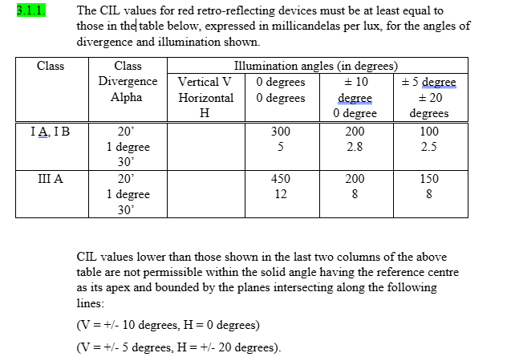 | SRP8-171 | Rear Bumper | Chassis & Bodywork | Taillights |  | Test
19 | Annex 8 2.1. | Resistance to humidity, corrosion, and degradation | Retro-reflecting devices must be so designed that they retain the prescribed photometric and colorimetric characteristics despite the humidity and corrosive influences to which they are normally exposed. The resistance of the front surface to tarnishing and of the protection of the rear face to deterioration shall be checked, particularly when an essential metal component seems liable to be attacked. | SRP8-171 | Rear Bumper | Chassis & Bodywork | Taillights |  | Test

ADR 61
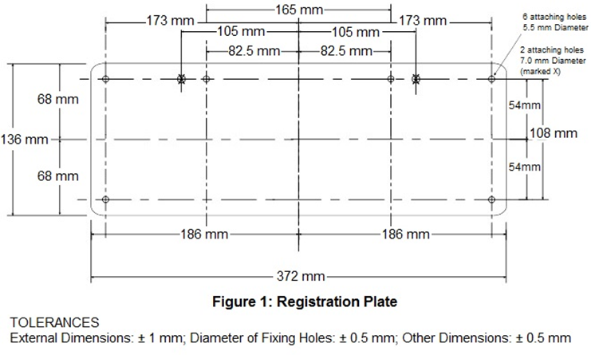
...
Checklist | Clause | Req Name | Text | Project ID | Relevant Project | Relevant Department | Right Project Assigned? (If not, list the appropriate one) | Would like to use Alternative Means of Testing compared to ADR (Yes/No)? | Verification Method : Inspection, Demonstration, Test, Analysis (Simulations/Calculations), ADR Annex, ADR Testing Procedure
2 | 6.1 | Durable Self-adhesive Label | 6.1. Every L-Group vehicle, and every category MA, MB, MC, MD or NA vehicle, must bear one or more items of ‘Secure Vehicle Identification Marking’, in the form of a durable self-adhesive label. | SRP8-172 | Rear Support Structure |  | Pending |  | Inspection
3 | 6.4 | Secure Vehicle Identification Marking | 6.4. The ‘Secure Vehicle Identification Marking’ required by clause 6.1, 6.2 and 6.3 above, must: (a) display at least: (i) the name of the ‘Manufacturer’ or the ‘Vehicle Make’; and (ii) the ‘VIN’; (b) be firmly affixed in a conspicuous and readily accessible position on the vehicle; and (c) not be affixed on a part of the vehicle usually subject to replacement in use. | SRP8-172 | Rear Support Structure |  | Pending |  | Inspection
4 | 6.4.1 | Type of Letter | 6.4.1. All information required by part (a) of clause 6.4 above on the ‘Secure Vehicle Identification Marking’, must be in Latin alphabet letters, Arabic numerals, or a combination of these (as applicable/required), all at least 2.5 mm in height. | SRP8-172 | Rear Support Structure |  | Pending |  | Inspection
5 | 6.4.2 | Provision of manufacturer's statutory plate | 6.4.2. A category M, N or T vehicle shall be deemed to satisfy the requirements of parts (b) and (c) of clause 6.4 above, if the required ‘Secure Vehicle Identification Marking’ is provided through a manufacturer’s statutory plate located in accordance with a type approval granted under the Commission Regulation (EU) No 19/2011 for the vehicle type. | SRP8-172 | Rear Support Structure |  | Pending |  | Inspection
6 | 6.4.3 | Reliability of label | 6.4.3. Where a self-adhesive label is used for the required ‘Secure Vehicle Identification Marking’, it must be tamper evident, fraud resistant, and self-destructive (e.g. self-voiding) in case there is an attempt to remove the label; and all the required information must be printed indelibly on the label. | SRP8-172 | Rear Support Structure |  | Pending |  | Inspection
7 | 6.4.5 | Further Information | 6.4.5. The ‘Manufacturer’ may choose to provide further information, for example a ‘VIN’ barcode, on a self-adhesive label or metal plate used as ‘Secure Vehicle Identification Marking’. | SRP8-172 | Rear Support Structure |  | Pending |  | Inspection
8 | 6.4.6 | Vehicle Make | 6.4.6. The ‘Vehicle Make’ referred to in part (a) of clause 6.4 above may be included on its own, or as a part of a trading name or business name associated with the ‘Manufacturer’, including for example the name of the production facility. | SRP8-172 | Rear Support Structure |  | Pending |  | Inspection
9 | 9.1.1 | Registration Plate Height (Rear) | 9.1.1. Provision must be made for mounting a registration plate as shown in Figure 1 below, to be affixed to the rear of the vehicle so that no part of such a plate is more than 1,300 mm from the ground. | SRP8-172 | Rear Support Structure |  | Pending |  | Inspection
10 | 9.1.2 | Registration Plate Height (Rear) | 9.1.2. Provision must be made for mounting a registration plate as shown in Figure 1 below, to be affixed to the front of the motor vehicle forward of and parallel to the front ‘Axle’, so that no part of such a plate is more than 1,300 mm from the ground. | SRP8-172 | Rear Support Structure |  | Pending |  | Inspection
11 | 9.1.3 | Obscure | 9.1.3. No part of a vehicle, including its standard equipment, regular production options or ‘Equipment’ shall be so located as to obscure any part of the registration plate(s). | SRP8-172 | Rear Support Structure |  | Pending |  | Inspection

ADR 93
 |  |  |  |  | Relevant Project | Relevant Department | Right Project Assigned? (If not, list the appropriate one) | Would like to use Alternative Means of Testing compared to ADR (Yes/No)? | Verification Method : Inspection, Demonstration, Test, Analysis (Simulations/Calculations), ADR Annex, ADR Testing Procedure | Verification Method Description (As detailed as you can be) | Testing Procedure Per Req (To Be Done Later) | Verified? | Number of requirements | Number of Verified | Number of requirements left
 |  |  |  |  |  |  |  |  |  |  |  |  | 30 | 0 | 30
 |  |  |  |  |  |  |  |  |  |  |  | No
 |  |  |  |  |  |  |  |  |  |  |  | No
 |  |  |  |  | Electric Windows | C&B | Yes |  | Inspection | Inspect the completed vehicle and confirm that nothing is constructed, equiped or affixiated such that these equipments prevent an adequate view of traffic. Record and store evidence from the drivers seating position. |  | No | ADR 92
 |  |  |  |  | Front Seats |  | YES |  | Analysis | Use a CAD software to measure the difference of the seating reference position of the driver and passenger and ensure that this value is less than 100mm. Record and store relevant information. |  | No | ADR Completion Rate
 |  |  |  |  | Front Seats |  | YES |  | Inspection | Inspect the completed vehicle and ensure that there is no passenger seating on the RHS of the vehicle. Record and store evidence of the passenger seating location. |  | No
 |  |  |  |  |  |  |  |  | N/A |  |  | No | 0.00%
 |  |  |  |  |  |  |  |  |  |  |  | No
 |  |  |  |  |  |  |  |  |  |  |  | No
 |  |  |  |  |  |  |  |  |  |  |  | No
 |  |  |  |  | Windscreen |  | Pending |  | Analysis | “The position of the points V1 and V2 is determined in relation to the “R” point as indicated by the XYZ coordinates of the three-dimensional reference grid and are shown in Table I under paragraph 5.2.2. above and Table IV under paragraph 5.4. above. The windscreen datum points shall then be found from the corrected V points as prescribed in paragraph 5.1.1. above.” | 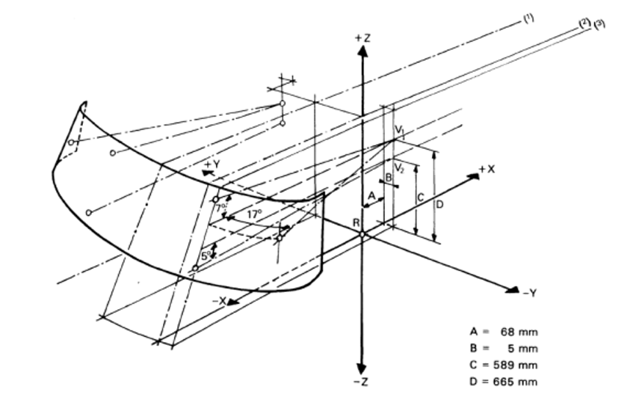 | No
 |  |  |  |  | Occupant Cell |  | Pending |  | Analysis | Record constructed point coordinates |  | No
 |  |  |  |  | Occupant Cell |  | Pending |  | Analysis | Record constructed point coordinates |  | No
 |  |  |  |  | Occupant Cell |  | Pending |  | Analysis | Record constructed point coordinates |  | No
 |  |  |  |  | Occupant Cell |  | Pending |  | Analysis | Record mirrored point coordinates |  | No
 |  |  |  |  | Doors |  | Yes |  | N/A |  |  | No
 |  |  |  |  | Windscreen |  | No |  | N/A |  |  | No
 |  |  |  |  | Occupant Cell |  | Yes |  | N/A |  |  | No
 |  |  |  |  | Doors |  | No |  | Analysis | Record the measured angle for each A pillar, if the passenger and dirver side A pillars are symmetrical only the drivers side pillar has to be measured. If the angle does not exceed 6 degrees PASS. |  | No
 |  |  |  |  | Occupant Cell |  | Pending |  | Analysis | Record the measured angle for each A pillar, if the passenger and dirver side A pillars are symmetrical only the drivers side pillar has to be measured. If the angle does not exceed 6 degrees PASS. |  | No
 |  |  |  |  | Doors |  | No |  | ADR Testing Procedure | Record sections S1 and S2 for each pillar and the superimposed plane view |  | No
 |  |  |  | SRP8-065 | Occupant Cell |  | Pending |  | ADR Testing Procedure | Record sections S1 and S2 for each pillar and the superimposed plane view |  | No
 |  |  |  | SRP8-065 | Occupant Cell |  | Pending |  | Inspection | Count the number of A pillars present in the vehicle. Record and store evidence as photos. |  | No
 |  |  |  | SRP8-065 | Occupant Cell |  | Pending |  | Analysis | Record the measured driver side angle and the tangent construction. |  | No
 |  |  |  |  |  |  | Pending |  | N/A |  |  | No
 |  |  |  |  |  |  | Pending |  | N/A |  |  | No
 |  |  |  | SRP8-022 | Steering Wheel |  | Pending |  | Analysis | Record the measured declination angle and the steering wheel position that this measurement was taken from, include the adjustment range that the wheel can be moved to. |  | No
 |  |  |  | SRP8-065 | Occupant Cell |  | Pending |  | Analysis | Record the projected area, the area of S and the resulting percentage as well as the steering wheel position that was used. |  | No
 |  |  |  | SRP8-065 | Occupant Cell |  | Pending |  | N/A |  |  | No
 |  |  |  | SRP8-003 | Windescreen |  | Pending |  | Analysis | Record the measured windscreen extent forward of V2. |  | No
21 | 5.1.4 Pt 1 | Visibility Test 1 (Given height of V2 above the ground exceeds 1,650 mm) | In the case where the height of V2 above the ground exceeds 1,650 mm, the following requirement shall be met: A 1,200 mm tall cylindrical object with a diameter of 300 mm that is situated inside the space bounded by a vertical plane located 2,000 mm in front of the vehicle, a vertical plane located 2,300 mm in front of the vehicle, a vertical plane located 400 mm from the driver's side of the vehicle, and a vertical plane located 600 mm from the opposite side of the vehicle shall be at least partially visible when viewed directly from V2 (see Figure 1), regardless of where the object is within that space, unless it is invisible due to a blind spot(s) created by the A pillars, windscreen wipers, or steering wheel. | SRP8-065 | Occupant Cell |  | Pending |  | if V2 <= 1650 N/A else Analysis | Measure and record the height of V2. Where V2 exceeds 1650mm PASS where the cyclinder is partially visible at every position, or is invisible due to the A pillars, wipers or steering wheel. Record the position grid, the sightline results and any justifications. | 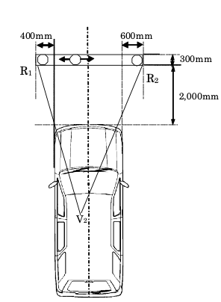 | No
22 | 5.1.4 Pt 2 | Visibility Test 2 (Given height of V2 above the ground exceeds 1,650 mm) | In the case where the height of V2 above the ground exceeds 1,650 mm, the following requirement shall be met: If the driver's seat is located in the central driving position of the vehicle, the 1,200 mm tall cylindrical object shall be situated inside the space bounded by a vertical plane located 2,000 mm in front of the vehicle, a vertical plane located 2,300 mm in front of the vehicle, a vertical plane located 500 mm from the side of the vehicle (see Figure 2). | SRP8-065 | Occupant Cell |  | Pending |  | As Above | 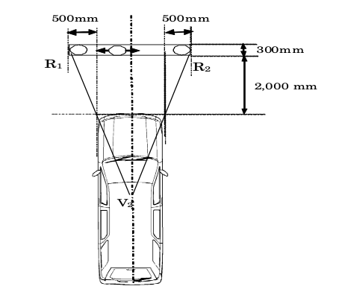 Measure and record the height of V2. Where V2 exceeds 1650mm PASS where the cyclinder is partially visible at every position, or is invisible due to the A pillars, wipers or steering wheel. Record the position grid, the sightline results and any justifications. |  | no
23 | 5.2 | Provide the Position of the V points here (V point determination below) |  | SRP8-065 | Occupant Cell |  | Pending |  | ADR Annex | Record the design seatback angle used |  | No
N/A | 5.2.1 |  | The position of the V points in relation to the "R" point, as indicated by XYZ coordinates from the three dimensional reference grid, are as shown in Tables I and IV. |  |  |  | Pending |  |  |  |  | No
N/A | 5.2.2 |  | Table I indicates the basic coordinates for a design seat-back angle of 25°. The positive direction for the coordinates is indicated in Annex 4, Appendix, Figure 1. Table I V-point X Y Z V1 68 mm -5 mm 665 mm V2 68 mm -5 mm 589 mm |  |  |  | Pending |  |  |  |  | No
22 | 5.3 | Provide the Position of the P points here (P point determination below) |  | SRP8-065 | Occupant Cell |  | Pending |  | ADR Annex + Analysis | Record the base coordinates. |  | No
N/A | 5.3.1 |  | The position of the P points in relation to the "R" point, as indicated by the XYZ coordinates from the three-dimensional reference grid, are as shown by Tables II, III and IV. | SRP8-065 | Occupant Cell |  | Pending |  | ADR Annex + Analysis |  |  | No
N/A | 5.3.1.1 |  | Table II sets out the base coordinates for a design seat-back angle of 25°. The positive direction of the coordinates is set out in Annex 4, Appendix, Figure 1. The Pm point is the point of intersection between the straight line joining P1, P2 and the longitudinal vertical plane passing through the "R" point. Table II Point P X Y Z P1 35 mm -20 mm 627 mm P2 63 mm 47 mm 627 mm Pm 43.36 mm 0 mm 627 mm |  |  |  | Pending |  | ADR Annex + Analysis |  |  | No
N/A | 5.3.1.2 |  | Table III indicates the further corrections to be made to the X coordinates of P1 and P2 when the horizontal seat-adjustment range as defined in paragraph 2.16. above exceeds 108 mm. The positive direction for the coordinates is indicated in Annex 4, Appendix, Figure 1. Table III Horizontal seat-adjustment range Δx 108 to 120 mm -13 mm 121 to 132 mm -22 mm 133 to 145 mm -32 mm 146 to 158 mm -42 mm more than 158 mm -48 mm |  |  |  | Pending |  | Adr annex |  |  | No
N/A | 5.4 | Correction for design seat-back angles other than 25° | Table IV indicates the further corrections to be made to the X and Z coordinates of each P point and each V point when the design seat-back angle is not 25°. The positive direction for the coordinates is indicated in Annex 4, Appendix, Figure 1. |  |  |  | Pending |  | ADR annex |  |  | No
N/A | 5.4 | Table IV | 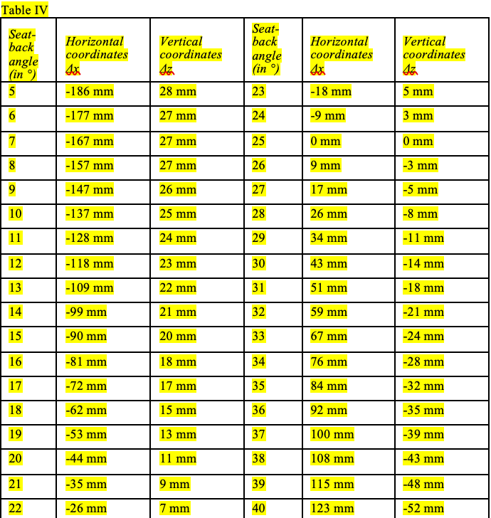 |  |  |  | Pending |  | ADR annex | 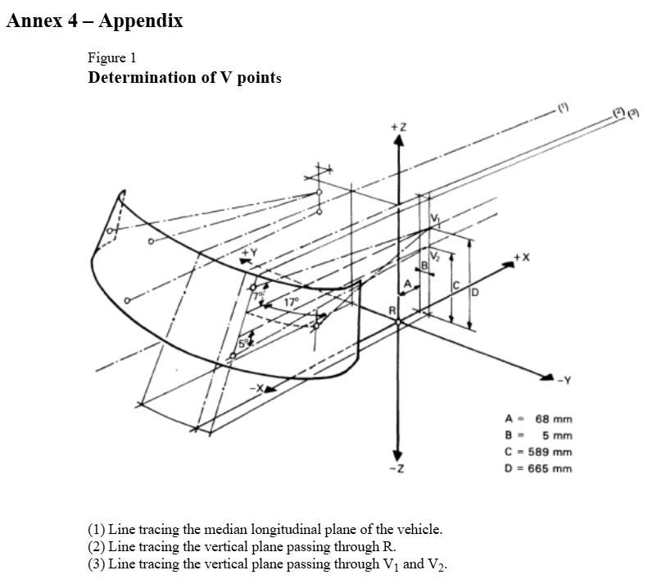 |  | No
23 | 5.5 | Provide the Position of the E points here (E point determination below) |  | SRP8-065 | Occupant Cell |  | Pending |  | ADR Annex | Record the E1 and E2 coordinates |  | No
N/A | 5.5.1 |  | E1 and E2 points are each 104 mm from P1. E2 is 65 mm from E1 (see Annex 4, Appendix, Figure 4). |  |  |  | Pending |  | N/A |  |  | No
N/A | 5.5.2 |  | The straight line joining E1 and E2 is rotated about P1 until the tangent joining E1 to the outer edge of Section 2 of the "A" pillar on the driver's side is normal to the straight line E1 - E2 (see Annex 4, Appendix, Figure 3). |  |  |  | Pending |  | N/A |  |  | No
N/A | 5.5.3 |  | E3 and E4 are each 104 mm from point P2. E3 is 65 mm from E4 (see Annex 4, Appendix, Figure 4). |  |  |  | Pending |  | N/A |  |  | No
N/A | 5.5.4 |  | The straight line E3 - E4 is rotated about P2 until the tangent joining E4 to the outer edge of Section 2 of the "A" pillar on the passenger's side is normal to the straight line E3 - E4 (see Annex 4, Appendix, Figure 3). |  |  |  | Pending |  | N/A |  |  | No
N/A | 6 | Test Procedure |  |  |  |  | Pending |  |  |  |  | No
N/A | 6.1 | Driver's field of vision |  |  |  |  | Pending |  |  |  |  | No
24 | 6.1.1 | Dimensional Relationships | The dimensional relationships between the vehicle's primary reference marks and the three - dimensional reference grid shall be determined by the procedure prescribed in Annex 4. |  |  |  | Pending |  | ADR Testing Procedure | Record datums |  | No
25 | 6.1.2 | Windscreen Datum Points Determination | The position of the points V1 and V2 is determined in relation to the "R" point as indicated by the XYZ coordinates of the three dimensional reference grid and are shown in Table I under paragraph 5.2.2. above and Table IV under paragraph 5.4. above. The windscreen datum points shall then be found from the corrected V points as prescribed in paragraph 5.1.1. above. |  |  |  | Pending |  | ADR Testing Procedure | Record corrected V points and the 6 resulting windscreen datum points |  | No
26 | 6.1.3 | Relationships using Table II and Table III | The relationship between the P points, the "R" point, and the centre line of the driver's seating position, as indicated by XYZ coordinates from the three dimensional reference grid, shall be determined from Tables II and III in paragraph 5.3. above. The correction for design seat back angles other than 25° is shown in Table IV under paragraph 5.4. above. |  |  |  | Pending |  | ADR Testing Procedure | Record the corrected P points and their relationship to the seat centre line. |  | No
...

ADR 108
The whole test object shall be seen
Clause | Req Name | Text | Project ID | Relevant Project | Relevant Department | Right Project Assigned? (If not, list the appropriate one) | Would like to use Alternative Means of Testing compared to ADR (Yes/No)? | Verification Method : Inspection, Demonstration, Test, Analysis (Simulations/Calculations), ADR Annex, ADR Testing Procedure
15.1 | General Specification
15.2 | Close Proximity Rear View Mirrors |  | SRP8-024 | Rear Vision System | Interior | Pending |  | Test
15.2.1.4 | Object visual testing | Via a means of rear visibility (mirror or RVCS or other) complying with this Regulation; or Via a device of indirect vision (mirror or RVCS or other) complying with this Regulation; | SRP8-024 | Rear Vision System | Interior | Pending |  | Test
15.2.2 | Close Proximity rear view conditions | The close-proximity rear-view field of vision shall be established using ambinocular vision, the eyes being at the "driver's ocular points" as defined in paragraph 12.1. above. The fields of vision shall be determined when the vehicle is in running order as defined in the consolidated Resolution on the Construction of vehicles (R.E.3) (ECE/TRANS/WP.29/78/Rev.6, para. 2.2.5.4.), plus for M1 and N1 vehicles one front seat passenger (75 kg). When established through windows, the glazing shall have a total light transmission factor in accordance with UN Regulation No. 43, Annex 24. In case of direct view from the driver’s looking back ocular points the vertical position of rear seat headrests shall be set at the designed position of assumed to use or the highest position if the headrest has multiple position settings or at the position agreed with the Technical Service. | SRP8-024 | Rear Vision System | Interior | Pending |  | Test
15.2.3 | Combination of visibility condition | In the case of a combination of means of rear visibility or detection, each entire transverse row of test objects shall be seen by one of these means. The close-proximity rear-view field of vision shall be obtained from the minimum number of mirrors and monitors. | SRP8-024 | Rear Vision System | Interior | Pending |  | Demonstration
15.3.1 | Field of detection |  | SRP8-024 | Rear Vision System | Interior | Pending
15.4.1.1 | Position for devices for reversing motion | Devices for means of rear visibility or detection shall be so placed that the driver, when sitting on the driving seat in a normal driving position, has a clear view of the road to the rear, side(s) or front of the vehicle. | SRP8-024 | Rear Vision System | Chassis & Bodywork | Pending
15.4.1.3 | Position for devices for reversing motion | Devices for means of rear visibility or detection shall not project beyond the external bodywork of the vehicle substantially more than is necessary to comply with the requirements concerning fields of vision or fields of detection. | SRP8-024 | Rear Vision System | Chassis & Bodywork | Pending
15.4.1.4 | Position for devices for reversing motion | Devices for means of rear visibility or detection shall be fitted in such a way that the devices do not move so as significantly to change the field of vision or detection as measured or vibrate to an extent which would cause the driver to misinterpret the nature of the image perceived. | SRP8-024 | Rear Vision System | Chassis & Bodywork | Pending
16 | Requirements for rear-view camera system |  |  |  |  | Pending
16.1 | Default view considerations | In default view the RVCS shall show the field of view at least as defined in paragraph 15.2. The RVCS must default to the rear-view image at the beginning of each backing event regardless of any modifications to the field of view that the driver has previously selected. | SRP8-024 | Rear Vision System | Interior | Pending
16.1.1 | Test object size considerations | When the Rear-view image is measured in accordance with the paragraphs 3. of Annex 9, the calculated visual angle subtended by the horizontal width of: (a) All three test objects at the last row specified in 15.2 shall average not less than 5 minutes of arc; and (b) Each individual test object shall not be less than 3 minutes of arc. | SRP8-024 | Rear Vision System | Interior | Pending
...

ADR 109
The whole test object shall be seen
Checklist | Clause | Req Name | Text | Project ID | Relevant Project | Relevant Department | Right Project Assigned? (If not, list the appropriate one) | Would like to use Alternative Means of Testing compared to ADR (Yes/No)? | Verification Method : Inspection, Demonstration, Test, Analysis (Simulations/Calculations), ADR Annex, ADR Testing Procedure
1 | 5.1.1. (c) | Protection Against Electric Shock During Disconnection | (c) The voltage of the live parts becomes equal or below 60 V DC or equal or below 30 V AC (rms) within 1 s after the connector is separated. | SRP8-021 | Charging | Energy Systems |  |  | Test
2 | 5.1.1.1., 5.1.1.2. | Ingress Protection Requirements for High Voltage Live Parts | 5.1.1.1. For high voltage live parts inside the passenger compartment or luggage compartment, the protection degree IPXXD shall be provided. 5.1.1.2. For high voltage live parts in areas other than the passenger compartment or luggage compartment, the protection degree IPXXB shall be provided. | SRP8-018 | Energy Control System (High Voltage) | Energy Systems | Yes |  | Test
3 | 5.1.1.3. | Protection Requirements for Tool-Free High Voltage Service Disconnects | For a high voltage service disconnect which can be opened, disassembled or removed without tools, or for vehicles of categories N2, N3, M2 and M3, an operator controlled activation/deactivation device or equivalent, protection degree IPXXB shall be satisfied when it is opened, disassembled or removed. | SRP8-016 | Battery | Energy Systems |  |  | Test
4 | 5.1.1.4.1. | High Voltage Warning Symbol Requirement for REESS | The symbol shown in Figure 2 shall be present on or near the REESS having high voltage capability. The symbol background shall be yellow, the bordering and the arrow shall be black. | SRP8-018 | Energy Control System (High Voltage) | Energy Systems | Yes |  | Inspection
5 | 5.1.2.2. | Electrical Continuity and Bonding Resistance | 5.1.2.2. The resistance between all exposed conductive parts and the electrical chassis shall be lower than 0.1 Ω when there is current flow of at least 0.2 amperes. The resistance between any two simultaneously reachable exposed conductive parts of the electrical protection barriers that are less than 2.5 m from each other shall not exceed 0.2 Ω. This resistance may be calculated using the separately measured resistances of the relevant parts of electric path. | SRP8-018 | Energy Control System (High Voltage) | Energy Systems | Yes |  | Annex 4
6 | 5.1.3.1. | Minimum Isolation Resistance Between High Voltage Buses and Chassis | If AC high voltage buses and DC high voltage buses are galvanically isolated from each other, isolation resistance between the high voltage bus and the electrical chassis shall have a minimum value of 100 Ω/volt of the working voltage for DC buses, and a minimum value of 500 Ω/volt of the working voltage for AC buses. | SRP8-039 | Powertrain Electronics | Powertrain | Yes |  | Annex 5A
7 | 5.1.3.2. | Isolation Resistance for Galvanically Connected High Voltage Buses | If AC high voltage buses and DC high voltage buses are galvanically connected, isolation resistance between the high voltage bus and the electrical chassis shall have a minimum value of 500 Ω/volt of the working voltage. | SRP8-039 | Powertrain Electronics | Powertrain | Yes |  | Annex 5A
8 | 5.1.3.3. | Isolation Resistance Monitoring System in Fuel Cell Vehicles | In fuel cell vehicles, DC high voltage buses shall have an on-board isolation resistance monitoring system together with a warning to the driver if the isolation resistance drops below the minimum required value of 100 Ω/V. The function of the on-board isolation resistance monitoring system shall be confirmed as described in Annex 6. | SRP8-039 | Powertrain Electronics | Powertrain | Yes |  | Annex 6
9 | 5.1.3.4. | Isolation Resistance Compliance Post-Disconnection of Conductive Connection | the isolation resistance between the high voltage bus and the electrical chassis shall comply with the requirements of paragraph 5.1.3.1. when the conductive connection is disconnected | SRP8-118 | AC Charging Control | Energy Systems |  |  | Annex 5A
10 | 5.1.4. | Post-Water Exposure Isolation Resistance Maintenance | The vehicles shall maintain isolation resistance after exposure to water (e.g. washing, driving through standing water). This paragraph shall not apply to electrical circuits that are galvanically connected to each other, where the DC part of these circuits is connected to the electrical chassis and the specific voltage condition is fulfilled. | SRP8-039 | Powertrain Electronics | Powertrain | Yes |  | Test
11 | 5.1.4.4. | Driver Warning for Low Isolation Resistance Detection | If an isolation resistance monitoring system is provided, and the isolation resistance less than the requirements given in paragraph 5.1.3. is detected, a warning shall be indicated to the driver. The function of the on-board isolation resistance monitoring system shall be confirmed as described in Annex 6. | SRP8-059 | Vehicle States Project | Embedded Systems |  |  | Annex 6
12 | 5.2.1.1., 5.2.1.2. | REESS Installation and Compliance with Type Approval Conditions | For a REESS which has been type approved in accordance with Part II of this series of Amendments to this Regulation, it shall be installed in accordance with the instructions provided by the manufacturer of the REESS, and in conformity with the description provided in Annex 1, Appendix 2 to this Regulation. The REESS including related vehicle components, systems and structure as applicable, shall comply with the respective requirements of paragraph 6. of this Regulation. | SRP8-016 | Battery | Energy Systems |  |  | Annex 1, Annex 2
...
22 | 6.2.1. | Vibration Resistance Testing According to Annex 9A | The test shall be conducted in accordance with Annex 9A to this Regulation. | SRP8-016 | Battery | Energy Systems |  |  | Annex 9A
23 | 6.3.1. | Thermal Shock and Cycling Test Compliance (Annex 9B) | This test shall be conducted in accordance with Annex 9B to this Regulation. | SRP8-016 | Battery | Energy Systems |  |  | Annex 9B
24 | 6.4.1.2. | Mechanical Shock Test Compliance (Annex 9C) | The test shall be conducted in accordance with Annex 9C to this Regulation. | SRP8-016 | Battery | Energy Systems |  |  | Annex 9C
25 | 6.4.2.2. | Fire Resistance Test Compliance (Annex 9D) | The test shall be conducted in accordance with Annex 9D to this Regulation. | SRP8-016 | Battery | Energy Systems |  |  | Annex 9D
26 | 6.5.2. | Component-Based Fire Resistance Test Using Gasoline Pool Fire | The test shall be conducted in accordance with Annex 9E paragraph 3.2.2. of this Regulation. | SRP8-016 | Battery | Energy Systems |  |  | Annex 9E
27 | 6.6.1. | External Short Circuit Protection Test Procedure | The test shall be conducted inaccordance with Annex 9F of this Regulation. | SRP8-016 | Battery | Energy Systems |  |  | Annex 9F
28 | 6.7.1. | Overcharge Protection Test Procedure | The test shall be conducted in accordance withAnnex 9G to this Regulation. | SRP8-016 | Battery | Energy Systems |  |  | Annex 9G
29 | 6.8.1. | Over-Discharge Protection Test Procedure | The test shall be conducted in accordance with Annex 9H to this Regulation. | SRP8-016 | Battery | Energy Systems |  |  | Annex 9H
30 | 6.9.1. | Over-Temperature Protection Test Procedure | The test shall be conducted in accordance with Annex 9I to this Regulation. | SRP8-016 | Battery | Energy Systems |  |  | Annex 9I
31 | 6.10.1. | Over-Current Protection Test Procedure | The test shall be conducted in accordance with Annex 9J to this Regulation. | SRP8-016 | Battery | Energy Systems |  |  | Annex 9J
The whole test object shall be seen
32 | 6.11. | Low-Temperature Protection Requirements for REESS | Low-temperature protection. REESS manufacturer must make available, at the request of the Technical Service with its necessity, the following documentations explaining safety performance of the system level or subsystem level of the vehicle to demonstrate that the REESS monitors and appropriately controls REESS operations at low temperatures at the safety boundary limits of the REESS: (a) A system diagram; (b) Written explanation on the lower boundary temperature for safe operation of REESS; (c) Method of detecting REESS temperature; (d) Action taken when the REESS temperature is at or lower than the lower boundary for safe operation of the REESS. | SRP8-016 | Battery | Energy Systems |  |  | Documentation
33 | 6.12.1. | Protection Against Hazardous Emissions from REESS During Vehicle Operation | Under vehicle operation including the operation with a failure, the vehicle occupants shall not be exposed to any hazardous environment caused by emissions from REESS. | SRP8-016 | Battery | Energy Systems |  |  | Test
34 | 6.13. | Warning Signal Activation for Operational Failures Affecting REESS Safety | The REESS or vehicle system shall provide a signal to activate the warning specified in paragraph 5.2.3. in the event of operational failure of the vehicle controls (e.g. input and output signals to the management system of REESS, sensors within REESS, etc.) that manage the safe operation of the REESS. | SRP8-175 | Vehicle States Project | Embedded Systems |  |  | Analysis (Simulation)
35 | 6.14. | Warning Signal Activation for Thermal Events in REESS | The REESS or vehicle system shall provide a signal to activate the warning specified in paragraph 5.2.3. in the case of a thermal event in the REESS (as specified by the manufacturer). | SRP8-175 | Vehicle States Project | Embedded Systems |  |  | Analysis (Simulation)
36 | 6.15.1. | Warning Signal Activation for Thermal Events in REESS | The REESS or vehicle system shall provide a signal to activate the advance warning indication in the vehicle to allow egress or 5 minutes prior to the presence of a hazardous situation inside the passenger compartment caused by thermal propagation which is triggered by an internal short circuit leading to a single cell thermal runaway such as fire, explosion or smoke. | SRP8-175 | Vehicle States Project | Embedded Systems |  |  | Analysis (Simulation)
37 | 16.15.2.2 | Warning Signal Activation for Thermal Events in REESS | A system diagram of all relevant physical systems and components. Relevant systems and components are those which contribute to protection of vehicle occupants from hazardous effects caused by thermal propagation triggered by a single cell thermal runaway. | SRP8-175 | Vehicle States Project | Embedded Systems |  |  | Documentation
38 | Annex 4 (1.) | Test Method for Measuring Resistance Between Electrical Chassis and Conductive Parts | Test method using a resistance tester. The resistance tester is connected to the measuring points (typically, electrical chassis and electro conductive enclosure/electrical protection barrier) and the resistance is measured using a resistance tester that meets the specification that follows: (a) Resistance tester: Measurement current at least 0.2 A; (b) Resolution: 0.01 Ω or less; (c) The resistance R shall be less than 0.1 Ω. | SRP8-018 | Energy Control System (High Voltage) | Energy Systems | Yes |  | Test
39 | Annex 4 (2.1.) | Test Procedure for Resistance Verification Using DC Power Supply Method | Test Procedure. The DC power supply, voltmeter and ammeter are connected to the measuring points (Typically, electrical chassis and electro conductive enclosure/electrical protection barrier). The voltage of the DC power supply is adjusted so that the current flow becomes at least 0.2 A. The current "I" and the voltage "U" are measured. The resistance "R" is calculated according to the following formula: R = U / I The resistance R shall be less than 0.1 Ω. | SRP8-018 | Energy Control System (High Voltage) | Energy Systems |  |  | Test
40 | Annex 5A (2.1.2.) | Test Procedure for Resistance Verification Using DC Power Supply Method | An isolation resistance test instrument shall be connected between the live parts and the electrical chassis. Then, the isolation resistance shall be measured by applying a DC voltage at least half of the working voltage of the high voltage bus. | SRP8-039 | Powertrain Electronics | Powertrain | Yes |  | Test
41 | Annex 5A (2.2.2.) | Voltmeter Specifications for Resistance Measurement Testing | The voltmeter used in this test shall measure DC values and shall have an internal resistance of at least 10 MΩ. | SRP8-039 | Powertrain Electronics | Powertrain | Yes |  | Inspection
42 | Annex 5A (2.2.3.1., 2.2.3.2., 2.2.3.3., 2.2.3.4., 2.2.3.5.) | Procedure for Measuring Electrical Isolation Resistance of High Voltage Bus | The voltage is measured as shown in Figure 1 and the high voltage bus voltage (Ub) is recorded. Ub shall be equal to or greater than the nominal operating voltage of the REESS and/or energy conversion system as specified by the vehicle manufacturer. Measure and record the voltage (U1) between the negative side of the high voltage bus and the electrical chassis (see Figure 1). Measure and record the voltage (U2) between the positive side of the high voltage bus and the electrical chassis (see Figure 1). If U1 is greater than or equal to U2, insert a standard known resistance (Ro) between the negative side of the high voltage bus and the electrical chassis. With Ro installed, measure the voltage (U1’) between the negative side of the high voltage bus and the electrical chassis (see Figure 2). Calculate the electrical isolation (Ri) according to the following formula: Ri = Ro*Ub*(1/U1’ – 1/U1) If U2 is greater than U1, insert a standard known resistance (Ro) between the positive side of the high voltage bus and the electrical chassis. With Ro installed, measure the voltage (U2’) between the positive side of the high voltage bus and the electrical chassis (see Figure 3). Calculate the electrical isolation (Ri) according to the formula shown. Divide this electrical isolation value (in Ω) by the nominal operating voltage of the high voltage bus (in volts). Calculate the electrical isolation (Ri) according to the following formula: Ri = Ro*Ub*(1/U2’ – 1/U2) The electrical isolation value Ri (in Ω) divided by the working voltage of the high voltage bus (in volts) results in the isolation resistance (in Ω/V). | SRP8-039 | Powertrain Electronics | Powertrain | Yes |  | Test
...

