Sheet1
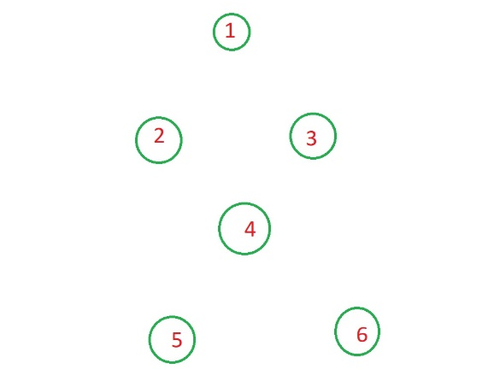
Adjacency Matrix

 | 0 | 1 | 2 | 3 | 4 | 5 | 6
0 | 0 | 0 | 0 | 0 | 0 | 0 | 0
1 | 0 | 0 | 1 | 1 | 0 | 0 | 0
2 | 0 | 1 | 0 | 0 | 1 | 0 | 0
3 | 0 | 1 | 0 | 0 | 1 | 0 | 0
4 | 0 | 0 | 1 | 1 | 0 | 0 | 0
5 | 0 | 0 | 0 | 0 | 1 | 0 | 0
6 | 0 | 0 | 0 | 0 | 1 | 0 | 0

