Data
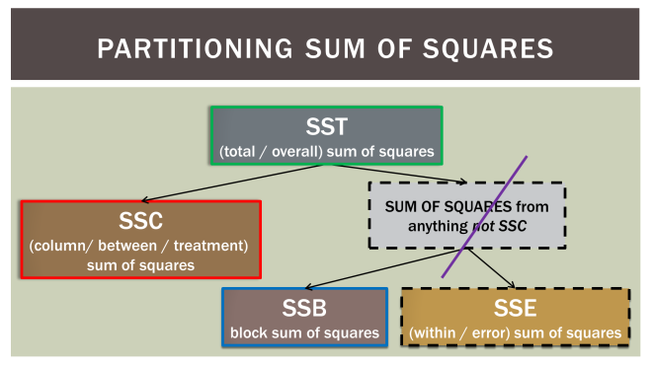
 | Sydney | Brisbane | Melbourne
Shopper 1 | 75 | 75 | 90 |  | Block Means | n = | N | 18
Shopper 2 | 70 | 70 | 70 |  |  | groups = | C | 3
Shopper 3 | 50 | 55 | 75 |  |  | blocks = | B | 6
Shopper 4 | 65 | 60 | 85
Shopper 5 | 80 | 65 | 80
Shopper 6 | 65 | 65 | 65

 | Group Means

 | Total | Decomposition of Variance
 | SST | SSC | SSB | SSE |  | MSC/ | F=
 |  |  |  |  |  | MSE
df | N-1 | C-1 | B-1 | (C-1)(B-1)
 |  |  |  |  |  | MSB/ | F=
 | MST | MSC | MSB | MSE |  | MSE

