Sheet1
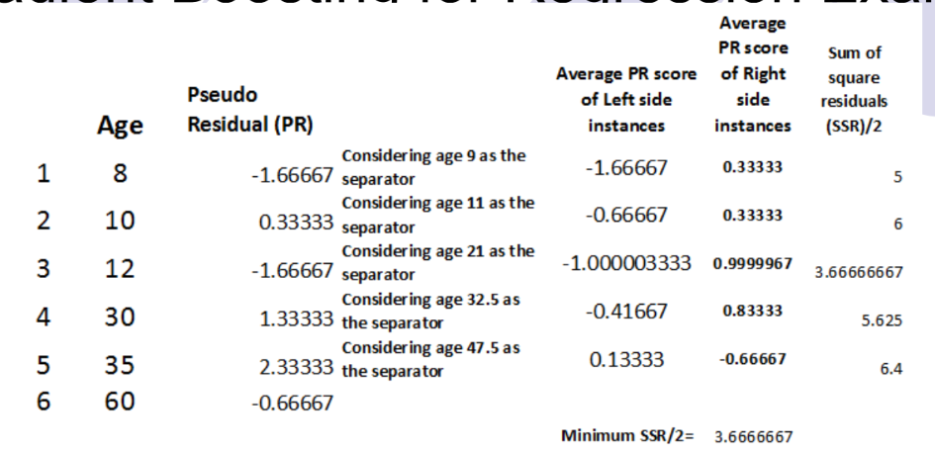
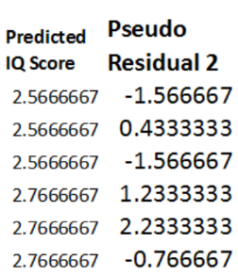
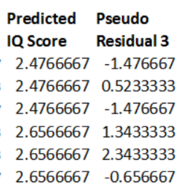
ACTUAL | AVG | PSEUDO RESIDUAL | LEFT | RIGHT | SSR/2 | PREDICT | P R 2 | LEFT | RIGHT | SSR/2 | PREDICT | P R 3 | LEFT | RIGHT | SSR/2
1 | 2.6666666667 | -1.6666666667 | -1.6666666667 | 0.33333333333 | 5 | 2.5666666667 | -1.5666666667 | -1.5666666667 | 0.31333333333 | 4.624 | 2.4766666667 | -1.4766666667 | -1.4766666667 | 0.29533333333 | 4.32664
3 | 2.6666666667 | 0.33333333333 | -0.66666666667 | 0.33333333333 | 6 | 2.5666666667 | 0.43333333333 | -0.56666666667 | 0.28333333333 | 5.615 | 2.4766666667 | 0.52333333333 | -0.47666666667 | 0.23833333333 | 5.29415
1 | 2.6666666667 | -1.6666666667 | -1 | 1 | 3.6666666667 | 2.5666666667 | -1.5666666667 | -0.9 | 0.9 | 3.6666666667 | 2.4766666667 | -1.4766666667 | -0.81 | 0.81 | 3.6666666667
4 | 2.6666666667 | 1.3333333333 | -0.41666666667 | 0.83333333333 | 5.625 | 2.7666666667 | 1.2333333333 | -0.36666666667 | 0.73333333333 | 5.29 | 2.8566666667 | 1.1433333333 | -0.32166666667 | 0.64333333333 | 5.01415
5 | 2.6666666667 | 2.3333333333 | 0.13333333333 | -0.66666666667 | 6.4 | 2.7666666667 | 2.2333333333 | 0.15333333333 | -0.76666666667 | 5.744 | 2.8566666667 | 2.1433333333 | 0.17133333333 | -0.85666666667 | 5.19464
2 | 2.6666666667 | -0.66666666667 |  |  |  | 2.7666666667 | -0.76666666667 |  |  |  | 2.8566666667 | -0.85666666667

