Location
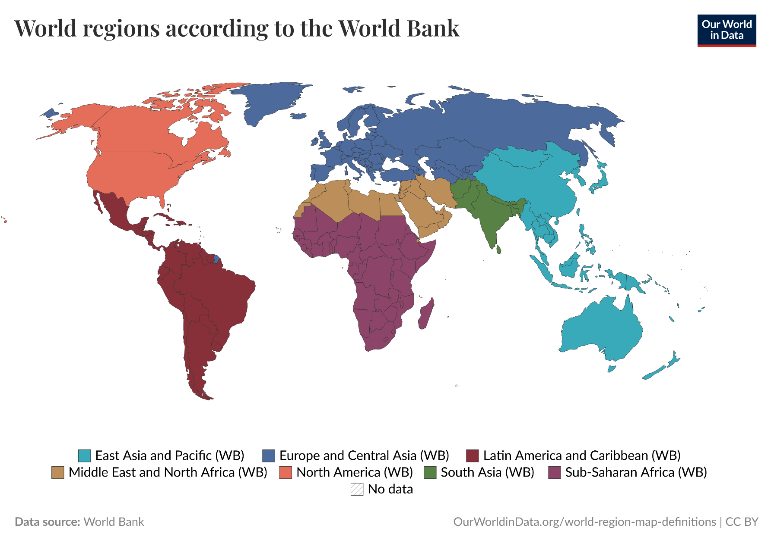
Location Abbreviation | Location Description | Reference
CH | Switzerland
ECA | Europe and Central Asia | https://ourworldindata.org/grapher/world-regions-according-to-the-world-bank
NAC | North America | https://ourworldindata.org/grapher/world-regions-according-to-the-world-bank
SAR | South Asia | https://ourworldindata.org/grapher/world-regions-according-to-the-world-bank
MENA | Middle East and North Africa | https://ourworldindata.org/grapher/world-regions-according-to-the-world-bank
SSA | Sub-Saharan Africa | https://ourworldindata.org/grapher/world-regions-according-to-the-world-bank
EAP | East Asia and Pacific | https://ourworldindata.org/grapher/world-regions-according-to-the-world-bank

