Sheet1
...
 | classic |  | strassen |  | combined
1 | 1 | 1 | 1 | 16 | 7872
2 | 12 | 2 | 25 | 32 | 59712
4 | 112 | 4 | 247 | 64 | 436416
8 | 960 | 8 | 2017 | 128 | 3128640
16 | 7936 | 16 | 15271 | 256 | 22195392
32 | 64512 | 32 | 111505 | 512 | 156547392
64 | 520192 | 64 | 798967 | 1024 | 1100550336
128 | 4177920 | 128 | 5666497 | 2048 | 7722726720
256 | 33488896 | 256 | 39960391 | 4096 | 54134584512
512 | 268173312 | 512 | 280902385 | 8192 | 379244081472
1024 | 2146435072 | 1024 | 1971035287 | 16384 | 2655916529856
2048 | 17175674880 | 2048 | 13816121377 | 32768 | 18596247547200
4096 | 137422176256 | 4096 | 96788347111 | 65536 | 130193060183232
8192 | 1099444518912 | 8192 | 677820419665 | 131072 | 911428730693952
16384 | 8795824586752 | 16384 | 4745950897207 | 262144 | 6.3803103525E+15
32768 | 70367670435840 | 32768 | 33226488118657 | 524288 | 4.4663409418E+16
65536 | 562945658454016 | 65536 | 232604744183431 | 1048576 | 3.1264881373E+17
131072 | 4.5035824475E+15 | 131072 | 1.6283105187E+15
262144 | 3.6028728299E+16 | 262144 | 1.1398482869E+16
524288 | 2.8823010127E+17 | 524288 | 7.979061703E+16
1048576 | 2.3058419097E+18 | 1048576 | 5.5853926701E+17
...
 |  | 5341 | 1072
 | 7872 |  | 8656
60160 | 59712 |  | 65200
439552 | 436416 |  | 474832
3150592 | 3128640 |  | 3397552
22349056 | 22195392 |  | 24077776
157623040 | 156547392 |  | 169724080
1108079872 | 1100550336 |  | 1192787152
7775433472 | 7722726720 |  | 8368384432
54503531776 | 54134584512 |  | 58654188496
381826712320 | 379244081472 |  | 410881309360
2673994945792 | 2655916529856 |  | 2877377125072
18722796458752 | 18596247547200 |  | 20146471713712
131078902564096 | 130193060183232 |  | 141044629348816
917629627360000 | 911428730693952 |  | 987389714853040
6.4237166292E+15 | 6.3803103525E+15 |  | 6.9120372416E+15
4.4967253355E+16 | 4.4663409418E+16 |  | 4.8385497642E+16
3.1477572129E+17 | 3.1264881373E+17 |  | 3.387034313E+17
2.2034498402E+18 | 2.1885614873E+18 |  | 2.3709438103E+18
1.5424228046E+19 | 1.5320009576E+19 |  | 1.6596685837E+19
1.0796991298E+20 | 1.0724038369E+20 |  | 1.1617711752E+20
7.5579065752E+20 | 7.5068395248E+20 |  | 8.1324108926E+20
5.2905396692E+21 | 5.2547927339E+21 |  | 5.6926926913E+21
3.7033797951E+22 | 3.6783569403E+22 |  | 3.9848869106E+22
...

v4
Dimension | Threshold | Runtime (s) |  | Dimension
1000 | 10 | 67 | Morton ordering | 1000 | 90 | 53.676199913
1000 | 15 | 67 | more efficient standard multiplication | 1250 | 50 | 102.05584526
1000 | 20 | 55 |  | 1500 | 80 | 162.2823379
1000 | 25 | 55 |  | 1750 | 75 | 254.65986371
1000 | 30 | 55 |  | 2000 | 110 | 375.84030485
1000 | 35 | 54
 | 1000 | 1250 | 1500 | 1750 | 2000
10 | 67 | 115 | 240 | 341 | 469
15 | 67 | 115 | 183 | 272 | 471
20 | 55 | 103 | 184 | 272 | 384
25 | 55 | 103 | 170 | 273 | 383
30 | 55 | 103 | 170 | 263 | 383
35 | 54 | 103 | 171 | 262 | 382
40 | 54 | 102 | 171 | 262 | 381
45 | 54 | 102 | 171 | 262 | 381
50 | 54 | 102 | 162 | 262 | 381
55 | 54 | 102 | 162 | 255 | 381
60 | 54 | 102 | 162 | 255 | 381
65 | 54 | 102 | 162 | 255 | 376
70 | 54 | 102 | 162 | 255 | 376
75 | 54 | 102 | 162 | 255 | 376
80 | 54 | 103 | 162 | 255 | 376
85 | 54 | 103 | 162 | 255 | 376
90 | 54 | 103 | 162 | 255 | 376
95 | 54 | 103 | 172 | 255 | 376
100 | 54 | 103 | 171 | 255 | 376
105 | 54 | 103 | 172 | 255 | 377
110 | 54 | 103 | 171 | 271 | 376
115 | 54 | 103 | 171 | 271 | 377
120 | 54 | 103 | 171 | 271 | 386
1000 | 40 | 54
1000 | 45 | 54
1000 | 50 | 54
1000 | 55 | 54
1000 | 60 | 54
1000 | 65 | 54
1000 | 70 | 54
1000 | 75 | 54
1000 | 80 | 54
1000 | 85 | 54
1000 | 90 | 54
1000 | 95 | 54
1000 | 100 | 54
1000 | 105 | 54
1000 | 110 | 54
1000 | 115 | 54
1000 | 120 | 54
1250 | 10 | 115
1250 | 15 | 115
1250 | 20 | 103
1250 | 25 | 103
1250 | 30 | 103
1250 | 35 | 103
1250 | 40 | 102
1250 | 45 | 102
1250 | 50 | 102
1250 | 55 | 102
1250 | 60 | 102
1250 | 65 | 102
1250 | 70 | 102
1250 | 75 | 102
1250 | 80 | 103
1250 | 85 | 103
1250 | 90 | 103
1250 | 95 | 103
1250 | 100 | 103
1250 | 105 | 103
1250 | 110 | 103
1250 | 115 | 103
...

v5
 | n=500 |  | n=1000 |  | n=1500 |  | n=2000
10 | 9.2 | 10 | 63.3 | 10 | 229.3 | 10 | 446.5
15 | 9.1 | 15 | 63.3 | 15 | 175.8 | 15 | 444.0
16 | 7.6 | 16 | 53.0 | 16 | 176.0 | 16 | 368.3
17 | 7.8 | 17 | 53.0 | 17 | 176.5 | 17 | 367.6
18 | 7.6 | 18 | 53.3 | 18 | 177.2 | 18 | 367.4
19 | 7.6 | 19 | 53.1 | 19 | 178.3 | 19 | 367.9
20 | 7.5 | 20 | 52.7 | 20 | 175.9 | 20 | 370.2
21 | 7.6 | 21 | 53.1 | 21 | 177.2 | 21 | 368.0
22 | 7.6 | 22 | 53.2 | 22 | 175.3 | 22 | 367.6
23 | 7.6 | 23 | 53.2 | 23 | 175.0 | 23 | 367.8
24 | 7.6 | 24 | 53.3 | 24 | 165.6 | 24 | 369.4
25 | 7.5 | 25 | 52.6 | 25 | 165.4 | 25 | 370.9
26 | 7.6 | 26 | 53.5 | 26 | 165.8 | 26 | 367.3
27 | 7.6 | 27 | 53.3 | 27 | 165.7 | 27 | 367.9
28 | 7.6 | 28 | 53.4 | 28 | 165.9 | 28 | 369.1
29 | 7.6 | 29 | 53.4 | 29 | 166.2 | 29 | 367.4
30 | 7.5 | 30 | 52.6 | 30 | 164.9 | 30 | 370.4
31 | 7.6 | 31 | 53.4 | 31 | 166.0 | 31 | 367.2
32 | 7.6 | 32 | 53.5 | 32 | 166.2 | 32 | 374.4
33 | 7.6 | 33 | 53.6 | 33 | 166.4 | 33 | 373.0
34 | 7.6 | 34 | 53.5 | 34 | 167.3 | 34 | 372.5
35 | 7.6 | 35 | 52.9 | 35 | 166.4 | 35 | 371.3
36 | 7.6 | 36 | 53.6 | 36 | 165.6 | 36 | 372.7
37 | 7.6 | 37 | 53.6 | 37 | 165.6 | 37 | 373.3
38 | 7.6 | 38 | 53.6 | 38 | 165.6 | 38 | 372.5
39 | 7.6 | 39 | 53.5 | 39 | 165.7 | 39 | 372.5
40 | 7.6 | 40 | 52.9 | 40 | 164.9 | 40 | 371.9
41 | 7.6 | 41 | 53.6 | 41 | 165.8 | 41 | 373.5
42 | 7.6 | 42 | 53.8 | 42 | 166.0 | 42 | 373.6
43 | 7.6 | 43 | 53.8 | 43 | 165.5 | 43 | 373.3
44 | 7.6 | 44 | 53.7 | 44 | 165.7 | 44 | 374.5
45 | 7.6 | 45 | 52.9 | 45 | 165.1 | 45 | 373.8
46 | 7.6 | 46 | 53.7 | 46 | 165.4 | 44 | 374.5
47 | 7.6 | 47 | 53.6 | 47 | 159.4 | 46 | 376.0
48 | 7.6 | 48 | 53.2 | 48 | 159.4 | 47 | 374.5
49 | 7.6 | 49 | 53.2 | 49 | 159.4 | 48 | 373.7
50 | 7.6 | 50 | 52.9 | 50 | 159.6 | 49 | 373.6
55 | 7.6 | 55 | 52.9 | 55 | 159.7 | 50 | 371.6
60 | 7.6 | 60 | 52.9 | 60 | 159.9 | 55 | 371.7
65 | 7.6 | 65 | 53.1 | 65 | 159.9 | 60 | 372.7
70 | 7.5 | 70 | 53.1 | 70 | 160.0 | 65 | 371.6
75 | 7.5 | 75 | 53.1 | 75 | 159.9 | 70 | 371.1
80 | 7.5 | 80 | 53.1 | 80 | 159.5 | 75 | 371.8
85 | 7.5 | 85 | 53.1 | 85 | 159.5 | 80 | 372.1
90 | 7.5 | 90 | 53.0 | 90 | 159.4 | 85 | 371.9
95 | 7.5 | 95 | 53.0 | 95 | 170.5 | 90 | 371.1
100 | 7.7 | 100 | 53.0 | 100 | 170.9 | 95 | 371.7
105 | 7.7 | 105 | 53.0 | 105 | 170.8 | 100 | 372.6
110 | 7.6 | 110 | 53.0 | 110 | 171.0 | 105 | 372.3
115 | 7.5 | 115 | 53.0 | 115 | 170.6 | 110 | 372.4
...
Runtime (s) |  |  | Dimension
9.2 |  |  | 500 | 25 | 7.53
9.1 |  |  | 1000 | 30 | 52.63
7.6 |  |  | 1500 | 49 | 159.36
7.8 |  |  | 2000 | 31 | 367.23
7.6
7.6
7.5
7.6
7.6
7.6
7.6
7.5
7.6 | 2048 | 2000 | 1500 | 1504
7.6 | 1024 | 1000 | 750 | 752
7.6 | 512 | 500 | 375 | 376
7.6 | 256 | 250 | 188 | 188
7.5 | 128 | 125 | 94 | 94
7.6 | 64 | 63 | 47 | 47
7.6 | 32 | 32
7.6
7.6
7.6
7.6
7.6
7.6
7.6
7.6
7.6
7.6
7.6
7.6
7.6
7.6
7.6
7.6
7.6
7.6
 | n=500
10 | 9.2
15 | 9.1
16 | 7.6
17 | 7.8
18 | 7.6
19 | 7.6
20 | 7.5
21 | 7.6
22 | 7.6
23 | 7.6
24 | 7.6
25 | 7.5
26 | 7.6
27 | 7.6
28 | 7.6
29 | 7.6
30 | 7.5
31 | 7.6
32 | 7.6
33 | 7.6
34 | 7.6
35 | 7.6
36 | 7.6
37 | 7.6
38 | 7.6
39 | 7.6
40 | 7.6
41 | 7.6
42 | 7.6
43 | 7.6
44 | 7.6
45 | 7.6
46 | 7.6
47 | 7.6
48 | 7.6
49 | 7.6
50 | 7.6
55 | 7.6
60 | 7.6
65 | 7.6
70 | 7.5
75 | 7.5
80 | 7.5
85 | 7.5
90 | 7.5
95 | 7.5
100 | 7.7
105 | 7.7
110 | 7.6
115 | 7.5
...
7.6
7.6
7.6
7.5
7.5
7.5
7.5
7.5
7.5
...
 | n=1000
10 | 63.3
15 | 63.3
16 | 53.0
17 | 53.0
18 | 53.3
19 | 53.1
20 | 52.7
21 | 53.1
22 | 53.2
23 | 53.2
24 | 53.3
25 | 52.6
26 | 53.5
27 | 53.3
28 | 53.4
29 | 53.4
30 | 52.6
31 | 53.4
32 | 53.5
33 | 53.6
34 | 53.5
35 | 52.9
36 | 53.6
37 | 53.6
38 | 53.6
39 | 53.5
40 | 52.9
41 | 53.6
42 | 53.8
43 | 53.8
44 | 53.7
45 | 52.9
46 | 53.7
47 | 53.6
48 | 53.2
49 | 53.2
50 | 52.9
55 | 52.9
60 | 52.9
65 | 53.1
70 | 53.1
75 | 53.1
80 | 53.1
85 | 53.1
90 | 53.0
95 | 53.0
100 | 53.0
105 | 53.0
110 | 53.0
115 | 53.0
...
...
 | n=1500
10 | 229.3
15 | 175.8
16 | 176.0
17 | 176.5
18 | 177.2
19 | 178.3
20 | 175.9
21 | 177.2
22 | 175.3
23 | 175.0
24 | 165.6
25 | 165.4
26 | 165.8
27 | 165.7
28 | 165.9
29 | 166.2
30 | 164.9
31 | 166.0
32 | 166.2
33 | 166.4
34 | 167.3
35 | 166.4
36 | 165.6
37 | 165.6
38 | 165.6
39 | 165.7
40 | 164.9
41 | 165.8
42 | 166.0
43 | 165.5
44 | 165.7
45 | 165.1
46 | 165.4
47 | 159.4
48 | 159.4
49 | 159.4
50 | 159.6
55 | 159.7
60 | 159.9
65 | 159.9
70 | 160.0
75 | 159.9
80 | 159.5
85 | 159.5
90 | 159.4
95 | 170.5
100 | 170.9
105 | 170.8
110 | 171.0
115 | 170.6
...
...
 | n=2000
10 | 446.5
15 | 444.0
16 | 368.3
17 | 367.6
18 | 367.4
19 | 367.9
20 | 370.2
21 | 368.0
22 | 367.6
23 | 367.8
24 | 369.4
25 | 370.9
26 | 367.3
27 | 367.9
28 | 369.1
29 | 367.4
30 | 370.4
31 | 367.2
32 | 374.4
33 | 373.0
34 | 372.5
35 | 371.3
36 | 372.7
37 | 373.3
38 | 372.5
39 | 372.5
40 | 371.9
41 | 373.5
42 | 373.6
43 | 373.3
44 | 374.5
45 | 373.8
44 | 374.5
46 | 376.0
47 | 374.5
48 | 373.7
49 | 373.6
50 | 371.6
55 | 371.7
60 | 372.7
65 | 371.6
70 | 371.1
75 | 371.8
80 | 372.1
85 | 371.9
90 | 371.1
95 | 371.7
100 | 372.6
105 | 372.3
110 | 372.4
...
 | n=2000 |  | Row Major
10 | 446.5 | 10 | 602.97704697
15 | 444.0 | 15 | 605.32993293
16 | 368.3 | 20 | 470.85595489
17 | 367.6 | 25 | 470.33380198
18 | 367.4 | 30 | 470.18506193
19 | 367.9 | 35 | 420.88190675
20 | 370.2 | 40 | 422.36311793
21 | 368.0 | 45 | 423.12724876
22 | 367.6 | 50 | 423.33943081
23 | 367.8 | 55 | 423.95376897
24 | 369.4 | 60 | 424.05276179
25 | 370.9 | 65 | 401.11830711
26 | 367.3 | 70 | 401.18477106
27 | 367.9 | 75 | 400.66841221
28 | 369.1 | 80 | 400.90959477
29 | 367.4 | 85 | 400.84918618
30 | 370.4 | 90 | 400.96141386
31 | 367.2 | 95 | 400.62508106
32 | 374.4 | 100 | 401.03116608
33 | 373.0
34 | 372.5
35 | 371.3
36 | 372.7
37 | 373.3
38 | 372.5
39 | 372.5
40 | 371.9
41 | 373.5
42 | 373.6
43 | 373.3
44 | 374.5
45 | 373.8
44 | 374.5
46 | 376.0
47 | 374.5
48 | 373.7
49 | 373.6
50 | 371.6
55 | 371.7
60 | 372.7
65 | 371.6
70 | 371.1
75 | 371.8
80 | 372.1
85 | 371.9
90 | 371.1
95 | 371.7
100 | 372.6
105 | 372.3
110 | 372.4
...
 |  |  | Dimension
 |  |  |  |  |  | 2000 | 10 | 602.97704697
 |  |  |  |  |  | 2000 | 15 | 605.32993293
 |  |  |  |  |  | 2000 | 20 | 470.85595489
 |  |  |  |  |  | 2000 | 25 | 470.33380198
 |  |  |  |  |  | 2000 | 30 | 470.18506193
 |  |  |  |  |  | 2000 | 35 | 420.88190675
 |  |  |  |  |  | 2000 | 40 | 422.36311793
 |  |  |  |  |  | 2000 | 45 | 423.12724876
 |  |  |  |  |  | 2000 | 50 | 423.33943081
 |  |  |  |  |  | 2000 | 55 | 423.95376897
 |  |  |  |  |  | 2000 | 60 | 424.05276179
 |  |  |  |  |  | 2000 | 65 | 401.11830711
 |  |  |  |  |  | 2000 | 70 | 401.18477106
 |  |  |  |  |  | 2000 | 75 | 400.66841221
 |  |  |  |  |  | 2000 | 80 | 400.90959477
 |  |  |  |  |  | 2000 | 85 | 400.84918618
 |  |  |  |  |  | 2000 | 90 | 400.96141386
 |  |  |  |  |  | 2000 | 95 | 400.62508106
 |  |  |  |  |  | 2000 | 100 | 401.03116608
...

Morton_vs_Conv
Morton Order vs Row Major Order
 |  | Conv | Morton
1000 | 10 | 83 | 63
1000 | 15 | 83 | 63
1000 | 20 | 65 | 53
1000 | 25 | 65 | 53
1000 | 30 | 65 | 53
1000 | 35 | 59 | 53
1000 | 40 | 59 | 53
1000 | 45 | 59 | 53
1000 | 50 | 59 | 53
1000 | 55 | 59 | 53
1000 | 60 | 59 | 53
1000 | 65 | 56 | 53
1000 | 70 | 56 | 53
1000 | 75 | 56 | 53
1000 | 80 | 56 | 53
1000 | 85 | 56 | 53
1000 | 90 | 56 | 53
1000 | 95 | 56 | 53
1000 | 100 | 56 | 53
2000 | 10 | 603 | 446
2000 | 15 | 605 | 444
2000 | 20 | 471 | 370
2000 | 25 | 470 | 371
2000 | 30 | 470 | 370
2000 | 35 | 421 | 371
2000 | 40 | 422 | 372
2000 | 45 | 423 | 374
2000 | 50 | 423 | 372
2000 | 55 | 424 | 372
2000 | 60 | 424 | 373
2000 | 65 | 401 | 372
2000 | 70 | 401 | 371
2000 | 75 | 401 | 372
2000 | 80 | 401 | 372
2000 | 85 | 401 | 372
2000 | 90 | 401 | 371
2000 | 95 | 401 | 372
2000 | 100 | 401 | 373

Morton
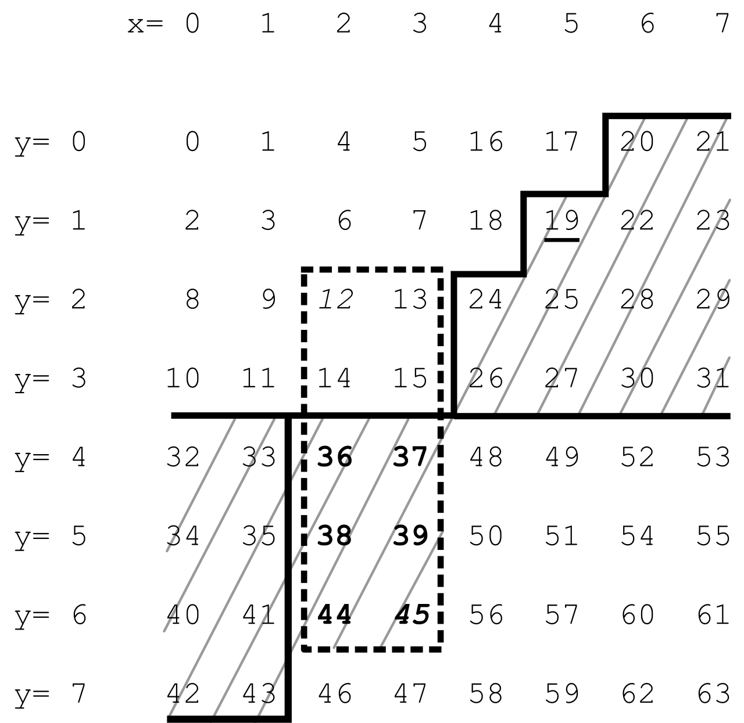
22
24
30
32
...

