контрольные
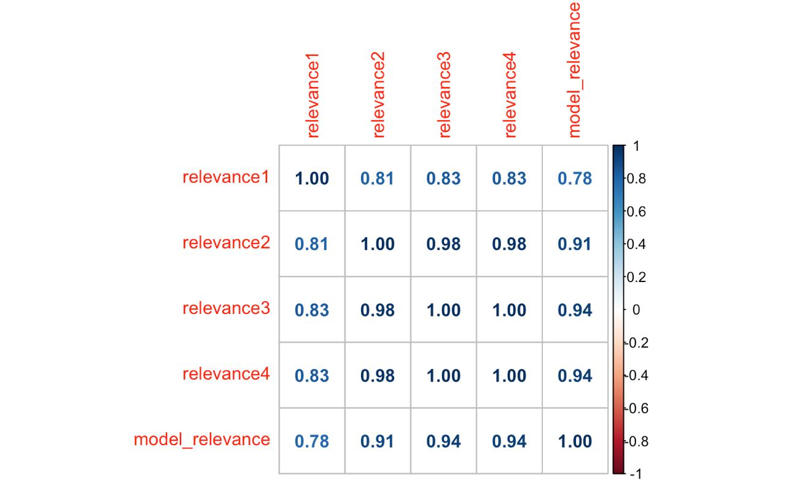
comparison | arguments | relevance | relevance | relevance | relevance | var | mean | (supposed) relevance | tau Kendall
Canon vs Nikon | Canon service is significantly better and faster than Nikon service. | 2 | 3 | 3 | 3 | 0.25 | 2.75 | 3 | relevance1 relevance2 relevance3 relevance4 model_relevance
Ceramic knives vs Steel knives | Ceramic knives keep their edge much better than steel knives, and with that comes an almost surgical precision. | 3 | 3 | 3 | 3 | 0 | 3 | 3 | relevance1 1.0000000 0.8075364 0.8330779 0.8330779 0.7800767
Cow milk vs Goat milk | Goat milk is better than cow milk. | 2 | 2 | 2 | 2 | 0 | 2 | 2 | relevance2 0.8075364 1.0000000 0.9776378 0.9776378 0.9078551
Snowboarding vs Skiing | "Skiing is worse than snowboarding," she said.' | 0 | 2 | 2 | 2 | 1 | 1.5 | 2 | relevance3 0.8330779 0.9776378 1.0000000 1.0000000 0.9365696
IBM vs Dell | IBM does make better notebooks than Dell anytime, but that’s a personal opinion. | 2 | 2 | 2 | 2 | 0 | 2 | 2 | relevance4 0.8330779 0.9776378 1.0000000 1.0000000 0.9365696
The Family Guy vs The Simpsons | I think "The Family Guy" is better than "The Simpsons" | 2 | 2 | 2 | 2 | 0 | 2 | 2 | model_relevance 0.7800767 0.9078551 0.9365696 0.9365696 1.0000000
PHP vs Java | The point there is not that I could say that "C++ is faster than Java" because my program returned instantly while the Java version ran for minutes (and hoping nobody noticed my program took a half hour to build.) | 1 | 1 | 1 | 1 | 0 | 1 | 1
Python vs R | Well I actually found it easier to install Erlang than Python. | 1 | 0 | 1 | 1 | 0.25 | 0.75 | 1 | krippendorff.alpha | 0.88888067925
IELTS vs TOEFL | In this case, you will have to pass IELTS, not TOEFL | 0 | 0 | 0 | 0 | 0 | 0 | 0 | fleiss_kappa | 0.81214574899
IELTS vs TOEFL | Instead of TOEFL you have to pass IELTS, another exam, which is accepted in British Universities | 0 | 0 | 0 | 0 | 0 | 0 | 0
Cement vs Concrete | Constructed of cement and jute fiber, this NativeStone™ sink is lighter and more attractive than standard concrete . | 2 | 3 | 3 | 3 | 0.25 | 2.75 | 3
Apple vs IBM | IBM has G3 chips much faster than anything Apple is allowed to sell due to a licensing agreement between Apple, IBM, and Motorolla. | 2 | 3 | 3 | 3 | 0.25 | 2.75 | 3
Football vs Hockey | Hockey is probably a lot worse than football, given the presence of harder surfaces, sticks, hard pucks, blades, and the speed achieved on skates. | 2 | 3 | 3 | 3 | 0.25 | 2.75 | 3
Firefox vs Internet Explorer 7 | Firefox is a faster, easier, and safer browser than Internet Explorer 7. | 3 | 3 | 3 | 3 | 0 | 3 | 3
Adidas vs Nike | I wear Nike shirts cause i like theirs better than Adidas | 2 | 2 | 2 | 2 | 0 | 2 | 3
Adidas vs Nike | No wonder why people say adidas is better than Nike | 2 | 2 | 2 | 2 | 0 | 2 | 2
Football vs Hockey | Football is sooooooo much better than Hockey. | 2 | 2 | 2 | 2 | 0 | 2 | 2
Cats vs Dogs | On the other hand, dogs are superior to cats in every way and if you don't agree, well then, good luck with your empty life without a soul. | 2 | 2 | 2 | 2 |  |  | 2
White sugar vs Artificial sweeteners | "I think artificial sweeteners are worse than white sugar”, says Cruise | 0 | 2 | 2 | 2 | 0 | 2 | 2
Nixon vs Reagan | Later, when Reagan came to power, I kept thinking, my God, he's worse than Nixon. | 2 | 2 | 2 | 2 | 0 | 1 | 2
NetBeans vs Eclipse | BTW, I must say that NetBeans has several performance problems, so I rather did some easier refactoring by hand | 1 | 1 | 1 | 1 | 0 | 1 | 1
Kids vs Adults | Kids figure these things out fast and internalize them with those crazy-flexible brains of theirs. | 1 | 1 | 1 | 1 | 0 | 1 | 1
Aspirin vs Ibuprofen | Acetaminophen or aspirin are safer alternatives to manage pain than relying on ones like naproxen, which can increase the risk of heart attack or stroke. | 1 | 1 | 1 | 1 | 0.25 | 0.75 | 1
Nixon vs Reagan | Nixon was probably smart but Nixon was troubled by unfair criticism | 0 | 1 | 1 | 1 | 0 | 1 | 1
Python vs R | However, python looks nicer and in many ways is actually much simpler and for many tasks much easier than php. | 1 | 1 | 1 | 1 | 0 | 1 | 1
IPod vs a cell phone | Much better than an iPod/iPhone. | 1 | 1 | 1 | 1 | 0 | 1 | 0
Boeing vs Airbus | Much better than Boeing 737 | 1 | 1 | 1 | 1 | 0 | 0 | 0
Snowboarding vs Skiing | I’ve never done skiing but I’m quite good at snowboarding | 0 | 0 | 0 | 0 | 0 | 0 | 0
PHP vs Python | Which is roughly 9 times (900%) faster than Perl, and only 3 times (300%) slower than C++. | 0 | 0 | 0 | 0 | 0 | 0 | 0
Football vs Hockey | Do your research, softball requires greater hand eye coordination than baseball. | 0 | 0 | 0 | 0 |  |  | 0

