Tabelle1
Which tool to view the data on the desktop PC?

Tool | Contra | Pro
Excel | no comfort for zooming
Matlab | expensive |  | https://help.pokitmeter.com/hc/en-us/community/posts/360029446713-Oscilloscope-Data-Format
Octave | matlab like difficult to handle | free | https://octave.org/
Teraplot | Licence cost 280 Euro |  | https://www.teraplot.com/
Teraplot LT | in-app purchase is required if you wish to save project files. |  | https://www.teraplot.com/lt
Saleae Logic 2 | data format not public | intuitive, fast, free
matplotlib (python)
gnuplot
LabPlot |  | free, open-source, and cross-platform | 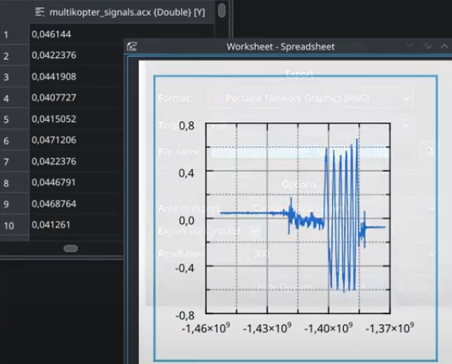 https://labplot.kde.org/
SciDAVis
PulseView (sigrok) |  | free, open-source, and cross-platform. Reads many formats, also csv. | 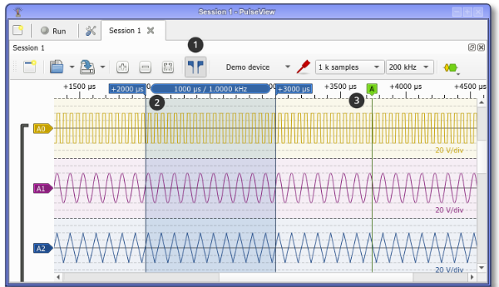 https://sigrok.org/doc/pulseview/unstable/manual.html

