Tabelle1
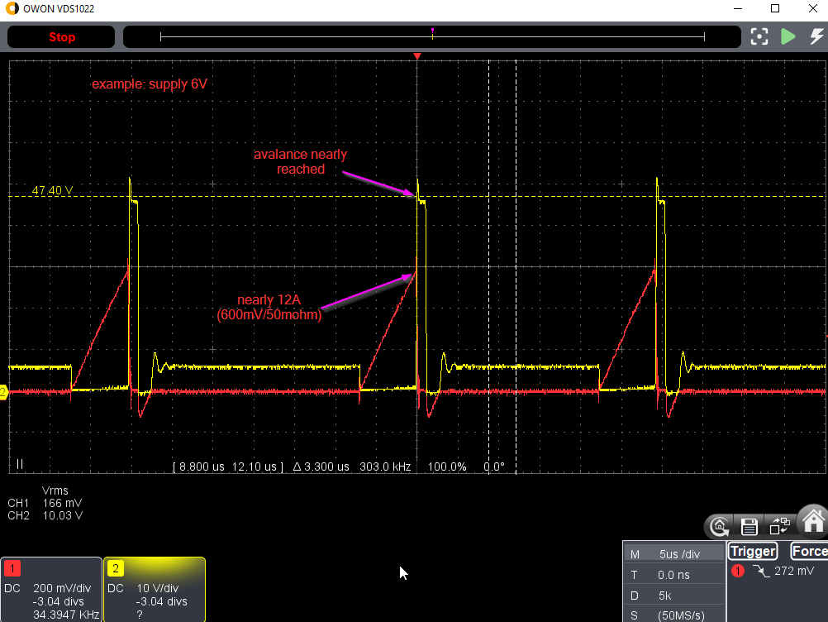
With "Level 5: The stray inductance", three measures implemented:
 |  | 1. three primary windings in parallel (each with N=2)
 |  | 2. 10nF + 10 ohm damping
 |  | 3. D + (100nF || 12k) spike-smoothing
 | U_in [V] |  | 6 | 5.6 | 5.1 | 4.5 | 4 | 3
 | I_in [A] |  | 1.47 | 1.38 | 1.25 | 1.1 | 0.97 | 0.74
 | P_in [W] |  | 8.82 | 7.728 | 6.375 | 4.95 | 3.88 | 2.22

 | U_out [V] |  | 665 | 641 | 588 | 525 | 469 | 359
 | R_load [kOhm] |  | 100 | 100 | 100 | 100 | 100 | 100
 | I_out [mA] |  | 6.65 | 6.41 | 5.88 | 5.25 | 4.69 | 3.59
 | P_out[W] |  | 4.42 | 4.11 | 3.46 | 2.76 | 2.20 | 1.29

 | P_loss [W] |  | 4.40 | 3.62 | 2.92 | 2.19 | 1.68 | 0.93
 | efficiency |  | 0.50 | 0.53 | 0.54 | 0.56 | 0.57 | 0.58

With "Level 6: The gate driver"
 | 7 gates of 74HC08 in parallel, to drive the FET.
 | Before |  |  |  |  |  |  |  | After
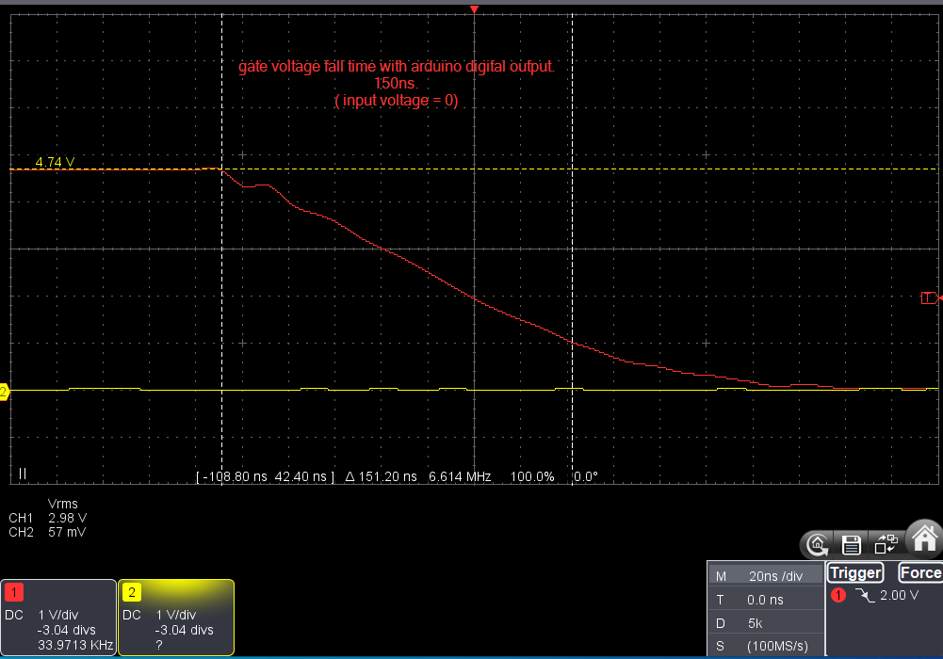
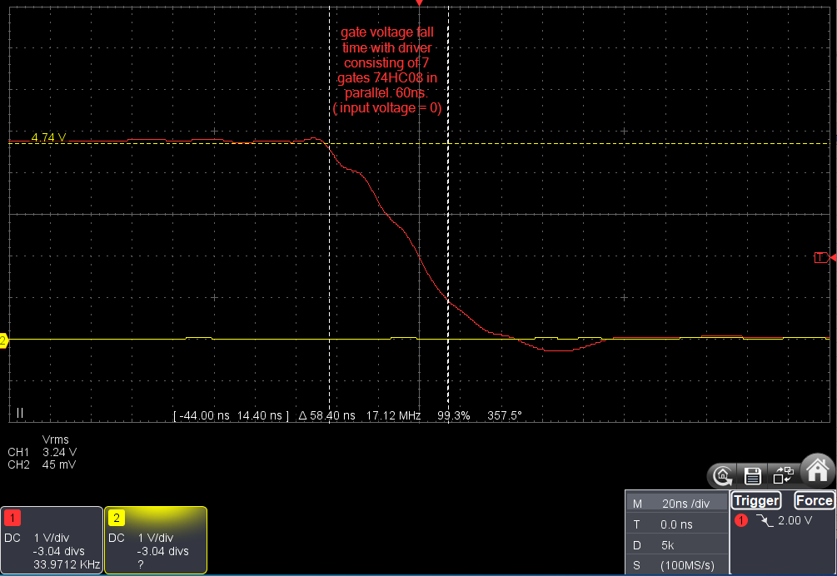

 | U_in [V] |  | 5.3 | 5 | 4 | 3 | 2.5 | 2
 | I_in [A] |  | 1.27 | 1.21 | 0.97 | 0.74 | 0.62 | 0.49
 | P_in [W] |  | 6.731 | 6.05 | 3.88 | 2.22 | 1.55 | 0.98

 | U_out [V] |  | 600 | 570 | 457 | 347 | 290 | 227
 | R_load [kOhm] |  | 100 | 100 | 100 | 100 | 100 | 100
 | I_out [mA] |  | 6 | 5.7 | 4.57 | 3.47 | 2.9 | 2.27
 | P_out[W] |  | 3.60 | 3.25 | 2.09 | 1.20 | 0.84 | 0.52

 | P_loss [W] |  | 3.13 | 2.80 | 1.79 | 1.02 | 0.71 | 0.46
 | efficiency |  | 0.53 | 0.54 | 0.54 | 0.54 | 0.54 | 0.53

 | Conclusion: The edges are sharper by ~factor 2. The efficiency stays the same. There is nearly no heating of the FET.

With "Level 7: Voltage regulation"
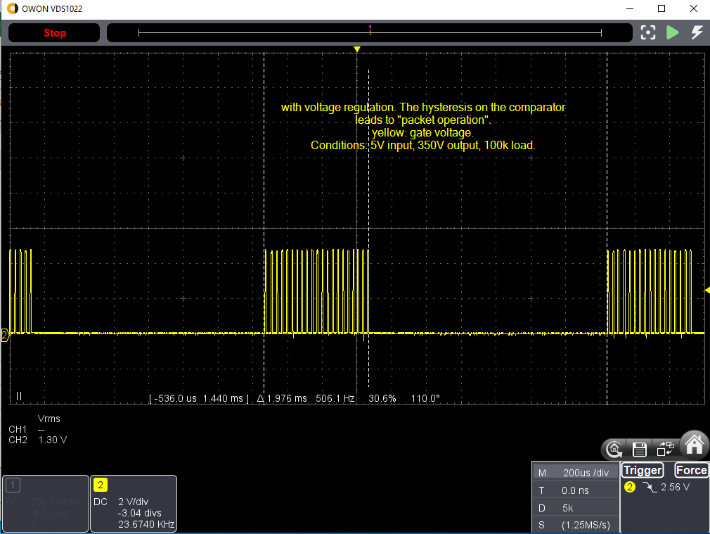

 | U_in [V] |  | 6 | 5 | 4.5 | 4 | 3.5 | 3 | 2.5
 | I_in [A] |  | 0.32 | 0.39 | 0.45 | 0.5 | 0.61 | 0.73 | 0.62
 | P_in [W] |  | 1.92 | 1.95 | 2.025 | 2 | 2.135 | 2.19 | 1.55

 | U_out [V] |  | 350 | 350 | 350 | 350 | 350 | 346 | 292
 | R_load [kOhm] |  | 100 | 100 | 100 | 100 | 100 | 100 | 100
 | I_out [mA] |  | 3.5 | 3.5 | 3.5 | 3.5 | 3.5 | 3.46 | 2.92
 | P_out[W] |  | 1.23 | 1.23 | 1.23 | 1.23 | 1.23 | 1.20 | 0.85

 | P_loss [W] |  | 0.69 | 0.73 | 0.80 | 0.77 | 0.91 | 0.99 | 0.70
 | efficiency |  | 0.64 | 0.63 | 0.60 | 0.61 | 0.57 | 0.55 | 0.55

