Tabelle1
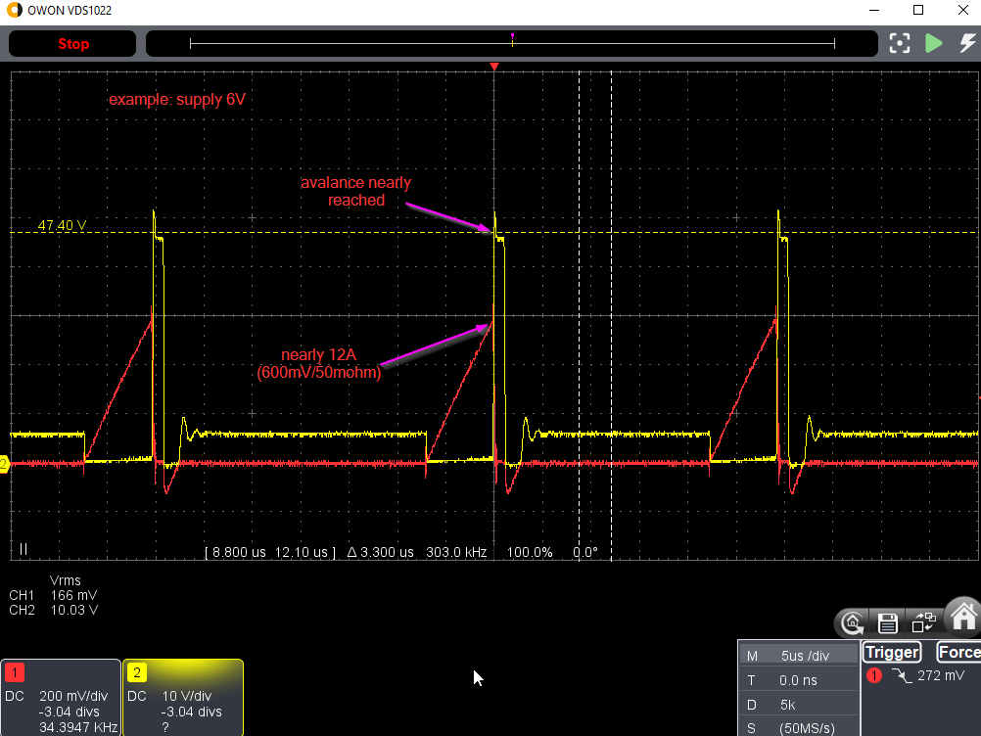
With "Level 5: The stray inductance", three measures implemented:
 |  | 1. three primary windings in parallel (each with N=2)
 |  | 2. 10nF + 10 ohm damping
 |  | 3. D + (100nF || 12k) spike-smoothing
 | U_in [V] |  | 6 | 5.6 | 5.1 | 4.5 | 4 | 3
 | I_in [A] |  | 1.47 | 1.38 | 1.25 | 1.1 | 0.97 | 0.74
 | P_in [W] |  | 8.82 | 7.728 | 6.375 | 4.95 | 3.88 | 2.22

 | U_out [V] |  | 665 | 641 | 588 | 525 | 469 | 359
 | R_load [kOhm] |  | 100 | 100 | 100 | 100 | 100 | 100
 | I_out [mA] |  | 6.65 | 6.41 | 5.88 | 5.25 | 4.69 | 3.59
 | P_out[W] |  | 4.42 | 4.11 | 3.46 | 2.76 | 2.20 | 1.29

 | P_loss [W] |  | 4.40 | 3.62 | 2.92 | 2.19 | 1.68 | 0.93
 | efficiency |  | 0.50 | 0.53 | 0.54 | 0.56 | 0.57 | 0.58

With "Level 6: The gate driver"
 | 7 gates of 74HC08 in parallel, to drive the FET.
 | Before |  |  |  |  |  |  |  | After
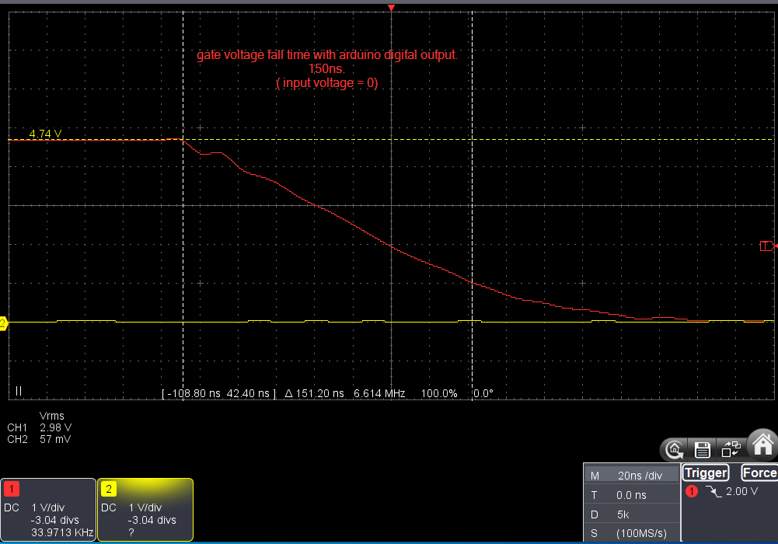
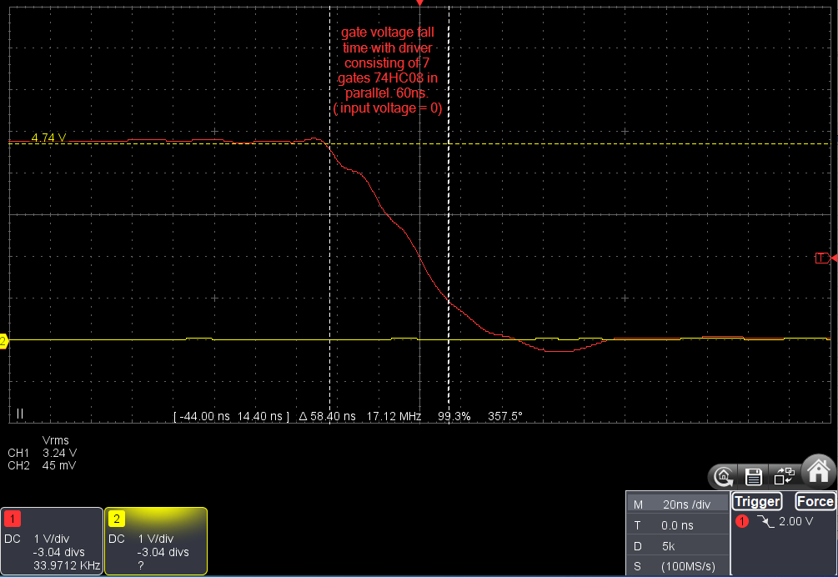

 | U_in [V] |  | 5.3 | 5 | 4 | 3 | 2.5 | 2
 | I_in [A] |  | 1.27 | 1.21 | 0.97 | 0.74 | 0.62 | 0.49
 | P_in [W] |  | 6.731 | 6.05 | 3.88 | 2.22 | 1.55 | 0.98

 | U_out [V] |  | 600 | 570 | 457 | 347 | 290 | 227
 | R_load [kOhm] |  | 100 | 100 | 100 | 100 | 100 | 100
 | I_out [mA] |  | 6 | 5.7 | 4.57 | 3.47 | 2.9 | 2.27
 | P_out[W] |  | 3.60 | 3.25 | 2.09 | 1.20 | 0.84 | 0.52

 | P_loss [W] |  | 3.13 | 2.80 | 1.79 | 1.02 | 0.71 | 0.46
 | efficiency |  | 0.53 | 0.54 | 0.54 | 0.54 | 0.54 | 0.53

 | Conclusion: The edges are sharper by ~factor 2. The efficiency stays the same. There is nearly no heating of the FET.

With "Level 7: Voltage regulation"
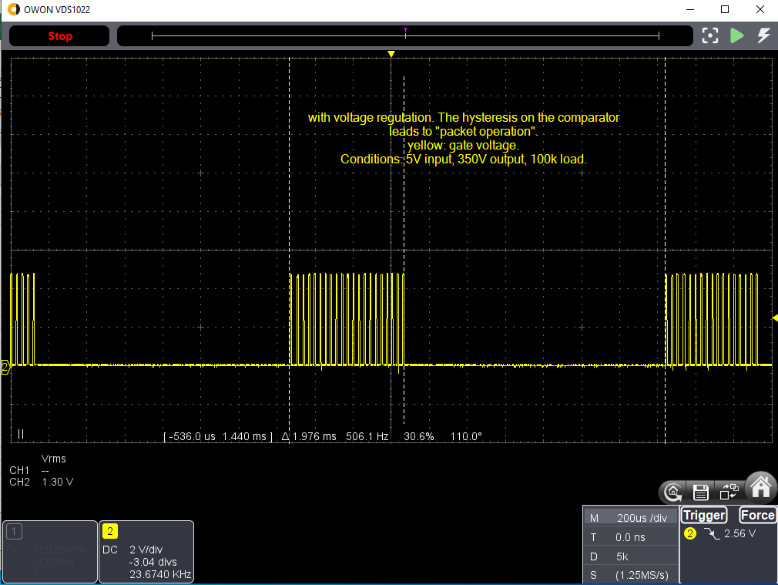

 | U_in [V] |  | 6 | 5 | 4.5 | 4 | 3.5 | 3 | 2.5
 | I_in [A] |  | 0.32 | 0.39 | 0.45 | 0.5 | 0.61 | 0.73 | 0.62
 | P_in [W] |  | 1.92 | 1.95 | 2.025 | 2 | 2.135 | 2.19 | 1.55

 | U_out [V] |  | 350 | 350 | 350 | 350 | 350 | 346 | 292
 | R_load [kOhm] |  | 100 | 100 | 100 | 100 | 100 | 100 | 100
 | I_out [mA] |  | 3.5 | 3.5 | 3.5 | 3.5 | 3.5 | 3.46 | 2.92
 | P_out[W] |  | 1.23 | 1.23 | 1.23 | 1.23 | 1.23 | 1.20 | 0.85

 | P_loss [W] |  | 0.69 | 0.73 | 0.80 | 0.77 | 0.91 | 0.99 | 0.70
 | efficiency |  | 0.64 | 0.63 | 0.60 | 0.61 | 0.57 | 0.55 | 0.55

With regulation to 400V

 | U_in [V] |  | 6 | 5 | 4.5 | 4 | 3.5 | 3 | 2.5
 | I_in [A] |  | 0.42 | 0.51 | 0.58 | 0.69 | 0.84 | 0.73 | 0.61
 | P_in [W] |  | 2.52 | 2.55 | 2.61 | 2.76 | 2.94 | 2.19 | 1.525

 | U_out [V] |  | 400 | 400 | 400 | 400 | 400 | 348 | 288
 | R_load [kOhm] |  | 100 | 100 | 100 | 100 | 100 | 100 | 100
 | I_out [mA] |  | 4 | 4 | 4 | 4 | 4 | 3.48 | 2.88
 | P_out[W] |  | 1.60 | 1.60 | 1.60 | 1.60 | 1.60 | 1.21 | 0.83

 | P_loss [W] |  | 0.92 | 0.95 | 1.01 | 1.16 | 1.34 | 0.98 | 0.70
 | efficiency |  | 0.63 | 0.63 | 0.61 | 0.58 | 0.54 | 0.55 | 0.54

with thick wires |  |  |  |  |  |  |  |  |  | shunt bridged
 | U_in [V] |  | 6 | 5 | 4.5 | 4 | 3.5 | 3 | 2.5 | 5
 | I_in [A] |  | 0.42 | 0.51 | 0.58 | 0.69 | 0.79 | 0.96 | 0.8 | 0.45
 | P_in [W] |  | 2.52 | 2.55 | 2.61 | 2.76 | 2.765 | 2.88 | 2 | 2.25

 | U_out [V] |  | 400 | 400 | 400 | 400 | 400 | 393 | 328 | 400
 | R_load [kOhm] |  | 100 | 100 | 100 | 100 | 100 | 100 | 100 | 100
 | I_out [mA] |  | 4 | 4 | 4 | 4 | 4 | 3.93 | 3.28 | 4
 | P_out[W] |  | 1.60 | 1.60 | 1.60 | 1.60 | 1.60 | 1.54 | 1.08 | 1.60

 | P_loss [W] |  | 0.92 | 0.95 | 1.01 | 1.16 | 1.17 | 1.34 | 0.92 | 0.65
 | efficiency |  | 0.63 | 0.63 | 0.61 | 0.58 | 0.58 | 0.54 | 0.54 | 0.71

 | Conclusion: No change. The wires are not the source of the loss.

reduce the on-time from 7µs to 3µs (because this causes less current)
 | U_in [V] |  | 6 | 5 | 4.5 | 4 | 3.5 | 3 | 2.5
 | I_in [A] |  | 0.46 | 0.42 | 0.38 | 0.34 | 0.3 | 0.26 | 0.21
 | P_in [W] |  | 2.76 | 2.1 | 1.71 | 1.36 | 1.05 | 0.78 | 0.525

 | U_out [V] |  | 400 | 349 | 312 | 280 | 244 | 211 | 174
 | R_load [kOhm] |  | 100 | 100 | 100 | 100 | 100 | 100 | 100
 | I_out [mA] |  | 4 | 3.49 | 3.12 | 2.8 | 2.44 | 2.11 | 1.74
 | P_out[W] |  | 1.60 | 1.22 | 0.97 | 0.78 | 0.60 | 0.45 | 0.30

 | P_loss [W] |  | 1.16 | 0.88 | 0.74 | 0.58 | 0.45 | 0.33 | 0.22
 | efficiency |  | 0.58 | 0.58 | 0.57 | 0.58 | 0.57 | 0.57 | 0.58

 | Conclusion: less output voltage. Less efficiency at high input voltage. Better efficiency on lower input voltage

increase on-time from 7µs to 10µs
 | U_in [V] |  | 6 | 5 | 4.5 | 4 | 3.5 | 3 | 2.5
 | I_in [A] |  | 0.45 | 0.53 | 0.59 | 0.67 | 0.79 | 0.97 | 1.29
 | P_in [W] |  | 2.7 | 2.65 | 2.655 | 2.68 | 2.765 | 2.91 | 3.225

 | U_out [V] |  | 400 | 400 | 400 | 400 | 400 | 400 | 400
 | R_load [kOhm] |  | 100 | 100 | 100 | 100 | 100 | 100 | 100
 | I_out [mA] |  | 4 | 4 | 4 | 4 | 4 | 4 | 4
 | P_out[W] |  | 1.60 | 1.60 | 1.60 | 1.60 | 1.60 | 1.60 | 1.60

 | P_loss [W] |  | 1.10 | 1.05 | 1.05 | 1.08 | 1.17 | 1.31 | 1.63
 | efficiency |  | 0.59 | 0.60 | 0.60 | 0.60 | 0.58 | 0.55 | 0.50

 | Conclusion: Higher output with small input. Less efficiency.

