Tabelle1
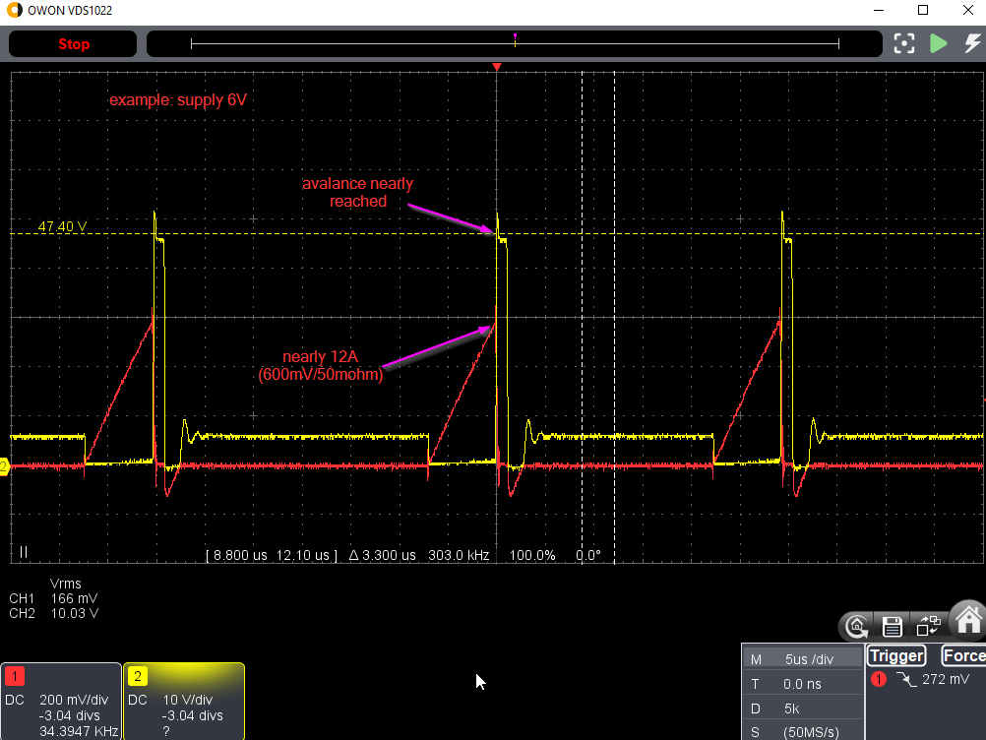
With "Level 5: The stray inductance", three measures implemented:
 |  | 1. three primary windings in parallel (each with N=2)
 |  | 2. 10nF + 10 ohm damping
 |  | 3. D + (100nF || 12k) spike-smoothing
 | U_in [V] |  | 6 | 5.6 | 5.1 | 4.5 | 4 | 3
 | I_in [A] |  | 1.47 | 1.38 | 1.25 | 1.1 | 0.97 | 0.74
 | P_in [W] |  | 8.82 | 7.728 | 6.375 | 4.95 | 3.88 | 2.22

 | U_out [V] |  | 665 | 641 | 588 | 525 | 469 | 359
 | R_load [kOhm] |  | 100 | 100 | 100 | 100 | 100 | 100
 | I_out [mA] |  | 6.65 | 6.41 | 5.88 | 5.25 | 4.69 | 3.59
 | P_out[W] |  | 4.42 | 4.11 | 3.46 | 2.76 | 2.20 | 1.29

 | P_loss [W] |  | 4.40 | 3.62 | 2.92 | 2.19 | 1.68 | 0.93
 | efficiency |  | 0.50 | 0.53 | 0.54 | 0.56 | 0.57 | 0.58

