ESG Overview
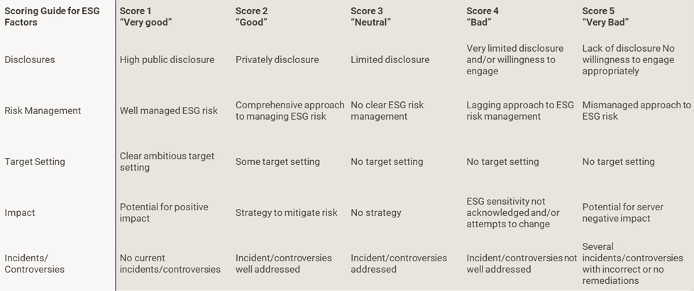
Capital Four - Internal ESG Score

ESG Score | Portfolio
C4 ESG Score | 2.52
Environmental | 2.24
Social | 2.53
Governance | 2.91

* The C4 ESG score is a product of the underlying E, S and G subscores in addition to a general ESG assessment of the issuers sustainability awareness, Industry and country ESG risk.

Capital Four - Internal ESG Scores (Industry)
Industry | C4 ESG Score | Environmental | Social | Governance
Automotive | 2.53 | 2.00 | 2.33 | 2.66
Banks | 2.39 | 2.11 | 2.39 | 2.79
Basic Industry | 2.48 | 2.21 | 2.24 | 2.30
Capital Goods | 2.36 | 2.26 | 2.26 | 2.91
Consumer Goods | 2.56 | 2.10 | 2.33 | 2.70
Financial Services | 2.36 | 1.78 | 2.18 | 2.74
Healthcare | 2.69 | 2.56 | 2.64 | 3.00
Insurance | 2.44 | 2.27 | 2.55 | 2.76
Leisure | 2.58 | 2.50 | 3.00 | 2.50
Media | 2.62 | 2.31 | 2.55 | 3.24
Real Estate | 2.62 | 2.57 | 2.59 | 3.43
Retail | 2.59 | 2.22 | 2.60 | 2.97
Services | 2.56 | 2.24 | 2.75 | 3.09
Technology & Electronics | 2.80 | 2.74 | 2.28 | 2.68
Telecommunications | 2.49 | 2.14 | 2.89 | 3.37
Transportation | 2.61 | 2.00 | 2.41 | 3.00
Utility | 1.75 | 1.00 | 2.00 | 2.00

This information is issued by CAPITAL FOUR MANAGEMENT. This document has been prepared solely for information purposes and for the use of the recipient. Numbers and figures are provided as estimates and have not been audited. Past performance is not a reliable indicator of future results. The information contains confidential and/or privileged information. It was produced by and the opinions expressed are those of CAPITAL FOUR MANAGEMENT as of the date of writing. If you are not the intended recipient please notify the sender and destroy this document. Any unauthorized copying, disclosure or distribution of the material is prohibited.

ESG Scoring Guidance

