PNNL
Current 4.12.21 dg

Screenshot of RR budget form, they didn't send a separate spreadsheet 4.12.21 dg

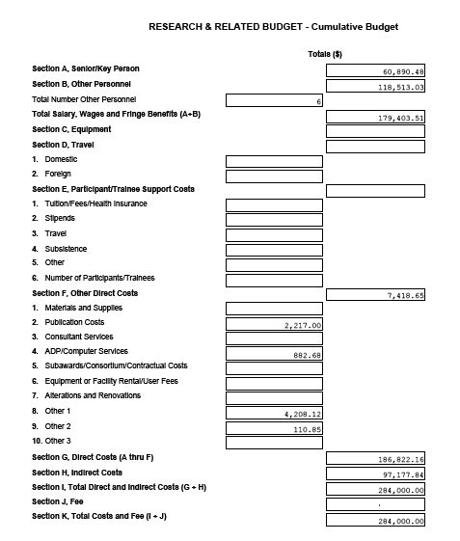

 |  |  |  |  | Year 1 |  | Year 2 |  | Year 3 |  | Year 4 |  | Year 5 | Total
 |  |  |  | Direct Costs | $10,856.80 |  | $11,085.73 |  | $11,319.94 |  | $74,462.73 |  | $79,096.96 | $186,822.16

 |  | Indirect category / rate |  | rate |  | rate |  | rate |  | rate |  | rate |  | $0.00
 |  | org overhead |  | 64.755% | $7,030.35 | 62.39% | $6,916.00 | 60.16% | $6,810.10 | 18.29% | $13,621.10 | 17.18% | $13,585.00 | $47,962.55
 |  | program development |  | 5.272% | $572.39 | 5.03% | $558.05 | 4.80% | $543.90 | 3.47% | $2,580.35 | 3.43% | $2,716.39 | $6,971.08
 |  | gen and admin |  | 50.158% | $5,445.56 | 48.55% | $5,382.34 | 47.02% | $5,322.07 | 9.39% | $6,992.90 | 9.05% | $7,160.70 | $30,303.57
 |  | Contract Perf R&D |  | 10.369% | $1,125.76 | 9.93% | $1,100.87 | 9.53% | $1,079.10 | 5.66% | $4,211.75 | 5.59% | $4,423.16 | $11,940.64
 |  |  |  |  | $14,174.06 |  | $13,957.26 |  | $13,755.17 |  | $27,406.10 |  | $27,885.25 | $97,177.84
 |  | Total indirect as % of Direct |  |  | 130.55% |  | 125.90% |  | 121.51% |  | 36.81% |  | 35.25% | 52.02%

 |  | Total request |  |  | $25,030.86 |  | $25,042.99 |  | $25,075.11 |  | $101,868.83 |  | $106,982.21 | $284,000.00

Fringe Benefits | Year 1 | Year 2 | Year 3 | Year 4 | Year 5 |  |  |  |  |  |  | Total
 | 2524.64 | 2551.68 | 2578.67 | 3098.84 | 3194.8
 |  |  |  | 9067.21 | 9347.97
 |  |  |  | 61.94 | 63.85
 |  |  |  | 119.87 | 123.59
 | 2524.64 | 2551.68 | 2578.67 | 12347.86 | 12730.21

