ex_0
$${}_{2006}^{2005}{D_{0}=49}$$
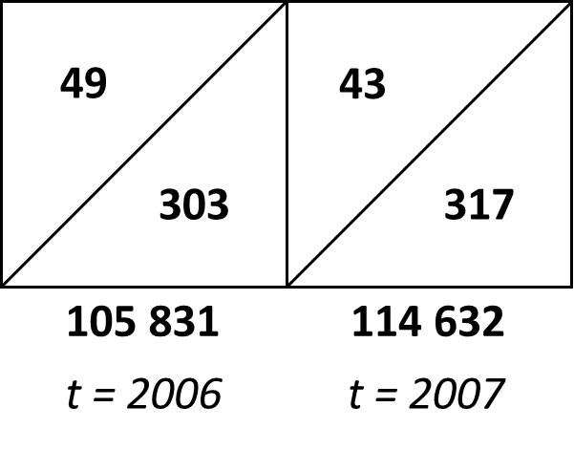
Estimate infant mortality in 2007 with three different methods given you have following data:
alpha | 0.88
 |  |  | 49
$${}_{2006}^{2006}{D_{0}=303}$$
 |  |  | 303
$${}_{2007}^{2006}{D_{0}=43}$$
 |  |  | 43
$${}_{2007}^{2007}{D_{0}=317}$$
 |  |  | 317

 |  | 2007 | 2006
 | Bv | 114632 | 105831

Method: | a. | 3.269 | ‰ | With given data only for 2006!
 | b. | 3.172 | ‰
 | c. | 3.170 | ‰

$${←q=(q}^{’}+q^{“})−{(q}^{’}×q^{“})$$
 | Standard computation: |  |  | 3.1404843325 | ‰
 | Standard computation from elementary sets of events: |  |  |  |  | 3.172 | ‰ | q’ equals to death in lower elementary set of events in 2007 devided by live births in 2007
 |  |  |  |  |  |  |  | q“ equals to death in upper elementary set of events in 2007 devided to number of children born in 2006 who survived until the end of 2006

ex_2
500
450

2 900
2 600

142 000
138 000

t = 1991
t = 1992
t = 1993

(a) | Represent the data on a Lexis diagram.

 |  |  | 1991 | 1992
 |  | b. |  | 22.40 | (Raths correction)
 |  | c. |  | 22.36
 |  | d. | 23.94 | 22.10 | (1st primary sets of events, or other methods applied in previous exercise)
 |  | e. |  | 22.10

Graph_ex_3
Infant mortality indicators
 | Infant mortality rate | neonatal mortality rate | Earl neonatal mortality rate | Late neonatal mortality rate | Postneonatal mortality rate | Probability of late neonatal mortality | Probability of postneonatal mortality | Perinatal mortality rate | Stillbirth rate
2020 | 3.63 | 2.69 | 2.11 | 0.59 | 0.94 | 0.58 | 0.94 | 5.95 | 3.85
2019 | 3.73 | 2.77 | 2.18 | 0.60 | 0.96 | 0.59 | 0.97 | 6.10 | 3.92
2018 | 3.79 | 2.78 | 2.23 | 0.59 | 1.00 | 0.56 | 1.01 | 6.29 | 4.08
2017 | 3.88 | 2.80 | 2.17 | 0.58 | 1.08 | 0.63 | 1.08 | 6.38 | 4.21
2016 | 3.81 | 2.74 | 2.18 | 0.58 | 1.07 | 0.56 | 1.07 | 6.62 | 4.45
2015 | 3.69 | 2.63 | 2.06 | 0.60 | 1.06 | 0.58 | 1.06 | 6.54 | 4.49
2014 | 3.62 | 2.53 | 1.98 | 0.65 | 1.09 | 0.56 | 1.09 | 6.63 | 4.66
2013 | 3.85 | 2.68 | 2.04 | 0.64 | 1.17 | 0.64 | 1.17 | 6.71 | 4.68
2012 | 3.99 | 2.80 | 2.15 | 0.65 | 1.19 | 0.65 | 1.20 | 6.99 | 4.85
2011 | 4.18 | 2.95 | 2.26 | 0.72 | 1.23 | 0.69 | 1.23 | 7.49 | 5.24
2010 | 4.25 | 2.94 | 2.29 | 0.77 | 1.32 | 0.65 | 1.32 | 7.39 | 5.11
2009 | 4.52 | 3.12 | 2.39 | 0.87 | 1.40 | 0.74 | 1.40 | 7.57 | 5.19
2008 | 4.63 | 3.19 | 2.45 | 0.83 | 1.44 | 0.75 | 1.45 | 7.51 | 5.08
2007 | 4.73 | 3.26 | 2.53 | 0.93 | 1.47 | 0.73 | 1.48 | 7.70 | 5.19
2006 | 4.96 | 3.47 | 2.61 | 0.91 | 1.49 | 0.86 | 1.49 | 7.95 | 5.35
2005 | 5.05 | 3.45 | 2.63 | 0.92 | 1.60 | 0.82 | 1.60 | 7.98 | 5.36
2004 | 5.03 | 3.45 | 2.66 | 0.96 | 1.58 | 0.80 | 1.58 | 8.37 | 5.73
2003 | 5.32 | 3.64 | 2.81 | 1.04 | 1.68 | 0.83 | 1.68 | 8.58 | 5.78
2002 | 5.25 | 3.57 | 2.72 | 1.01 | 1.68 | 0.85 | 1.69 | 8.33 | 5.62
2001 | 5.45 | 3.59 | 2.69 | 0.98 | 1.85 | 0.91 | 1.86 | 7.96 | 5.28
2000 | 5.59 | 3.86 | 2.90 | 1.16 | 1.72 | 0.97 | 1.73 | 8.16 | 5.27
1999 | 5.82 | 3.92 | 2.95 | 1.21 | 1.91 | 0.97 | 1.91 | 8.22 | 5.29
1998 | 5.70 | 3.80 | 2.90 | 1.19 | 1.90 | 0.91 | 1.91 | 8.23 | 5.34
1997 | 5.91 | 3.91 | 3.02 | 1.24 | 1.99 | 0.90 | 2.00 | 8.32 | 5.32
1996 | 6.10 | 4.07 | 3.18 | 1.32 | 2.02 | 0.89 | 2.03 | 8.58 | 5.42
1995 | 6.14 | 4.16 | 3.25 | 1.48 | 1.98 | 0.92 | 1.99 | 8.75 | 5.52
1994 | 6.20 | 4.14 | 3.22 | 1.37 | 2.06 | 0.92 | 2.07 | 8.91 | 5.70
1993 | 6.30 | 4.15 | 3.23 | 1.32 | 2.15 | 0.92 | 2.16 | 8.91 | 5.69
1992 | 6.58 | 4.28 | 3.33 | 1.36 | 2.30 | 0.96 | 2.31 | 7.56 | 4.25
1991 | 7.38 | 4.36 | 3.43 | 1.44 | 3.01 | 0.94 | 3.03 | 8.04 | 4.63
1990 | 7.88 | 4.56 | 3.54 | 1.50 | 3.32 | 1.03 | 3.33 | 8.11 | 4.59
1989 | 8.45 | 4.76 | 3.66 | 1.60 | 3.69 | 1.10 | 3.71 | 8.32 | 4.68
1988 | 9.04 | 4.93 | 3.89 | 1.72 | 4.11 | 1.04 | 4.13 | 8.73 | 4.85
1987 | 9.20 | 5.06 | 3.94 | 1.64 | 4.14 | 1.13 | 4.16 | 8.92 | 5.00
1986 | 9.55 | 5.28 | 4.27 | 1.83 | 4.27 | 1.01 | 4.29 | 9.59 | 5.34
1985 | 9.36 | 5.38 | 4.35 | 1.86 | 3.98 | 1.04 | 4.00 | 9.84 | 5.52
1984 | 9.48 | 5.57 | 4.43 | 1.87 | 3.91 | 1.14 | 3.94 | 10.09 | 5.69
1983 | 10.14 | 5.85 | 4.69 | 2.09 | 4.29 | 1.17 | 4.32 | 10.40 | 5.74
1982 | 10.82 | 6.27 | 5.03 | 2.20 | 4.55 | 1.25 | 4.58 | 11.25 | 6.25
1981 | 11.07 | 6.66 | 5.29 | 2.34 | 4.41 | 1.38 | 4.43 | 11.84 | 6.59
1980 | 12.04 | 7.65 | 6.16 | 2.78 | 4.38 | 1.50 | 4.42 | 13.34 | 7.22

