Sheet1
$${{}_{period}^{cohort}D}_{age}^{\begin{aligned}another \\ attribute\end{aligned}}$$
$${{}_{t}^{c−c+1}q}_{x}=\left(q_{1}+q_{2}\right)−\left(q_{1}×q_{2}\right)$$
Draw following data to Lexis diagram: |  |  |  |  | Bety
Age | Birth cohort | 1996Dx | Birth cohort | 1997Dx | 1.1.1996Px | 1.1.1997Px
50 | 1946 | 351 | 1947 | 360 | 67,125 | 82,567
 | 1945 | 285 | 1946 | 349
51 | 1945 | 307 | 1946 | 374 | 70,224 | 66,609
 | 1944 | 342 | 1945 | 319
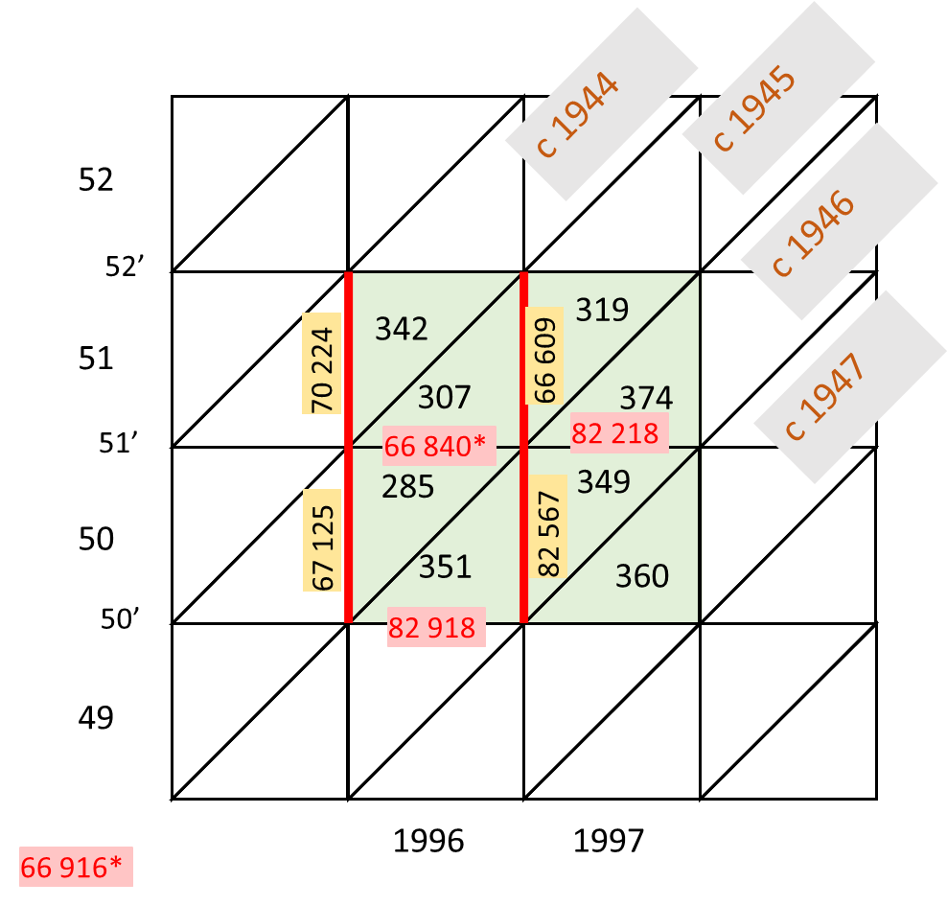
Calculate age specific mortality rates and probabilities of dying:
 | Indicator | Result
 | 1996–1997m50 | 0.008478 |  |  | 1996Px | 1997Px
 | 1996m50–51 | 0.008853 |  | 50’ | 82,918
 | 1996m51 | 0.009486 |  | 51’ | 66,840 | 82,218
 | 1996–1997q50 | 0.008442 |  |  | 66,916
 | 1996q50–51 | 0.008819
 | 1996q51 | 0.009441 | 0.009436
 | q1 | 0.004870
 | q2 | 0.004593 | 0.004588

