4_Ansible
 | Ansible Basics
 | Minimum requirements:
 | На Control Node - Master Server:
1 | Linux only (RedHat, Debian,CentOs, OS X)
2 | Python 2.6+ or Python 3.5+

 | Controlled Servers - Managed node:
1 | Linux: Admin Username/Password or SSH Key and Python 2.6+
2 | Windows: Admin Username/Password, PowerShell 3.0 and need run script ConfigureRemotingForAnsible.psl

 | Installation on Ubuntu 18.04: (On Server A - 85.193.82.151)
 | $ sudo apt-add-repository ppa:ansible/ansible
 | $ sudo apt-get update
 | $ sudo apt-get install ansible
 | $ ansible --version

 | Configuring SSH
 | on Server A (master) - 85.193.82.151
 | $ ssh-keygen
 | from the /root/.ssh folder - the rsa.pub file - we take the code and enter it into the file - authorized_keys on Server B and Server C
 | When first connect via ssh from Server A a to Server B, ask fingerprint
 | $ ssh root@188.225.57.140
 | $ ssh root@188.225.73.184

 | Create an inventory by adding the IP address or fully qualified domain name (FQDN) of one or more remote systems to /etc/ansible/hosts. The following example adds the IP addresses of three virtual machines:

 | [myvirtualmachines] 188.225.57.140 188.225.73.184

 | Verify the hosts in your inventory.
 | $ ansible all --list-hosts

 | Ping the managed nodes.
 | $ ansible all -m ping

 | Building an inventory
 | Open a terminal window on your control node. Create a new inventory file named inventory.yaml in any directory and open it for editing. Add a new group for your hosts then specify the IP address or fully qualified domain name (FQDN) of each managed node with the ansible_host field. The following example adds the IP addresses of three virtual machines:
 | (Inventory files can be in INI or YAML format. For demonstration purposes, this section uses YAML format only.)

 | virtualmachines: hosts: vm01: ansible_host: 188.225.57.140 vm02: ansible_host: 188.225.73.184

 | Verify your inventory. If you created your inventory in a directory other than your home directory, specify the full path with the -i option.
 | $ ansible-inventory -i inventory.yaml --list

 | After that:
 | $ ansible virtualmachines -m ping -i inventory.yaml

 | Running Ad-Hoc Commands in Ansible
 | $ ansible all -m setup
 | $ ansible all -m shell -a "uptime"
 | $ ansible all -m command -a "pwd"
 | $ ansible all -m copy -a "src=hello.txt dest=/home mode=777" -b
 | $ ansible all -m file -a "path=/home/hello.txt state=absent" -b
 | $ ansible prod_servers -m copy -a "src=hello.txt dest=/home mode=777" -b
 | $ ansible all -m get_url -a "url=https://somesite.com/some_utilities/download/yyy dest=/home" -b
 | $ ansible all -m apt -a "name=apache2 state= latest" -b
 | $ ansible all -m apt -a "name=apache2 state= absent" -b
 | $ ansible all -m uri -a "url=https://somesite.com"
 | $ ansible all -m uri -a "url=https://somesite.com return_content=yes"
 | $ ansible all -m service -a "name=apache2 state=started enabled=yes" -b

 | Transferring variables to group_vars
 | on Control Node:
 | $ mkdir group_vars
 | create a file inside this folder: STAGING_SERVERS_WEB.yml
 | move from file hosts.txt :
 | ansible_user : userxxx
 | ansible_ssh_private_key_file: /home/userxxx/.ssh/id_rsa

 | similarly with the group: [PROD_SERVERS_WEB : vars]
 | ansible_user : userxxx
 | ansible_ssh_private_key_file: /home/userxxx/.ssh/id_rsa

 | similarly with the group: [ALL_SERVERS_DB : vars]
 | db_endpoint:xxxxxx.yyyyyy.com:4151
 | owner:someuser
 | location:"Huston, TX"

 | Creating Playbook

 | Playbook1.yml
 | create a Playbook1.yml file
 | name: Test Connection to my servers hosts: all become: yes tasks: name: Ping my servers ping:

 | $ ansible-playbook playbook1.yml

 | Playbook2.yml
 | name: Install default Apache Web Server hosts: all become: yes tasks: name: Install Apache Web Server apt: name=apache2 state=latest name: Start Apache and enable it on the every boot service: name=apache2 state=started enabled=yes

 | $ ansible-playbook playbook2.yml

 | Playbook3.yml
 | name: Install Apache Web Server and Upload my Web Page hosts: all become: yes vars: source_file: ./MyWebSite/index.html destin_file : /var/www/html tasks: name: Install Apache Web Server apt: name=apache2 state=latest name: Copy MyHomePage to Servers copy: src={{ source_file }} dest={{ destin_file }} mode=0555 notify: Restart Aphace name: Start WebServer and make it enable on boot service: name=apache2 state=started enabled=yes handlers: name: Restart Aphace service: name=apache2 state=restarted

 | $ ansible-playbook playbook3.yml

 | Variables - Debug, Set_fact, Register

 | Playbook.yml
 | name: My Playbook for Variables hosts: all become: yes vars: message1: Hello message1: World secret : XQWDPOLSDCMLCPOP tasks: name: Print Secret variables debug: var: secret

 | $ ansible-playbook playbook.yml

 | Playbook.yml
 | name: My Playbook for Variables hosts: all become: yes vars: message1: Hello message1: World secret : XQWDPOLSDCMLCPOP tasks: name: Print Secret variables debug: var: secret - debug: msg: "Secret word: {{ secret }}" - debug: msg: "Owner this Server -->{{ owner }}<--"

 | $ ansible-playbook playbook.yml

 | Playbook.yml - Set_fact
 | name: My Playbook for Variables hosts: all become: yes vars: message1: Hello message1: World secret : XQWDPOLSDCMLCPOP tasks: name: Print Secret variables debug: var: secret - debug: msg: "Secret word: {{ secret }}" - debug: msg: "Owner this Server -->{{ owner }}<--" -set_fact: full_message=" {{ message1 }} {{ message2 }} from {{ owner }} - debug: var: full_message

 | $ ansible-playbook playbook.yml

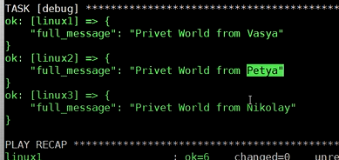

 | Playbook.yml - Register # сохранение output в переменую
 | name: My Playbook for Variables hosts: all become: yes vars: message1: Hello message1: World secret : XQWDPOLSDCMLCPOP tasks: name: Print Secret variables debug: var: secret - debug: msg: "Secret word: {{ secret }}" - debug: msg: "Owner this Server -->{{ owner }}<--" -set_fact: full_message=" {{ message1 }} {{ message2 }} from {{ owner }} - debug: var: full_message -shell: uptime register: results -debug: var: results

 | $ ansible-playbook playbook.yml

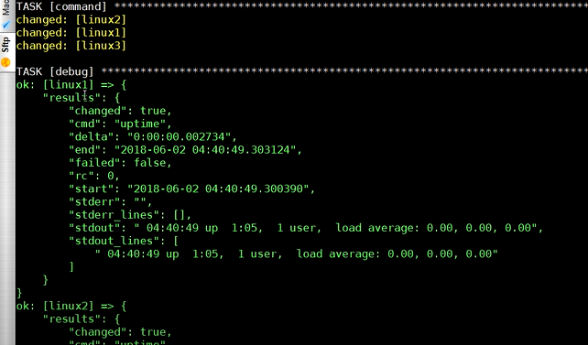

 | Blocks and Conditions – Block-When
 | name: Learn WHEN and BLOCK hosts: all become: true tasks: - name: Print OS family ansible.builtin.debug: var: ansible_os_family name: All for RedHat when: ansible_os_family == "RedHat" block: - name: Install Apache on RedHat ansible.builtin.dnf: name: httpd state: present - name: Start WebServer and make boot RedHat ansible.builtin.service: name: httpd state: started enabled: true - name: All for Debian when: ansible_os_family == "Debian" block: - name: Install Apache on Debian ansible.builtin.apt: name: apache2 state: present - name: Start WebServer and make boot Debian ansible.builtin.service: name: apache2 state: started enabled: true

 | Циклы – Loop, With_Items, Until, With_fileglob
 | Loop Playbook.yml
 | name: Loop Playbook hosts: linux3 become: yes tasks: - name: Say Hello ALL debug: msg="Hello {{ item }}" with_items: - "Vasa" - "Peta" - "Masha" - "Olya"

 | $ ansible-playbook playbookloop.yml

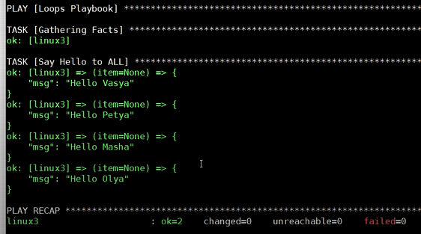

 | name: Loop Playbook hosts: linux3 become: yes tasks: - name: Say Hello ALL debug: msg="Hello {{ item }}" loop: - "Vasa" - "Peta" - "Masha" - "Olya"

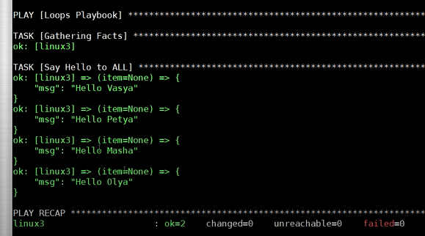

 | name: Loop Playbook hosts: linux3 become: yes tasks: - name: Say Hello ALL debug: msg="Hello {{ item }}" loop: - "Vasa" - "Peta" - "Masha" - "Olya" - name: Loop Until example shell: echo -n A >>myfile.txt && cat myfile.txt register: output delay: 2 retries: 10 until: output.stdout.find("AAAA") == false - name: Print Final Output debug: var: output.stdout

 | with_items
 | - name: Install many packaged yum: name={{ item }} state=installed with_items: - python - tree - mysql-sql

 | Creating Roles
 | $ mkdir roles
 | $ cd roles/
 | $ ansible-galaxy init deploy_apache_web

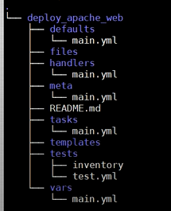

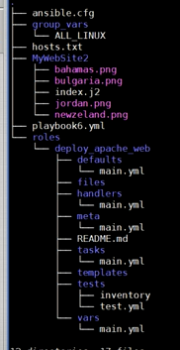

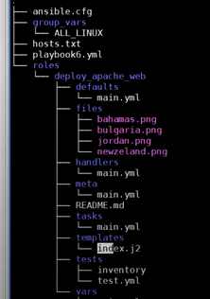

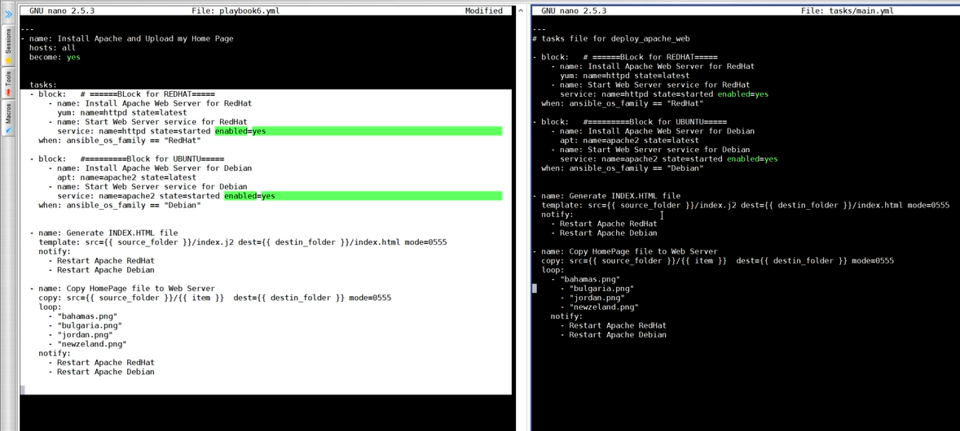

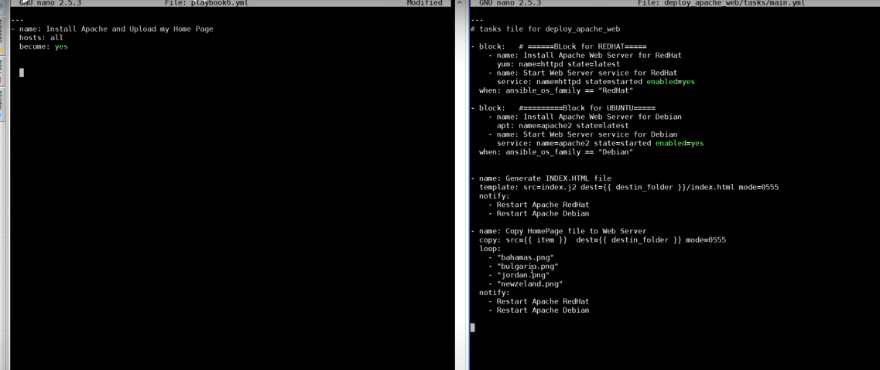

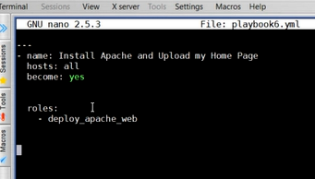

 | roles:
 | deploy_apache_web

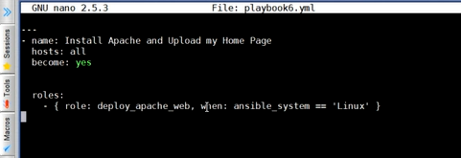

 | $ ansible-playbook playbook.yml

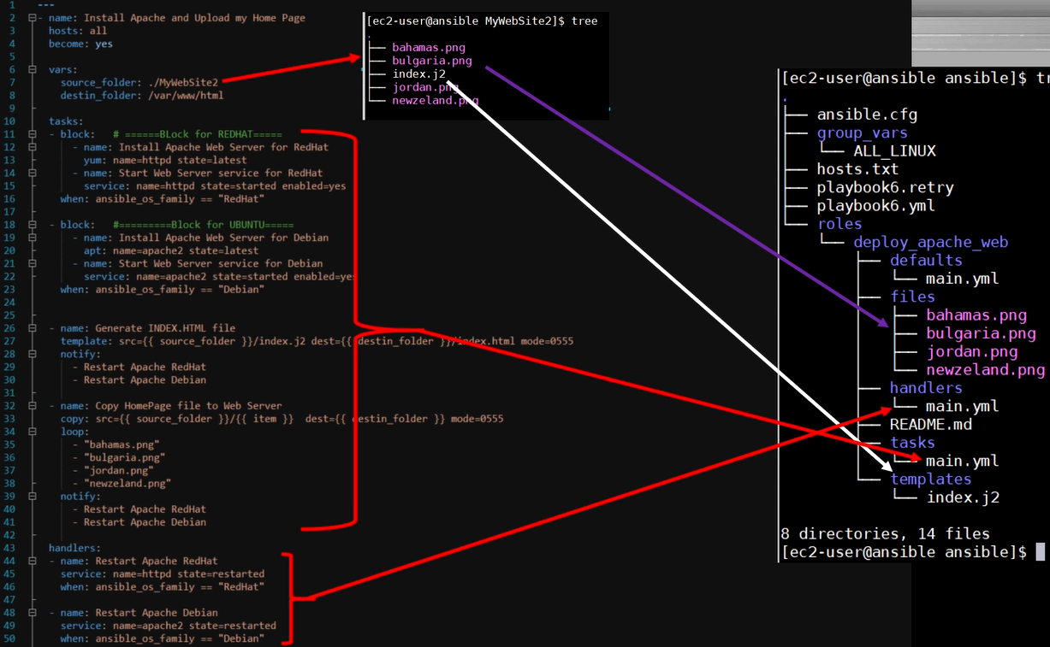

 | External variables - extra-vars

 | $ ansible-playbook playbook.yml --extra-var "MYHOSTS=STAGING"

 | Using Import, Include

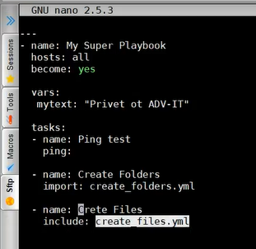

 | Redirecting Task execution from Playbook to a specific server - delegate_to

 | in file:
 | delegate_to: Linux3

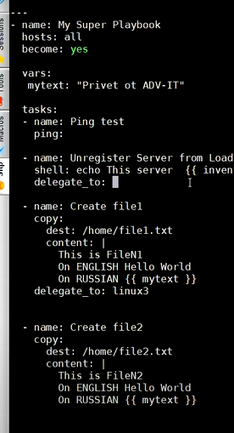

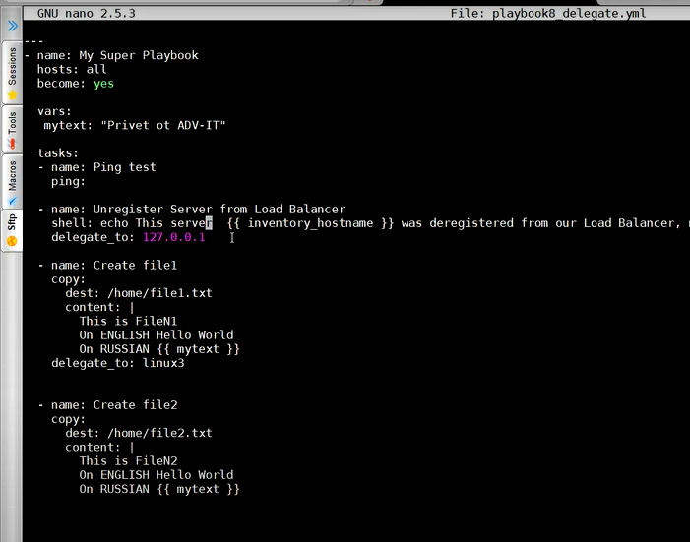

 | Interception and Error control

 | ignore_errors: yes
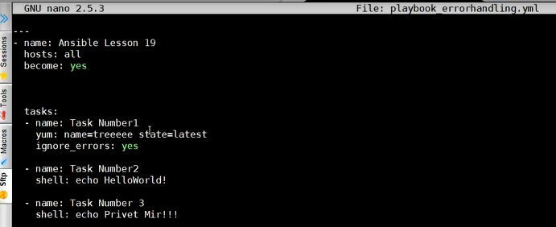

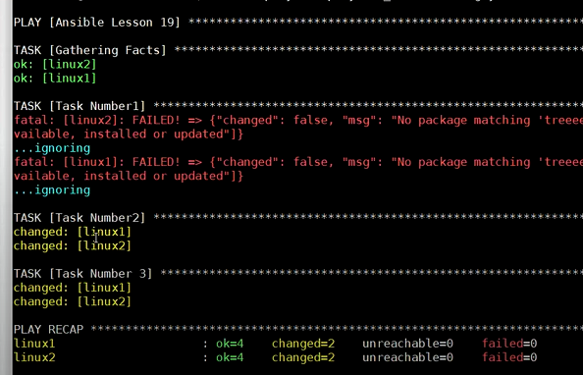

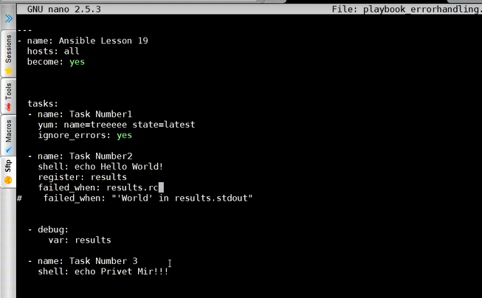

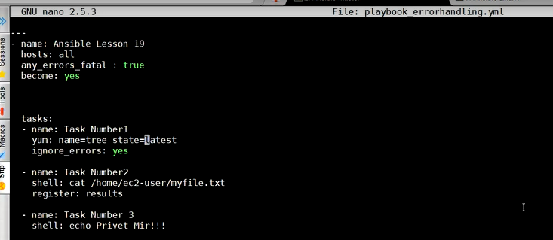

 | tasks: - command: /bin/false register: result ignore_errors: True - command: /bin/something when: result is failed # In older versions of ansible use ``success``, now both are valid but succeeded uses the correct tense. - command: /bin/something_else when: result is succeeded - command: /bin/still/something_else when: result is skipped

 | Keeping Secrets - ansible-vault

 | $ ansible-vault create file_name.txt
 | $ ansible-vault view file_name.txt
 | $ ansible-vault edit file_name.txt
 | $ ansible-vault rekey file_name.txt

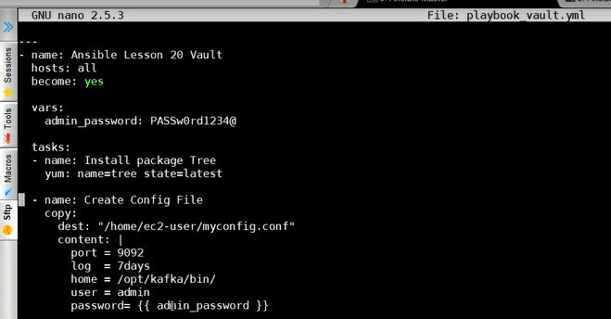

 | $ ansible-vault encrypt playbook_vault.yml

 | $ ansible-vault decrypt playbook_vault.yml

 | $ ansible-playbook playbook_vault.yml --ask-vault-pass

