Tabelle1
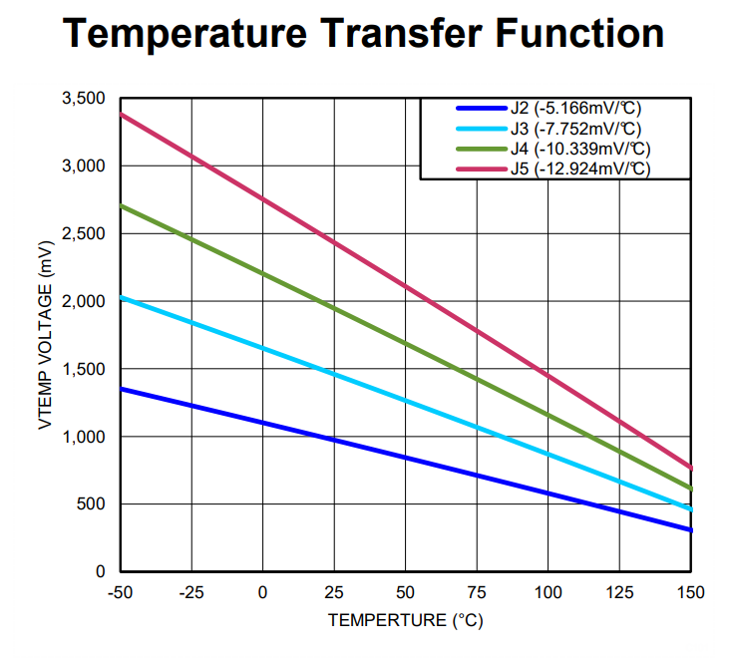
UZ_D_inverter with LM57CISD-10/NOPB as temperature probe

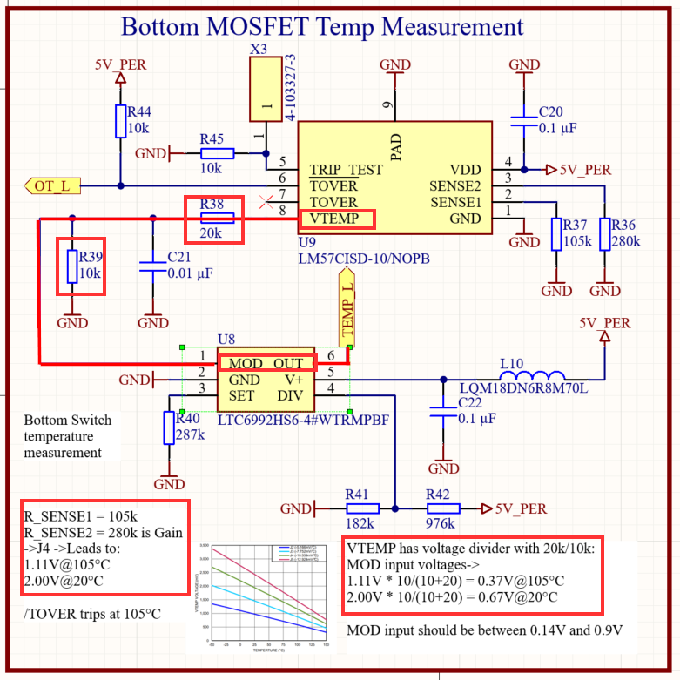
With circuitry on this specific PCB we use Transfer Gain J4 | Temperature in °C | VTEMP in V
Some selected vlaues from the datasheet Table1 | -50 | 2.7052
 | 0 | 2.2022
 | 20 | 1.9975
 | 50 | 1.6865
 | 80 | 1.3711
 | 105 | 1.1047
 | 120 | 0.9433

The analog voltage signal is further tranformed into a PWM dutycycle information
This is done by LTC6992HS6-4
This IC can provide 5% to 100% dutycycle at 0..1V input voltage
 | INPUT | OUTPUT | TEMP (from above)
voltage divider between VTEMP and MOD is 20k 10k | MOD in V (VTEMP wrt voltage divider) | dutycyc | Temperature at LM57
duty cycle is linear between 10% and 90% (0,1V and 0,9V) | 0.9017 | 0.90 | -50
 | 0.7341 | 0.73 | 0
 | 0.6658 | 0.67 | 20
 | 0.5622 | 0.56 | 50
 | 0.4570 | 0.46 | 80
 | 0.3682 | 0.37 | 105
 | 0.3144 | 0.31 | 120

