Sheet1
Control Card Connector Up
 |  |  |  |  |  |  |  |  | ePWM characteristics of Microcontroller in ControlCard

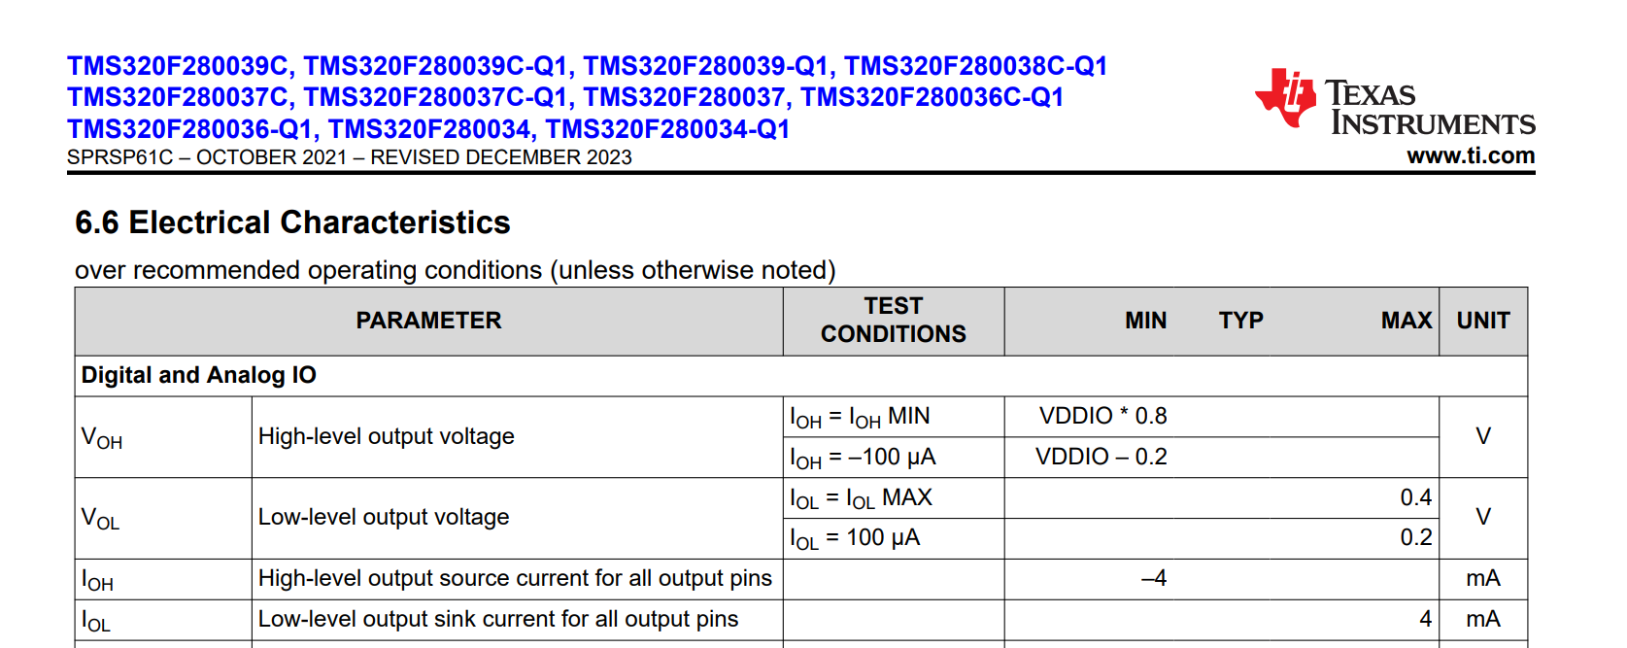
Naming | Pin Number | Signal Name | Pin Type | A/D | Min/Max Voltage | Exp. Voltage Range | Exp. Bandwidth | Description | VDDIO: 3.3-V Digital I/O Power Pins
 |  | 12 V | Output | POWER | 12 V Power |  |  | 12 VDC @ 6 A capability in total is required to power the cooling fans.
800 V Flyback Connectors can also |  | +15V_aux | Output | POWER | 15 V Power |  |  | 15 V @ 1.5 A capability is required to supply the control/auxiliary power to the board. (Push-pull transformer driver,
be used instead |  | GND_aux | Output | POWER | GND aux |  |  | GND for external 15V auxilliary supply. Provide a separate path for return currents associated with the auxiliary supply.
DC link + |  | DC+ | Output | POWER
DC link - |  | DC- | Output | POWER
VDC_MID |  | PGND | Output | POWER |  |  |  | Power ground. It is also the power ground of the low-side MOSFET. PGND is the midpoint of the DC-bus voltage. The control GND can be left floating or can be connected to the DC- or midpoint depending on the control strategy employed by the user. For testing this board, the control GND is left floating
PWM (4 per phase, 12 in total) |  | PWM_1A | Input | Digital | 2.5 to 5 V | 3.3 V |  | For the PWM buffer tri-state output, Inputs can be driven from either 3.3V or 5V devices. High level input voltage is min 2 V (for Vcc = 3.3V). Output voltage is 3.3 V. For the gate driver UCC5350MCDWVR, The input pins are easy to drive with logic-level control signals (such as those from 3.3-V microcontrollers), because the UCC53x0 family has a typical high threshold (VIT+(IN)) of 0.55 × VCC1 and a typical low threshold of 0.45 × VCC1 ( VCC1 = 3.3 V)
 |  | PWM_2A
 |  | PWM_3A
 |  | PWM_4A
 |  | PWM_1B
 |  | PWM_2B
 |  | PWM_3B
 |  | PWM_4B
 |  | PWM_1C
 |  | PWM_2C
 |  | PWM_3C
 |  | PWM_4C
PWM EN |  | PWM EN | Input | Digital | 2.5 to 5 V | 3.3 V |  | used as Output enable of PWM buffer tri-state output logic. When the output enable (OE) input is low, the corresponding output is disabled and enters a high-impedance state
Phase Protection |  | RY_N | Output |  |  |  |  | AC line facing relay circuitry
Phase IL Sensing |  | IL_FDPK_A | Output | Analog | 0.35 - 2.95 V |  |  | Phase inrush current limiter feedback for each phase
 |  | IL_FDPK_B
 |  | IL_FDPK_C
Phase Temperature Sensing |  | TemperatureA | Output | Analog | 0.5 to 3.4 V |  |  | Analog output voltage that is inversely proportional to temperature. Full-Range Celsius Temperature Sensor (−50°C to +150°C)
 |  | TemperatureB
 |  | TemperatureC
Phase OCP detection |  | IocpA | Output | Digital | 3.3 V |  | 1 MHz | Overcurrent Fault output. Open drain. The current is sensed using a Hall-effect-current-sensing IC ACS733KLATR-65AB-T by Allegro. This IC is capable of sensing AC current where 0A corresponds to 1.65V. Current Sensing -65 A to 65 A.
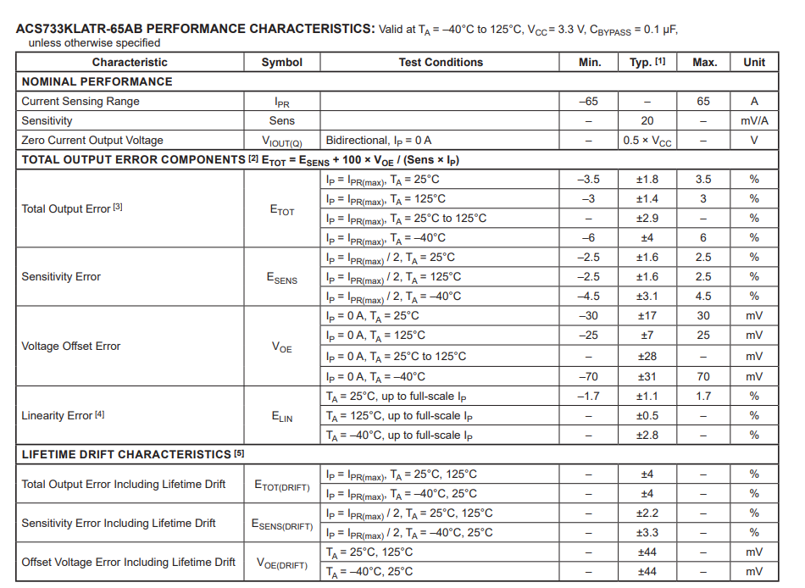
 |  | IocpB
 |  | IocpC
Ambient Temperature Sense |  | TEMP_Amb | Output | Analog | 0.4 V to 2.6 V |  |  | Analog output voltage that is inversely proportional to temperature. Full-Range Celsius Temperature Sensor (−50°C to +150°C)
DC Input Voltage Sensing |  | VDC_SENSE | Output | Analog |  | 2.58 V | 5.5 MHz | OPA4340UA are used to sense the DC input voltage. Vout = R2/R1 * (V2-V1) = 1.29 V. (for DC+ = 400 V and VDC_MID = 0 V)
 |  | VDC_MID_SENSE | Output | Analog |  | 1.29 V
AC Voltage Sensing |  | Vinv_SENA | Input | Analog |  |  | 5.5 MHz | OPA4340UA provides feedback on the output inverter phase voltage.
 |  | Vinv_SENB
 |  | Vinv_SENC
Phase Voltage Sensing |  | VG_SEN_A | Input | Analog |  |  |  | Phase voltage sensing used to interface with an external EMI filter in case external VGrid needs to be sensed.
 |  | VG_SEN_B
 |  | VG_SEN_C
 |  | FAN_CNTL
CAN COMM |  | CAN_RX |  |  |  |  |  | The CAN communication pins have not been tested but are still placed on the schematic for future improvements to the design.
 |  | CAN_TX

