Sheet1
Error (%) vs Current (A)
 | VOUT |  | V_ref |  | TP2-TP4 |  |  |  |  |  |  |  |  |  | Real Gain (w/ R5)
 |  |  |  |  |  |  |  |  |  |  |  |  |  |  | 1.9029495718
 | TP1 (V) | TP2 (V) | TP3 (V) | TP4 (V) |  |  |  |  |  |  |  | TP1-TP3 | TP2-TP4
I_IN (A) | VOUT (V) | VIN+ (V) | V_ref (V) | VIN-(V) | Vin_diff (V) | Vout_soll (V) |  | Vout_meas (V) | Deviation w/ R5 (V) | Deviation w/ R5 (%) | Deviation w/o R5 (%) | Output of Sensor | Input of OpAmp | Gain
-10 | 2.2421 | 2.2543 | 2.4944 | 2.4944 | -0.2401 | -0.5 | -0.45689819224 | -0.4801 | -0.0199 | 3.98 | 0.9200 | -0.2523 | -0.2401 | 1.0508121616
-9 | 2.2671 | 2.2782 | 2.4944 | 2.4944 | -0.2162 | -0.45 | -0.41141769747 | -0.4325 | -0.0175 | 3.8888888889 | 1.0222 | -0.2273 | -0.2162 | 1.0513413506
-8 | 2.2922 | 2.3020 | 2.4944 | 2.4944 | -0.1924 | -0.4 | -0.36612749765 | -0.3850 | -0.0150 | 3.75 | 1.1000 | -0.2022 | -0.1924 | 1.0509355509
-7 | 2.3172 | 2.3257 | 2.4944 | 2.4944 | -0.1687 | -0.35 | -0.3210275928 | -0.3375 | -0.0125 | 3.5714285714 | 1.2571 | -0.1772 | -0.1687 | 1.0503852993
-6 | 2.3420 | 2.3495 | 2.4943 | 2.4943 | -0.1448 | -0.3 | -0.27554709803 | -0.2897 | -0.0103 | 3.4333333333 | 1.5333 | -0.1523 | -0.1448 | 1.0517955801
-5 | 2.3670 | 2.3732 | 2.4943 | 2.4943 | -0.1211 | -0.25 | -0.23044719317 | -0.2423 | -0.0077 | 3.08 | 1.8400 | -0.1273 | -0.1211 | 1.0511973576
-4 | 2.3921 | 2.3971 | 2.4943 | 2.4943 | -0.0972 | -0.2 | -0.1849666984 | -0.1947 | -0.0053 | 2.65 | 2.2000 | -0.1022 | -0.0972 | 1.0514403292
-3 | 2.4170 | 2.4208 | 2.4942 | 2.4942 | -0.0734 | -0.15 | -0.13967649858 | -0.1471 | -0.0029 | 1.9333333333 | 2.9333 | -0.0772 | -0.0734 | 1.0517711172
-2 | 2.4420 | 2.4445 | 2.4943 | 2.4942 | -0.0497 | -0.1 | -0.094576593728 | -0.0996 | -0.0004 | 0.4 | 4.4000 | -0.0523 | -0.0497 | 1.0523138833
-1 | 2.4672 | 2.4684 | 2.4942 | 2.4942 | -0.0258 | -0.05 | -0.049096098958 | -0.0518 | 0.0018 | -3.6 | 8.0000 | -0.0270 | -0.0258 | 1.0465116279
0 | 2.4919 | 2.4920 | 2.4942 | 2.4942 | -0.0022 | 0 | -0.0041864890584 | 0.0043 | -0.0043 | #DIV/0! | #DIV/0! | -0.0023 | -0.0022 | 1.0454545455
1 | 2.5169 | 2.5159 | 2.4943 | 2.4942 | 0.0217 | 0.05 | 0.041294005712 | 0.0431 | 0.0069 | 13.8 | -9.2000 | 0.0226 | 0.0217 | 1.0414746544
2 | 2.5421 | 2.5397 | 2.4942 | 2.4942 | 0.0455 | 0.1 | 0.086584205526 | 0.0908 | 0.0092 | 9.2 | -4.2000 | 0.0479 | 0.0455 | 1.0527472527
3 | 2.5671 | 2.5635 | 2.4942 | 2.4942 | 0.0693 | 0.15 | 0.13187440534 | 0.1385 | 0.0115 | 7.6666666667 | -2.8000 | 0.0729 | 0.0693 | 1.0519480519
4 | 2.5921 | 2.5873 | 2.4943 | 2.4943 | 0.0930 | 0.2 | 0.1769743102 | 0.1859 | 0.0141 | 7.05 | -2.2000 | 0.0978 | 0.0930 | 1.0516129032
5 | 2.6170 | 2.6111 | 2.4943 | 2.4943 | 0.1168 | 0.25 | 0.22226451001 | 0.2335 | 0.0165 | 6.6 | -1.8400 | 0.1227 | 0.1168 | 1.0505136986
6 | 2.6422 | 2.6350 | 2.4943 | 2.4943 | 0.1407 | 0.3 | 0.26774500478 | 0.2812 | 0.0188 | 6.2666666667 | -1.4000 | 0.1479 | 0.1407 | 1.0511727079
7 | 2.6672 | 2.6588 | 2.4943 | 2.4943 | 0.1645 | 0.35 | 0.31303520459 | 0.3287 | 0.0213 | 6.0857142857 | -1.2000 | 0.1729 | 0.1645 | 1.0510638298
8 | 2.6921 | 2.6825 | 2.4944 | 2.4944 | 0.1881 | 0.4 | 0.35794481449 | 0.3763 | 0.0237 | 5.925 | -1.1500 | 0.1977 | 0.1881 | 1.0510366826
9 | 2.7173 | 2.7064 | 2.4944 | 2.4944 | 0.2120 | 0.45 | 0.40342530926 | 0.4239 | 0.0261 | 5.8 | -0.9333 | 0.2229 | 0.2120 | 1.0514150943
10 | 2.7421 | 2.7302 | 2.4944 | 2.4944 | 0.2358 | 0.5 | 0.44871550908 | 0.4715 | 0.0285 | 5.7 | -0.9200 | 0.2477 | 0.2358 | 1.050466497
 | 8 mV off for all |  | 6 mV off for all

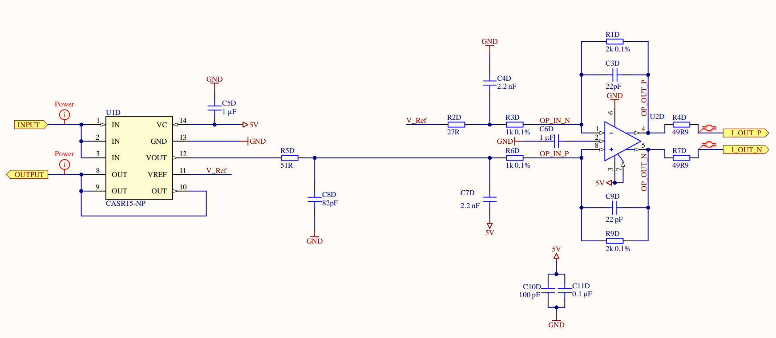

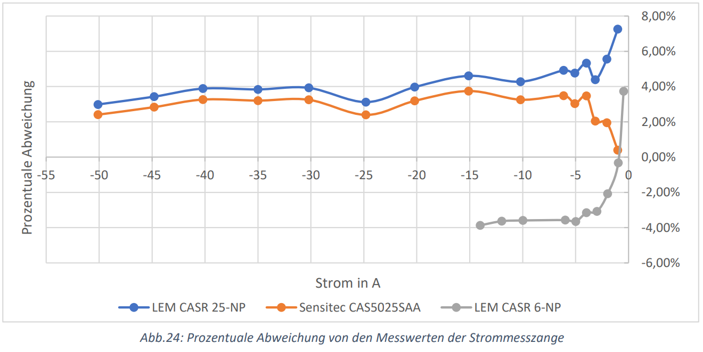

TP3
TP4

TP2

TP1

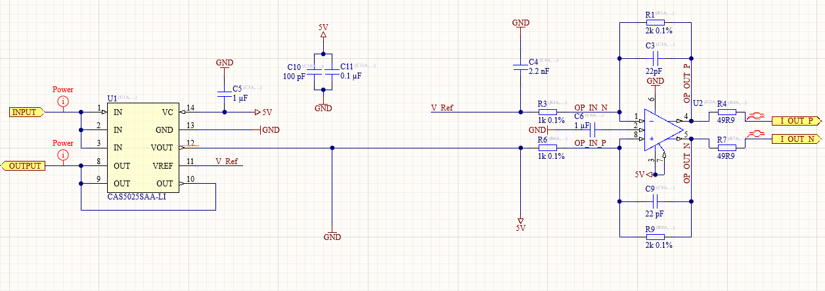

Voltage Probes

