Sheet1
Error (%) vs Current (A)
-10 | 0.51343570058
-8 | 0.55182341651
-6 | 0.5918106206
-4 | 0.75575815739
-2 | 1.2715930902
0
2 | 0.039827255278
4 | 0.14395393474
6 | 0.1503518874
8 | 0.20333493282
10 | 0.23992322457
 | I_IN (A) | Vout_soll (V) | Vout_meas (mV) | Deviation (V) | Deviation (%)
 | -50 | -2.5 | nA | #VALUE! | #VALUE!
 | -45 | -2.25 | nA | #VALUE! | #VALUE!
 | -40 | -2 | nA | #VALUE! | #VALUE!
 | -35 | -1.75 | nA | #VALUE! | #VALUE!
 | -30 | -1.5 | nA | #VALUE! | #VALUE!
 | -25 | -1.25 | nA | #VALUE! | #VALUE!
 | -20 | -1 | nA | #VALUE! | #VALUE!
 | -15 | -0.75 | nA | #VALUE! | #VALUE!
 | -10 | -2.084 | -2.0733 | -0.0107 | 0.51343570058
 | -8 | -1.6672 | -1.6580 | -0.0092 | 0.55182341651
 | -6 | -1.2504 | -1.2430 | -0.0074 | 0.5918106206
 | -4 | -0.8336 | -0.8273 | -0.0063 | 0.75575815739
 | -2 | -0.4168 | -0.4115 | -0.0053 | 1.2715930902
 | 0 | 0 | 0.0001 | -0.0001
 | 2 | 0.4168 | 0.4166 | 0.0002 | 0.039827255278
 | 4 | 0.8336 | 0.8324 | 0.0012 | 0.14395393474
 | 6 | 1.2504 | 1.2485 | 0.0019 | 0.1503518874
 | 8 | 1.6672 | 1.6638 | 0.0034 | 0.20333493282
 | 10 | 2.084 | 2.0790 | 0.0050 | 0.23992322457
 | 15 | 0.75 | nA | #VALUE! | #VALUE!
 | 20 | 1 | nA | #VALUE! | #VALUE!
 | 25 | 1.25 | nA | #VALUE! | #VALUE!
 | 30 | 1.5 | nA | #VALUE! | #VALUE!
 | 35 | 1.75 | nA | #VALUE! | #VALUE!
 | 40 | 2 | nA | #VALUE! | #VALUE!
 | 45 | 2.25 | nA | #VALUE! | #VALUE!
 | 50 | 2.5 | nA | #VALUE! | #VALUE!

sensitivity = 104.2 mV/A |  |  | 0.1042

Input Current (A) vs V_out (V)

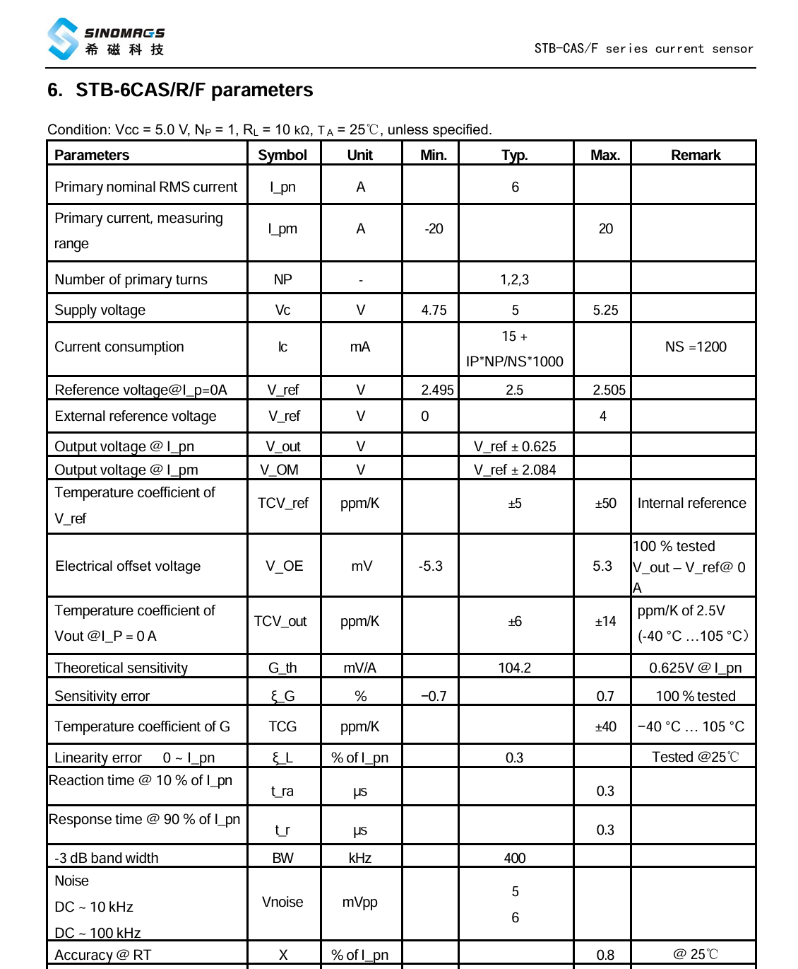

Voltage Probes

thermal
Temperature(°C) | Input Current (A)
38 | 40
55 | 60
Input Current (A) vs Temperature (°C)
76 | 70
103 | 80

