phase1_with_R5_R2
R2 and R5 stayed as is in schematic
 |  |  |  |  |  |  |  |  |  |  |  |  |  |  | Real Gain (w/ R5)
 |  |  |  |  |  |  |  |  |  |  |  |  |  |  | 1.9029495718
Error (%) vs Current (A)
 |  | TP1 (V) | TP2 (V) | TP3 (V) | TP4 (V) | TP2-TP4 |  |  |  |  |  |  | TP1-TP3 | TP2-TP4
 | I_IN (A) | VOUT (V) | VIN+ (V) | V_ref (V) | VIN-(V) | Vin_diff (V) | Vout_soll (V) |  | Vout_meas (V) | Deviation w/ R5 (V) | Deviation w/ R5 (%) | Deviation w/o R5 (%) | Output of Sensor | Input of OpAmp
 | -10 | 2.2421 | 2.2543 | 2.4944 | 2.4944 | -0.2401 | -0.5 | -0.45689819224 | -0.4801 | -0.0199 | 3.98 | 0.9200 | -0.2523 | -0.2401
 | -9 | 2.2671 | 2.2782 | 2.4944 | 2.4944 | -0.2162 | -0.45 | -0.41141769747 | -0.4325 | -0.0175 | 3.8888888889 | 1.0222 | -0.2273 | -0.2162
 | -8 | 2.2922 | 2.3020 | 2.4944 | 2.4944 | -0.1924 | -0.4 | -0.36612749765 | -0.3850 | -0.0150 | 3.75 | 1.1000 | -0.2022 | -0.1924
 | -7 | 2.3172 | 2.3257 | 2.4944 | 2.4944 | -0.1687 | -0.35 | -0.3210275928 | -0.3375 | -0.0125 | 3.5714285714 | 1.2571 | -0.1772 | -0.1687
 | -6 | 2.3420 | 2.3495 | 2.4943 | 2.4943 | -0.1448 | -0.3 | -0.27554709803 | -0.2897 | -0.0103 | 3.4333333333 | 1.5333 | -0.1523 | -0.1448
 | -5 | 2.3670 | 2.3732 | 2.4943 | 2.4943 | -0.1211 | -0.25 | -0.23044719317 | -0.2423 | -0.0077 | 3.08 | 1.8400 | -0.1273 | -0.1211
 | -4 | 2.3921 | 2.3971 | 2.4943 | 2.4943 | -0.0972 | -0.2 | -0.1849666984 | -0.1947 | -0.0053 | 2.65 | 2.2000 | -0.1022 | -0.0972
 | -3 | 2.4170 | 2.4208 | 2.4942 | 2.4942 | -0.0734 | -0.15 | -0.13967649858 | -0.1471 | -0.0029 | 1.9333333333 | 2.9333 | -0.0772 | -0.0734
 | -2 | 2.4420 | 2.4445 | 2.4943 | 2.4942 | -0.0497 | -0.1 | -0.094576593728 | -0.0996 | -0.0004 | 0.4 | 4.4000 | -0.0523 | -0.0497
 | -1 | 2.4672 | 2.4684 | 2.4942 | 2.4942 | -0.0258 | -0.05 | -0.049096098958 | -0.0518 | 0.0018 | -3.6 | 8.0000 | -0.0270 | -0.0258
 | 0 | 2.4919 | 2.4920 | 2.4942 | 2.4942 | -0.0022 | 0 | -0.0041864890584 | 0.0043 | -0.0043 | #DIV/0! | #DIV/0! | -0.0023 | -0.0022
 | 1 | 2.5169 | 2.5159 | 2.4943 | 2.4942 | 0.0217 | 0.05 | 0.041294005712 | 0.0431 | 0.0069 | 13.8 | -9.2000 | 0.0226 | 0.0217
 | 2 | 2.5421 | 2.5397 | 2.4942 | 2.4942 | 0.0455 | 0.1 | 0.086584205526 | 0.0908 | 0.0092 | 9.2 | -4.2000 | 0.0479 | 0.0455
 | 3 | 2.5671 | 2.5635 | 2.4942 | 2.4942 | 0.0693 | 0.15 | 0.13187440534 | 0.1385 | 0.0115 | 7.6666666667 | -2.8000 | 0.0729 | 0.0693
 | 4 | 2.5921 | 2.5873 | 2.4943 | 2.4943 | 0.0930 | 0.2 | 0.1769743102 | 0.1859 | 0.0141 | 7.05 | -2.2000 | 0.0978 | 0.0930
 | 5 | 2.6170 | 2.6111 | 2.4943 | 2.4943 | 0.1168 | 0.25 | 0.22226451001 | 0.2335 | 0.0165 | 6.6 | -1.8400 | 0.1227 | 0.1168
 | 6 | 2.6422 | 2.6350 | 2.4943 | 2.4943 | 0.1407 | 0.3 | 0.26774500478 | 0.2812 | 0.0188 | 6.2666666667 | -1.4000 | 0.1479 | 0.1407
 | 7 | 2.6672 | 2.6588 | 2.4943 | 2.4943 | 0.1645 | 0.35 | 0.31303520459 | 0.3287 | 0.0213 | 6.0857142857 | -1.2000 | 0.1729 | 0.1645
 | 8 | 2.6921 | 2.6825 | 2.4944 | 2.4944 | 0.1881 | 0.4 | 0.35794481449 | 0.3763 | 0.0237 | 5.925 | -1.1500 | 0.1977 | 0.1881
 | 9 | 2.7173 | 2.7064 | 2.4944 | 2.4944 | 0.2120 | 0.45 | 0.40342530926 | 0.4239 | 0.0261 | 5.8 | -0.9333 | 0.2229 | 0.2120
 | 10 | 2.7421 | 2.7302 | 2.4944 | 2.4944 | 0.2358 | 0.5 | 0.44871550908 | 0.4715 | 0.0285 | 5.7 | -0.9200 | 0.2477 | 0.2358
 |  | 8 mV off for all |  | 6 mV off for all

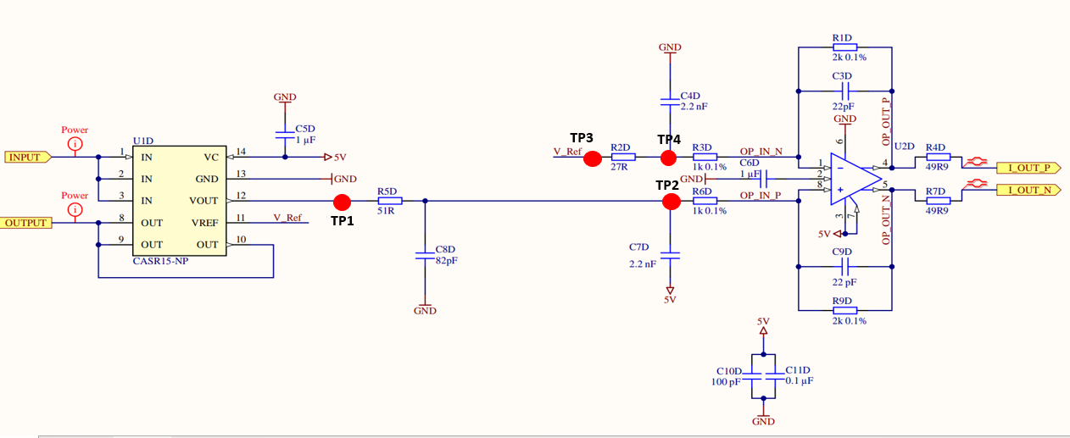

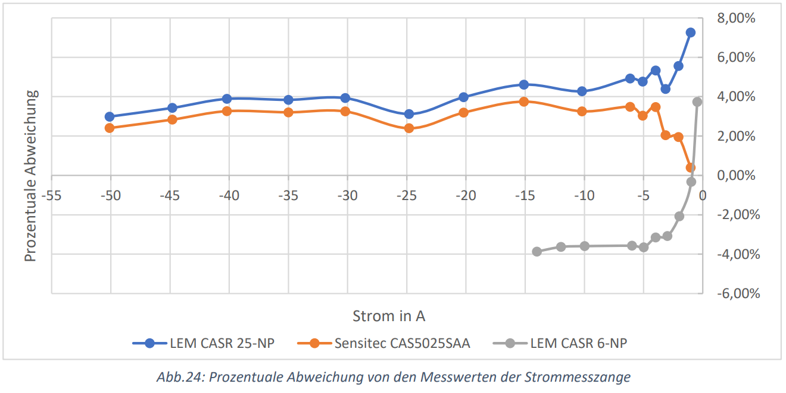

TP3
TP4

TP2

TP1

phase1_with_0Ohm
R2 and R5 replaced with 0 Ohm

Deviation (%) vs Input Current (A)
 | TP1 (V) | TP3 (V)
I_IN (A) | VOUT ( = VIN+) (V) | V_ref (or VIN-) (V) | Vin_diff (V) | Gain*VIN | Vout_soll (V) | Vout_meas (V) | Deviation (V) | Deviation R5 (%) | Pin 2 ( V_OCM) | I_OUT_P | I_OUT_N
-50 | 1.2462 | 2.4951 | -1.2489 | -2.4978 | -2.5 | -1.5912 | -0.9088 | 36.352 | 2.0084 | 4.09 | 2.4949
-45 | 1.3712 | 2.4950 | -1.1238 | -2.2476 | -2.25 | -1.5935 | -0.6565 | 29.177777778 | 2.0084 | 4.09 | 2.4949
-40 | 1.4961 | 2.4950 | -0.9989 | -1.9978 | -2 | -1.5949 | -0.4051 | 20.255 | 2.0088 | 4.0905 | 2.4949
-35 | 1.6212 | 2.4946 | -0.8734 | -1.7468 | -1.75 | -1.5947 | -0.1553 | 8.8742857143 | 2.0084 | 4.0905 | 2.4949
-30 | 1.7460 | 2.4949 | -0.7489 | -1.4978 | -1.5 | -1.4972 | -0.0028 | 0.18666666667 | 2.023 | 3.993 | 2.4957
-25 | 1.8712 | 2.4949 | -0.6237 | -1.2474 | -1.25 | -1.2475 | -0.0025 | 0.2 | 2.027 | 3.7433 | 2.4957
-20 | 1.9960 | 2.4949 | -0.4989 | -0.9978 | -1 | -0.9981 | -0.0019 | 0.19
-15 | 2.1202 | 2.4951 | -0.3749 | -0.7498 | -0.75 | -0.7503 | 0.0003 | -0.04
-10 | 2.2420 | 2.4942 | -0.2522 | -0.5044 | -0.5 | -0.5044 | 0.0044 | -0.88 | 2.034 | 2.994 | 2.4951
-8 | 2.2920 | 2.4941 | -0.2021 | -0.4042 | -0.4 | -0.4043 | 0.0042 | -1.0625
-6 | 2.3420 | 2.4941 | -0.1521 | -0.3042 | -0.3 | -0.3041 | 0.0041 | -1.3766666667
-4 | 2.3920 | 2.4941 | -0.1021 | -0.2042 | -0.2 | -0.2040 | 0.0040 | -2
-2 | 2.4421 | 2.4940 | -0.0519 | -0.1038 | -0.1 | -0.1040 | 0.0040 | -4
0 | 2.4920 | 2.4940 | -0.0020 | -0.0040 | 0 | -0.0043 | 0.0043 | #DIV/0! | 2.0394 | 2.5 | 2.4948
2 | 2.5423 | 2.4940 | 0.0483 | 0.0966 | 0.1 | 0.0963 | 0.0037 | 3.7
4 | 2.5921 | 2.4940 | 0.0981 | 0.1962 | 0.2 | 0.1964 | 0.0036 | 1.8
6 | 2.6420 | 2.4941 | 0.1479 | 0.2958 | 0.3 | 0.2962 | 0.0038 | 1.2666666667
8 | 2.6920 | 2.4941 | 0.1979 | 0.3958 | 0.4 | 0.3960 | 0.0040 | 1
10 | 2.7421 | 2.4941 | 0.2480 | 0.4960 | 0.5 | 0.4957 | 0.0043 | 0.86 | 2.0394
15 | 2.865 | 2.4942 | 0.3708 | 0.7416 | 0.75 | 0.7418 | 0.0082 | 1.0933333333
20 | 2.989 | 2.4942 | 0.4948 | 0.9896 | 1 | 0.9893 | 0.0107 | 1.07
25 | 3.1135 | 2.4943 | 0.6192 | 1.2384 | 1.25 | 1.237 | 0.0130 | 1.04 | 2.039
30 | 3.239 | 2.4946 | 0.7444 | 1.4888 | 1.5 | 1.4883 | 0.0117 | 0.78
35 | 3.364 | 2.4947 | 0.8693 | 1.7386 | 1.75 | 1.7378 | 0.0122 | 0.69714285714
40 | 3.4892 | 2.4949 | 0.9943 | 1.9886 | 2 | 1.9885 | 0.0115 | 0.575 | 2.03
45 | 3.6145 | 2.4950 | 1.1195 | 2.2390 | 2.25 | 2.2385 | 0.0115 | 0.51111111111
50 | 3.7397 | 2.4952 | 1.2445 | 2.4890 | 2.5 | 2.4732 | 0.0268 | 1.072 | 2.02

phase2_with_R5_R2
R2 and R5 stayed as is in schematic

I_IN (A) | VOUT ( = VIN+) (V) | V_ref (or VIN-) (V) | Vin_diff (V) | Gain*VIN | Vout_soll (V) | Vout_meas (V) | Deviation (V) | Deviation (%) | Pin 2 ( V_OCM)
-50 | 1.2462 | 2.4951 | -1.2489 | -2.4978 | -2.5 | -2.3966 | -0.1034 | 4.136 | 2.462
-45 | 1.3712 | 2.4950 | -1.1238 | -2.2476 | -2.25 | -2.1552 | -0.0948 | 4.2133333333 | 2.4624
-40 | 1.4961 | 2.4950 | -0.9989 | -1.9978 | -2 | -1.9150 | -0.0850 | 4.25 | 2.4628
-35 | 1.6212 | 2.4949 | -0.8737 | -1.7474 | -1.75 | -1.6744 | -0.0756 | 4.32 | 2.4628
-30 | 1.7460 | 2.4949 | -0.7489 | -1.4978 | -1.5 | -1.4372 | -0.0628 | 4.1866666667 | 2.4635
35 | 3.364 | 2.4947 | 0.8693 | 1.7386 | 1.75 | 1.673 | 0.0770 | 4.4 | 2.466
40 | 3.4892 | 2.4949 | 0.9943 | 1.9886 | 2 | 1.9135 | 0.0865 | 4.325 | 2.4635
45 | 3.6145 | 2.4950 | 1.1195 | 2.2390 | 2.25 | 2.154 | 0.0960 | 4.2666666667 | 2.463
50 | 3.7397 | 2.4952 | 1.2445 | 2.4890 | 2.5 | 2.395 | 0.1050 | 4.2 | 2.4635

Deviation (%) vs Input Current (A)

phase2_with_0Ohm
PHASE2 | R2 and R5 replaced with 0 Ohm

Deviation (%) vs Input Current (A)
 | I_IN (A) | Vout_soll (V) | Vout_meas (V) | Deviation (V) | Deviation (%) | Pin 2 ( V_OCM)
 | -50 | -2.5 | -2.5001 | 0.0001 | -0.004 | 2.462
 | -45 | -2.25 | -2.2493 | -0.0007 | 0.031111111111
 | -40 | -2 | -1.9988 | -0.0012 | 0.06 | 2.4624
 | -35 | -1.75 | -1.7477 | -0.0023 | 0.13142857143 | 2.4628
 | -30 | -1.5 | -1.4964 | -0.0036 | 0.24
 | -25 | -1.25 | -1.2450 | -0.0050 | 0.4 | 2.4628
 | -20 | -1 | -0.9951 | -0.0049 | 0.49
 | -15 | -0.75 | -0.7465 | -0.0035 | 0.46666666667 | 2.4635
 | -10 | -0.5 | -0.4935 | -0.0065 | 1.3
 | -8 | -0.4 | -0.3952 | -0.0048 | 1.2
 | -6 | -0.3 | -0.2930 | -0.0070 | 2.3333333333
 | -4 | -0.2 | -0.1950 | -0.0050 | 2.5
 | -2 | -0.1 | -0.0958 | -0.0042 | 4.2
 | 0 | 0 | 0.0001 | -0.0001 | #DIV/0! | 2.466
 | 2 | 0.1 | 0.0952 | 0.0048 | 4.8
 | 4 | 0.2 | 0.1920 | 0.0080 | 4
 | 6 | 0.3 | 0.2900 | 0.0100 | 3.3333333333
 | 8 | 0.4 | 0.3920 | 0.0080 | 2
 | 10 | 0.5 | 0.4929 | 0.0071 | 1.42
 | 15 | 0.75 | 0.7456 | 0.0044 | 0.58666666667
 | 20 | 1 | 0.994 | 0.0060 | 0.6 | 2.4635
 | 25 | 1.25 | 1.244 | 0.0060 | 0.48
 | 30 | 1.5 | 1.4955 | 0.0045 | 0.3 | 2.463
 | 35 | 1.75 | 1.7455 | 0.0045 | 0.25714285714
 | 40 | 2 | 1.9963 | 0.0037 | 0.185 | 2.4625
 | 45 | 2.25 | 2.2464 | 0.0036 | 0.16
 | 50 | 2.5 | 2.4967 | 0.0033 | 0.132 | 2.462

