Sheet1
Test Plan Summary
%pass
%fail
# of tests performed

Test Plan Detail
Test Type | Test Objective | Screen shot | Steps | Test data | Expected result | Pass/Fail?
Security Test | Login using Google authentication | 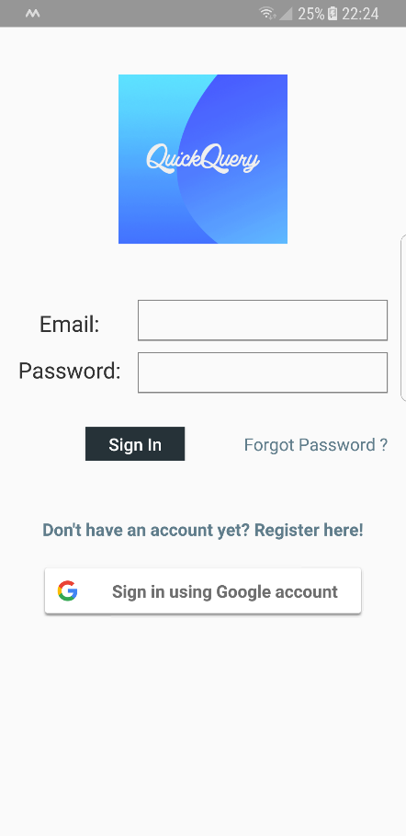 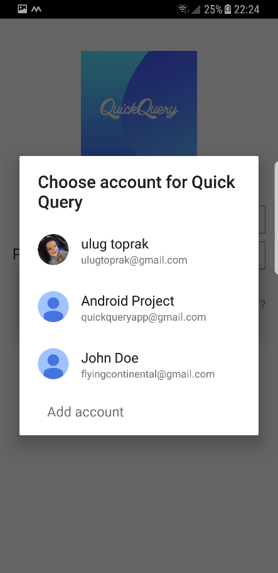 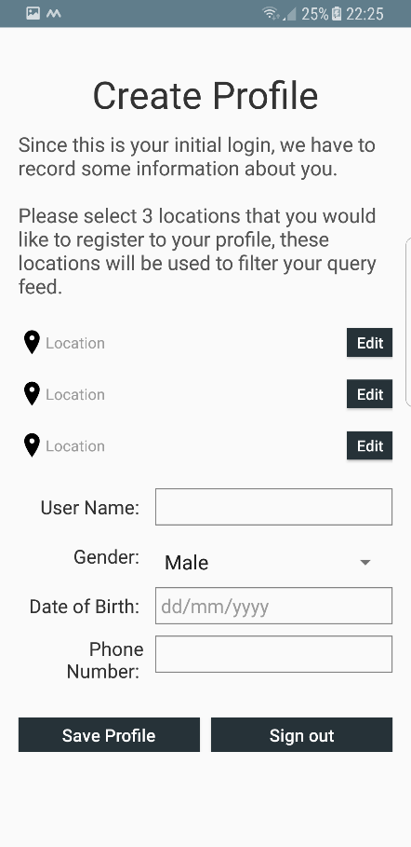 | 1. User clicks the "Sign in using Google account" button. 2. Application displays choose account dialog. 3. User directed to the Create Profile Activity | Valid Google Account Details | Login Succesful | Pass
Security Test | Register using email/password | 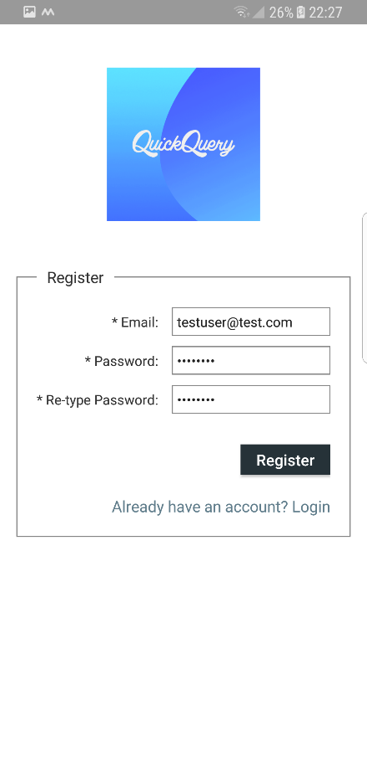 | 1. User click the registration link 2. Application navigates to the registration interface 3.User enters valid email and matching passwords and clicks register 4. User directed to the Create Profile Activity | Valid email address and matching passwords | Login Succesful | Pass
Security Test | Login using email/password | 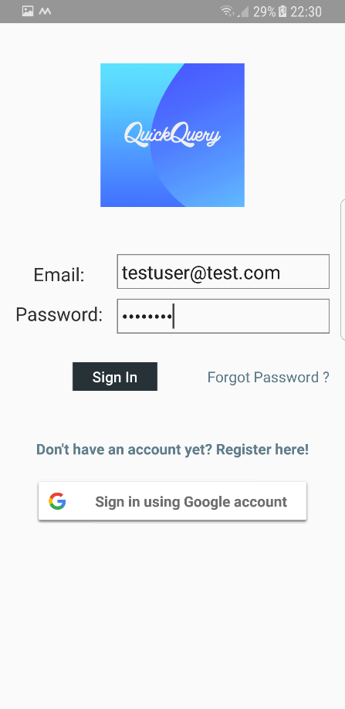
Security Test | Invalid User Details | 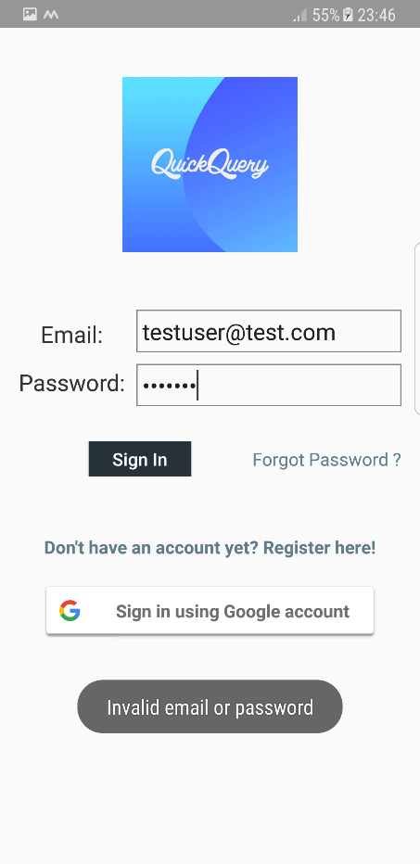 Previo | 1. User enters invalid email or password(previous registration required) and clicks sign in 2. Application displays and Invalid login details message | Invalid login details | Invalid email or password message | Pass
Security Test | Sign Out from the app |  | 1. User click the signout button 2.Application displays login screen | User must be logged in with valid credentials | Login page display | Pass
User Acceptance Test | Fill and save profile | 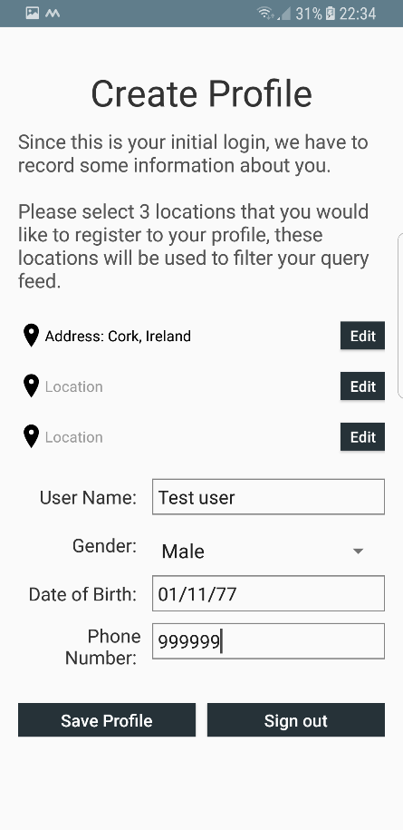 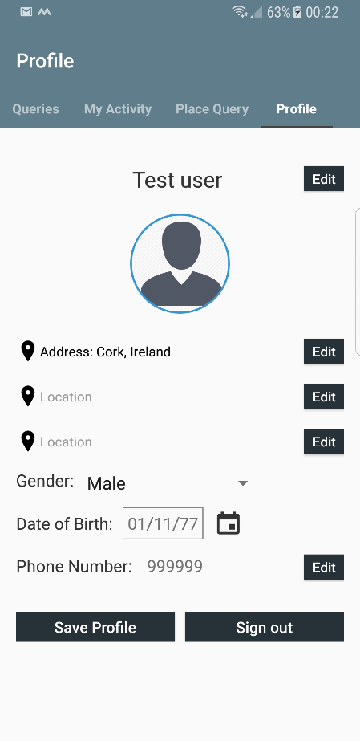 | 1. User Fills required fields and click save profile 2. application displays Profile screen | User must be logged | Display Profile screen | Pass
User Acceptance Test | Edit profile fields | 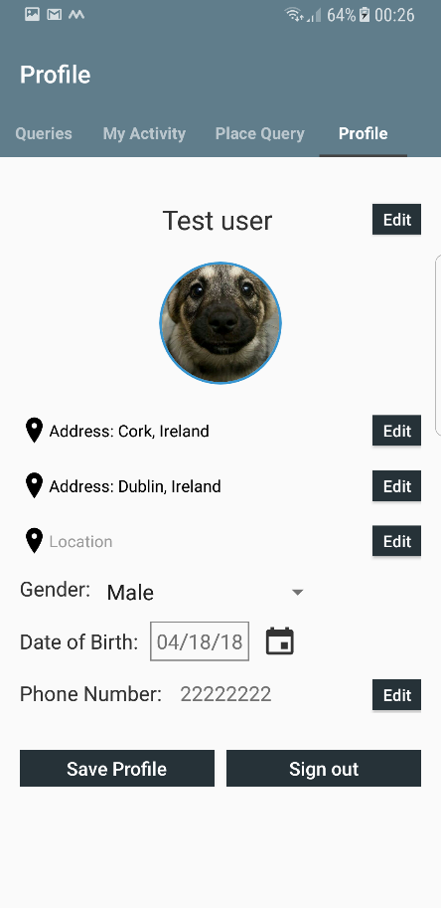 | 1. User edits fields in profile page and clicks save profile 2.Application updates fileds and displays the updated profile screen | New location, Profile picture, Different phone number | Updated profile screen with the entered data | Pass
Unit Test | Place a query | 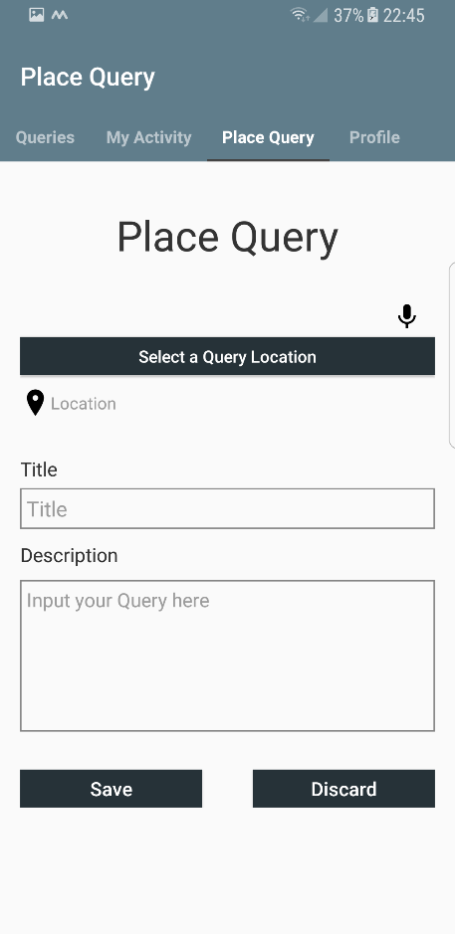 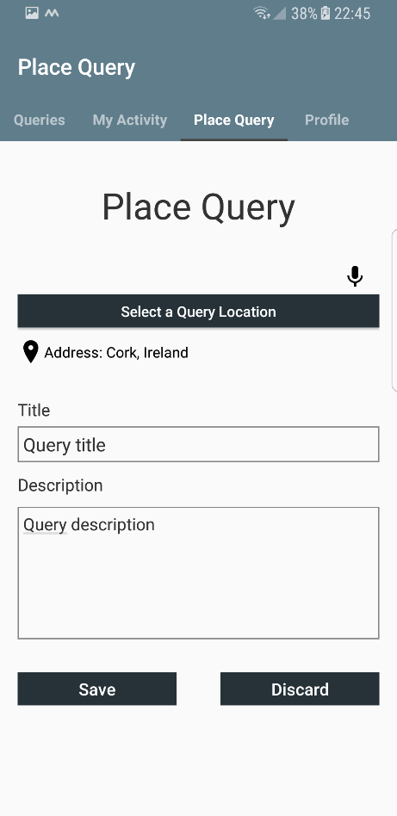 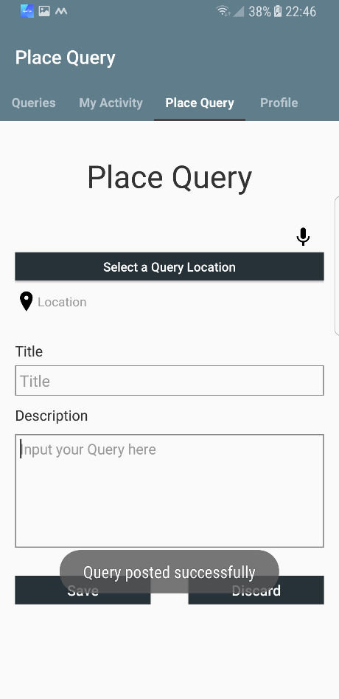 | 1. User clicks/swipes to place query screen 2. User fills in the fileds, selects a location and clicks save. 3. Application displayes a success message and notifications are sent | Location, title and description | Query posted sucesfully, message received and notifications are sent. | Pass
Unit Test | Edit a query | 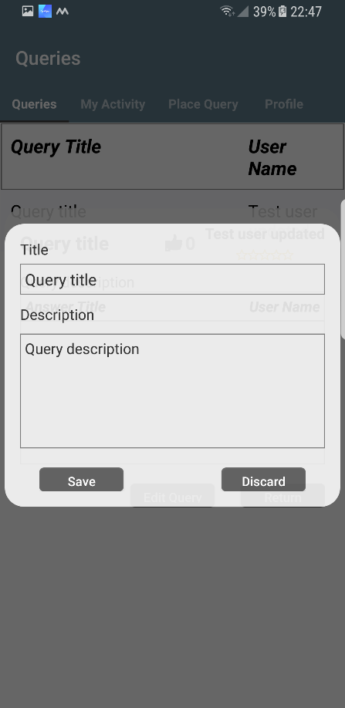 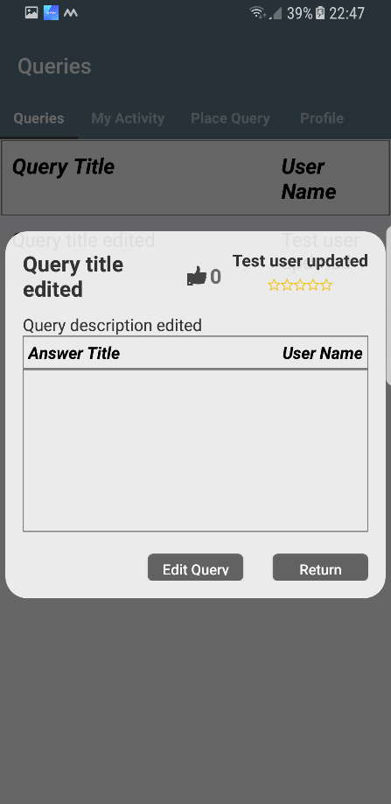 | 1. User clicks a already posted query 2. User clicks edit query 3. Applicattion shows the edited query | Updated information | Updated information displayed on the screen | Pass
Unit Test | Answer/Vote query | 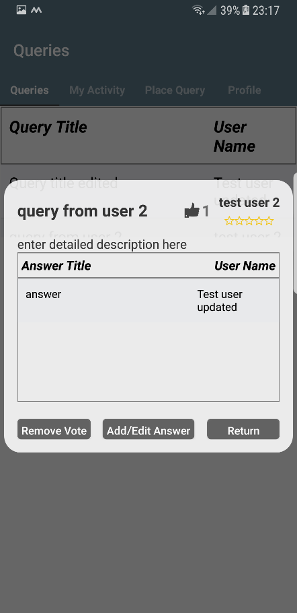 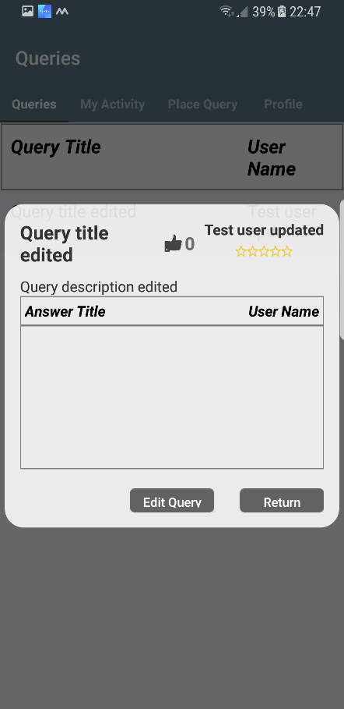 | 1.User clicks a query in queries screen 2. User clicks answer query, clicks upvote and/or an places answer 3.Application shows the upvote and/or the upvote number beside the thumbs up sign | Answer title and description | Number beside the thumbs up icon is increased by 1 and the answer is displayed | Pass
Unit Test | Speech recognition input | 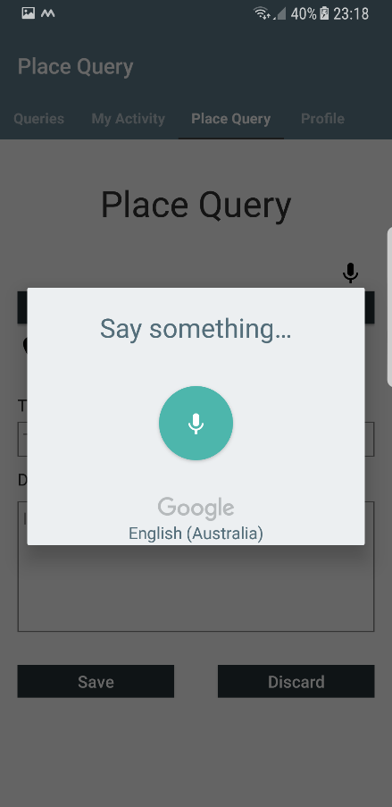 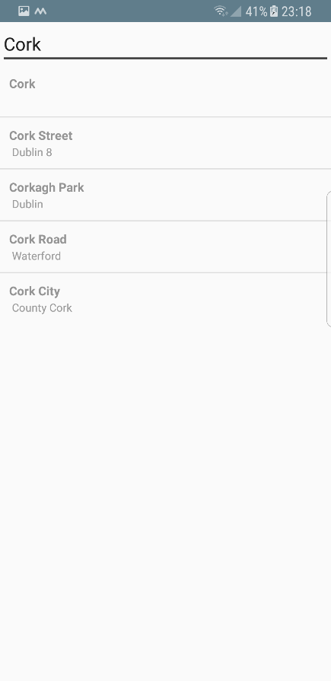 | 1. User clicks the microphone icon 2. Pop up dialog prompts for voice input 3. User speaks the name of the location 4.Application renders speech to a text and matches with locations | User speech entry | Locations are listed | Pass
Code Coverage | Delete query from my activities |   | 1. User clicks the my activity screen 2. User clicks the bin icon 3. Query is removed from the display | an exiting query belongs to the user | Query is removed from the display | Pass
Code Coverage | vote/ remove vote to an answer | 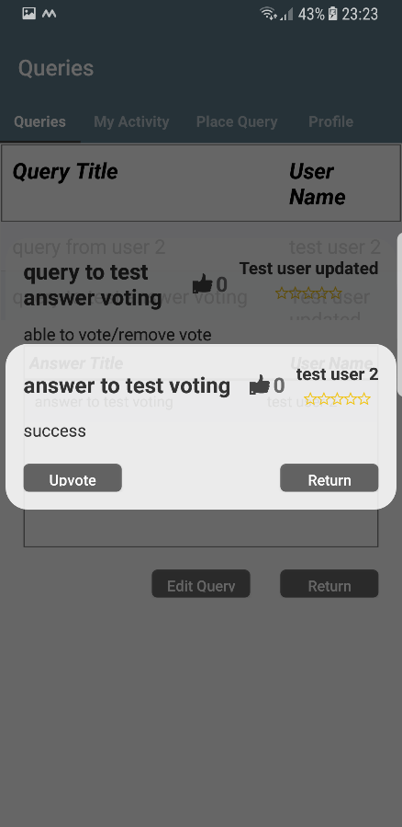  | 1. User clicks a query 2. Application display query and the answers 3. User clicks an answer 4. Application displays the answer details 5.User clicks upvote/remove upvote button 6.Application adds/removes vote | a query and an answer to it | Changes to the current vote is reflected on the screen | Pass
Code Coverage | User reputation progress | 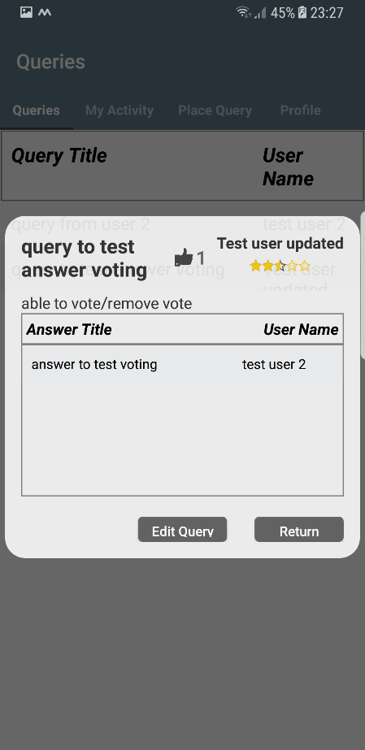 | 1.User upvotes an answer or a query of another user. 2. For every 5 upvotes application will add another half star to the users reputation field(or remove) | an Upvote | Stars increased by 0.5 | Pass
Code Coverage | No Internet connection handling |  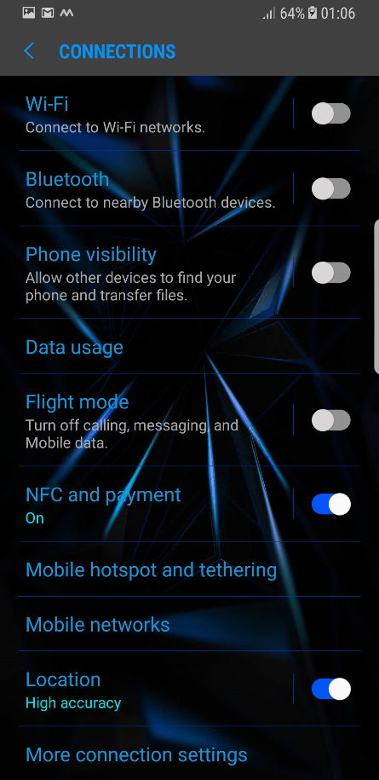 | 1.User clicks sign in button 2.If there is not network application will open the network settings of the host device | No internet connection | Connection settings menu opened | Pass
Code Coverage | Location services not enabled | 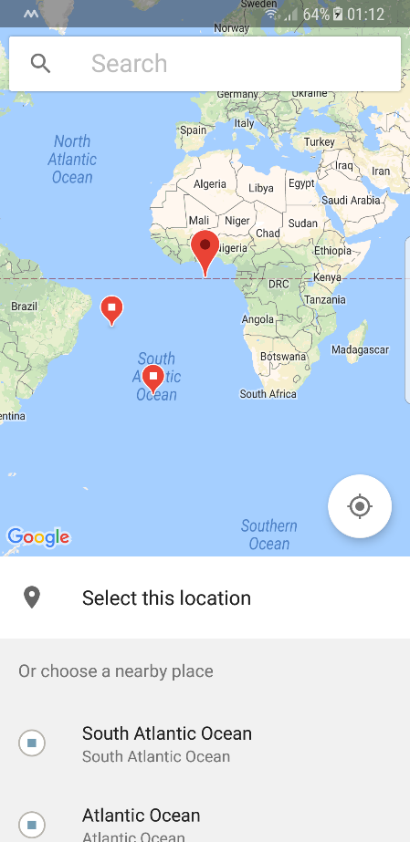 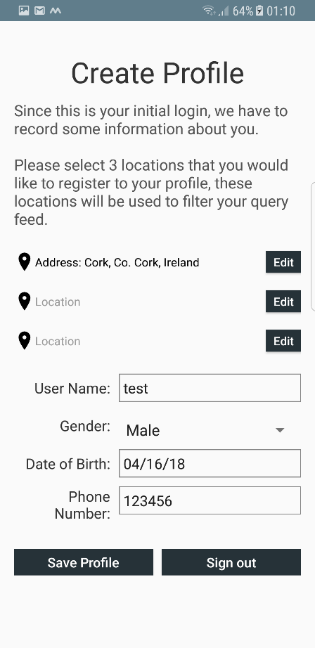 | 1. User clicks a select location button 2. Application will display network aided location map 3.User selects a location and saves it to their profile 4. Application will add the location to the users profile | a location selected from the maps | Location is added to the users profile | Pass

