Sheet1

Migration of Ubuntu VM -> RHEL
Steps to Migrate Ubuntu virtual machine to RHEL
Step1 : Perform Environment Discovery
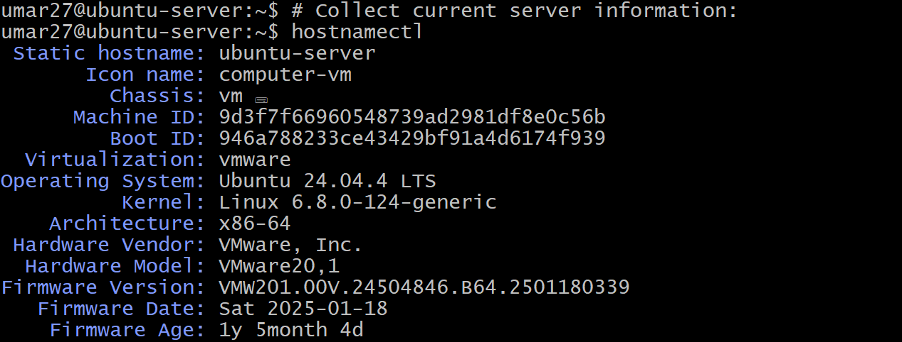
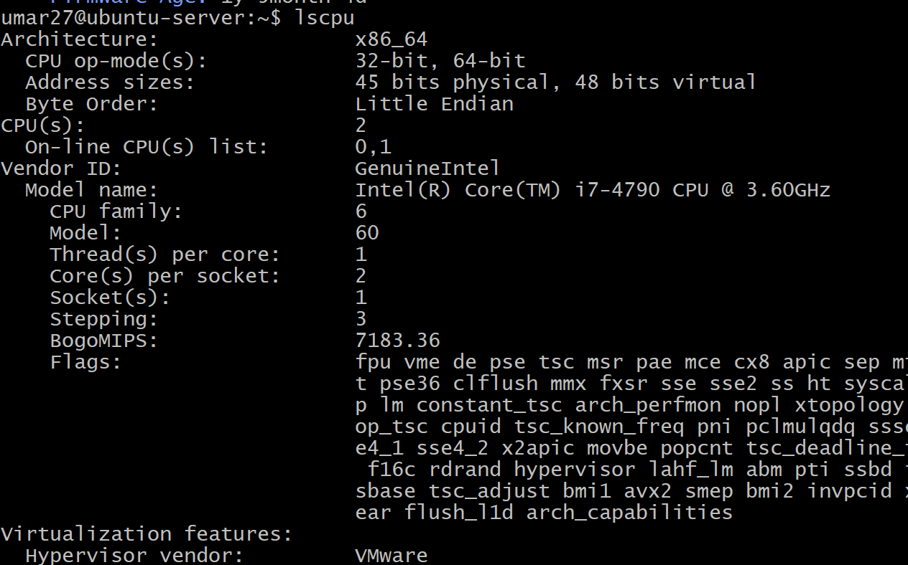

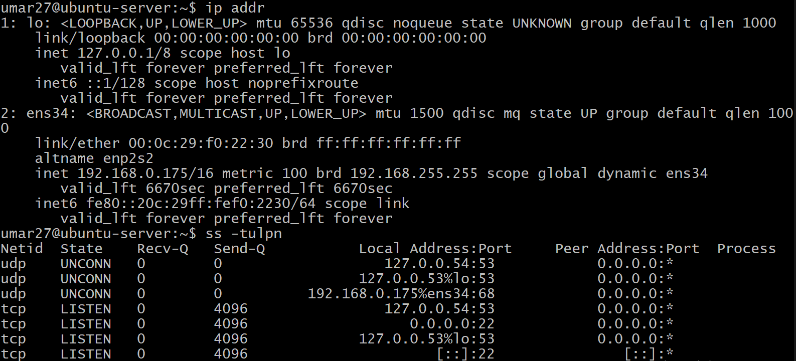
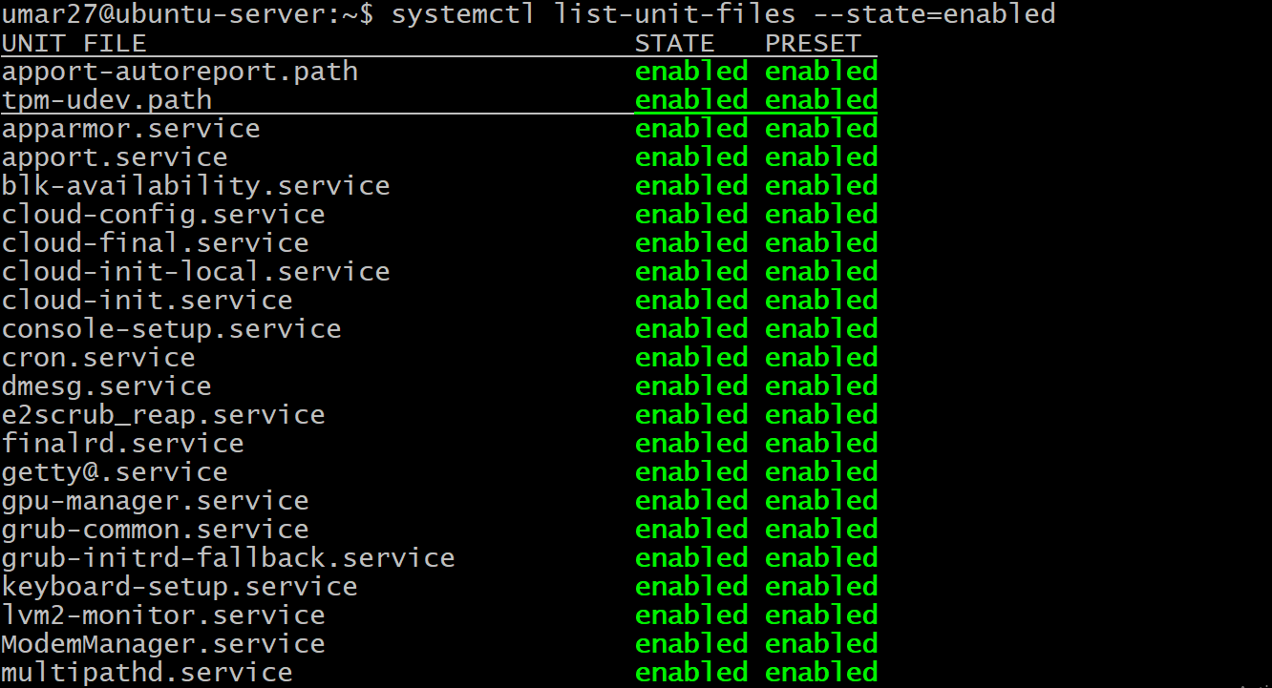
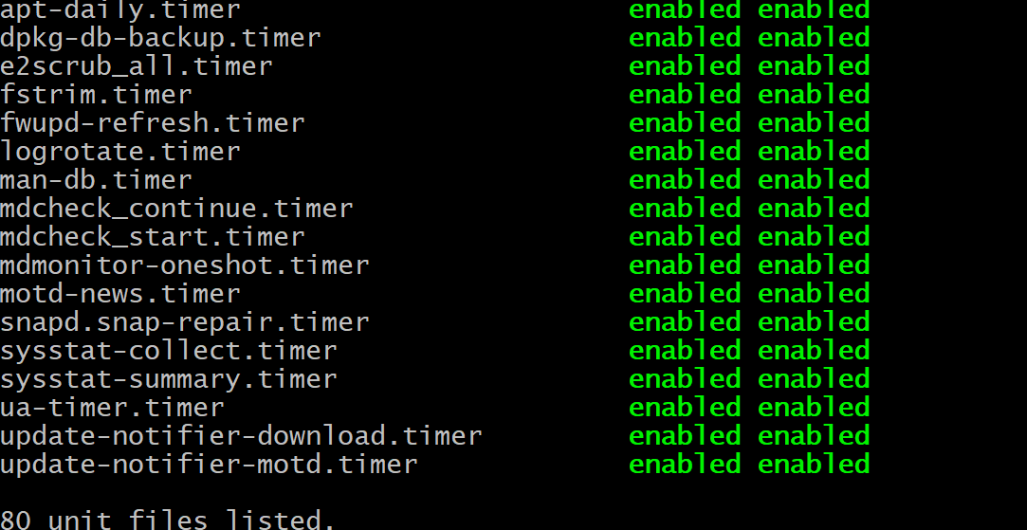
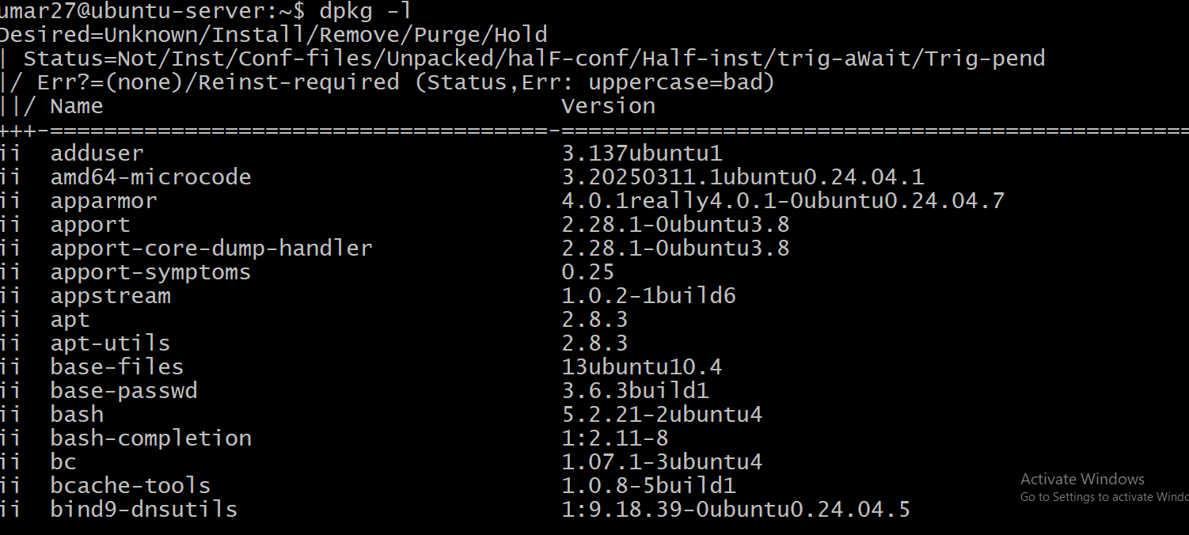
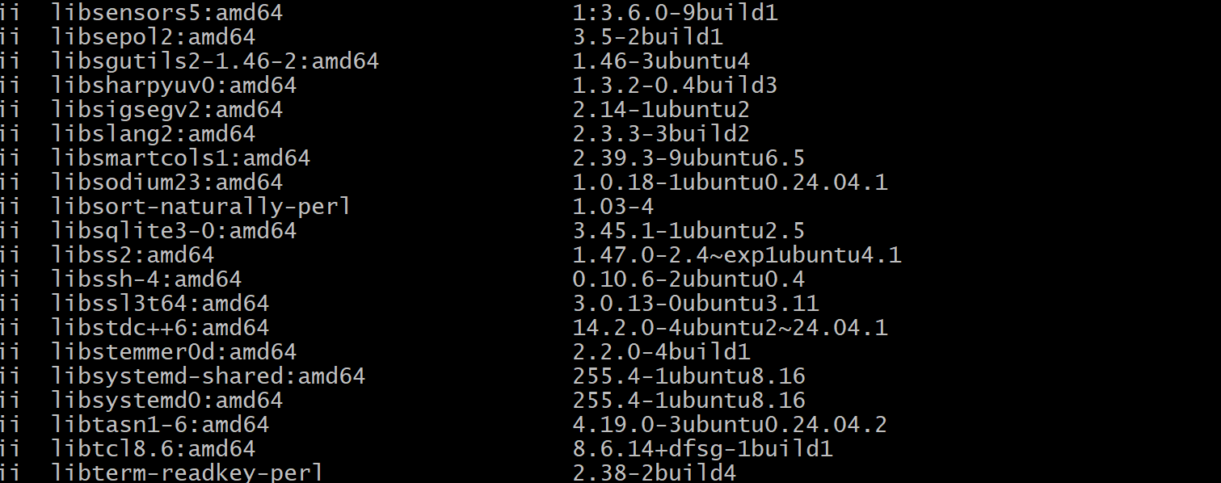
Step. 2 Create a backup directory

Step. 3 Backup Important Files
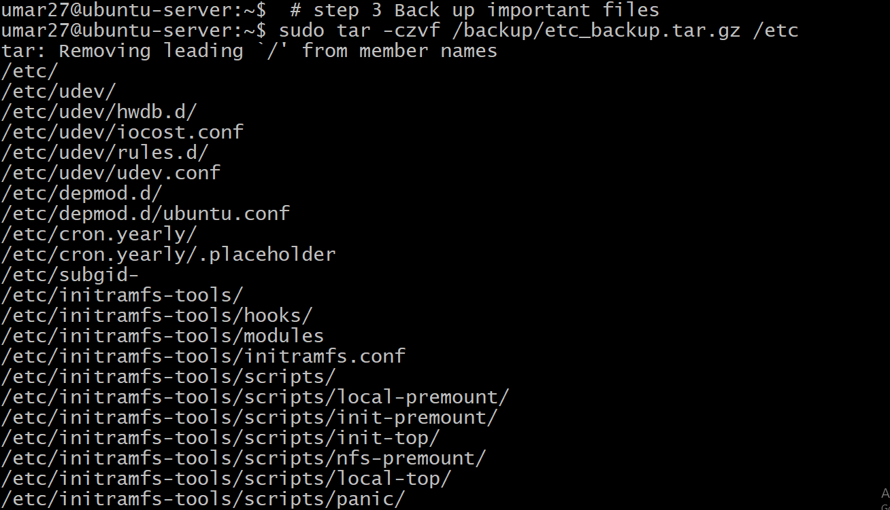

Step 4. Save Network Settings

Step 5. Save firewall rules

Step 6. Save cron jobs
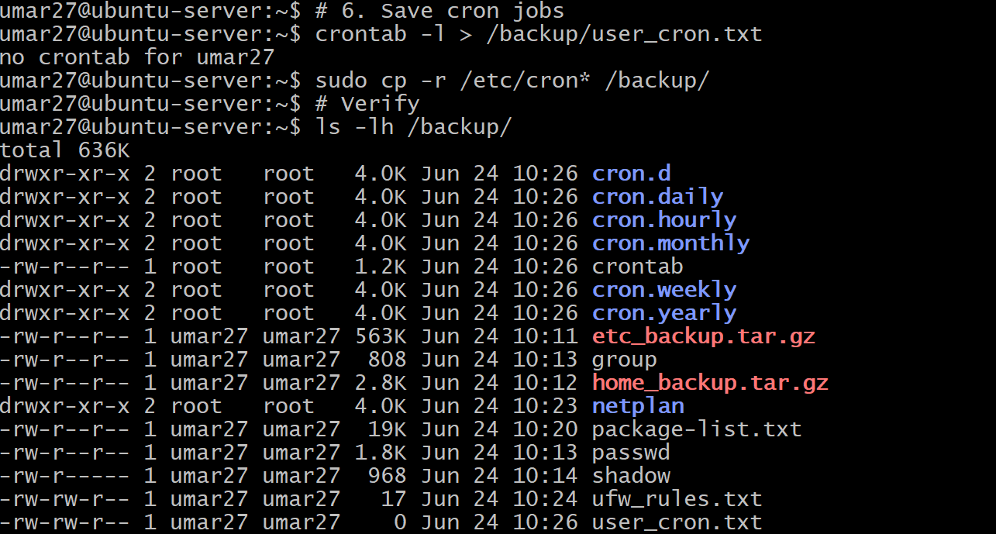
Phase 2: Build the target RHEL VM in VMware
Deploy New RHEL-Compatible VM Create a new VM in VMware with: Resource Recommended CPU 2 vCPU RAM 2–4 GB Disk 25–30 GB Network Same network as source Install one target OS: Red Hat Enterprise Linux
Step 7. Prepare the RHEL server
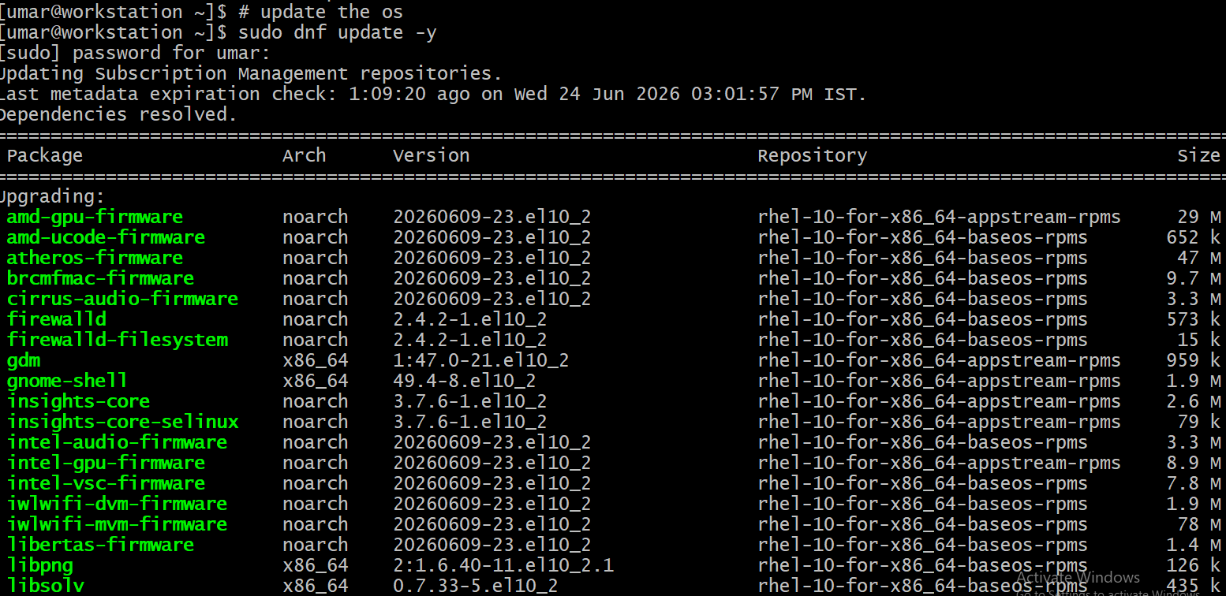
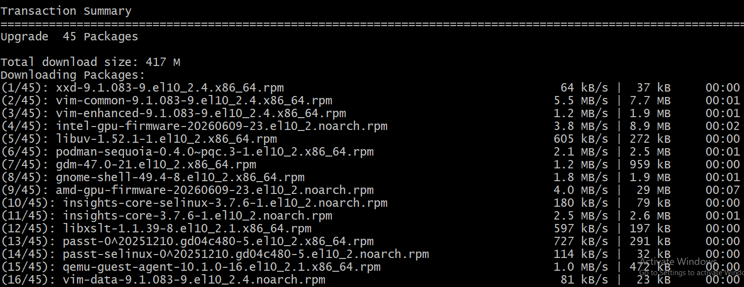
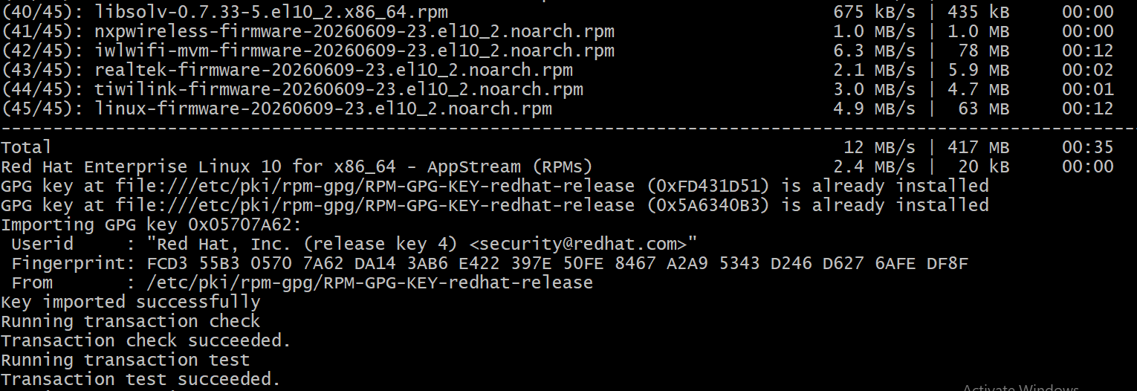
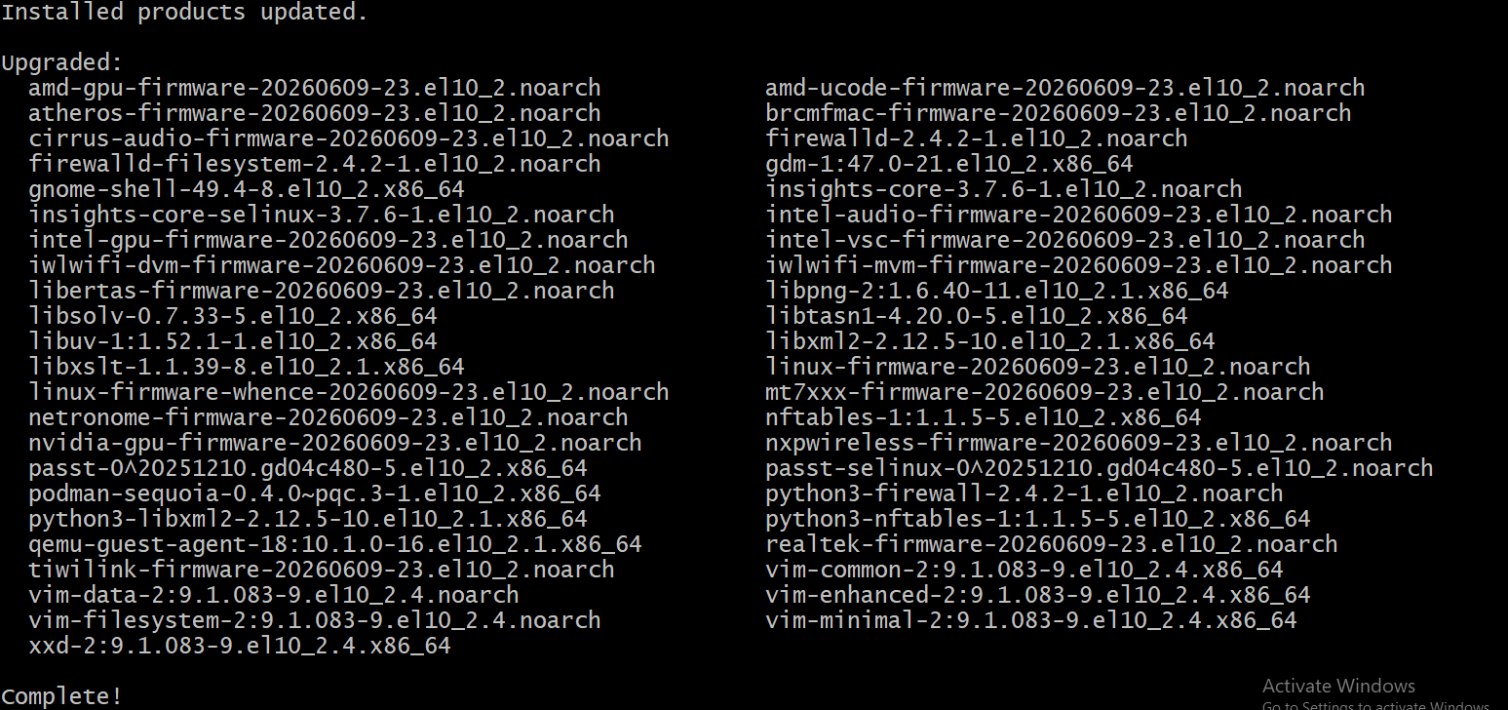
Step 8 . Install Required Packages
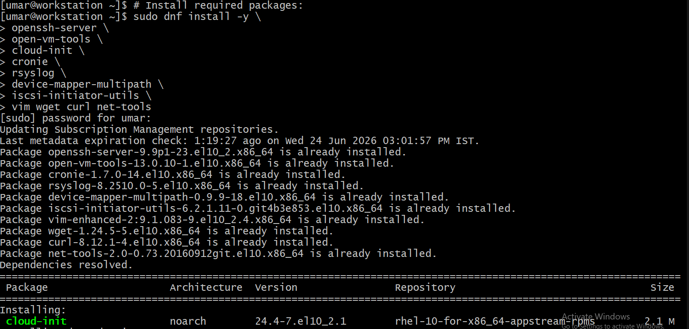
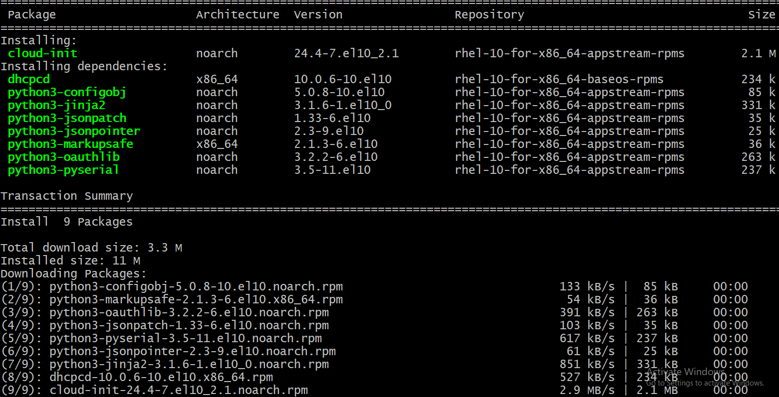

Step 9. Enable required services

Step 10. Verify there are no failed services

Step 11. Find the RHEL IP address

Step 12. Open SSH through firewall

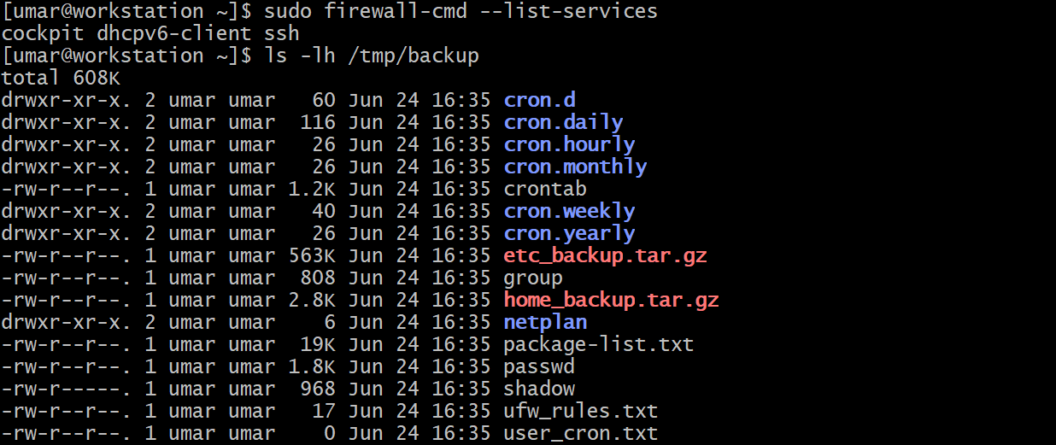
Step 13. Restore User home data

Step 14. Create required Users

Step 15. Compare Ubuntu packages with RHEL
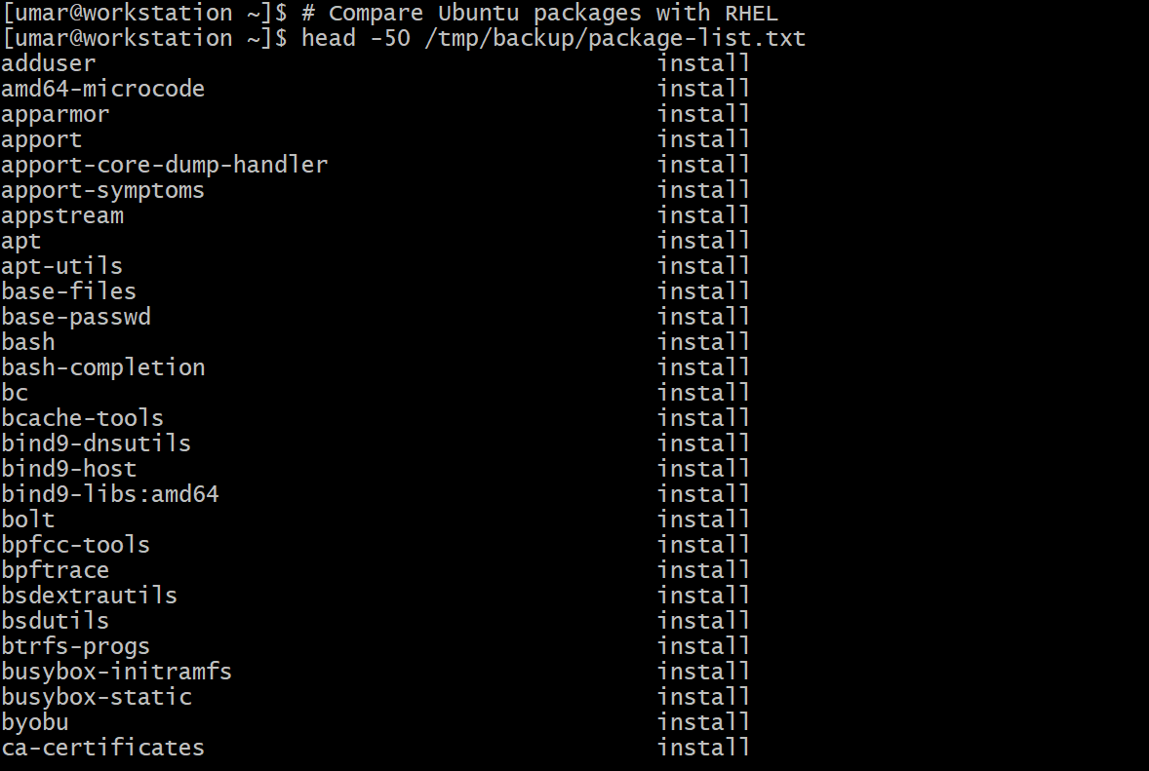
Step 16. Validate Services

Step 17. Verify disk and memory
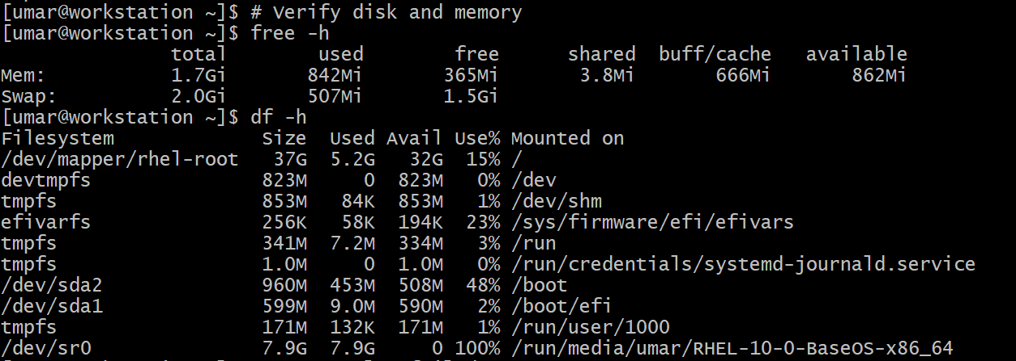
Step 18. Clean up the RHEL VM & unmount the installation media uncheck connected
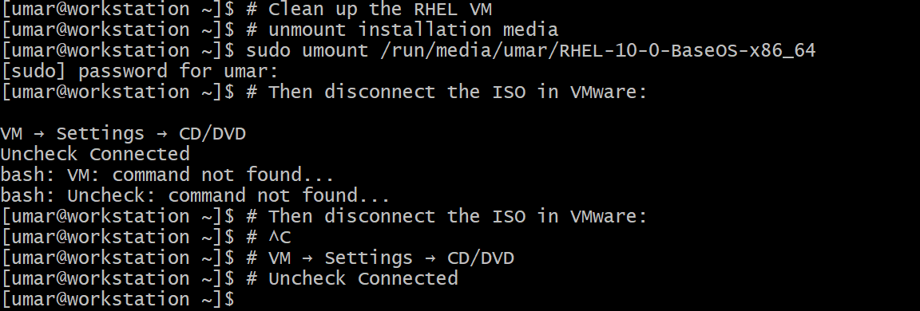
Step 19. Take a VMware snapshot on RHEL VM

Step 20. Test SSH from ubuntu to RHEL

Step 21. Verify user home and permissions

Step 22. Review Package inventory for applications

Step 23. Shutdown the Ubuntu VM

