Sheet1
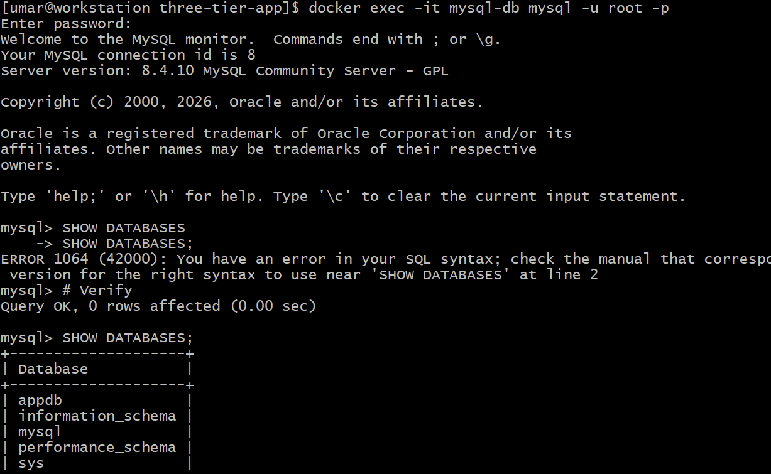
Deploying 3 Tier Application
Steps to Deploy 3 tier application
Step 1. Prepare RHEL 10.2 VM and Update Packages

Step 2. Install Required tools
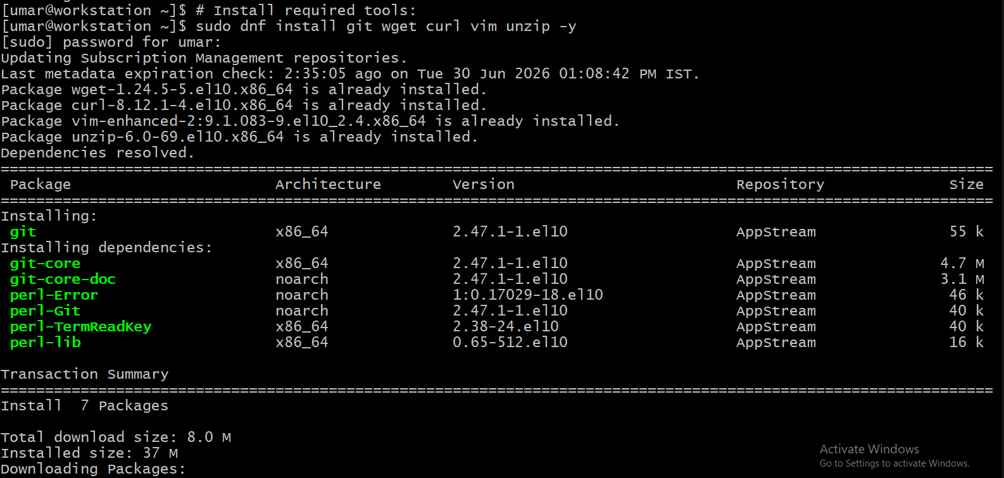
Step 3. Install Docker
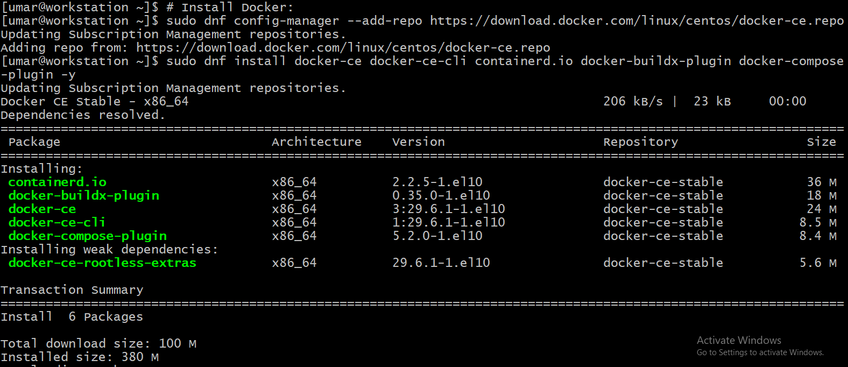
Step 4. start docker and check status of docker

Step 5. Add current user to docker group and verify docker version

Step 6. Create Directory Structure

Step 7. Create frontend (Nginx)

Step 8. Create nginx config
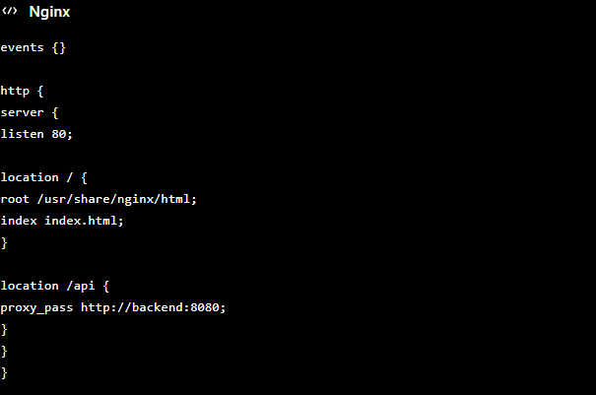
Step 9. Create Backend app

Step 9. Create Docker File

Step 10. Database Layer

Step 11. Create Docker-compose.yml

Step 12. Run Docker containers and verify running containers

Step 13. Test FrontEnd , Backend in Browser

Step 14. Test Database

