Sheet1
Upgrading Rhel,CentOS,Ubuntu to Latest Versions
Steps to Upgrading Rhel10 to Latest Version
Step 1. Check the current kernel version and rhel os version
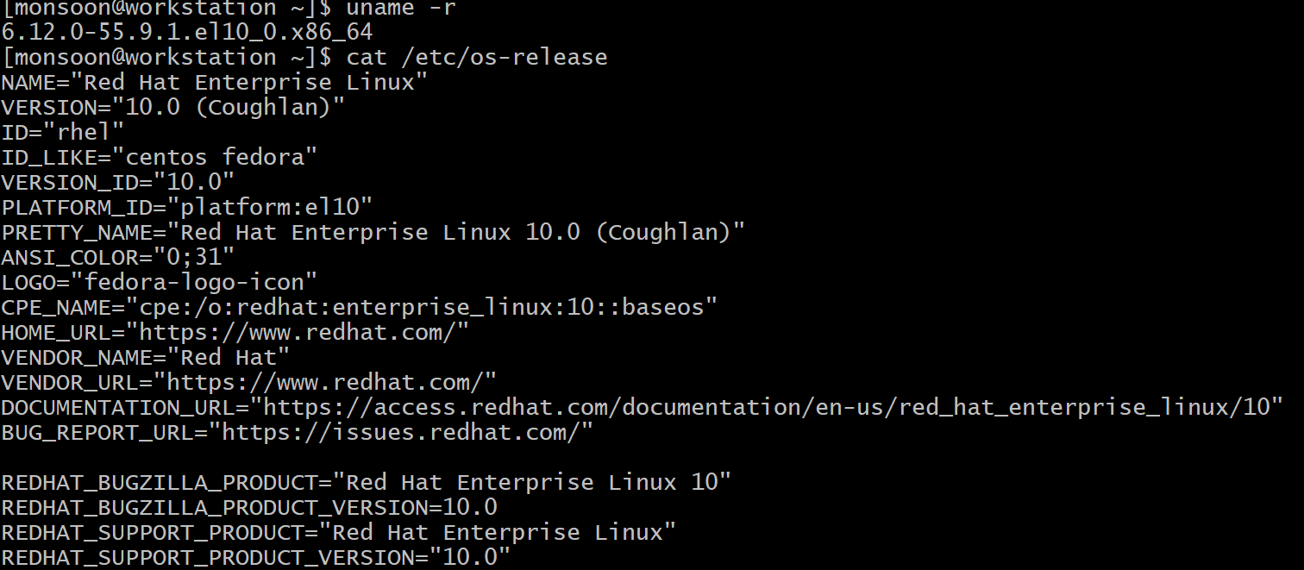
Step 2. Check Upgrades are whether Upgrades are available.
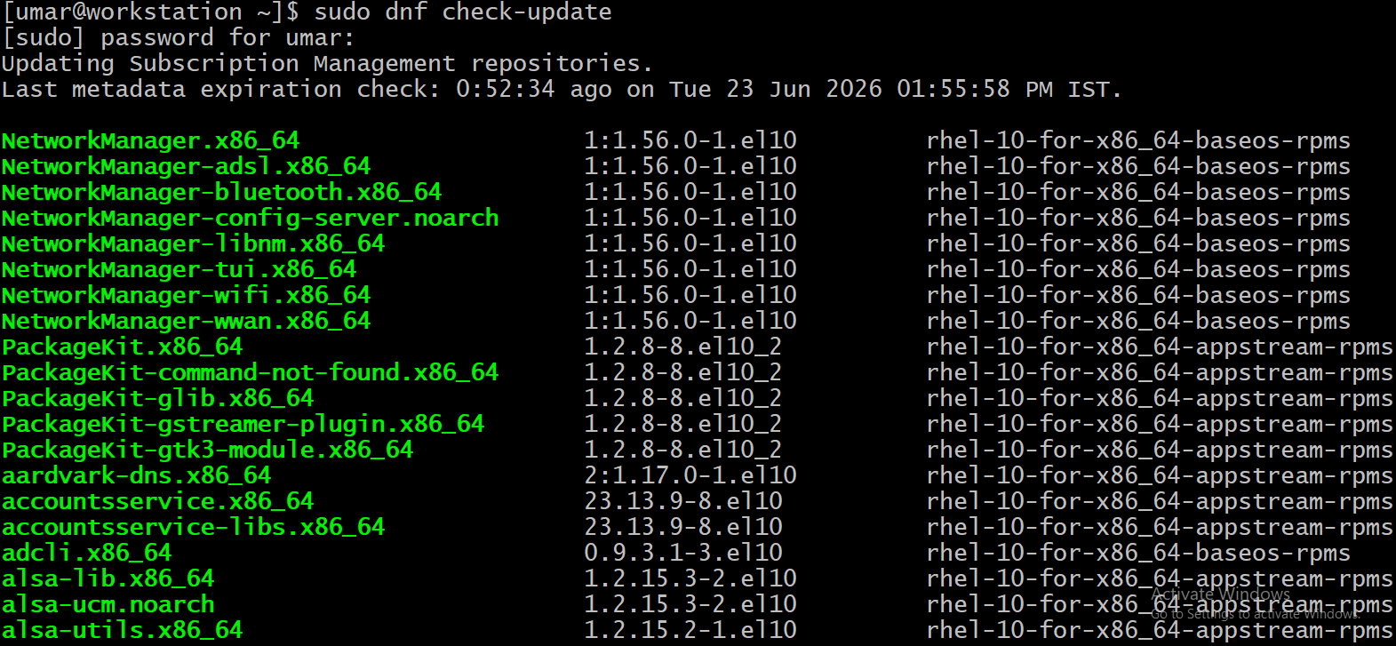
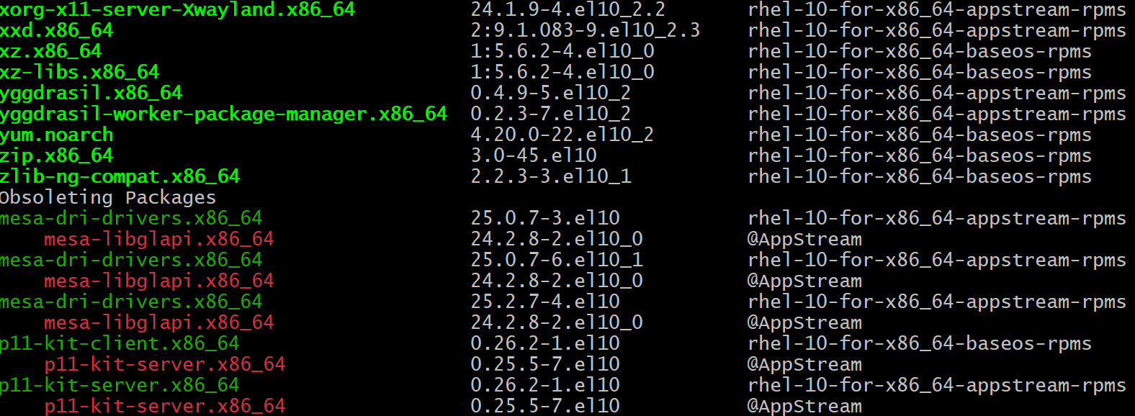
Step 3. Upgrade to Latest Version
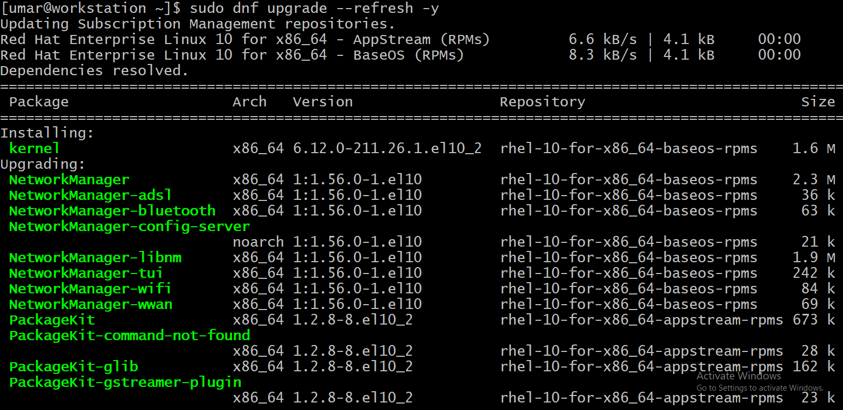
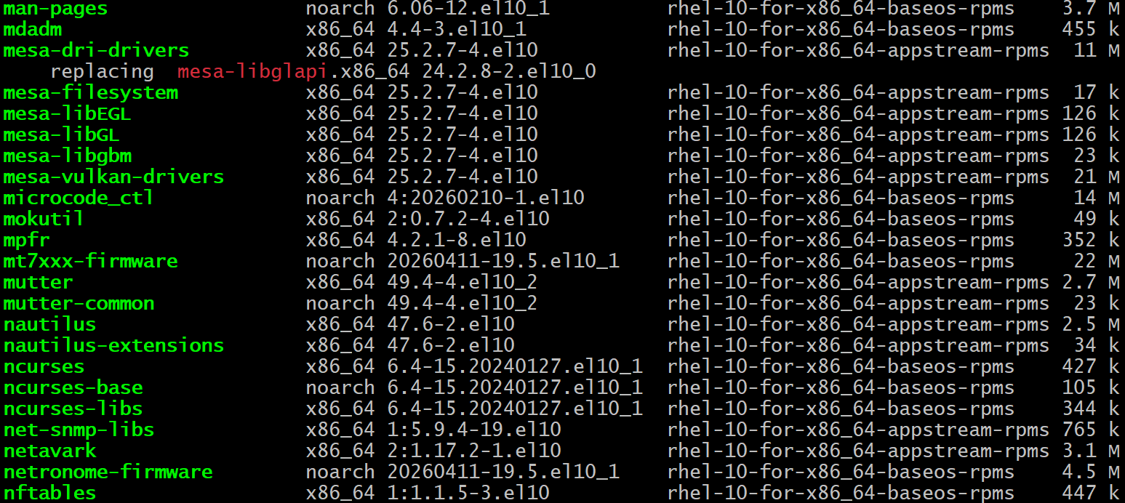

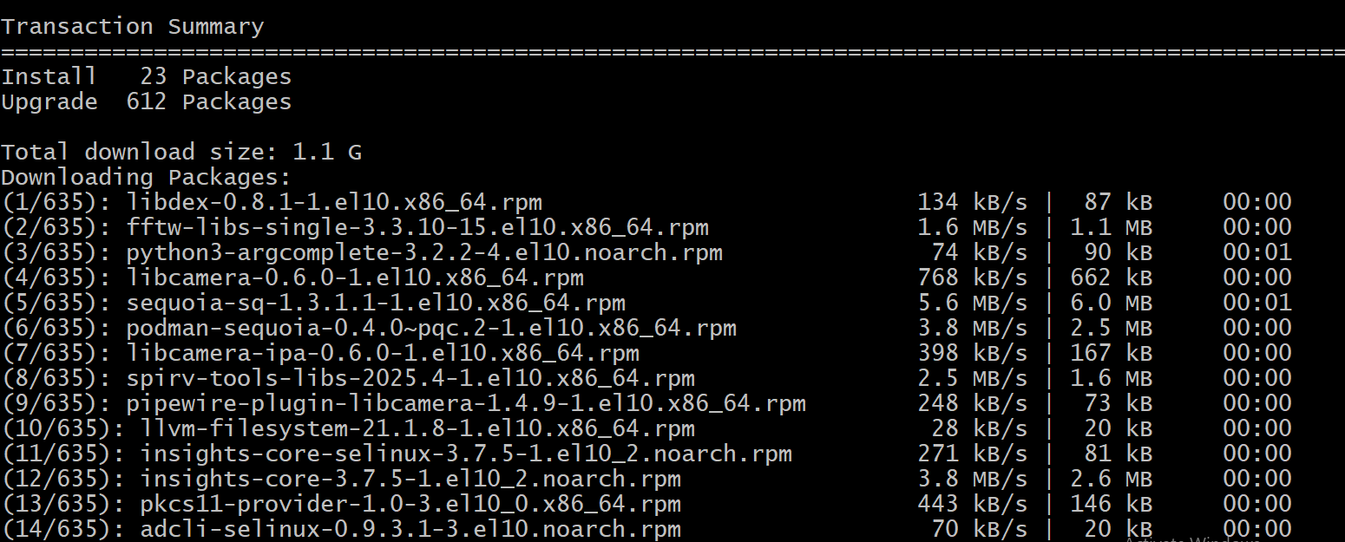

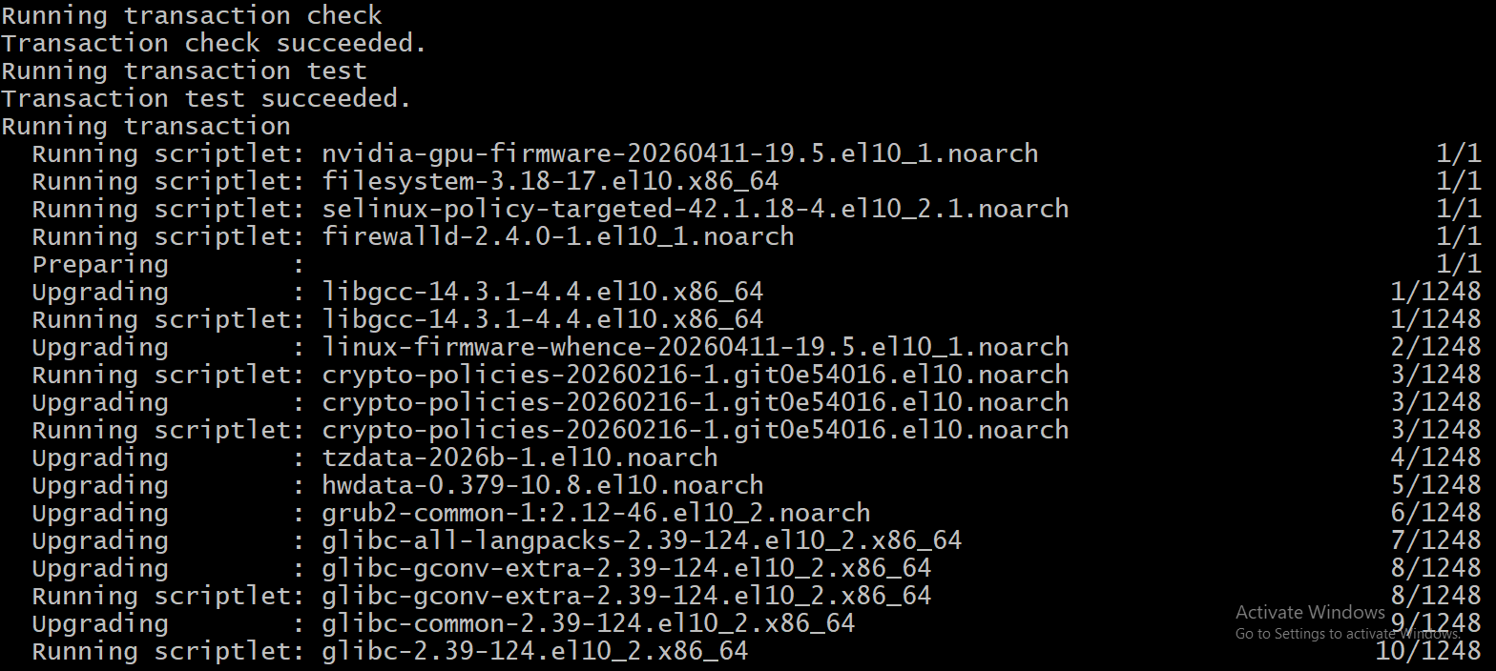

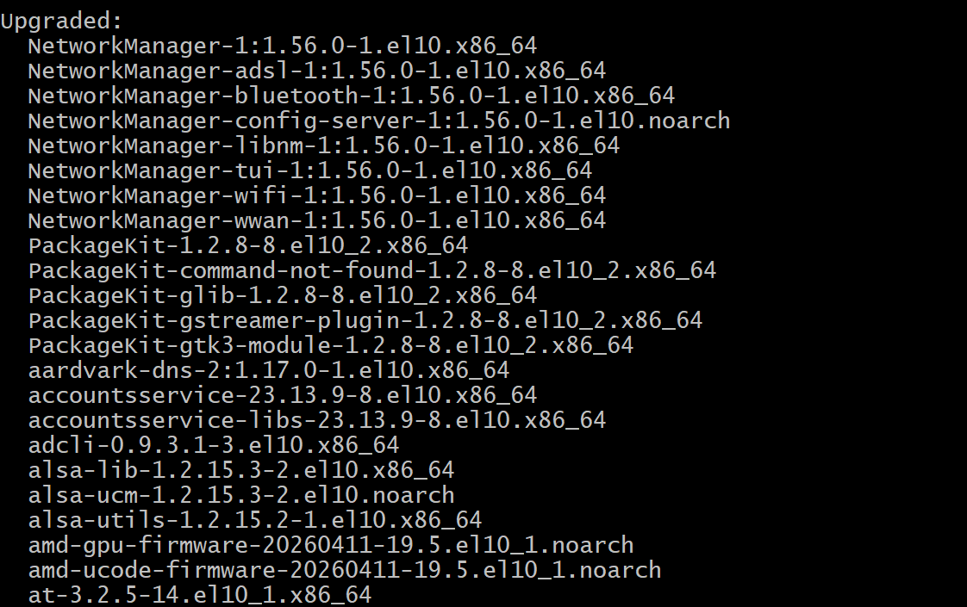
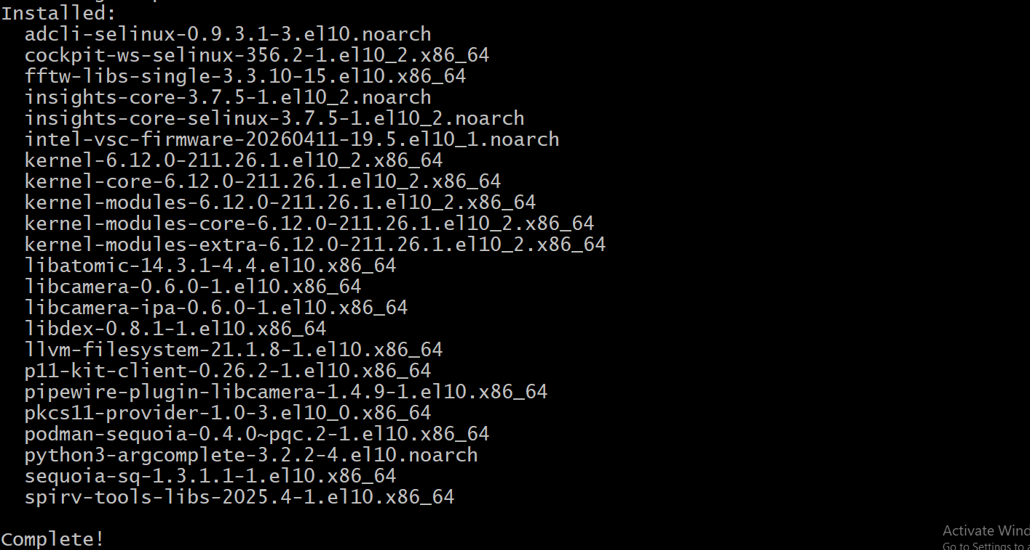
Step 4. Boot into the new Kernel

Step 5. Verify Upgrade

Step 6. Ensure if any updates are pending

Step 7. Confirm Upgrades are Latest.

Steps to Upgrading CentOS to Latest Version
Step 1. Verify Current OS Version

Step 2: Refresh repository metadata

Step 3: Check available updates
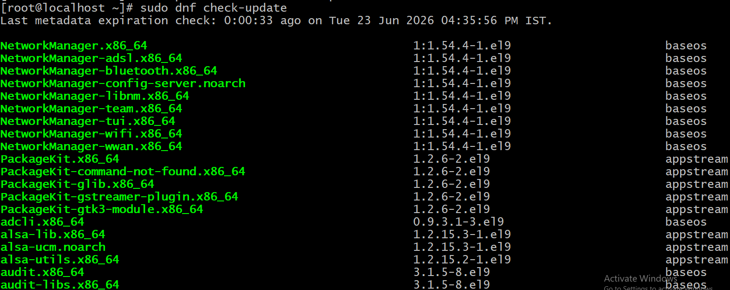
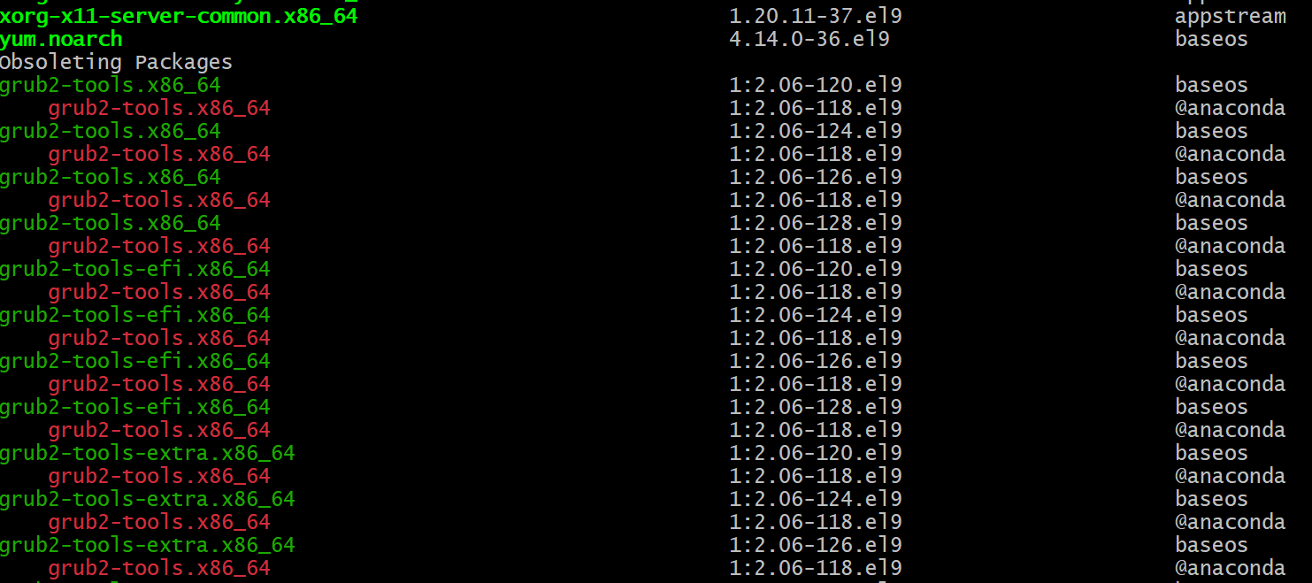
Step 4: Synchronize with the latest CentOS Stream packages
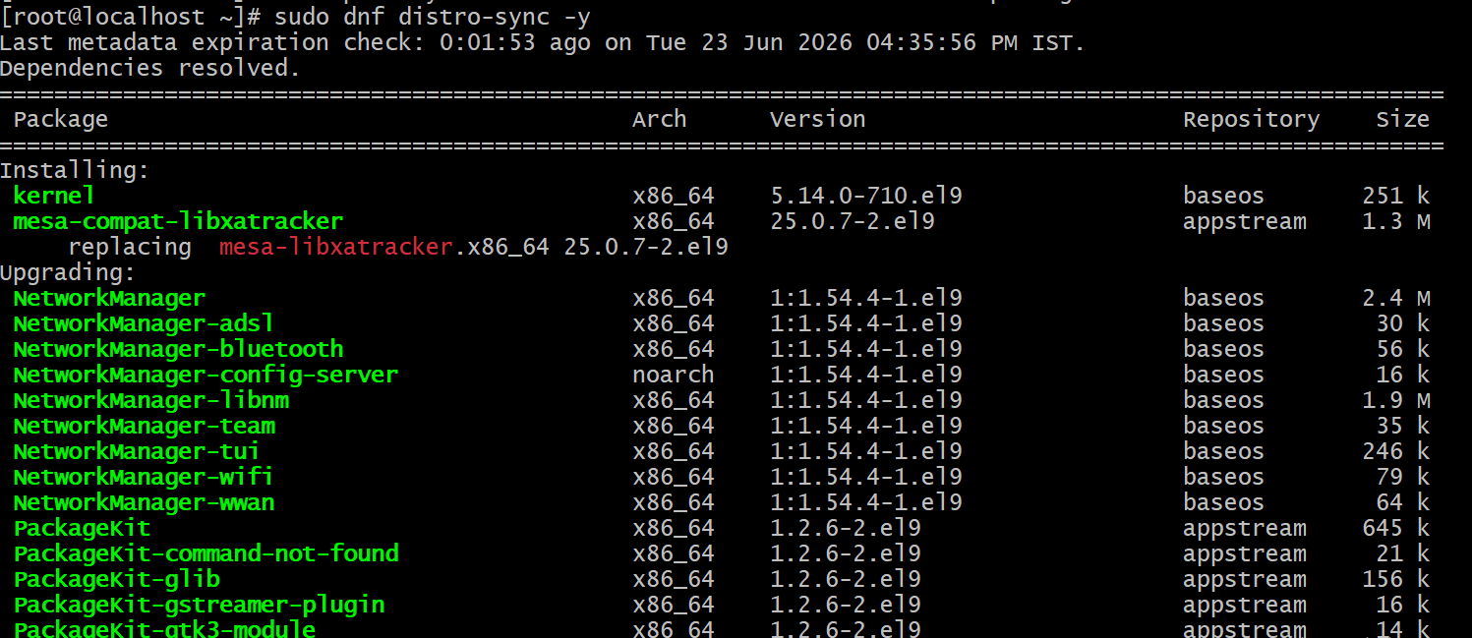

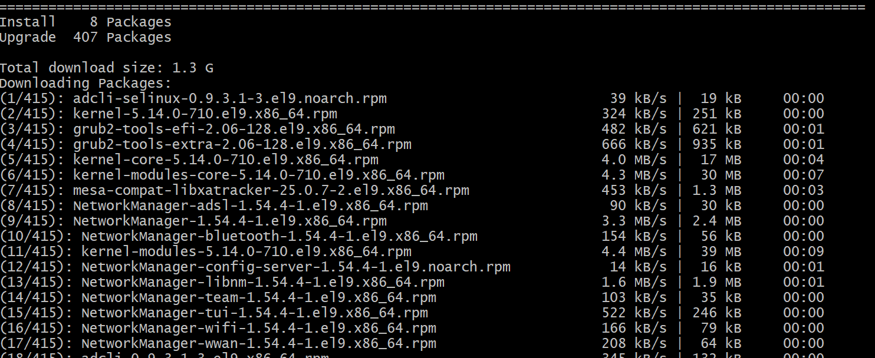

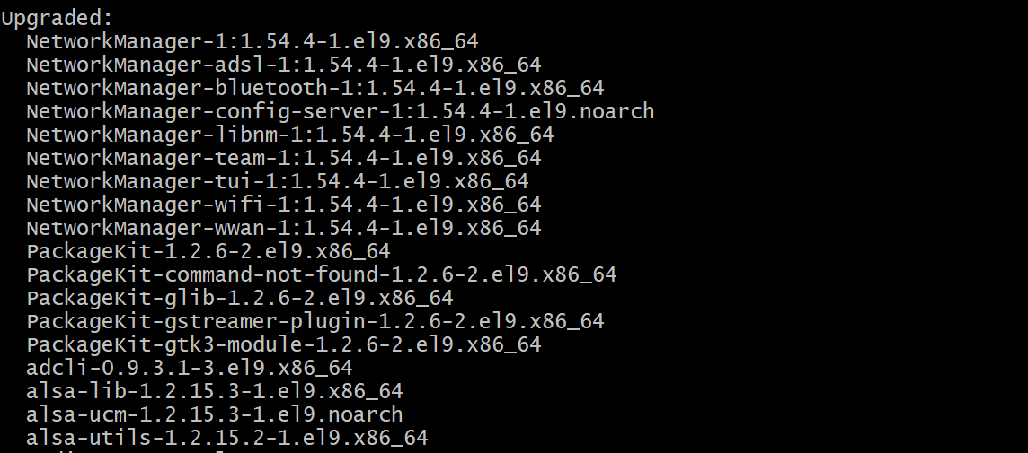

Step 5: Reboot the system

Step 6: Verify the upgrade
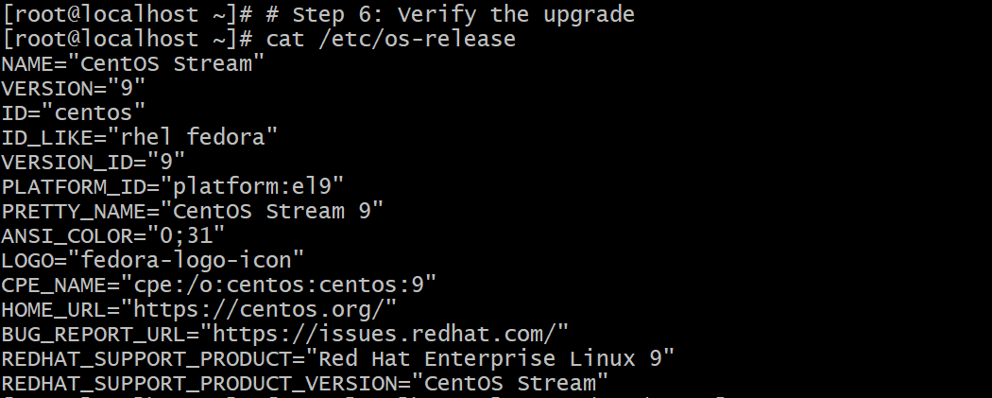
Step 7: Verify no updates remain

Step 8: cleanup unused packages
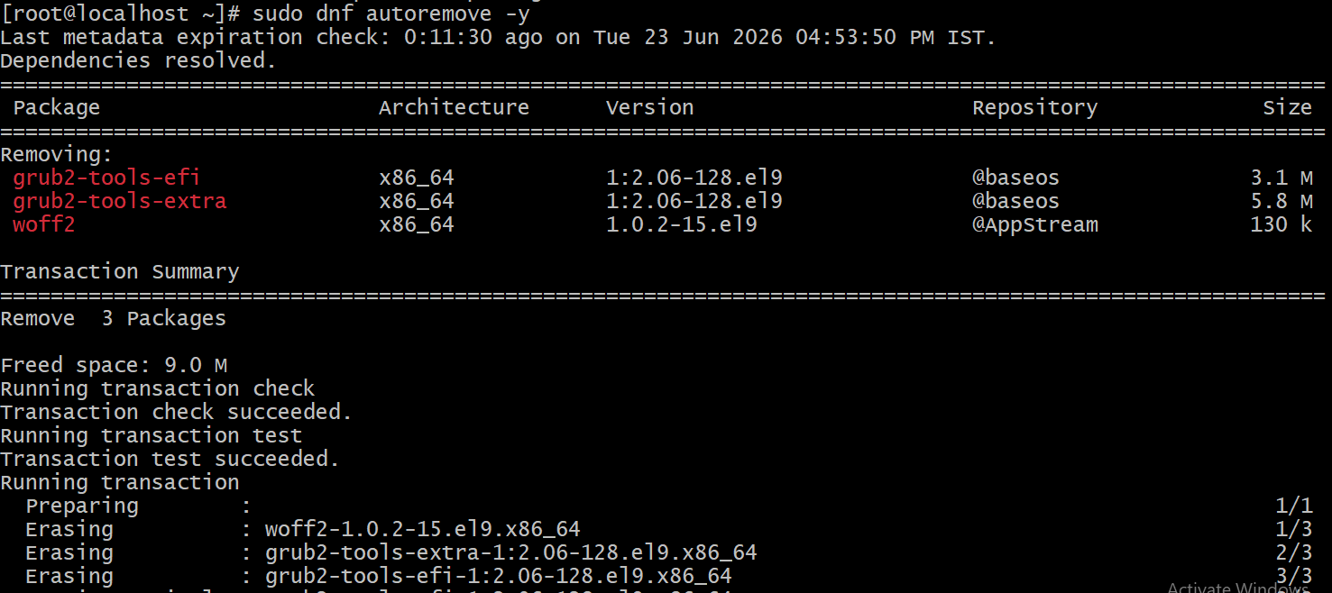

Steps to Upgrading Rhel10 to Latest Version
Step 1. Verify Current OS Version

Step 2: Refresh package repositories
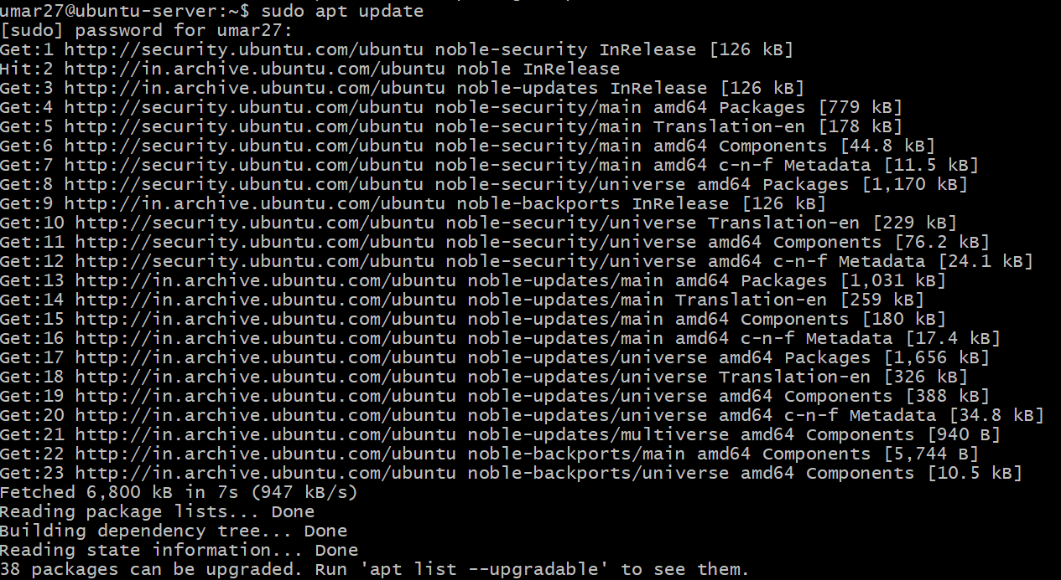
Step 3: Install all available updates
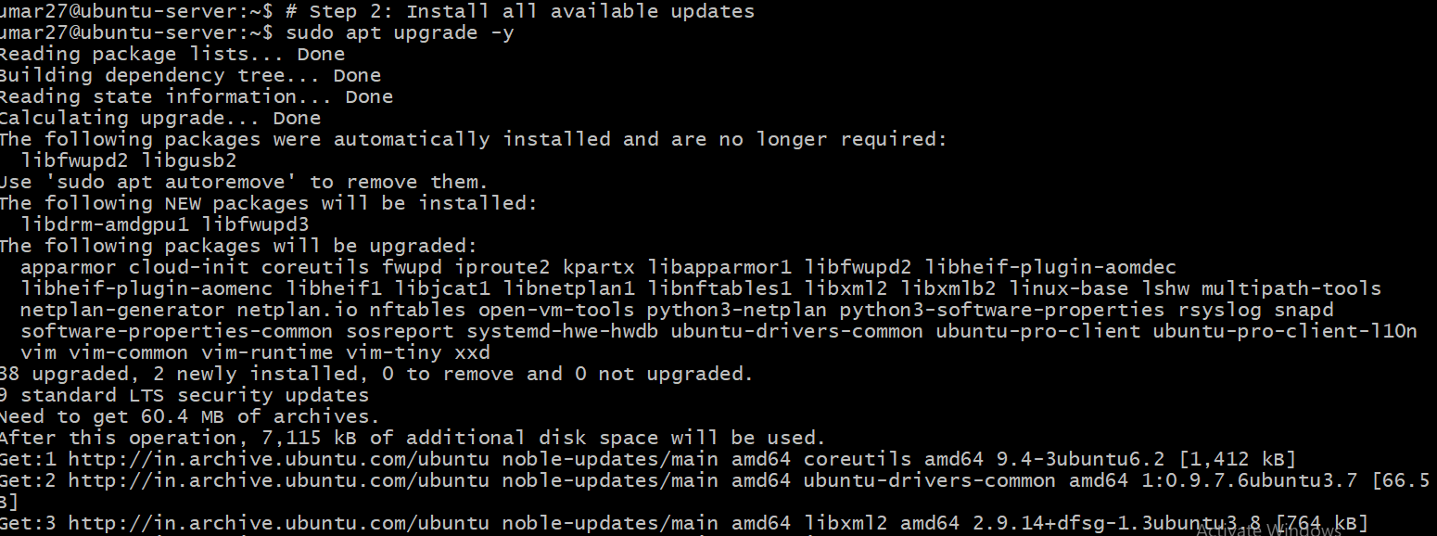
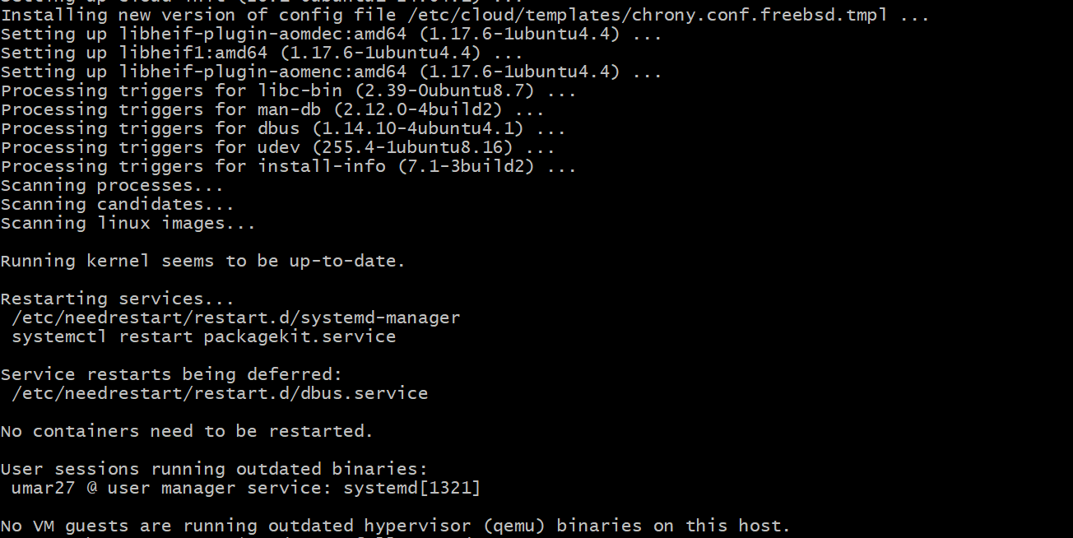
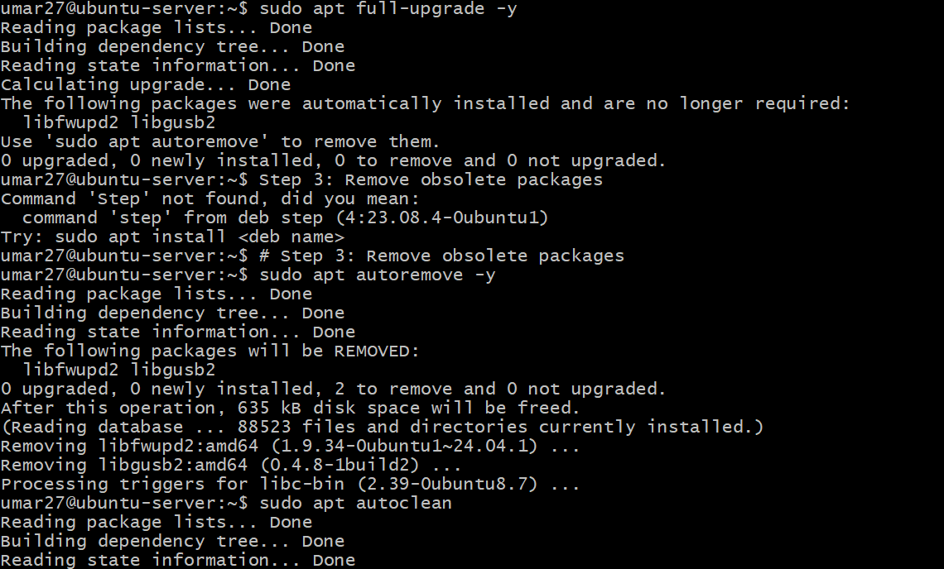
Step 4: Reboot the system

Step 5: Verify the upgraded system

Step 6: Confirm nothing remains to update

