Sheet1
Install ESXI Hypervisor,RHEL,CentOS,Ubuntu
A hypervisor is software (or firmware/hardware) that allows multiple virtual machines (VMs) to run on a single physical computer. It creates and manages virtual versions of computers, letting each VM have its own operating system and applications while sharing the same hardware. There are two main types: Type 1 (Bare-Metal) Hypervisors Run directly on the physical hardware. Common in servers and data centers. Examples: VMware ESXi, Microsoft Hyper-V. Type 2 (Hosted) Hypervisors Run as applications on top of an existing operating system. Common for development, testing, and personal use. Examples: Oracle VM VirtualBox, VMware Workstation.
Let's go through Step 1 (download) and beyond in full detail.
Step1 : Download the ESXi installer ISO**
1. Open a browser and go to **support.broadcom.com**.
2. If you don't have an account, click **Register** and create one. You'll need a valid email; Broadcom sends a verification link.
Note: a few people have reported account creation issues if their name contains accented characters — if that happens, try without special characters or use a slight variation, then contact Broadcom support to fix it later
3. Once registered, log in to the portal.
4. Look for **My Downloads** in the top navigation or account menu.
5. On the downloads page, you should see a box or banner that says something like **"Free Software Downloads available HERE"** — click it.
This is the section that hosts the no-license-required software, separate from the paid product catalog.
6. In the search bar, type **"VMware vSphere Hypervisor"** (this is the official name for free ESXi, not "ESXi" directly — searching just "ESXi" may take you to the paid vSphere product line instead).
7. You should see an entry for **ESXi 8.0 Update 3e** (the current free release). Click on it to expand the version/download options.
8. You'll be asked to **accept the Terms and Conditions** (a checkbox). Check it.
9. Click the **Download** button next to the ISO file. The file will be named something like `VMware-VMvisor-Installer-8.0U3e-xxxxxxx.x86_64.iso`. It's roughly 350-500MB, so it'll download quickly on most connections.
10. Once downloaded, it's good practice to verify the file isn't corrupted — Broadcom usually lists a SHA256 checksum next to the download link.
On Windows you can check it via PowerShell with `Get-FileHash filename.iso -Algorithm SHA256`, and on Mac/Linux with `shasum -a 256 filename.iso`. Compare the output to what's listed on the portal.
**Step 2 : Create a bootable USB drive from the ISO**
1. Get a USB drive with at least 8GB capacity. Back up anything on it first — this process will erase it completely.
2. Download a USB-writing tool:
**Rufus** (Windows only) from rufus.ie — this is the most commonly used tool for ESXi specifically.
3. Plug in your USB drive.
4. Open Rufus (or Etcher):
- In Rufus: under "Device," select your USB drive (double-check you've picked the right one — it'll be wiped). Under "Boot selection," click **SELECT** and choose the ESXi ISO you downloaded.
Leave partition scheme as **GPT** and target system as **UEFI** (or MBR/BIOS if your machine is older and doesn't support UEFI boot). Click **START**. Rufus may prompt about writing in ISO mode — choose that option since ESXi needs the structure preserved exactly.
5. Wait for the write and verification process to finish (usually 5-10 minutes depending on USB speed). Don't remove the drive until it says complete.

**Step 3: Boot the target machine from USB and install ESXi*
1. Plug the USB drive into the machine you're installing ESXi on.
2. Power it on and immediately start pressing the key that opens the boot menu or BIOS/UEFI setup — this is usually **F2, F10, F12, Del, or Esc** depending on the motherboard brand (check your manual or the splash screen if it flashes).
3. In BIOS/UEFI settings, confirm:
- **Intel VT-x / AMD-V (virtualization)** is enabled — look under CPU configuration or "Advanced" settings.
- **Secure Boot** is disabled, if present — ESXi can work with it on in some versions, but disabling avoids common boot failures, especially with unsigned community drivers.
- Boot order is set to prioritize the USB drive, or use the one-time boot menu to select it directly.
4. Save settings and reboot. The machine should now boot into the ESXi installer from USB.
5. You'll see a black screen with the ESXi loading bar, followed by the installer welcome screen. Press **Enter** to continue.
6. Press **F11** to accept the End User License Agreement (EULA).
7. The installer scans your hardware and lists available disks. Select your **500GB disk** as the install target, then press **Enter**.
- If you see a warning about existing data/partitions on the disk, and you're fine wiping it, proceed.
8. Choose your keyboard layout (default is usually fine for US layouts) and press Enter.
9. Set a **root password**. This is critical — write it down somewhere safe, since there's no password reset built into ESXi without console/physical access tricks. It needs to meet complexity requirements (the installer will tell you if it's too weak).
10. Confirm the install by pressing **F11** on the final confirmation screen. The installer will now format the disk and copy ESXi files — this usually takes 3-5 minutes.
11. When it says "Installation Complete," remove the USB drive, then press **Enter** to reboot.

**Step 4: First boot and management network setup**
1. After reboot, you'll land on the **Direct Console User Interface (DCUI)** — a grey/yellow text-based screen showing the hostname, IP address (likely DHCP-assigned at this point), and some system info.
2. Press **F2** to customize the system, and log in with **root** and the password you set.
3. Navigate to **Configure Management Network**.
4. If you have multiple NICs, go to **Network Adapters** to confirm which one is being used — pick the one that's actually plugged into your network.
5. Go to **IPv4 Configuration**. You can leave it on DHCP for now, or set a static IP (recommended for a host you'll be managing long-term, so its address doesn't change after a router reboot). If setting static, you'll need IP address, subnet mask, and default gateway.
6. Optionally configure **DNS Configuration** (hostname, primary/secondary DNS) if you want clean name resolution.
7. Press **Esc** to exit, then **Y** to confirm and apply the changes — this restarts the management network briefly.
8. Back on the main DCUI screen, you should now see the IP address listed under "Management Network."

**Step 5 : Access ESXi from another machine**
1. From any computer on the same network, router open a browser and go to `https://<the-ip-address-shown-on-DCUI>/`.
2. You'll likely get a certificate warning (ESXi uses a self-signed cert by default) — click through to proceed (e.g., "Advanced" → "Proceed anyway" in Chrome).
3. You'll land on the **vSphere Host Client** login page. Log in with username **root** and the password you set during install.
4. You're now in the ESXi management UI, where you can create virtual switches, upload ISO images for guest OSes (under the Datastore browser), and create new VMs.
 | 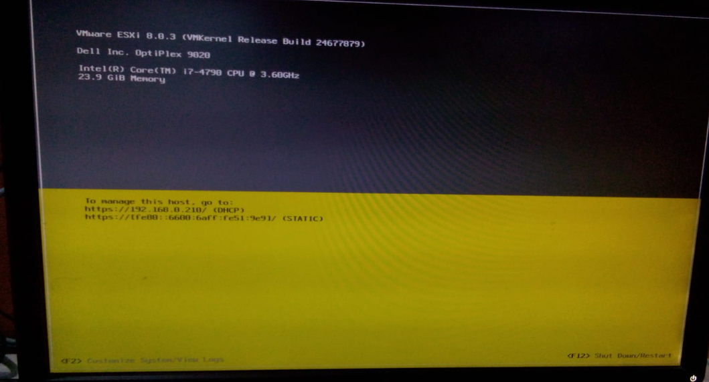

Installation of CentOS
Step 1 : Download the ISO image of CentOS-Stream-9-latest-x86_64 from browser.

Step 2 : Navigate to the storage section of ESXi Host Client.

Step 3 : Navigate to data browser option .

Step 4 : Upload the CentOS ISO file downoaded here and wait until it gets uploaded and close.

Step 5 : Navigate to Virtual Machines and select create / register VM

Step 6 : create a new virtual machine and click next.

Step 7 : select the name and guest os and version of os and click next.

Step 8 : keep it as default and click next.

Step 9 : Customize Settings fill all the details and make sure in cd/dvd iso is attached status should be connect at power on and click next .

Step 10 : Ready to complete click finish.

Step 11 : Check Mark on centos-server and click power on centos vm will gets started .

Step 12 : After Installation Complete click on Reboot System.

Step 13 : After Rebooting login with username and password into CentOS

Installation of RHEL

Step 1 : Download the ISO image of RHEL

Step 2 : Navigate to the storage section of ESXi Host Client.

Step 3 : Navigate to data browser option .

Step 4 : Upload the RHEL ISO file downoaded here and wait until it gets uploaded and close.

Step 5 : Navigate to Virtual Machines and select create / register VM

Step 6 : create a new virtual machine and click next.

Step 7 : select the name and guest os and version of os and click next.
Note : here i used the screenshots of centos for just an example
Step 8 : keep it as default and click next.

Step 9 : Customize Settings fill all the details and make sure in cd/dvd iso is attached status should be connect at power on and click next .

Note : here i used the screenshots of centos for just an example
Step 10 : Ready to complete click finish.
Note : here i used the screenshots of centos for just an example
Step 11 : Check Mark on rhel10-server and click power on rhel vm will gets started .

Step 12 : After Installation Complete click on Reboot System.
Note : here i used the screenshots of centos for just an example
Step 13 : After Rebooting login with username and password into Rhel

Step 14 : After successfull login you will get terminal of rhel

Installation of Ubuntu

Step 1 : Download the ISO image of Ubuntu -24.04.4

Step 2 : Navigate to the storage section of ESXi Host Client.

Step 3 : Navigate to data browser option .

Step 4 : Upload the Ubuntu ISO file downoaded here and wait until it gets uploaded and close.

Step 5 : Navigate to Virtual Machines and select create / register VM

Step 6 : create a new virtual machine and click next.

Step 7 : select the name and guest os and version of os and click next.
Note : here i used the screenshots of centos for just an example
Step 8 : keep it as default and click next.

Step 9 : Customize Settings fill all the details and make sure in cd/dvd iso is attached status should be connect at power on and click next .

Note : here i used the screenshots of centos for just an example
Step 10 : Ready to complete click finish.
Note : here i used the screenshots of centos for just an example
Step 11 : Check Mark on ubuntu-server and click power on rhel vm will gets started .

Step 12 : After Installation Complete click on Reboot System.
Note : here i used the screenshots of centos for just an example
Step 13 : After Rebooting login with username and password of ubuntu VM

Step 14 : After successfull login you will get terminal of Ubuntu VM

