Sheet4

 |  | CENTRAL BOARD OF SECONDARY EDUCATION
 |  | SECONDARY SCHOOL EXAMINATION,2026

 |  |  | REPORT CARD

Roll No | 109
Name | Vedik Singh
Father Name | Yogesh Singh
Mother Name | Sunanda Singh
Class | 12th
Date Of Birth | 2008-05-28

 | SUBJECT | TOTAL MARKS | OBTAIN MARKS | PASSING MARKS | PASS/FAIL
 | HINDI | 100 | 79 | 35 | PASS
 | ENGLISH | 100 | 86 | 35 | PASS
 | MATHS | 100 | 52 | 35 | PASS
 | PHYSICS | 100 | 92 | 35 | PASS
 | CHEMISTRY | 100 | 54 | 35 | PASS

 | PASS/FAIL | PASS |  | TOTAL MARKS | 500
 | GRADE | D |  | OBTAIN MARKS | 414
 |  |  |  | PERCENTAGE | 72.60%

 |  |  |  |  | 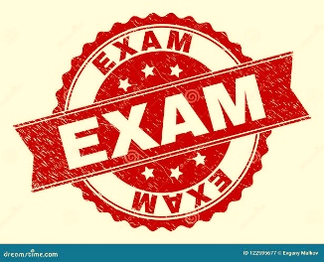 | Usongira
Date :- | 2026-08-12 |  |  |  |  | Controller of Examination
session | 2025-26

