Workflow
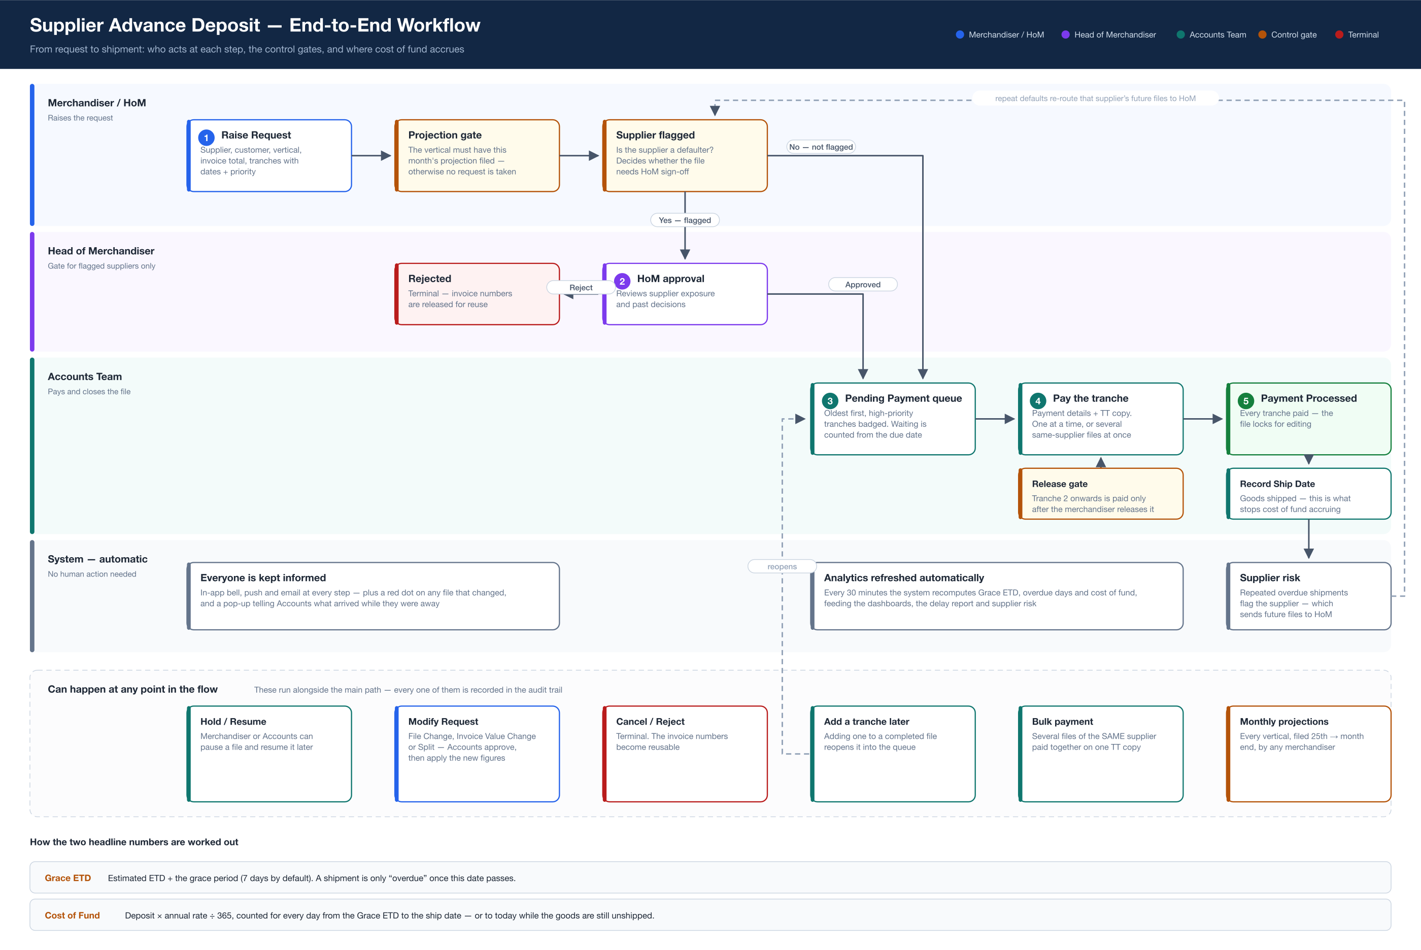
Supplier Advance Deposit — End-to-End Workflow

