Drawdown
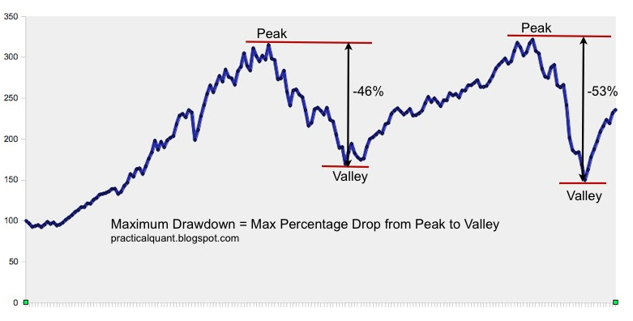
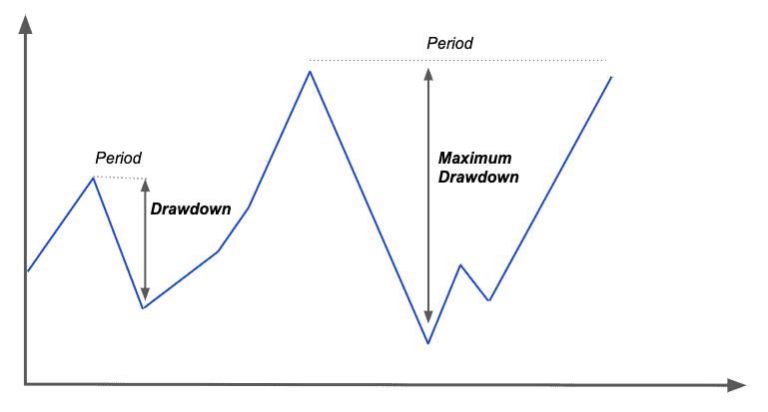
Drawdown:
A drawdown is a peak-to-trough decline during a specific period

% of reducing in total Equity Value from the all time peak till that period

Even though Equity value is increase than the previous day, but if it is less than your all time peak till that period there will be a drawdown.

