APACME
 |  |  |  | 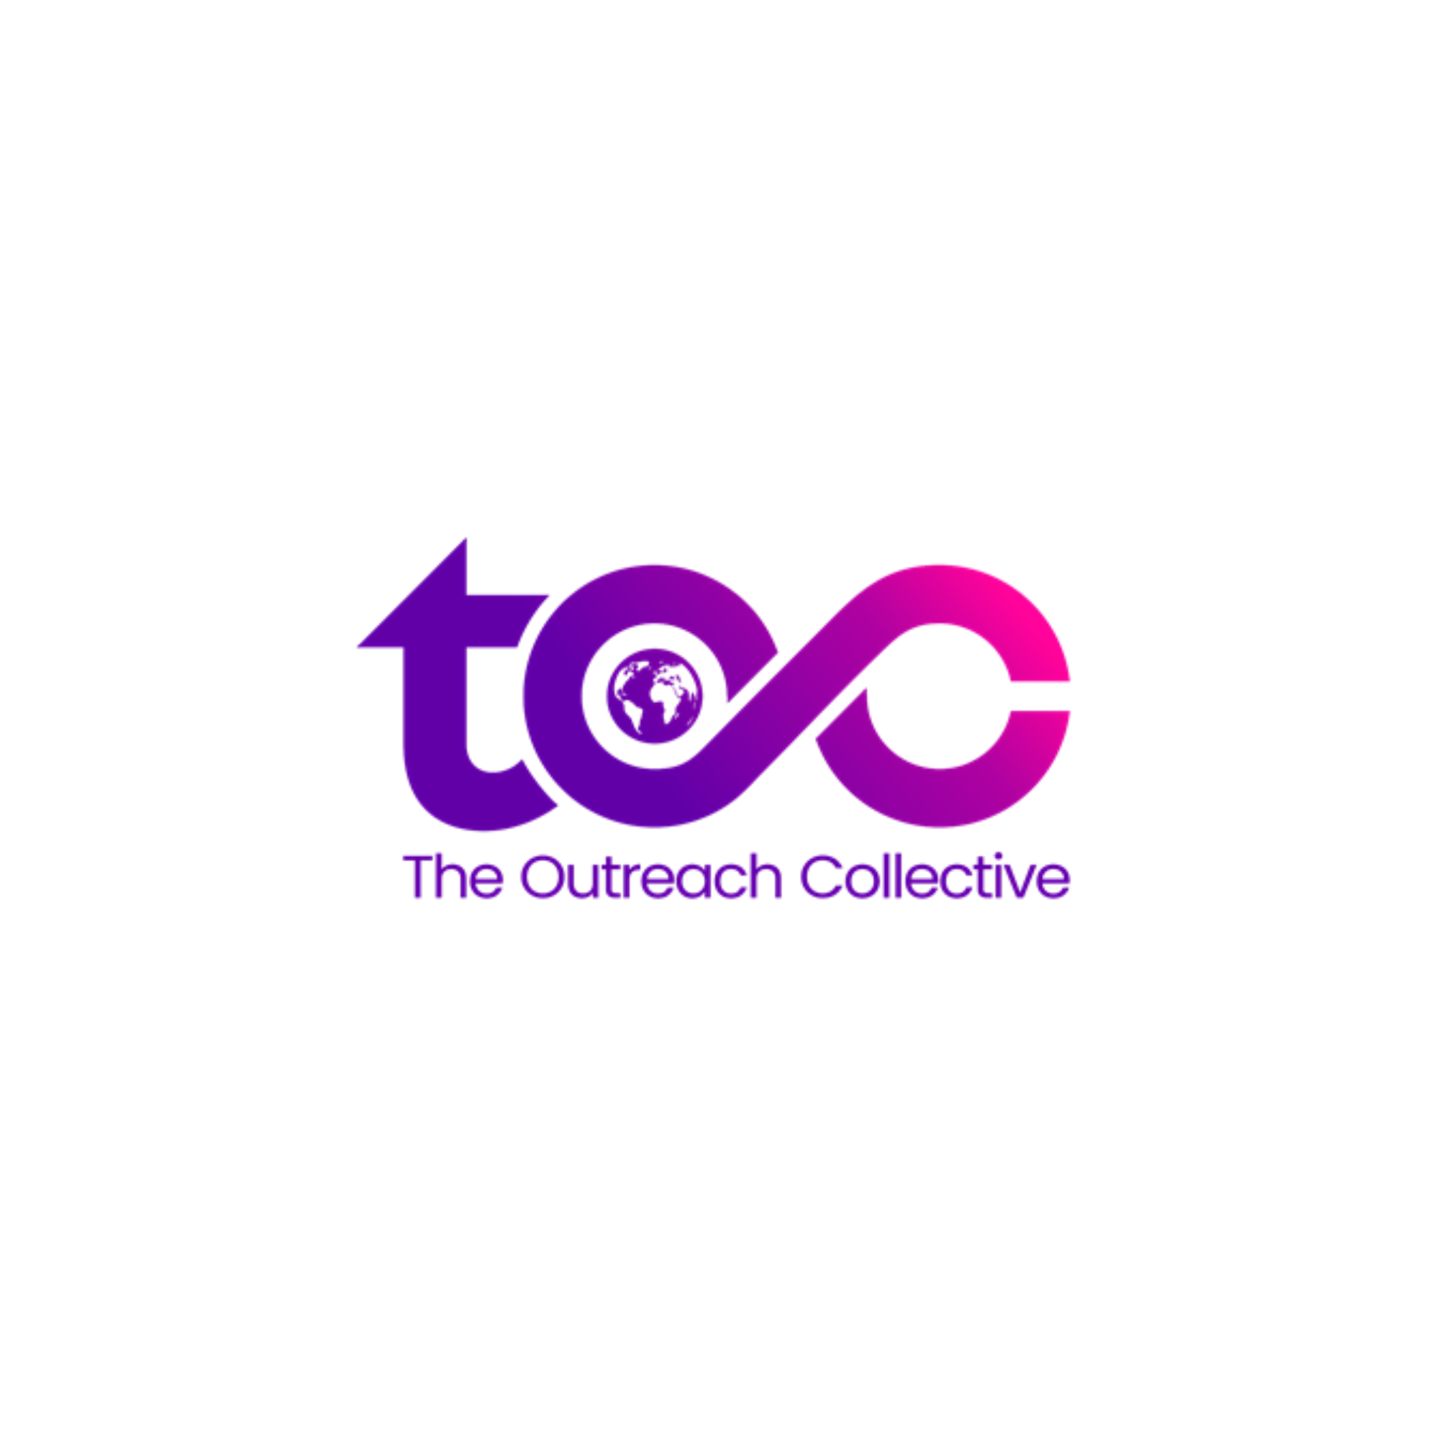
B2B
Sr. No | Name of Event | Tentative Month | Mode | Location | TA | Sponsorship/Paid Attendance Opportunities Relevant For | Core Outcomes
1 | TOC Soiree | August | In Person | Mumbai | All | School Counsellors, IECs, Universities, Edtech companies | Networking
2 | TOC Annual Meet | December | In Person | TBA | All | School Counsellors, IECs, Universities, Edtech companies | Brand Building, Networking, Professional Development
3 | IC3 Annual Conference | August | In Person | Mumbai | Counsellors, University Outreach Professionals | IECs, Universities, Edtech companies | Brand Building, Networking, Professional Development
5 | G2 | Ongoing | In Person/Online | Multiple | Counsellors, University Outreach Professionals | School Counsellors, IECs, Universities, Edtech companies | Networking, Professional Development
6 | The College Board India Forum | October | In Person | Delhi | K-12 and Higher Ed Leadership, School Counselors, IECs, Test Prep Institutes | K-12 and Higher Ed Leadership, School Counselors, IECs, Test Prep Institutes
7 | Education World Awards (Schools) | October | In Person | Delhi | School Leaders | Universities, Edtech Companies | Networking, Brand Building
8 | Education World Awards (Universities) | May | In Person | Delhi | University Leaders | Edtech Companies | Networking, Brand Building
9 | The Hub by Campus Connect | April | In Person | Mumbai | School Counsellors, University Outreach Professionals | School Counsellors, University Outreach Professionals | Networking
10 | IB Manthan Conference | Jan | In Person | TBA | School Leaders, Teachers, Counsellors | Universities, Edtech Companies | Networking, Brand Building
11 | World Education Summit (ELETS Technomedia) | July | In Person | Delhi | Schools, Universities, Government | School Leaders, IECs, Universities, Edtech companies | Brand Building, Networking, Professional Development
12 | HSM | Multiple | In Person/Online | Multiple | School Counsellors, Universities | Universities, Edtech Companies
13 | DIDAC | September | In Person | Delhi | School Leaders, University Leaders, Govt. Bodiea & Associations, Corporates, Consultants, NBFCs | School Leaders, IECs, Edtech companies | Business Development, Brand Building, Networking
14 | Sahodaya Meets (Indore Meet) | Ongoing/July | In Person | Multiple/Indore | School Leaders | Universities, Edtech Companies | Business Development, Brand Building, Networking
15 | MISA Conference |  | In Person | Mumbai | School Leaders, Teachers, Counsellors | Universities, Edtech Companies | Business Development, Brand Building, Networking
16 | SAIBSA Job Alike Session | Ongoing | In Person |  | School Leaders, Teachers, Counsellors | Universities, Edtech Companies | Business Development, Brand Building, Networking
17 | TISSL | June | In Person | Sri Lanka | School Leaders | Universities, Edtech Companies | Networking, Brand Building
18 | TAISI | October | In Person | Dubai | School Leaders, Teachers, Counsellors | Universities, Edtech Companies | Networking, Brand Building, Professional Development
19 | The IB Global Conference | March | In Person | Daegu | School Leaders, Teachers, Counsellors | Universities, Edtech Companies | Networking, Brand Building, Professional Development
20 | APAIE | March | In Person | Delhi | Universities, Counsellors | Universities, Guidance/Edtech Companies | Networking, Brand Building, Professional Development
21 | CIS EARCOS | September | In Person | Bangkok | Universities, Counsellors | Universities, Edtech Companies | Networking, Brand Building, Professional Development

B2C
Sr. No | Name of Event | Tentative Month | Mode | Location | TA | Relevant For | Core Outcomes
1 | AFAIRS | Multiple | In Person | Multiple | Multiple | Residential Schools, Universities | Brand Building, Lead Gen, Business Development
2 | MU20 Summit/Oxford MUN | Oct/Aug | In Person | Indore/Pune | High School Students (Accompanied by teachers) | Universities, Edtech Companies | Brand Building, Lead Gen
3 | GEC (HSM) | June/ September | In person | Delhi/ Goa | Principals/ Universities/ Counsellors | Universities, Edtech Companies | Brand Building, Lead Gen, Business Development
4 | Individual School & University Events Sponsorship Opportunities
5 | GETEX | March | In Person | Dubai | High School Students & Graduates | Universities, Test Prep Companies, Study Abroad Agencies | Lead Gen

