Attribution and License
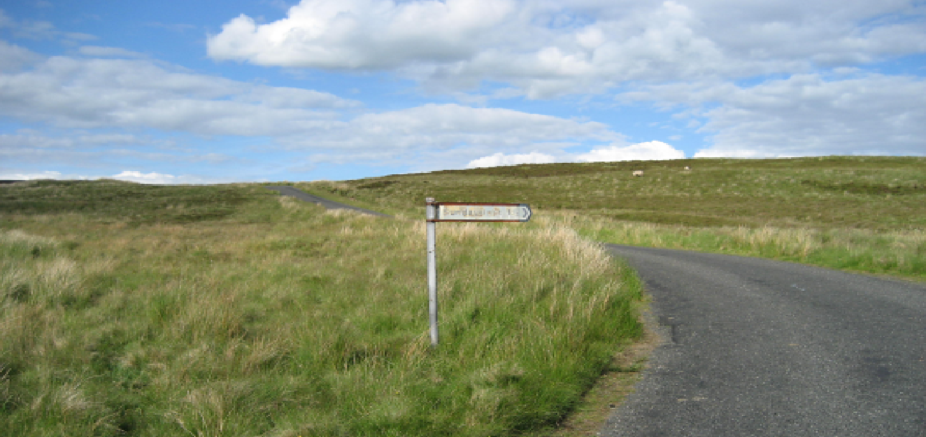
Software Assurance Maturity Model (SAMM)

Version: | 1.5

Description: | One aim of the Software Assurance Maturity Model (SAMM) is to help organizations build software security assurance programs. The current position and future targets can be charted and the SAMM document includes roadmap templates for different industries. This spreadsheet helps produce roadmaps once the plan is known. It is structured with four phases of improvement, like in SAMM, although could be altered to suit any number of stages.
Element: | Roadmap Chart Template v1.0
Author: | Colin Watson
Contributors: | Aidan Lynch

Element: | Interview Template v1.0
Author(s): | Nick Coblentz, Eoin Keary, and Seba Deleersnyder
Contributors:

Element: | Toolbox for v1.5
Authors: | Brian Glas

License: | Creative Commons Attribution-ShareAlike 3.0 License
 | This work is licensed under the Creative Commons Attribution-Share Alike 3.0 License. To view a copy of this license, visit http://creativecommons.org/licenses/by-sa/3.0/legalcode; or, (b) send a letter to Creative Commons, 171 2nd Street, Suite 300, San Francisco, California, 94105, USA.

SAMM | The Software Assurance Maturity Model (SAMM) was created by Pravir Chandra and is now an Open Web Application Security Project (OWASP) project.
 | SAMM is licensed under the Creative Commons Attribution-Share Alike 3.0 License
 | https://www.owasp.org/index.php/OWASP_SAMM_Project

Scorecard
SAMM Assessment Scorecard: eIDAS Javascript For Grupo 2

Notes: Data in this worksheet is automatically imported from the Interview and Roadmap worksheets and will automatically update when changed in the respective worksheets. This is mostly a read-only worksheet, changes should be made in Interview or Roadmap worksheets.

Organization: |  | Grupo 2
Project: |  | eIDAS Javascript
Interview Date: |  | 2019-04-18
Interviewer:
Persons Interviewed:

SAMM Current Score
Current Maturity Score |  |  |  |  |  |  |  | Current Maturity Score | Current Maturity Score
 |  |  | Maturity |  |  |  |  |  |  |  | Governance | Construction | Verification | Operations
Business Functions | Security Practices | Current | 1 | 2 | 3 | Business Functions | Current |  | Governance | Strategy & Metrics | 1.12 | 0.00 | 0.00 | 0.00
Governance | Strategy & Metrics | 1.12 | 0.47 | 0.40 | 0.25 | Governance | 1.86 |  | Governance | Policy & Compliance | 2.10 | 0.00 | 0.00 | 0.00
Governance | Policy & Compliance | 2.10 | 0.75 | 0.75 | 0.60 | Construction | 2.31 |  | Governance | Education & Guidance | 2.35 | 0.00 | 0.00 | 0.00
Governance | Education & Guidance | 2.35 | 1.00 | 0.35 | 1.00 | Verification | 2.34 |  | Construction | Threat Assessment | 0.00 | 2.23 | 0.00 | 0.00
Construction | Threat Assessment | 2.23 | 0.75 | 0.73 | 0.75 | Operations | 2.18 |  | Construction | Security Requirements | 0.00 | 1.70 | 0.00 | 0.00
Construction | Security Requirements | 1.70 | 0.75 | 0.35 | 0.60 |  |  |  | Construction | Secure Architecture | 0.00 | 3.00 | 0.00 | 0.00
Construction | Secure Architecture | 3.00 | 1.00 | 1.00 | 1.00 |  |  |  | Verification | Design Analysis | 0.00 | 0.00 | 2.10 | 0.00
Verification | Design Analysis | 2.10 | 0.75 | 0.35 | 1.00 |  |  |  | Verification | Implementation Review | 0.00 | 0.00 | 2.75 | 0.00
Verification | Implementation Review | 2.75 | 1.00 | 0.75 | 1.00 |  |  |  | Verification | Security Testing | 0.00 | 0.00 | 2.17 | 0.00
Verification | Security Testing | 2.17 | 0.57 | 0.60 | 1.00 |  |  |  | Operations | Issue Management | 0.00 | 0.00 | 0.00 | 1.93
Operations | Issue Management | 1.93 | 0.73 | 0.60 | 0.60 |  |  |  | Operations | Environment Hardening | 0.00 | 0.00 | 0.00 | 1.85
Operations | Environment Hardening | 1.85 | 0.50 | 0.35 | 1.00 |  |  |  | Operations | Operational Enablement | 0.00 | 0.00 | 0.00 | 2.75
Operations | Operational Enablement | 2.75 | 1.00 | 0.75 | 1.00

SAMM Phase 4 Score
Phase 4 Maturity Score |  |  |  |  |  |  |  | Phase 4 Maturity Score | Phase 4 Maturity Score
 |  |  | Maturity |  |  |  |  |  |  |  | Governance | Construction | Verification | Operations
Business Functions | Security Practices | Current | 1 | 2 | 3 | Business Functions | Current |  | Governance | Strategy & Metrics | 0.33 | 0.00 | 0.00 | 0.00
Governance | Strategy & Metrics | 0.33 | 0.00 | 0.33 | 0.00 | Governance | 0.28 |  | Governance | Policy & Compliance | 0.50 | 0.00 | 0.00 | 0.00
Governance | Policy & Compliance | 0.50 | 0.00 | 0.50 | 0.00 | Construction | 0.17 |  | Governance | Education & Guidance | 0.00 | 0.00 | 0.00 | 0.00
Governance | Education & Guidance | 0.00 | 0.00 | 0.00 | 0.00 | Verification | 0.00 |  | Construction | Threat Assessment | 0.00 | 0.00 | 0.00 | 0.00
Construction | Threat Assessment | 0.00 | 0.00 | 0.00 | 0.00 | Operations | 0.00 |  | Construction | Security Requirements | 0.00 | 0.50 | 0.00 | 0.00
Construction | Security Requirements | 0.50 | 0.50 | 0.00 | 0.00 |  |  |  | Construction | Secure Architecture | 0.00 | 0.00 | 0.00 | 0.00
Construction | Secure Architecture | 0.00 | 0.00 | 0.00 | 0.00 |  |  |  | Verification | Design Analysis | 0.00 | 0.00 | 0.00 | 0.00
Verification | Design Analysis | 0.00 | 0.00 | 0.00 | 0.00 |  |  |  | Verification | Implementation Review | 0.00 | 0.00 | 0.00 | 0.00
Verification | Implementation Review | 0.00 | 0.00 | 0.00 | 0.00 |  |  |  | Verification | Security Testing | 0.00 | 0.00 | 0.00 | 0.00
Verification | Security Testing | 0.00 | 0.00 | 0.00 | 0.00 |  |  |  | Operations | Issue Management | 0.00 | 0.00 | 0.00 | 0.00
Operations | Issue Management | 0.00 | 0.00 | 0.00 | 0.00 |  |  |  | Operations | Environment Hardening | 0.00 | 0.00 | 0.00 | 0.00
Operations | Environment Hardening | 0.00 | 0.00 | 0.00 | 0.00 |  |  |  | Operations | Operational Enablement | 0.00 | 0.00 | 0.00 | 0.00
Operations | Operational Enablement | 0.00 | 0.00 | 0.00 | 0.00

