來源鍊結
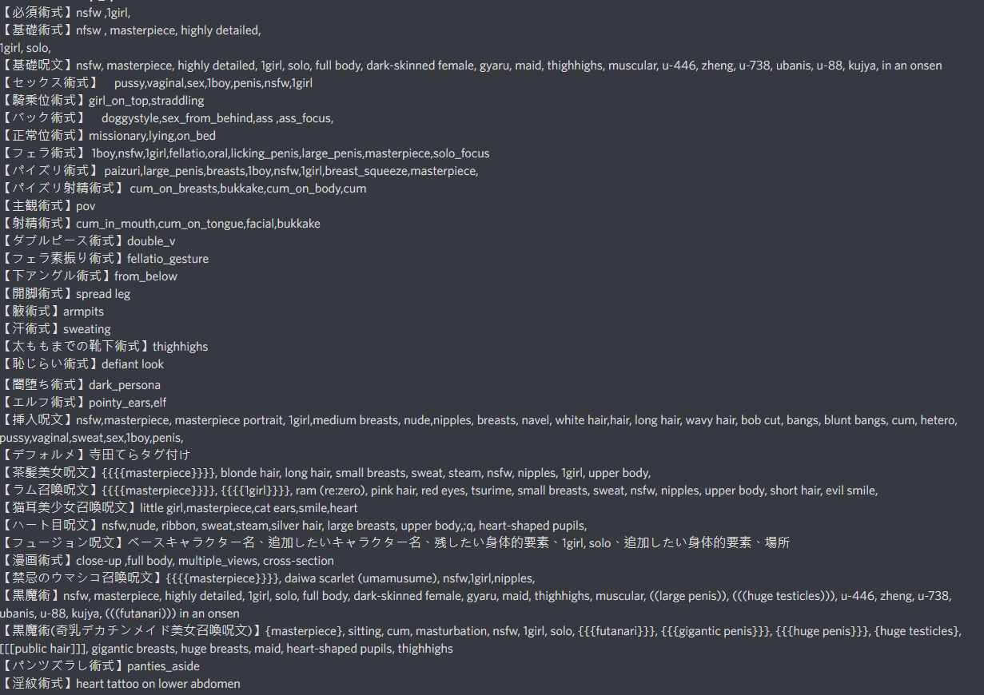
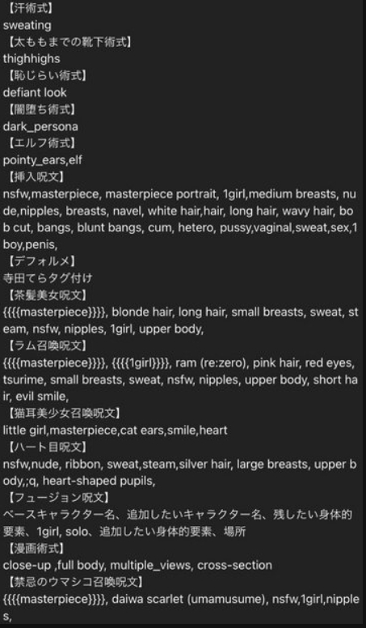
 | 魔法咒語(10/21)
dliste
ai wiki | https://w.atwiki.jp/novelaidiffusion/
 | https://iosworld.blog.2nt.com/blog-entry-528.html#a13
NovelAI法术书 | https://docs.google.com/spreadsheets/d/e/2PACX-1vRa2HjzocajlsPLH1e5QsJumnEShfooDdeHqcAuxjPKBIVVTHbOYWASAQyfmrQhUtoZAKPri2s_tGxx/pubhtml#
魔法咒語 | https://docs.google.com/document/d/1MtCr_Zo2xLUO2g2MuVEGlLhzx6BJUgN7ve5XGjPHR_I/edit#
魔咒百科 | 魔咒百科词典 | 使用教學 | https://www.bilibili.com/video/BV1L84y1z7bH/?spm_id_from=333.788.recommend_more_video.17
NovelAI 5ch | https://seesaawiki.jp/nai_ch/d/%a4%bd%a4%ce%c2%be?fbclid=IwAR2G8fVHNofx3CCrOd6HaKz8uGHxlv4PvMou7D_1ZEUF3RR4-F47jlcZguY
禁忌魔典 | 禁忌魔典——限制级咒文收录
手抄本法术书 | https://docs.google.com/spreadsheets/d/14Gg1kIGWdZGXyCC8AgYVT0lqI6IivLzZOdIT3QMWwVI/edit#gid=1099640117
AI绘图咒语指南wiki | https://aiguidebook.top/doku.php?id=%E9%A6%96%E9%A1%B5&fbclid=IwAR3aCVZRaTPYaaFQWccRxGCnx1uxrdnU-fYflk74GhW_PLtwNiFOBoaoPEM

