Cover page
 | 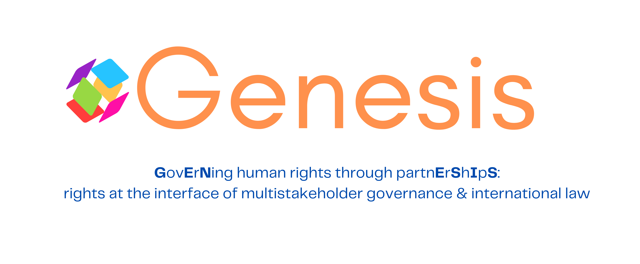
Database on Multistakeholder Partnerships for Sustainable Development

Work Package 4 – GENESIS Project

Author: María Alejandra Bermúdez Bretón
PhD Researcher

Supervisor: Dr. Gamze Erdem Türkelli Law and Development Research Group – Faculty of Law University of Antwerp

15 December 2025

Funded by the European Union (ERC StG, GENESIS, 101117107) Views and opinions expressed are however those of the author only and do not necessarily reflect those of the European Union or the European Research Council Executive Agency. Neither the European Union nor the granting authority can be held responsible for them.

