Report
CHECK LIST PENGECEKAN SENSOR FIRE ALARM No : FRM-MS-S15-073-00
PT. AISIN INDONESIA AUTOMOTIVE

Locker, Pos Security, Main Station, Pump Room
Pengujian Fire Alarm Control Panel
Lokasi / Area :
Tanggal :
Evaluasi :

No | Area | Zona | Nomor Adress | Item |  |  |  |  |  |  |  |  |  |  |  | Status | Remarks
 |  |  |  | Smoke Detector |  |  | Heat Detector |  |  | Beam Detector |  |  | Push Button
 |  |  |  | Total | OK | NG | Total | OK | NG | Total | OK | NG | Total | OK | NG

 |  |  |  |  |  |  |  |  |  |  |  |  |  |  |  |  |  | Acknowledge | Approved | Checked | Prepared

TOTAL |  |  |  | 0 | 0 | 0 | 0 | 0 | 0 | 0 | 0 | 0 | 0 | 0 | 0

Mapping terlampir
Tidak ada temuan abnormality
Adi & Bangkit
Note :

 |  |  |  |  |  |  |  |  |  |  |  |  |  |  |  |  |  | Budi Rianto | Arif Setiyono | Anna Wahyu W

Mapping
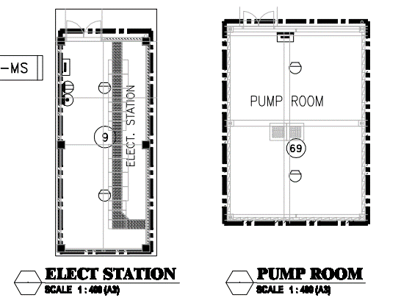
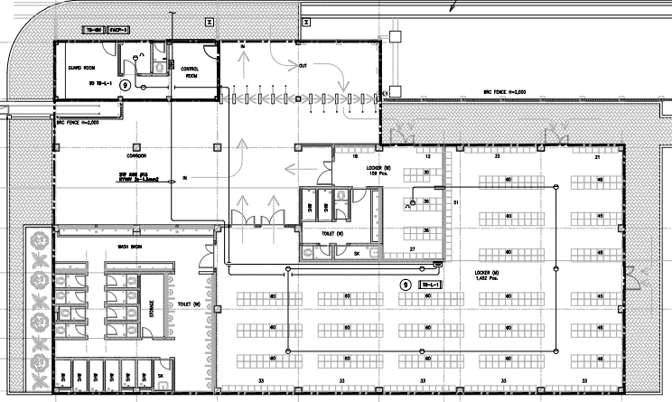

Keterangan :
Heat Detector

