SYSTEM
A sinister undercurrent flows from the city…
Something is growing, but no one knows what…
The Level 5s have things you need
The journey has already begun
If you truly want to achieve Level 6…

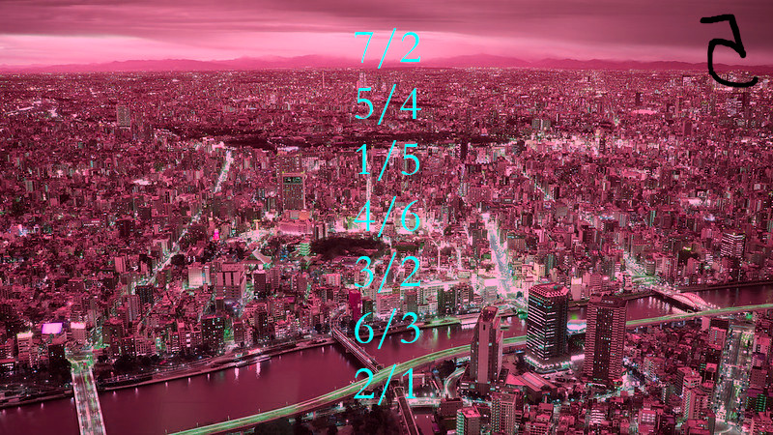

 | use this cell in each sheet to check answers

