Sheet1
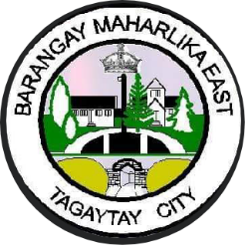  Republic of the Philippines Province of Cavite TAGAYTAY CITY BARANGAY MAHARLIKA EAST
GENERAL CONSULTATION
Date | Name | Age | Sex | Weight (kg) | Height (cm) | Diagnosis | Treatment | Remarks

