Sheet1
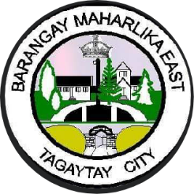  Republic of the Philippines Province of Cavite TAGAYTAY CITY BARANGAY MAHARLIKA EAST
TARGET CLIENT LIST FOR SICK CHILDREN
Date of Registration | Name of Child | Date of Birth | Sex | Name of Mother | Complete Address | SE Status: 1. NHTS 2. Non-NHTS | Vitamin A Supplementation |  |  |  | Diarrhea Cases Seen and Given Treatment |  |  | Pneumonia Cases Seen and Given Treatment |  | Remarks
 |  |  |  |  |  |  | Put a (✓) |  | Diagnosis/ Findings | Date Given | Age in months | Date Given |  | Age in months | Date Given Treatment
 |  |  |  |  |  |  | 6-11 mos. | 12-59 mos. |  |  |  | ORS | Oral zinc drops or syrup

