Sheet1
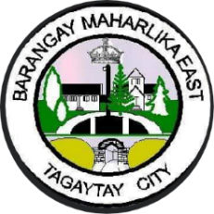  Republic of the Philippines Province of Cavite TAGAYTAY CITY BARANGAY MAHARLIKA EAST
TARGET CLIENT LIST FOR IMMUNIZATION AND NUTRITION SERVICES FOR 0-12 MONTHS OLD
Name | Registration Date | Address | Status | Immunization | Remarks

