Sheet1
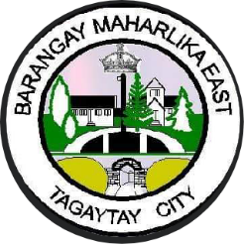  Republic of the Philippines Province of Cavite TAGAYTAY CITY BARANGAY MAHARLIKA EAST
TARGET CLIENT LIST FOR IMMUNIZATION AND NUTRITION SERVICES FOR 0-12 MONTHS OLD
Date of Registration | Date of Birth | SE Status: 1. NHTS 2. Non-NHTS | Name of Child | Sex | Name of Mother | Complete Address | Child Protected at Birth (CPAB)
 |  |  |  |  |  |  | TT2/Td2 given to the mother a month prior to delivery (for mothers pregnant for the first time) | TT3/Td3 to TT5/Td5 (or TT1/Td1 to TT5/Td5) given to the mother anytime prior to delivery

