Sheet1
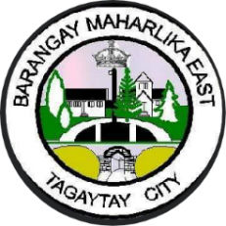  Republic of the Philippines Province of Cavite TAGAYTAY CITY BARANGAY MAHARLIKA EAST
TARGET CLIENT LIST FOR NUTRITION AND EXPANDED PROGRAM FOR IMMUNIZATION
Name | Registration Date | Address | Status | Micronutrient Supplementation | Remarks

