Лист1
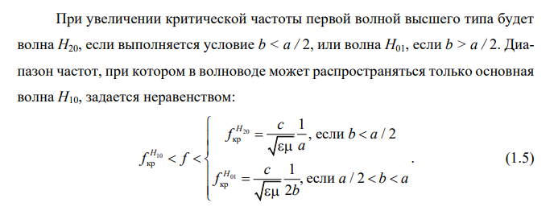
μ= | 1.00E+00 |  | fкр= | 4.34E+09 | Hz
ε= | 2.25E+00 |  | H10 | 4344818.23 | kHz
a= | 2.30E-02 | m |  | 4344.82 | MHz
b= | 1.00E-02 | m |  | 4.34 | GHz
f= | 8.90E+09 | Hz
σ= | 1.40E+07 | S/m | fкр= | 8.69E+09 | Hz | YES
tan(δ)= | 2.00E-04 |  | H20 | 8689636.46 | kHz
 |  |  |  | 8689.64 | MHz
 |  |  |  | 8.69 | GHz
μ0= | 1.26E-06
ε0= | 8.85E-12
c= | 3.00E+08 | m/s | fкр= | 9.99E+09 | Hz | NO
μa= | 1.26E-06 |  | H01 | 9993081.93 | kHz
εa= | 0.00E+00 |  |  | 9993.08 | MHz
λ= | 3.37E-02 | m |  | 9.99 | GHz
λ0= | 2.97E+01 | m
 |  |  | λ= | 4.95E-02 | m
 |  |  |  | 49.46 | mm
 |  |  |  | 49462.52 | um
 |  |  |  | 49462522.53 | nm

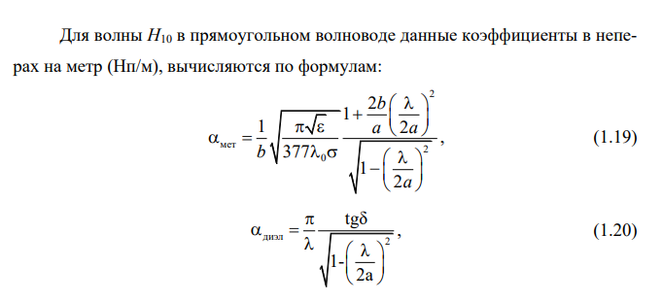
(λ/2a)^2= | 5.36E-01 |  | αмет= | 0.001181 | Np/m
(1/b)= | 1.00E+02 |  |  | 0.010256 | dB/m
2b/a= | 8.70E-01
tmp_a | 6.81E-01 |  | αдиэл= | 0.027390 | Np/m
tmp_b | 1.57E+11 |  |  | 0.237908 | dB/m

 |  |  | α= | 0.028571 | Np/m
 |  |  |  | 0.248164 | dB/m

