SystemParameters
Date Tab Updated | 2024-03-07
Date Data Generated | 2024-03-07
Source of Data | TANGO Risk Retirement Activities - TNO\00 Team\Benjamin\040_Zemax_TANGO_Nitro
READ ME: (Date: 7-3-2024)
List of general system parameters from Table 6.1 & 6.2 of
ISIS-TANGO-RRA-SD-0003_2.0_TANGO Nitro Instrument Design Definition.
A few values are slightly different/more precise and accordinly updated compared to the tables in the Design Definition (here spectral oversampling does not include pixel binning for each sample, which is 3-4 pixels, so total spectral oversampling is 11-12 pixels, see values in the relevant table of the "Dispersion" tab of this excel file.
 |  | First‐order design of TANGO Nitro Instrument
 |  | Parameter | Unit | ACT | ALT/spectral
 |  | FOV | ° | 3.44 | 0.017
 |  | Entrance pupil diameter | mm | 53.2 | 36.1
 |  | Telescope focal length | mm | 256.5 | 252.4
 |  | Telescope f/# | - | 4.801 | 7.075
 |  | Collimator focal length | mm | 70 | 70
 |  | Imager focal length | mm | 45 | 45
 |  | Imager f/# | - | 3.1 | 3.8
 |  | Slit extent | mm | 15.4 | 0.077
 |  | Image extent | mm | 9.9 | 5.77
 |  | Grating line density | mm−1 | - | 1500
 |  | Grating order | - | - | 1
 |  | Grating AOI | ° | - | 35
 |  | Instrument etendue | mm2.sr | 0.0349 | -

 |  | TANGO Nitro instrument requirements relative to the optical design
 |  | Parameter | Unit | Value
 |  | Altitude | km | 500
 |  | Swath | km | 30
 |  | ACT GSD at nadir | km | 0.3
 |  | ALT GSD at nadir | km | 0.3
 |  | Minimum wavelength | nm | 405
 |  | Maximum wavelength | nm | 490
 |  | Spectral resolution | nm | 0.6
 |  | Spectral oversampling | - | 2.3
 |  | Instrument volume | U | 8

SpectralResolution
Date Tab Updated | 2024-03-07
Date Data Generated | 2022-12-20
Source of Data | TANGO Risk Retirement Activities - TNO\00 Team\Benjamin\040_Zemax_TANGO_Nitro\030_PerformanceAnalysis
READ ME: (Date: 7-3-2024)
Nominal and toleranced spectral resolution data (ISRF FWHM).
2 separate calculations are done using a high spatial sampling of the convolution of the contributors (+/-125um in 1 nm steps, on the detector), and a Low sampling (+/-50um, with 50nm steps).
The low sampling seemed sufficient and gave a more reasonable file size, so that is what is shared by zip file (only Nadir and Full Swath ACT, for all 5 wavelengths, using toleranced mean+2*sigma results). We can share more data from more field points, the nominal or mean results, and higher sampling, if necessary.
Requirement (nm) |  | Nominal Performance: use Nominal values for Spot Size, Slit Size and Dispersion of Nominal Design File
0.6 |  | ISRF FWHM for Sony Camera, Nominal, High Resolution sampling |  |  |  |  |  | ISRF FWHM for Sony Camera, Nominal, Low Resolution sampling
 |  |  | Wavelength (nm) |  |  |  |  |  | Wavelength (nm)
 |  | ACT FP | 405 | 426 | 448 | 470 | 490 | ACT FP | 405 | 426 | 448 | 470 | 490
 |  | -1 | 0.6026 | 0.6029 | 0.6031 | 0.6035 | 0.6039 | -1 | 0.6010 | 0.6021 | 0.6017 | 0.6024 | 0.6023
 |  | -0.7 | 0.5996 | 0.5997 | 0.6000 | 0.6002 | 0.6004 | -0.7 | 0.5990 | 0.5986 | 0.5996 | 0.5988 | 0.6000
 |  | -0.4 | 0.5979 | 0.5979 | 0.5980 | 0.5980 | 0.5981 | -0.4 | 0.5967 | 0.5963 | 0.5973 | 0.5965 | 0.5977
 |  | 0 | 0.5972 | 0.5971 | 0.5970 | 0.5970 | 0.5971 | 0 | 0.5956 | 0.5967 | 0.5961 | 0.5953 | 0.5965
 |  | 0.4 | 0.5979 | 0.5979 | 0.5980 | 0.5980 | 0.5981 | 0.4 | 0.5967 | 0.5963 | 0.5973 | 0.5965 | 0.5977
 |  | 0.7 | 0.5996 | 0.5997 | 0.6000 | 0.6002 | 0.6004 | 0.7 | 0.5990 | 0.5986 | 0.5996 | 0.5988 | 0.6000
 |  | 1 | 0.6026 | 0.6029 | 0.6031 | 0.6035 | 0.6039 | 1 | 0.6010 | 0.6021 | 0.6017 | 0.6024 | 0.6023
 |  |  | Min | Mean | Max | Std |  |  | Min | Mean | Max | Std
 |  | Values | 0.5970 | 0.5999 | 0.6039 | 0.0023 |  | Values | 0.5953 | 0.5989 | 0.6024 | 0.0023
 |  | Δ Req. | -0.50% | -0.01% | 0.65% |  |  | Δ Req. | -0.78% | -0.19% | 0.40%

 |  | Conservative Performance: use Mean+2σ for Spot Size & Slit Size, and Mean-2σ for Dispersion, on Toleranced Design file
 |  | ISRF FWHM for Sony Camera, Tolerances Mean+2σ, High Res sampling |  |  |  |  |  | ISRF FWHM for Sony Camera, Tolerances Mean+2σ, Low Res sampling
 |  |  | Wavelength (nm) |  |  |  |  |  | Wavelength (nm)
 |  | ACT FP | 405 | 426 | 448 | 470 | 490 | ACT FP | 405 | 426 | 448 | 470 | 490
 |  | -1 | 0.6077 | 0.6068 | 0.6062 | 0.6065 | 0.6074 | -1 | 0.6067 | 0.6046 | 0.6056 | 0.6064 | 0.6063
 |  | -0.7 | 0.6022 | 0.6025 | 0.6027 | 0.6031 | 0.6035 | -0.7 | 0.6016 | 0.6026 | 0.6021 | 0.6028 | 0.6026
 |  | -0.4 | 0.6010 | 0.6007 | 0.6008 | 0.6010 | 0.6013 | -0.4 | 0.6008 | 0.6003 | 0.6012 | 0.6004 | 0.6016
 |  | 0 | 0.6015 | 0.6000 | 0.5998 | 0.5999 | 0.6002 | 0 | 0.6012 | 0.5991 | 0.6001 | 0.5992 | 0.6004
 |  | 0.4 | 0.6010 | 0.6006 | 0.6007 | 0.6010 | 0.6013 | 0.4 | 0.6008 | 0.6003 | 0.6012 | 0.6004 | 0.6016
 |  | 0.7 | 0.6022 | 0.6025 | 0.6027 | 0.6031 | 0.6035 | 0.7 | 0.6015 | 0.6026 | 0.6020 | 0.6027 | 0.6026
 |  | 1 | 0.6081 | 0.6069 | 0.6061 | 0.6065 | 0.6074 | 1 | 0.6067 | 0.6061 | 0.6056 | 0.6064 | 0.6062
 |  |  | Min | Mean | Max | Std |  |  | Min | Mean | Max | Std
 |  | Values | 0.5998 | 0.6031 | 0.6081 | 0.0026 |  | Values | 0.5991 | 0.6026 | 0.6067 | 0.0024
 |  | Δ Req. | -0.03% | 0.52% | 1.35% |  |  | Δ Req. | -0.14% | 0.44% | 1.12%

MuellerMat_ManufGratingFinal
Date Tab Updated | 2024-03-07
Date Data Generated | 2023-02-08
Source of Data | TANGO Risk Retirement Activities - TNO\00 Team\Benjamin\040_Zemax_TANGO_Nitro\040_PolarizationAnalysis
READ ME: (Date: 7-3-2024)
Mueller Matrix Data for the computed field points at 0, 70%, 100% of full swath, calculated from the Nominal optical model.
The ALT variation is negligible, so can be ignored (matlab data files with full data are available if needed).
Caveats on the data:
- the grating performance is modelled by a coating, which represents the performance either for Nadir or for full swath, there is no interpolation done in between by Zemax. The data for 70% swath is determined by averaging the results for that field point from the pupil-averaged calculations using the Nadir grating performance and the Full Swath grating performance (according to linearly expected ratio of 30/70).
- the data originates from simulations by Zeiss on the manufactured grating (using measured AFM data). We now have optical measurements done by ESA, which show some differences (PS is red-shifted for example). We can follow-up with an update on this once the data is properly analyzed.
Full System M00 with Manufactured Grating
ACT angle (deg) | 0.00 | (Nadir) | System Performance |  | ACT angle (deg) | 1.20 | (70% Swath) |  |  | ACT angle (deg) | 1.718 | (Full Swath) | System Performance
Wavelength (nm) | M00 | M01 | M02 | PS=M01/M00 | Wavelength (nm) | M00 | M01 | M02 | PS=M01/M00 | Wavelength (nm) | M00 | M01 | M02 | PS=M01/M00
390 | 0.34% | 0.08% | 0% | 23.67% | 390 | 0.35% | 0.08% | 0% | 21.89% | 390 | 0.35% | 0.07% | 0.03% | 21.02%
391 | 0.60% | 0.14% | 0% | 22.61% | 391 | 0.62% | 0.13% | 0% | 20.97% | 391 | 0.63% | 0.13% | 0.04% | 20.18%
392 | 1.10% | 0.24% | 0% | 21.63% | 392 | 1.13% | 0.23% | 0% | 20.11% | 392 | 1.16% | 0.22% | 0.08% | 19.40%
393 | 2.07% | 0.43% | 0% | 20.71% | 393 | 2.14% | 0.41% | 0% | 19.31% | 393 | 2.19% | 0.41% | 0.14% | 18.68%
394 | 4.03% | 0.80% | 0% | 19.85% | 394 | 4.16% | 0.77% | 0% | 18.56% | 394 | 4.26% | 0.77% | 0.26% | 17.99%
395 | 7.97% | 1.52% | 0% | 19.05% | 395 | 8.22% | 1.47% | 0% | 17.85% | 395 | 8.42% | 1.46% | 0.49% | 17.33%
396 | 15.42% | 2.82% | 0% | 18.30% | 396 | 15.86% | 2.72% | 1% | 17.14% | 396 | 16.23% | 2.70% | 0.91% | 16.63%
397 | 27.05% | 4.76% | 0% | 17.60% | 397 | 27.70% | 4.55% | 1% | 16.42% | 397 | 28.21% | 4.47% | 1.53% | 15.84%
398 | 39.58% | 6.70% | 0% | 16.94% | 398 | 40.28% | 6.32% | 2% | 15.69% | 398 | 40.76% | 6.12% | 2.13% | 15.01%
399 | 47.62% | 7.77% | 0% | 16.32% | 399 | 48.21% | 7.24% | 2% | 15.02% | 399 | 48.54% | 6.92% | 2.45% | 14.26%
400 | 50.62% | 7.97% | 0% | 15.74% | 400 | 51.11% | 7.38% | 2% | 14.44% | 400 | 51.34% | 7.01% | 2.51% | 13.65%
401 | 51.26% | 7.79% | 0% | 15.20% | 401 | 51.70% | 7.21% | 2% | 13.94% | 401 | 51.89% | 6.83% | 2.45% | 13.17%
402 | 51.37% | 7.55% | 0% | 14.69% | 402 | 51.80% | 6.98% | 2% | 13.48% | 402 | 51.98% | 6.62% | 2.38% | 12.74%
403 | 51.54% | 7.33% | 0% | 14.22% | 403 | 51.97% | 6.78% | 2% | 13.05% | 403 | 52.15% | 6.44% | 2.31% | 12.34%
404 | 51.83% | 7.13% | 0% | 13.76% | 404 | 52.25% | 6.61% | 2% | 12.65% | 404 | 52.43% | 6.27% | 2.25% | 11.96%
405 | 52.18% | 6.96% | 0% | 13.33% | 405 | 52.58% | 6.44% | 2% | 12.25% | 405 | 52.75% | 6.11% | 2.19% | 11.59%
406 | 52.52% | 6.79% | 0% | 12.92% | 406 | 52.90% | 6.28% | 2% | 11.88% | 406 | 53.07% | 5.96% | 2.14% | 11.24%
407 | 52.82% | 6.62% | 0% | 12.53% | 407 | 53.19% | 6.13% | 2% | 11.52% | 407 | 53.35% | 5.81% | 2.08% | 10.89%
Full System M01 with Manufactured Grating
408 | 53.07% | 6.45% | 0% | 12.15% | 408 | 53.42% | 5.97% | 1% | 11.17% | 408 | 53.57% | 5.66% | 2.03% | 10.57%
409 | 53.26% | 6.28% | 0% | 11.79% | 409 | 53.61% | 5.81% | 1% | 10.84% | 409 | 53.75% | 5.51% | 1.97% | 10.25%
410 | 53.44% | 6.11% | 0% | 11.44% | 410 | 53.77% | 5.66% | 1% | 10.52% | 410 | 53.91% | 5.36% | 1.91% | 9.95%
411 | 53.63% | 5.96% | 0% | 11.11% | 411 | 53.96% | 5.51% | 1% | 10.21% | 411 | 54.10% | 5.22% | 1.86% | 9.66%
412 | 53.87% | 5.81% | 0% | 10.78% | 412 | 54.19% | 5.37% | 1% | 9.91% | 412 | 54.32% | 5.09% | 1.81% | 9.37%
413 | 54.15% | 5.67% | 0% | 10.47% | 413 | 54.46% | 5.24% | 1% | 9.62% | 413 | 54.60% | 4.97% | 1.76% | 9.10%
414 | 54.45% | 5.54% | 0% | 10.17% | 414 | 54.76% | 5.11% | 1% | 9.34% | 414 | 54.89% | 4.85% | 1.72% | 8.83%
415 | 54.74% | 5.41% | 0% | 9.88% | 415 | 55.04% | 4.99% | 1% | 9.07% | 415 | 55.17% | 4.73% | 1.67% | 8.57%
416 | 54.99% | 5.28% | 0% | 9.59% | 416 | 55.28% | 4.86% | 1% | 8.80% | 416 | 55.41% | 4.61% | 1.63% | 8.31%
417 | 55.20% | 5.14% | 0% | 9.32% | 417 | 55.49% | 4.74% | 1% | 8.54% | 417 | 55.61% | 4.48% | 1.58% | 8.06%
418 | 55.39% | 5.01% | 0% | 9.04% | 418 | 55.67% | 4.61% | 1% | 8.28% | 418 | 55.79% | 4.36% | 1.53% | 7.82%
419 | 55.56% | 4.88% | 0% | 8.78% | 419 | 55.83% | 4.48% | 1% | 8.03% | 419 | 55.94% | 4.24% | 1.48% | 7.57%
420 | 55.71% | 4.74% | 0% | 8.51% | 420 | 55.97% | 4.35% | 1% | 7.78% | 420 | 56.09% | 4.11% | 1.44% | 7.33%
421 | 55.83% | 4.61% | 0% | 8.26% | 421 | 56.10% | 4.23% | 1% | 7.53% | 421 | 56.21% | 3.99% | 1.39% | 7.10%
422 | 55.94% | 4.48% | 0% | 8.00% | 422 | 56.20% | 4.10% | 1% | 7.29% | 422 | 56.31% | 3.87% | 1.34% | 6.87%
423 | 56.03% | 4.34% | 0% | 7.75% | 423 | 56.29% | 3.97% | 1% | 7.05% | 423 | 56.40% | 3.74% | 1.30% | 6.64%
424 | 56.13% | 4.21% | 0% | 7.51% | 424 | 56.38% | 3.84% | 1% | 6.82% | 424 | 56.49% | 3.62% | 1.25% | 6.41%
425 | 56.25% | 4.08% | 0% | 7.26% | 425 | 56.49% | 3.72% | 1% | 6.58% | 425 | 56.60% | 3.50% | 1.20% | 6.18%
426 | 56.37% | 3.96% | 0% | 7.02% | 426 | 56.62% | 3.59% | 1% | 6.35% | 426 | 56.72% | 3.38% | 1.16% | 5.96%
427 | 56.49% | 3.83% | 0% | 6.78% | 427 | 56.73% | 3.47% | 1% | 6.12% | 427 | 56.83% | 3.26% | 1.11% | 5.73%
Full System M02 with Manufactured Grating
428 | 56.57% | 3.70% | 0% | 6.54% | 428 | 56.80% | 3.34% | 1% | 5.89% | 428 | 56.90% | 3.14% | 1.07% | 5.51%
429 | 56.59% | 3.57% | 0% | 6.30% | 429 | 56.82% | 3.21% | 1% | 5.66% | 429 | 56.92% | 3.01% | 1.02% | 5.29%
430 | 56.58% | 3.43% | 0% | 6.06% | 430 | 56.81% | 3.08% | 1% | 5.43% | 430 | 56.90% | 2.89% | 0.97% | 5.07%
431 | 56.55% | 3.30% | 0% | 5.83% | 431 | 56.77% | 2.95% | 1% | 5.20% | 431 | 56.86% | 2.76% | 0.92% | 4.85%
432 | 56.52% | 3.16% | 0% | 5.59% | 432 | 56.74% | 2.82% | 1% | 4.97% | 432 | 56.83% | 2.63% | 0.88% | 4.63%
433 | 56.52% | 3.03% | 0% | 5.36% | 433 | 56.74% | 2.69% | 1% | 4.75% | 433 | 56.83% | 2.51% | 0.83% | 4.41%
434 | 56.55% | 2.90% | 0% | 5.12% | 434 | 56.77% | 2.57% | 1% | 4.52% | 434 | 56.86% | 2.38% | 0.78% | 4.19%
435 | 56.62% | 2.77% | 0% | 4.89% | 435 | 56.83% | 2.44% | 1% | 4.29% | 435 | 56.92% | 2.26% | 0.74% | 3.97%
436 | 56.69% | 2.64% | 0% | 4.65% | 436 | 56.90% | 2.31% | 1% | 4.06% | 436 | 56.99% | 2.14% | 0.69% | 3.75%
437 | 56.76% | 2.51% | 0% | 4.42% | 437 | 56.97% | 2.19% | 0% | 3.84% | 437 | 57.06% | 2.02% | 0.65% | 3.53%
438 | 56.84% | 2.38% | 0% | 4.18% | 438 | 57.04% | 2.06% | 0% | 3.61% | 438 | 57.13% | 1.89% | 0.60% | 3.31%
439 | 56.91% | 2.25% | 0% | 3.95% | 439 | 57.12% | 1.93% | 0% | 3.38% | 439 | 57.20% | 1.77% | 0.55% | 3.09%
440 | 56.99% | 2.12% | 0% | 3.72% | 440 | 57.19% | 1.80% | 0% | 3.16% | 440 | 57.28% | 1.65% | 0.51% | 2.87%
441 | 57.07% | 1.99% | 0% | 3.48% | 441 | 57.27% | 1.68% | 0% | 2.93% | 441 | 57.35% | 1.52% | 0.46% | 2.65%
442 | 57.14% | 1.86% | 0% | 3.25% | 442 | 57.34% | 1.55% | 0% | 2.70% | 442 | 57.42% | 1.40% | 0.41% | 2.43%
443 | 57.20% | 1.72% | 0% | 3.01% | 443 | 57.40% | 1.42% | 0% | 2.47% | 443 | 57.49% | 1.27% | 0.37% | 2.21%
444 | 57.27% | 1.59% | 0% | 2.78% | 444 | 57.47% | 1.29% | 0% | 2.25% | 444 | 57.55% | 1.15% | 0.32% | 1.99%
445 | 57.36% | 1.46% | 0% | 2.55% | 445 | 57.55% | 1.16% | 0% | 2.02% | 445 | 57.64% | 1.02% | 0.27% | 1.77%
446 | 57.48% | 1.33% | 0% | 2.31% | 446 | 57.68% | 1.03% | 0% | 1.79% | 446 | 57.76% | 0.90% | 0.22% | 1.55%
447 | 57.65% | 1.20% | 0% | 2.08% | 447 | 57.85% | 0.90% | 0% | 1.56% | 447 | 57.93% | 0.77% | 0.18% | 1.33%
448 | 57.87% | 1.07% | 0% | 1.84% | 448 | 58.07% | 0.78% | 0% | 1.34% | 448 | 58.15% | 0.65% | 0.13% | 1.11%
449 | 58.12% | 0.94% | 0% | 1.61% | 449 | 58.32% | 0.65% | 0% | 1.11% | 449 | 58.40% | 0.52% | 0.08% | 0.89%
450 | 58.38% | 0.80% | 0% | 1.38% | 450 | 58.57% | 0.52% | 0% | 0.88% | 450 | 58.66% | 0.39% | 0.03% | 0.67%
451 | 58.61% | 0.67% | 0% | 1.14% | 451 | 58.80% | 0.38% | 0% | 0.65% | 451 | 58.89% | 0.26% | -0.02% | 0.45%
452 | 58.80% | 0.53% | 0% | 0.91% | 452 | 58.99% | 0.25% | 0% | 0.43% | 452 | 59.07% | 0.13% | -0.06% | 0.23%
453 | 58.94% | 0.40% | 0% | 0.67% | 453 | 59.13% | 0.12% | 0% | 0.20% | 453 | 59.21% | 0.00% | -0.11% | 0.01%
454 | 59.05% | 0.26% | 0% | 0.44% | 454 | 59.24% | -0.02% | 0% | -0.03% | 454 | 59.32% | -0.13% | -0.16% | -0.21%
455 | 59.16% | 0.12% | 0% | 0.20% | 455 | 59.35% | -0.15% | 0% | -0.25% | 455 | 59.43% | -0.26% | -0.21% | -0.43%
456 | 59.28% | -0.02% | 0% | -0.03% | 456 | 59.47% | -0.29% | 0% | -0.48% | 456 | 59.55% | -0.39% | -0.26% | -0.65%
457 | 59.44% | -0.16% | 0% | -0.26% | 457 | 59.62% | -0.42% | 0% | -0.71% | 457 | 59.70% | -0.52% | -0.31% | -0.87%
458 | 59.63% | -0.30% | 0% | -0.50% | 458 | 59.81% | -0.56% | 0% | -0.93% | 458 | 59.89% | -0.65% | -0.36% | -1.09%
459 | 59.85% | -0.44% | 0% | -0.73% | 459 | 60.03% | -0.70% | 0% | -1.16% | 459 | 60.11% | -0.78% | -0.41% | -1.30%
460 | 60.08% | -0.58% | 0% | -0.96% | 460 | 60.26% | -0.83% | 0% | -1.38% | 460 | 60.34% | -0.92% | -0.46% | -1.52%
461 | 60.32% | -0.72% | 0% | -1.20% | 461 | 60.50% | -0.97% | 0% | -1.61% | 461 | 60.58% | -1.05% | -0.51% | -1.74%
462 | 60.55% | -0.86% | 0% | -1.43% | 462 | 60.73% | -1.11% | 0% | -1.83% | 462 | 60.81% | -1.19% | -0.56% | -1.96%
463 | 60.76% | -1.01% | 0% | -1.66% | 463 | 60.94% | -1.25% | 0% | -2.06% | 463 | 61.02% | -1.33% | -0.61% | -2.17%
464 | 60.95% | -1.15% | 0% | -1.89% | 464 | 61.12% | -1.39% | 0% | -2.28% | 464 | 61.20% | -1.46% | -0.66% | -2.39%
465 | 61.10% | -1.30% | 0% | -2.12% | 465 | 61.27% | -1.53% | 0% | -2.50% | 465 | 61.35% | -1.60% | -0.71% | -2.60%
466 | 61.22% | -1.44% | 0% | -2.35% | 466 | 61.39% | -1.67% | -1% | -2.72% | 466 | 61.47% | -1.73% | -0.76% | -2.82%
467 | 61.32% | -1.58% | 0% | -2.58% | 467 | 61.49% | -1.81% | -1% | -2.94% | 467 | 61.56% | -1.86% | -0.81% | -3.03%
468 | 61.40% | -1.72% | 0% | -2.80% | 468 | 61.57% | -1.95% | -1% | -3.16% | 468 | 61.64% | -2.00% | -0.86% | -3.24%
469 | 61.48% | -1.86% | 0% | -3.03% | 469 | 61.64% | -2.08% | -1% | -3.38% | 469 | 61.71% | -2.13% | -0.91% | -3.45%
470 | 61.55% | -2.00% | 0% | -3.25% | 470 | 61.71% | -2.22% | -1% | -3.60% | 470 | 61.78% | -2.26% | -0.96% | -3.66%
471 | 61.62% | -2.14% | 0% | -3.48% | 471 | 61.78% | -2.35% | -1% | -3.81% | 471 | 61.85% | -2.39% | -1.01% | -3.86%
472 | 61.69% | -2.28% | 0% | -3.70% | 472 | 61.85% | -2.49% | -1% | -4.02% | 472 | 61.92% | -2.52% | -1.06% | -4.07%
473 | 61.75% | -2.42% | 0% | -3.92% | 473 | 61.91% | -2.62% | -1% | -4.23% | 473 | 61.97% | -2.65% | -1.11% | -4.27%
474 | 61.78% | -2.56% | 0% | -4.14% | 474 | 61.94% | -2.75% | -1% | -4.44% | 474 | 62.00% | -2.78% | -1.16% | -4.48%
475 | 61.79% | -2.69% | 0% | -4.35% | 475 | 61.94% | -2.88% | -1% | -4.65% | 475 | 62.01% | -2.90% | -1.21% | -4.68%
476 | 61.79% | -2.82% | 0% | -4.57% | 476 | 61.94% | -3.01% | -1% | -4.86% | 476 | 62.00% | -3.02% | -1.25% | -4.88%
477 | 61.80% | -2.96% | 0% | -4.78% | 477 | 61.94% | -3.14% | -1% | -5.06% | 477 | 62.00% | -3.15% | -1.30% | -5.07%
478 | 61.84% | -3.09% | 0% | -4.99% | 478 | 61.98% | -3.26% | -1% | -5.27% | 478 | 62.04% | -3.27% | -1.35% | -5.27%
479 | 61.94% | -3.22% | 0% | -5.20% | 479 | 62.08% | -3.39% | -1% | -5.47% | 479 | 62.14% | -3.39% | -1.40% | -5.46%
480 | 62.10% | -3.36% | 0% | -5.41% | 480 | 62.24% | -3.53% | -1% | -5.67% | 480 | 62.30% | -3.52% | -1.45% | -5.66%
481 | 62.33% | -3.50% | 0% | -5.62% | 481 | 62.47% | -3.66% | -1% | -5.87% | 481 | 62.53% | -3.66% | -1.50% | -5.85%
482 | 62.58% | -3.64% | 0% | -5.82% | 482 | 62.72% | -3.80% | -1% | -6.06% | 482 | 62.77% | -3.79% | -1.55% | -6.03%
483 | 62.81% | -3.79% | 0% | -6.03% | 483 | 62.94% | -3.94% | -1% | -6.25% | 483 | 63.00% | -3.92% | -1.60% | -6.22%
484 | 62.97% | -3.92% | 0% | -6.23% | 484 | 63.10% | -4.07% | -1% | -6.45% | 484 | 63.16% | -4.04% | -1.65% | -6.40%
485 | 63.04% | -4.05% | 0% | -6.42% | 485 | 63.16% | -4.19% | -1% | -6.63% | 485 | 63.22% | -4.16% | -1.70% | -6.59%
486 | 63.02% | -4.17% | 0% | -6.62% | 486 | 63.15% | -4.31% | -1% | -6.82% | 486 | 63.20% | -4.27% | -1.75% | -6.76%
487 | 62.98% | -4.29% | 0% | -6.81% | 487 | 63.10% | -4.42% | -1% | -7.00% | 487 | 63.15% | -4.38% | -1.79% | -6.94%
488 | 63.00% | -4.41% | 0% | -7.00% | 488 | 63.12% | -4.54% | -1% | -7.19% | 488 | 63.17% | -4.50% | -1.84% | -7.12%
489 | 63.12% | -4.54% | 0% | -7.19% | 489 | 63.25% | -4.66% | -1% | -7.36% | 489 | 63.30% | -4.61% | -1.88% | -7.29%
490 | 63.26% | -4.66% | 0% | -7.37% | 490 | 63.38% | -4.78% | -1% | -7.54% | 490 | 63.42% | -4.72% | -1.93% | -7.45%
491 | 62.90% | -4.75% | 0% | -7.55% | 491 | 62.98% | -4.85% | -1% | -7.70% | 491 | 62.98% | -4.78% | -1.96% | -7.59%
492 | 60.81% | -4.70% | 0% | -7.73% | 492 | 60.79% | -4.76% | -1% | -7.83% | 492 | 60.69% | -4.66% | -1.93% | -7.69%
493 | 55.10% | -4.36% | 0% | -7.91% | 493 | 54.90% | -4.36% | -1% | -7.94% | 493 | 54.63% | -4.22% | -1.77% | -7.72%
494 | 44.78% | -3.62% | 0% | -8.08% | 494 | 44.41% | -3.56% | -1% | -8.01% | 494 | 43.98% | -3.38% | -1.46% | -7.70%
495 | 31.96% | -2.64% | 0% | -8.25% | 495 | 31.56% | -2.55% | -1% | -8.09% | 495 | 31.10% | -2.39% | -1.05% | -7.67%
496 | 20.51% | -1.73% | 0% | -8.41% | 496 | 20.19% | -1.65% | 0% | -8.18% | 496 | 19.84% | -1.53% | -0.68% | -7.70%
497 | 12.43% | -1.07% | 0% | -8.57% | 497 | 12.22% | -1.01% | 0% | -8.30% | 497 | 11.99% | -0.93% | -0.42% | -7.79%
498 | 7.42% | -0.65% | 0% | -8.73% | 498 | 7.29% | -0.62% | 0% | -8.44% | 498 | 7.15% | -0.57% | -0.25% | -7.91%
499 | 4.47% | -0.40% | 0% | -8.88% | 499 | 4.40% | -0.38% | 0% | -8.58% | 499 | 4.32% | -0.35% | -0.16% | -8.05%
500 | 2.75% | -0.25% | 0% | -9.03% | 500 | 2.71% | -0.24% | 0% | -8.73% | 500 | 2.66% | -0.22% | -0.10% | -8.20%
501 | 1.74% | -0.16% | 0% | -9.17% | 501 | 1.72% | -0.15% | 0% | -8.87% | 501 | 1.69% | -0.14% | -0.06% | -8.34%
502 | 1.13% | -0.11% | 0% | -9.30% | 502 | 1.11% | -0.10% | 0% | -9.00% | 502 | 1.10% | -0.09% | -0.04% | -8.48%
503 | 0.75% | -0.07% | 0% | -9.43% | 503 | 0.74% | -0.07% | 0% | -9.13% | 503 | 0.73% | -0.06% | -0.03% | -8.61%
504 | 0.51% | -0.05% | 0% | -9.56% | 504 | 0.50% | -0.05% | 0% | -9.25% | 504 | 0.49% | -0.04% | -0.02% | -8.74%
505 | 0.35% | -0.03% | 0% | -9.68% | 505 | 0.35% | -0.03% | 0% | -9.37% | 505 | 0.34% | -0.03% | -0.01% | -8.85%

SpectralSmile
Date Tab Updated | 2024-03-07
Date Data Generated | 2024-03-06
Source of Data | TANGO Risk Retirement Activities - TNO\00 Team\Benjamin\040_Zemax_TANGO_Nitro\030_PerformanceAnalysis

 | Nominal ALT Spot Centroids (in mm) @ Detector |  |  |  |  |  |  |  |  |  |  |  | Nominal ACT Spot Centroids (in mm) @ Detector
 |  |  | Wavelength (nm) |  |  |  |  |  |  |  |  |  |  |  | Wavelength (nm)
 | ACT Pos | Centroid | 405 | delta from 0 | 426 | delta from 0 | 447.5 | delta from 0 | 470 | delta from 0 | 490 | delta from 0 | ACT Pos | Centroid | 405 | 426 | 447.5 | 470 | 490
 | 0 | Y | -2.812322486E+00 | 0.000000000E+00 | -1.441003266E+00 | 0.000000000E+00 | 1.766466558E-04 | 0.000000000E+00 | 1.547886902E+00 | 0.000000000E+00 | 2.956707151E+00 | 0.000000000E+00 | 0 | X | -3.067592782E-11 | -3.073142509E-11 | -3.029944727E-11 | -2.994392198E-11 | -2.997859836E-11
 | 0.05 | Y | -2.812745760E+00 | -4.232744624E-04 | -1.441466713E+00 | -4.634464452E-04 | -3.289827691E-04 | -5.056294249E-04 | 1.547335394E+00 | -5.515077606E-04 | 2.956113267E+00 | -5.938840052E-04 | 0.05 | X | 2.476787807E-01 | 2.473914269E-01 | 2.473500299E-01 | 2.475827309E-01 | 2.480235222E-01
 | 0.1 | Y | -2.814015702E+00 | -1.693216479E-03 | -1.442857155E+00 | -1.853888990E-03 | -1.845955264E-03 | -2.022601920E-03 | 1.545680811E+00 | -2.206091436E-03 | 2.954331579E+00 | -2.375572156E-03 | 0.1 | X | 4.953571200E-01 | 4.947811877E-01 | 4.946971141E-01 | 4.951611322E-01 | 4.960414475E-01
 | 0.15 | Y | -2.816132668E+00 | -3.810182132E-03 | -1.445174904E+00 | -4.171637541E-03 | -4.374523851E-03 | -4.551170507E-03 | 1.542922969E+00 | -4.963932651E-03 | 2.951361978E+00 | -5.345173378E-03 | 0.15 | X | 7.430346550E-01 | 7.421676958E-01 | 7.420383880E-01 | 7.427309571E-01 | 7.440482639E-01
 | 0.2 | Y | -2.819097252E+00 | -6.774765611E-03 | -1.448420476E+00 | -7.417209608E-03 | -7.915111531E-03 | -8.091758186E-03 | 1.539061566E+00 | -8.825335739E-03 | 2.947204280E+00 | -9.502871149E-03 | 0.2 | X | 9.907111791E-01 | 9.895495237E-01 | 9.893711494E-01 | 9.902881253E-01 | 9.920386295E-01
 | 0.25 | Y | -2.822910286E+00 | -1.058780040E-02 | -1.452594598E+00 | -1.159133189E-02 | -1.246831330E-02 | -1.264495995E-02 | 1.534096172E+00 | -1.379073023E-02 | 2.941858225E+00 | -1.484892644E-02 | 0.25 | X | 1.238386721E+00 | 1.236925482E+00 | 1.236692939E+00 | 1.237828806E+00 | 1.240007457E+00
 | 0.3 | Y | -2.827572847E+00 | -1.525036087E-02 | -1.457698209E+00 | -1.669494246E-02 | -1.803489892E-02 | -1.821154558E-02 | 1.528026228E+00 | -1.986067432E-02 | 2.935323470E+00 | -2.138368180E-02 | 0.3 | X | 1.486061621E+00 | 1.484294701E+00 | 1.484001622E+00 | 1.485349498E+00 | 1.487950000E+00
 | 0.35 | Y | -2.833086250E+00 | -2.076376432E-02 | -1.463732460E+00 | -2.272919353E-02 | -2.461581655E-02 | -2.479246320E-02 | 1.520851043E+00 | -2.703585930E-02 | 2.927599585E+00 | -2.910756665E-02 | 0.35 | X | 1.733736612E+00 | 1.731656704E+00 | 1.731295468E+00 | 1.732847118E+00 | 1.735861934E+00
 | 0.4 | Y | -2.839452060E+00 | -2.712957372E-02 | -1.470698722E+00 | -2.969545511E-02 | -3.221219727E-02 | -3.238884392E-02 | 1.512569787E+00 | -3.531711526E-02 | 2.918686047E+00 | -3.802110392E-02 | 0.4 | X | 1.981412895E+00 | 1.979011494E+00 | 1.978573232E+00 | 1.980319077E+00 | 1.983739442E+00
 | 0.45 | Y | -2.846672086E+00 | -3.434960044E-02 | -1.478598585E+00 | -3.759531884E-02 | -4.082536012E-02 | -4.100200678E-02 | 1.503181485E+00 | -4.470541726E-02 | 2.908582234E+00 | -4.812491748E-02 | 0.45 | X | 2.229092217E+00 | 2.226359626E+00 | 2.225834233E+00 | 2.227763364E+00 | 2.231579301E+00
 | 0.5 | Y | -2.854748394E+00 | -4.242590822E-02 | -1.487433870E+00 | -4.643060319E-02 | -5.045681864E-02 | -5.063346529E-02 | 1.492685009E+00 | -5.520189340E-02 | 2.897287410E+00 | -5.941974152E-02 | 0.5 | X | 2.476776947E+00 | 2.473702288E+00 | 2.473078437E+00 | 2.475178629E+00 | 2.479378959E+00
 | 0.55 | Y | -2.863683303E+00 | -5.136081704E-02 | -1.497206625E+00 | -5.620335877E-02 | -6.110828762E-02 | -6.128493427E-02 | 1.481079069E+00 | -6.680783323E-02 | 2.884800721E+00 | -7.190643053E-02 | 0.55 | X | 2.724470158E+00 | 2.721041381E+00 | 2.720306531E+00 | 2.722564261E+00 | 2.727136623E+00
 | 0.6 | Y | -2.873479394E+00 | -6.115690796E-02 | -1.507919141E+00 | -6.691587476E-02 | -7.278169128E-02 | -7.295833794E-02 | 1.468362204E+00 | -7.952469772E-02 | 2.871121180E+00 | -8.558597103E-02 | 0.6 | X | 2.972175698E+00 | 2.968379592E+00 | 2.967520007E+00 | 2.969920470E+00 | 2.974851336E+00
 | 0.65 | Y | -2.884139514E+00 | -7.181702826E-02 | -1.519573952E+00 | -7.857068589E-02 | -8.547917214E-02 | -8.565581880E-02 | 1.454532772E+00 | -9.335413024E-02 | 2.856247657E+00 | -1.004594944E-01 | 0.65 | X | 3.219898268E+00 | 3.215720474E+00 | 3.214721239E+00 | 3.217248368E+00 | 3.222523062E+00
 | 0.7 | Y | -2.895666783E+00 | -8.334429739E-02 | -1.532173847E+00 | -9.117058029E-02 | -9.920310093E-02 | -9.937974758E-02 | 1.439588933E+00 | -1.082979687E-01 | 2.840178860E+00 | -1.165282913E-01 | 0.7 | X | 3.467643503E+00 | 3.463068523E+00 | 3.461913557E+00 | 3.464550046E+00 | 3.470152766E+00
 | 0.75 | Y | -2.908064599E+00 | -9.574211344E-02 | -1.545721875E+00 | -1.047186082E-01 | -1.139560875E-01 | -1.141327342E-01 | 1.423528643E+00 | -1.243582590E-01 | 2.822913324E+00 | -1.337938271E-01 | 0.75 | X | 3.715418040E+00 | 3.710429254E+00 | 3.709101331E+00 | 3.711828651E+00 | 3.717742489E+00
 | 0.8 | Y | -2.921336646E+00 | -1.090141602E-01 | -1.560221358E+00 | -1.192180913E-01 | -1.297409928E-01 | -1.299176395E-01 | 1.406349633E+00 | -1.415372695E-01 | 2.804449392E+00 | -1.522577593E-01 | 0.8 | X | 3.963229599E+00 | 3.957809278E+00 | 3.956290042E+00 | 3.959088469E+00 | 3.965295432E+00
 | 0.85 | Y | -2.935486901E+00 | -1.231644149E-01 | -1.575675900E+00 | -1.346726333E-01 | -1.465609419E-01 | -1.467375886E-01 | 1.388049395E+00 | -1.598375071E-01 | 2.784785195E+00 | -1.719219559E-01 | 0.85 | X | 4.211087057E+00 | 4.205216376E+00 | 4.203486361E+00 | 4.206334998E+00 | 4.212816034E+00
 | 0.9 | Y | -2.950519643E+00 | -1.381971571E-01 | -1.592089397E+00 | -1.510861310E-01 | -1.644193382E-01 | -1.645959848E-01 | 1.368625168E+00 | -1.792617346E-01 | 2.763918636E+00 | -1.927885157E-01 | 0.9 | X | 4.459000523E+00 | 4.452659573E+00 | 4.450698224E+00 | 4.453575024E+00 | 4.460310043E+00
 | 0.95 | Y | -2.966439463E+00 | -1.541169771E-01 | -1.609466053E+00 | -1.684627863E-01 | -1.833198783E-01 | -1.834965249E-01 | 1.348073913E+00 | -1.998129887E-01 | 2.741847362E+00 | -2.148597897E-01 | 0.95 | X | 4.706981409E+00 | 4.700149217E+00 | 4.697934908E+00 | 4.700816700E+00 | 4.707784599E+00
 | 1 | Y | -2.983251273E+00 | -1.709287866E-01 | -1.627810386E+00 | -1.868071199E-01 | -2.032665690E-01 | -2.034432156E-01 | 1.326392301E+00 | -2.214946008E-01 | 2.718568747E+00 | -2.381384046E-01 | 1 | X | 4.955042512E+00 | 4.947697050E+00 | 4.945207103E+00 | 4.948069616E+00 | 4.955248306E+00
READ ME: (Date: 7-3-2024)
Nominal Spectral Smile data: Spot centroid positions in X/ACT and Y/ALT for a list of ACT positions. The Y/ALT centroid is used to determine the spectral smile. The data from Figure 6.7 of ISIS-TANGO-RRA-SD-0003_2.0_TANGO Nitro Instrument Design Definition corresponds to the “delta from 0” columns that are colored for each wavelength.
The X/ACT centroid data is left included for reference.
The ACT positions are normalized to 1, the small table om the left shows the full field values that correspond to a normalized value of 1 (~4.95 mm at detector, 7.7mm at the slit, 1.7206deg field angle).
 | Nominal ACT Full Swath Position:
 | Detector | 4.95 | mm
 | Slit | 7.7 | mm
 | EP | 1.7206 | deg

Dispersion
Date Tab Updated | 2024-03-07
Date Data Generated | 2024-03-06
Source of Data | TANGO Risk Retirement Activities - TNO\00 Team\Benjamin\040_Zemax_TANGO_Nitro\030_PerformanceAnalysis

READ ME: (Date: 7-3-2024)
Nominal data of the dispersion and oversampling data corresponding to Figure 6.6 of
ISIS-TANGO-RRA-SD-0003_2.0_TANGO Nitro Instrument Design Definition, for the 5 wavelengths and 7 slit field positions (symmetrical identical data for the latter).
 | Nominal Dispersion (um/nm)
 |  | Wavelength (nm)
 | ACT field @ slit (mm) | 405 | 426 | 447.5 | 470 | 490
 | -7.7 | 63.722093287 | 65.436918497 | 67.147559411 | 68.888877622 | 70.399915669
 | -5.39 | 64.104346289 | 65.824347231 | 67.546731382 | 69.303768222 | 70.828200986
 | -3.08 | 64.353905328 | 66.0777198 | 67.808304211 | 69.57614705 | 71.109672797
 | 0 | 64.475586714 | 66.201382904 | 67.936115639 | 69.709380629 | 71.247439229
 | 3.08 | 64.353905328 | 66.0777198 | 67.808304211 | 69.57614705 | 71.109672797
 | 5.39 | 64.104346289 | 65.824347231 | 67.546731382 | 69.303768222 | 70.828200986
 | 7.7 | 63.722093287 | 65.436918497 | 67.147559411 | 68.888877622 | 70.399915669

 | Nominal Spectral Oversampling (# pixels)
 |  | Wavelength (nm)
 | ACT field @ slit (mm) | 405 | 426 | 447.5 | 470 | 490
 | -7.7 | 11.120255858 | 11.426182369 | 11.731951562 | 12.043888854 | 12.314913831
 | -5.39 | 11.135868267 | 11.438186761 | 11.741212742 | 12.05072313 | 12.319353599
 | -3.08 | 11.146043398 | 11.446109982 | 11.747454157 | 12.05547609 | 12.322590664
 | 0 | 11.151012397 | 11.450010329 | 11.750565184 | 12.057888245 | 12.324276918
 | 3.08 | 11.1460434 | 11.446109984 | 11.747454159 | 12.055476092 | 12.322590666
 | 5.39 | 11.135868268 | 11.438186762 | 11.741212743 | 12.050723131 | 12.3193536
 | 7.7 | 11.120255859 | 11.42618237 | 11.731951563 | 12.043888855 | 12.314913832

Camera
Date Tab Updated | 2024-10-02
Date Data Generated | -
Source of Data | 3DPlus - 3DDS-0800-5 Datasheet - Extract from 3DPA-8254-3 - email communication
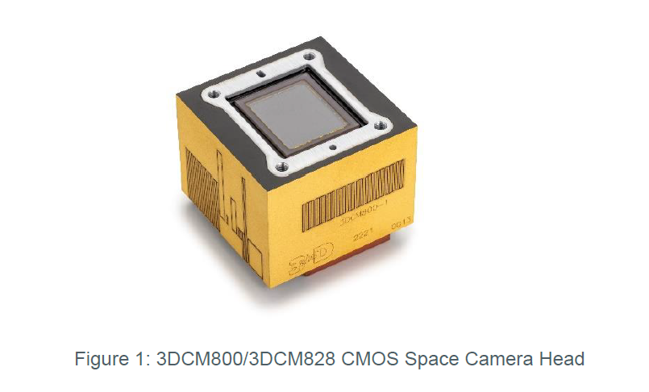
Camera brand | 3DPlus
Camera type | 3DCM300 CMOS Camera Head

Sensor | Sony 253 12 Mp
No of pixels | 4096 (H) x 3000 (V)
Read noise | 2.5 | [e-]
Dark current (at 25°C) | 10 | [e-/s]
Full well capacity | 11000 | [e-]
AD convertor | 12 | [bits]
Maximum frame rate in all pixel scan mode | 46 | [frames/s]
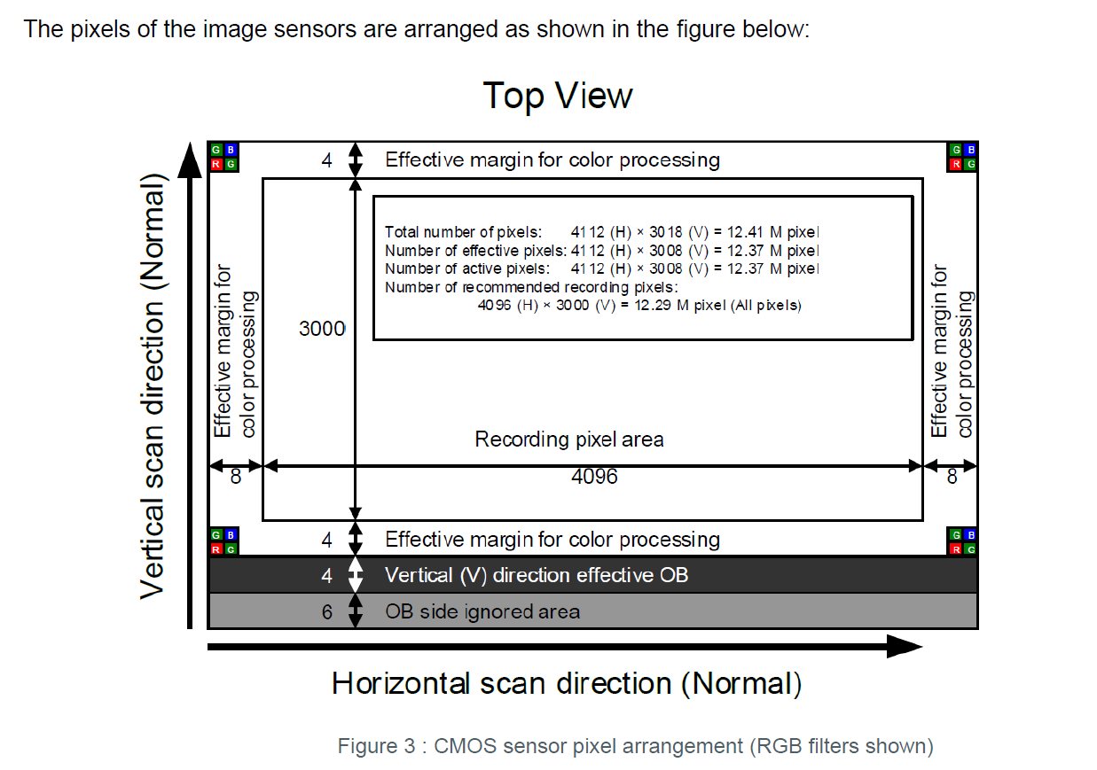

3DPlus Data from product development
· Responsitivity
· Dark Noise
· Readout Noise
· Fixed Pattern Noise
· Mapping Dark Noise
· Dark Current
· Dark Signal Non Uniformity
· Sensitivity
· Pixel Response Non Uniformity
· Hot pixels count
· Bad pixels count
· Full Well Capacity
· Charge to Voltage Factor
· Quantum Efficiency

3DPlus Standard acceptance test data on the PFM Camera (aggregated for full detector, individual maps upon reuqest)
Dark Noise
Readout Noise
Fixed Pattern Noise
Dark Current
Dark Signal Non Uniformity
Sensitivity
Pixel Response Non Uniformity
Hot pixels count
Bad pixels count

3DPlus Info: Flight Model Screening Tests
Reference | 3DPA-8254-3

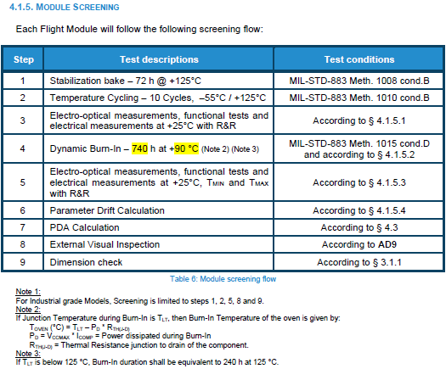

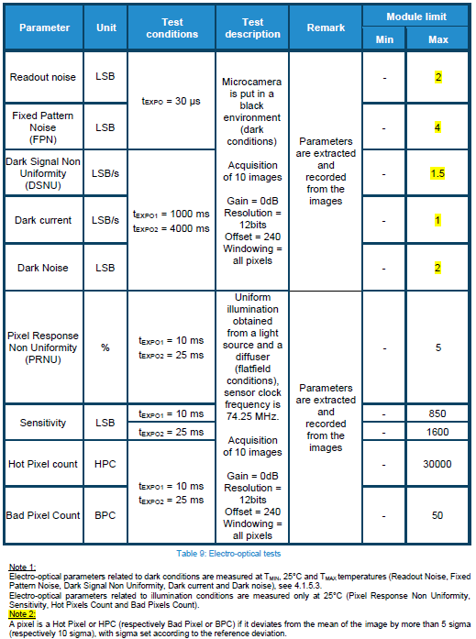

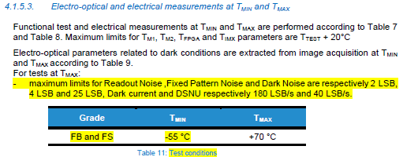

Notes & Additional Info from Q&A with 3DPlus
On evaluated parameters | 3DPlus provides aggregated results for these parameters. Full maps are kept and they consider of expanding the EIDP with the maps for a small additional financial contribution. Data requested is provided in an excel sheet, with initial measurements at ambient temperature, then results after burn-in at Ambient, -40°C and +70°C.
Linearity Data | - Sensors have been tested during evaluation giving linearity error between 0.27% and 0.56% on a few parts before irradiation, without notable increase after proton and gama irradiation equivalent to 50krad. '- Characterizatation was done at sensor level provided by CNES. 3DPlus does not have yet at hand the exact linearity error caluculation formula. They will request and let us know.
Is PRNU random or are there any fixed patterns observed? | Very faint effects due to thermal aspects (BGA column) and pixel architecture (column ADC), but very faint to a fraction of LSB (under readout noise level).
Are the OB (Optically Black) masked pixels of the detector representative in terms of noise / dark current / offset to the rest of the sensor pixels? Do they differ in any other way to the rest of the pixels other than the fact that they are masked and don’t receive light? | They have shown the same behaviour during dark measurement as other pixels. I don’t have more details.

