Table
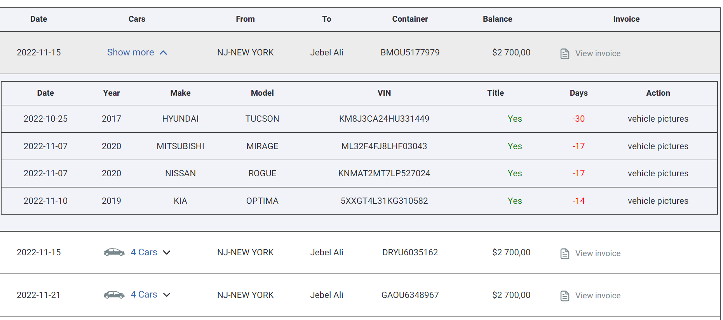
# | Customer Name: | Loading Port | Destination Port | Container No: | Invoice No: | Invoice Date | Due Date | Invc Amount | Amount Received | Balance | Payment Date | Status | Vehicles | View
1 | NOOR AL JABAL USED CARS TR LLC | NEWARK | JEBEL ALI | MRSKU215687 | INVC001 | 2022-12-02 | 2022-12-02 | 2950 | 2950 | 0 | Calender | Open | plus button
2 |  |  |  |  |  | PUT CALENDER HERE | PUT CALENDER HERE | USD | US | USD |  | Paid
3 |  |  |  |  |  |  |  |  |  |  |  | Paid
4 |  |  |  |  |  |  |  |  |  |  |  | Paid
5 |  |  |  |  |  |  |  |  |  |  |  | Paid
6 |  |  |  |  |  |  |  |  |  |  |  | Paid
7 |  |  |  |  |  |  |  |  |  |  |  | Paid
8 |  |  |  |  |  |  |  |  |  |  |  | Paid
9 |  |  |  |  |  |  |  |  |  |  |  | Paid
10 |  |  |  |  |  |  |  |  |  |  |  | Paid
11 |  |  |  |  |  |  |  |  |  |  |  | Paid
12 |  |  |  |  |  |  |  |  |  |  |  | Open
13 |  |  |  |  |  |  |  |  |  |  |  | Open
14 |  |  |  |  |  |  |  |  |  |  |  | Open
15 |  |  |  |  |  |  |  |  |  |  |  | Open
16 |  |  |  |  |  |  |  |  |  |  |  | Open
17 |  |  |  |  |  |  |  |  |  |  |  | Open
18 |  |  |  |  |  |  |  |  |  |  |  | Open
19 |  |  |  |  |  |  |  |  |  |  |  | Open
20 |  |  |  |  |  |  |  |  |  |  |  | Open
21 |  |  |  |  |  |  |  |  |  |  |  | Open
22 |  |  |  |  |  |  |  |  |  |  |  | Open
23 |  |  |  |  |  |  |  |  |  |  |  | Open
24
25
26
27
28
29
30
31
32
33

