Sheet1
Photo | Issue | Date | Location

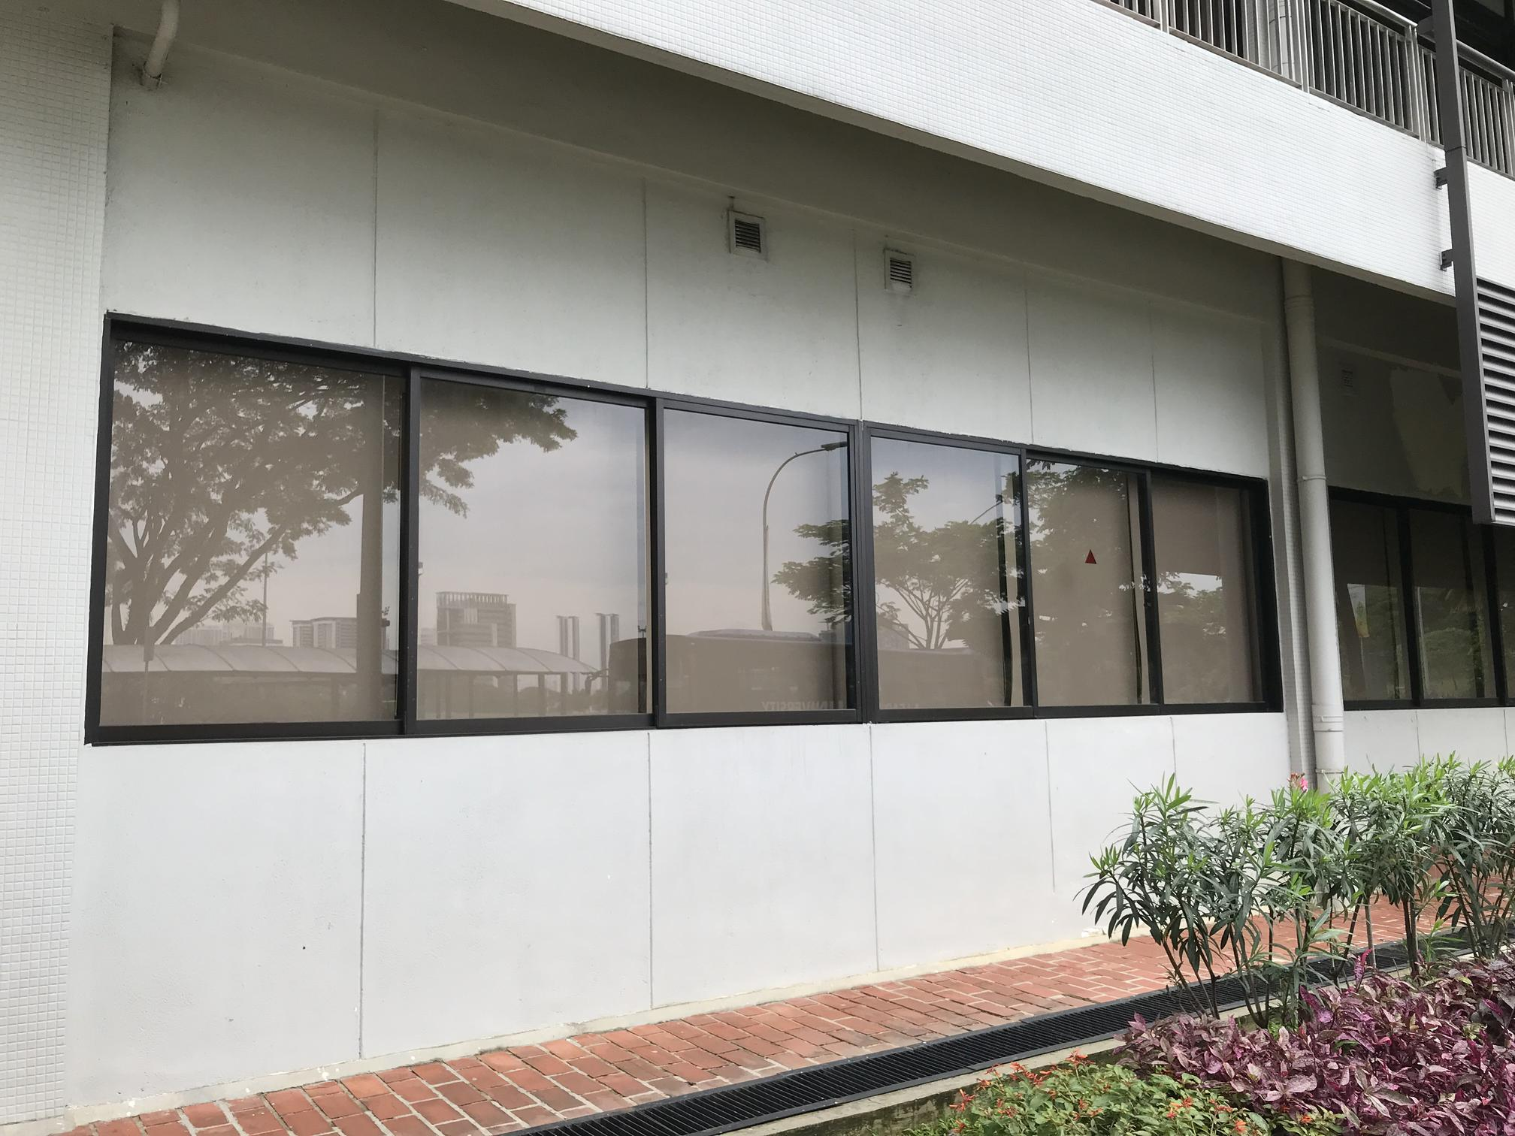 | Leaking through frame | Wed 12 Dec 18:54:09 | Tower 3 Level 5 Room 551

