AdminLoginLayout
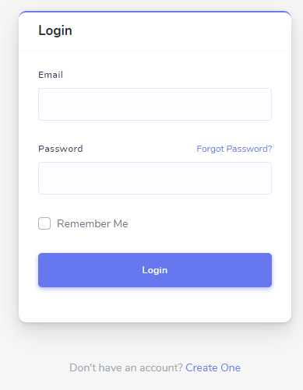
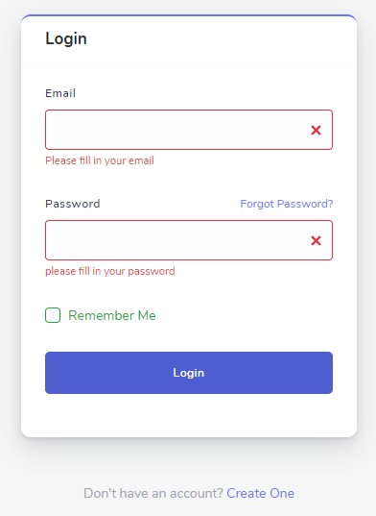
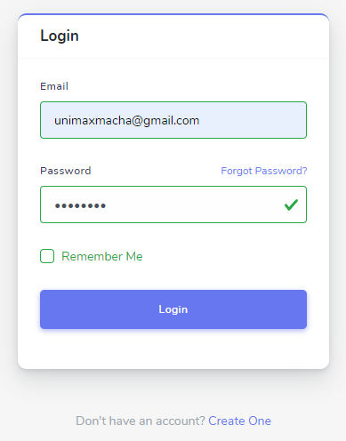
1 | Admin Login Page Layout

DashboardLayout
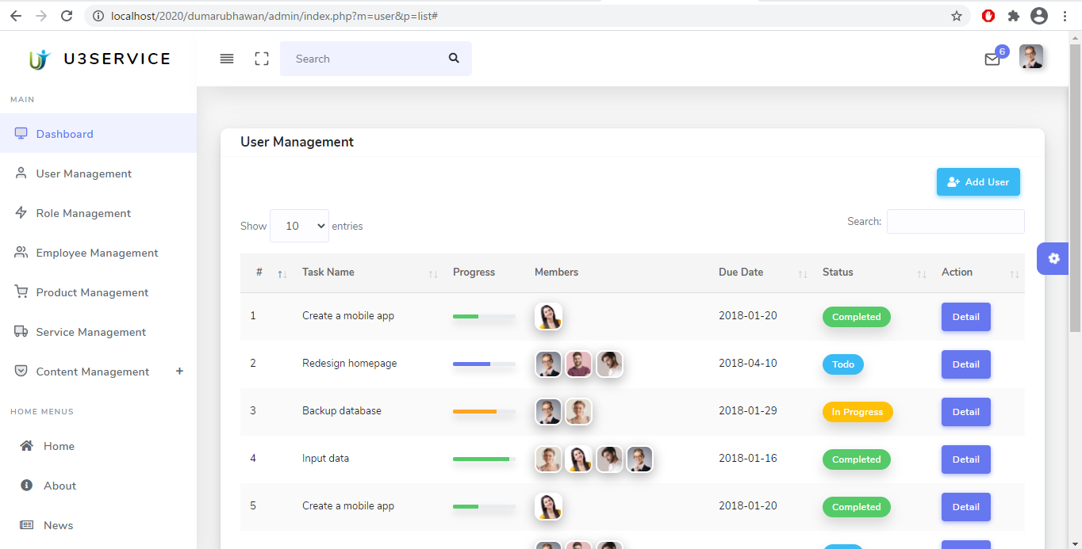
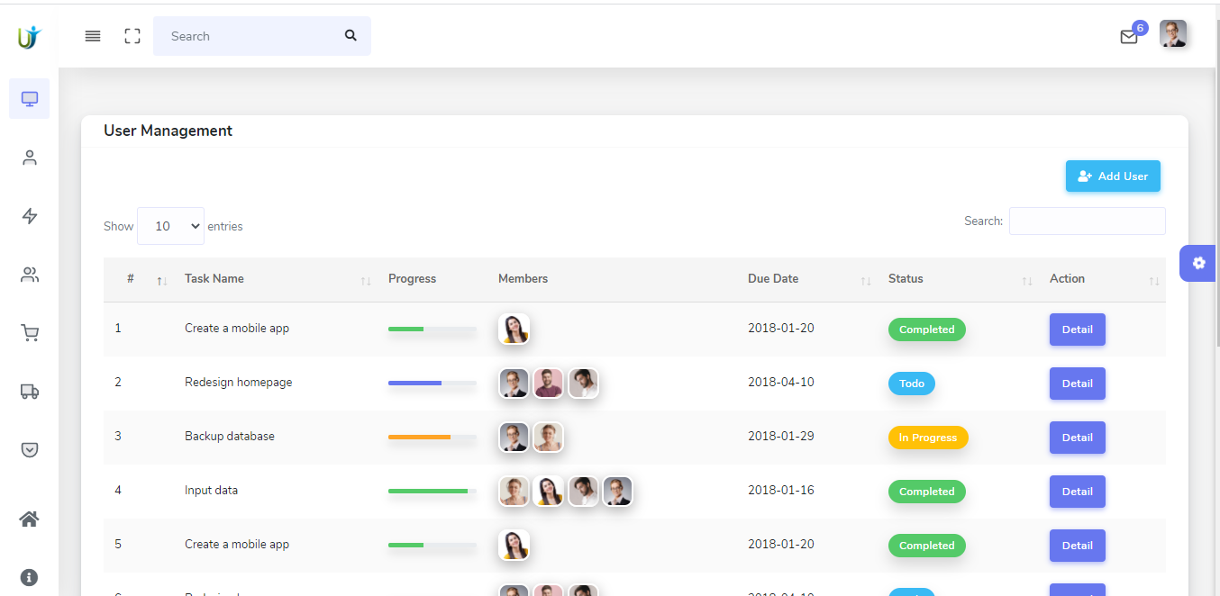
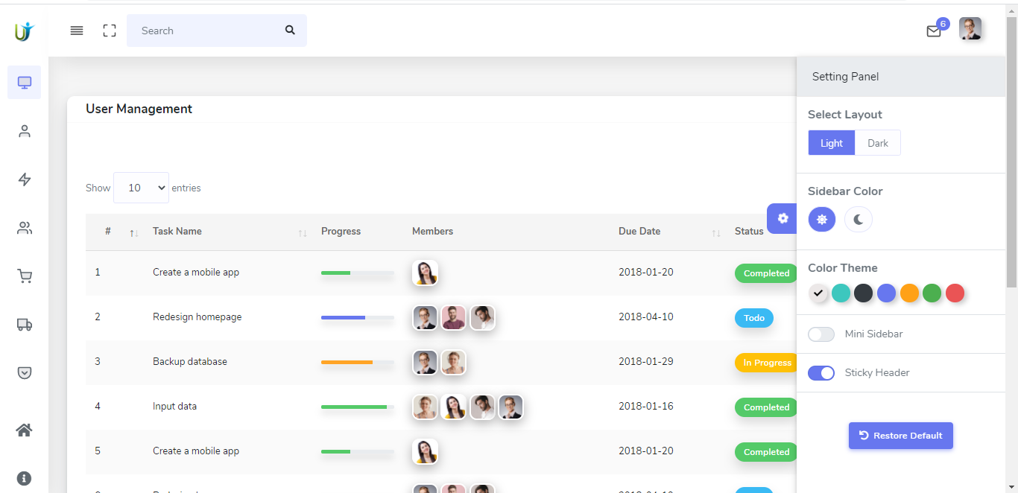
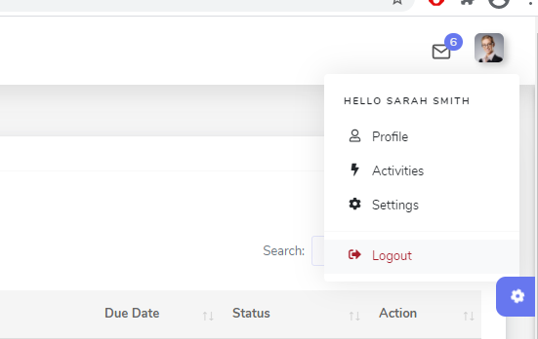
Division: Admin
Page : Dashboard
Date: 2020/11/27
Programmer : Sundar Machamasi

UserMgmtLayout
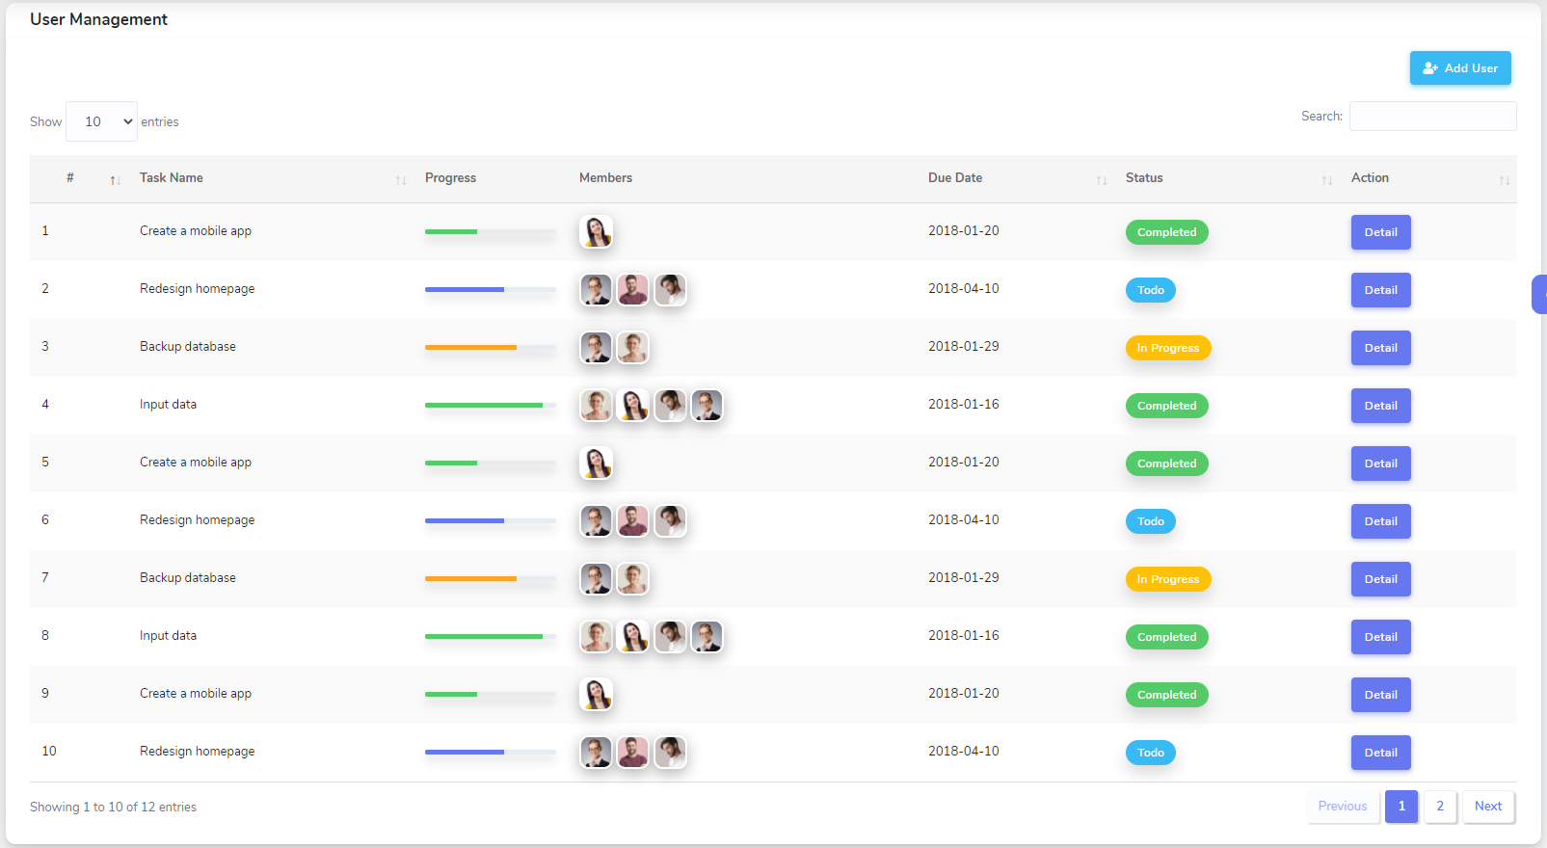
Division: Admin
Page : User Module
Date: 2020/11/27
Programmer : Sundar Machamasi

1 | List User Page(Static Only but functional)

