Sheet1
バーコード分解設定

製品情報の入力

カメラ起動 ＋製品コード |  | 商品名 |  | メーカー名 |  | 本体カラー

（データー番号①） |  | （データー番号②） |  | （データー番号⑤） |  | （データー番号⑧）

 |  | 読み取り用QRコード
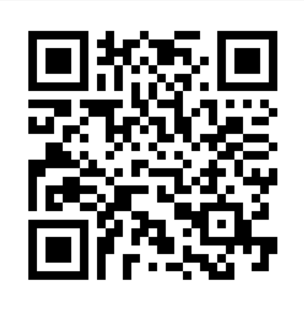

A-123,液晶テレビ,10000,日本,A社,2025,1,青
データー番号① | データー番号② | データー番号③ | データー番号④ | データー番号⑤ | データー番号⑥ | データー番号⑦ | データー番号⑧
A-123 | 液晶テレビ | 10000 | 日本 | A社 | 2025 | 1 | 青

