Bruto
instance | dfahc | sfahc_median | shc_median | sfahc_mean | sfahc_sd | shc_mean | shc_sd | sfahc_max | shc_max
browserify | 25.40 | 25.40 | 14.20 | 25.25 | 0.32 | 13.50 | 2.86 | 25.40 | 16.28 | browserify & 25.4 & 25.2 $\pm$ 0.3 & 25.4 & 25.4 & 13.5 $\pm$ 2.9 & 14.2 & 16.3 \\
d3-node | 26.00 | 26.00 | 24.21 | 26.00 | 0.00 | 24.21 | 0.00 | 26.00 | 24.21 | d3-node & 26.0 & 26.0 $\pm$ 0.0 & 26.0 & 26.0 & 24.2 $\pm$ 0.0 & 24.2 & 24.2 \\
decimal.js | 14.98 | 6.98 | 6.98 | 6.44 | 2.05 | 6.44 | 2.05 | 9.22 | 9.22 | decimal.js & 15.0 & 6.4 $\pm$ 2.0 & 7.0 & 9.2 & 6.4 $\pm$ 2.0 & 7.0 & 9.2 \\
esprima | 3.88 | 3.88 | 0.33 | 3.88 | 0.01 | 0.35 | 0.11 | 3.89 | 0.64 | esprima & 3.9 & 3.9 $\pm$ 0.0 & 3.9 & 3.9 & 0.3 $\pm$ 0.1 & 0.3 & 0.6 \\
exectimer | 26.76 | 26.76 | 23.05 | 26.37 | 0.50 | 22.85 | 0.85 | 26.76 | 23.59 | exectimer & 26.8 & 26.4 $\pm$ 0.5 & 26.8 & 26.8 & 22.8 $\pm$ 0.8 & 23.1 & 23.6 \\
express | 15.89 | 15.86 | 8.32 | 15.70 | 0.30 | 8.56 | 1.35 | 15.89 | 11.24 | express & 15.9 & 15.7 $\pm$ 0.3 & 15.9 & 15.9 & 8.6 $\pm$ 1.3 & 8.3 & 11.2 \\
jquery | 80.10 | 80.05 | 20.02 | 80.05 | 0.03 | 20.79 | 3.82 | 80.13 | 27.77 | jquery & 80.1 & 80.1 $\pm$ 0.0 & 80.1 & 80.1 & 20.8 $\pm$ 3.8 & 20.0 & 27.8 \\
lodash | 1.59 | 1.22 | 1.27 | 1.20 | 0.26 | 1.21 | 0.28 | 1.48 | 1.56 | lodash & 1.6 & 1.2 $\pm$ 0.3 & 1.2 & 1.5 & 1.2 $\pm$ 0.3 & 1.3 & 1.6 \\
mathjs | 27.04 | 19.04 | 19.04 | 19.07 | 1.27 | 19.07 | 1.27 | 21.00 | 21.00 | mathjs & 27.0 & 19.1 $\pm$ 1.3 & 19.0 & 21.0 & 19.1 $\pm$ 1.3 & 19.0 & 21.0 \\
minimist | 2.78 | 2.78 | 1.84 | 2.78 | 0.00 | 1.85 | 0.08 | 2.78 | 1.96 | minimist & 2.8 & 2.8 $\pm$ 0.0 & 2.8 & 2.8 & 1.9 $\pm$ 0.1 & 1.8 & 2.0 \\
moment | 7.23 | 7.23 | 1.43 | 7.12 | 0.35 | 1.55 | 0.34 | 7.25 | 2.32 | moment & 7.2 & 7.1 $\pm$ 0.4 & 7.2 & 7.2 & 1.6 $\pm$ 0.3 & 1.4 & 2.3 \\
node-semver | 13.46 | 13.40 | 4.12 | 13.42 | 0.34 | 4.35 | 0.65 | 13.71 | 5.61 | node-semver & 13.5 & 13.4 $\pm$ 0.3 & 13.4 & 13.7 & 4.4 $\pm$ 0.7 & 4.1 & 5.6 \\
plivo-node | 15.34 | 15.90 | 55.62 | 15.92 | 0.38 | 56.12 | 2.96 | 16.38 | 61.27 | plivo-node & 15.3 & 15.9 $\pm$ 0.4 & 15.9 & 16.4 & 56.1 $\pm$ 3.0 & 55.6 & 61.3 \\
pug | 39.35 | 39.35 | 31.09 | 39.35 | 0.00 | 30.61 | 2.20 | 39.35 | 33.85 | pug & 39.4 & 39.4 $\pm$ 0.0 & 39.4 & 39.4 & 30.6 $\pm$ 2.2 & 31.1 & 33.9 \\
tleaf | 65.80 | 65.80 | 64.02 | 65.80 | 0.00 | 63.71 | 0.81 | 65.80 | 64.05 | tleaf & 65.8 & 65.8 $\pm$ 0.0 & 65.8 & 65.8 & 63.7 $\pm$ 0.8 & 64.0 & 64.1 \\
UglifyJS2 | 13.20 | 13.88 | 3.14 | 12.23 | 4.07 | 3.06 | 0.58 | 13.94 | 4.08 | UglifyJS2 & 13.2 & 12.2 $\pm$ 4.1 & 13.9 & 13.9 & 3.1 $\pm$ 0.6 & 3.1 & 4.1 \\
underscore | 11.48 | 11.48 | 4.66 | 11.48 | 0.00 | 4.63 | 1.49 | 11.48 | 8.02 | underscore & 11.5 & 11.5 $\pm$ 0.0 & 11.5 & 11.5 & 4.6 $\pm$ 1.5 & 4.7 & 8.0 \\
uuid | 20.82 | 22.15 | 21.57 | 21.43 | 2.49 | 21.45 | 1.86 | 23.63 | 24.35 | uuid & 20.8 & 21.4 $\pm$ 2.5 & 22.2 & 23.6 & 21.5 $\pm$ 1.9 & 21.6 & 24.3 \\
xml2js | 4.12 | -1.15 | 9.75 | -2.19 | 4.40 | 10.33 | 5.79 | 2.79 | 17.61 | xml2js & 4.1 & -2.2 $\pm$ 4.4 & -1.2 & 2.8 & 10.3 $\pm$ 5.8 & 9.8 & 17.6 \\

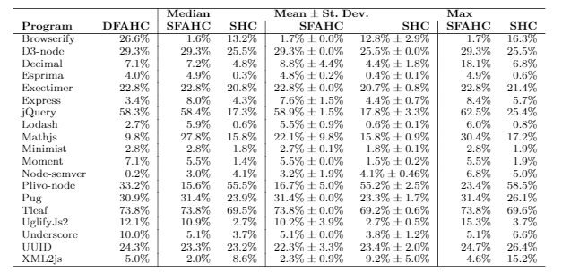
instance | dfahc | sfahc_median | shc_median | sfahc_mean | sfahc_sd | shc_mean | shc_sd | sfahc_max | shc_max
Browserify | 26.6 | 1.6 | 13.2 | 1.7 | 0.0 | 12.8 | 2.9 | 1.7 | 16.3
D3-node | 29.3 | 29.3 | 25.5 | 29.3 | 0.0 | 25.5 | 0.0 | 29.3 | 25.5
Decimal.js | 7.1 | 7.2 | 4.8 | 8.8 | 4.4 | 4.4 | 1.8 | 18.1 | 6.8
Esprima | 4.0 | 4.9 | 0.3 | 4.8 | 0.2 | 0.4 | 0.1 | 4.9 | 0.6
Exectimer | 22.8 | 22.8 | 20.8 | 22.8 | 0.0 | 20.7 | 0.8 | 22.8 | 21.4
Express | 3.4 | 8.0 | 4.3 | 7.6 | 1.5 | 4.4 | 0.7 | 8.4 | 5.7
jQuery | 58.3 | 58.4 | 17.3 | 58.9 | 1.5 | 17.8 | 3.3 | 62.5 | 25.4
Lodash | 2.7 | 5.9 | 0.6 | 5.5 | 0.9 | 0.6 | 0.1 | 6.0 | 0.8
Mathjs | 9.8 | 27.8 | 15.8 | 22.1 | 9.8 | 15.8 | 0.9 | 30.4 | 17.2
Minimist | 2.8 | 2.8 | 1.8 | 2.7 | 0.1 | 1.8 | 0.1 | 2.8 | 1.9
Moment | 7.1 | 5.5 | 1.4 | 5.5 | 0.0 | 1.5 | 0.2 | 5.5 | 1.9
Node-semver | 0.2 | 3.0 | 4.1 | 3.2 | 1.9 | 4.1 | 0.5 | 6.8 | 5.0
Plivo-node | 33.2 | 15.6 | 55.5 | 16.7 | 5.0 | 55.2 | 2.5 | 23.4 | 58.5
Pug | 30.9 | 31.4 | 23.9 | 31.4 | 0.0 | 23.3 | 1.7 | 31.4 | 26.1
Tleaf | 73.8 | 73.8 | 69.5 | 73.8 | 0.0 | 69.2 | 0.6 | 73.8 | 69.6
UglifyJs2 | 12.1 | 10.9 | 2.7 | 10.2 | 3.9 | 2.7 | 0.5 | 15.3 | 3.7
Underscore | 10.0 | 5.1 | 3.7 | 5.1 | 0.0 | 3.8 | 1.2 | 5.1 | 6.6
UUID | 24.3 | 23.3 | 23.2 | 22.3 | 3.3 | 23.4 | 2.0 | 24.7 | 26.4
XML2js | 5.0 | 2.0 | 8.6 | 2.3 | 0.9 | 9.2 | 5.0 | 4.6 | 15.2

Paper
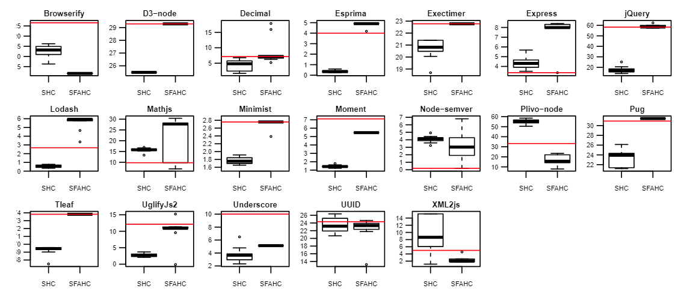

Paper 2
