Bruto
instance | dfahc | sfahc_median | shc_median | sfahc_mean | sfahc_sd | shc_mean | shc_sd | sfahc_max | shc_max
browserify | 25.4 | 25.4 | 14.2 | 25.2 | 0.3 | 13.5 | 2.9 | 25.4 | 16.3 | browserify & 25.4 & 25.2 $\pm$ 0.3 & 25.4 & 25.4 & 13.5 $\pm$ 2.9 & 14.2 & 16.3 \\
d3-node | 26.0 | 26.0 | 24.2 | 26.0 | 0.0 | 24.2 | 0.0 | 26.0 | 24.2 | d3-node & 26.0 & 26.0 $\pm$ 0.0 & 26.0 & 26.0 & 24.2 $\pm$ 0.0 & 24.2 & 24.2 \\
decimal.js | 15.0 | 7.0 | 7.0 | 6.4 | 2.0 | 6.4 | 2.0 | 9.2 | 9.2 | decimal.js & 15.0 & 6.4 $\pm$ 2.0 & 7.0 & 9.2 & 6.4 $\pm$ 2.0 & 7.0 & 9.2 \\
esprima | 3.9 | 3.9 | 0.3 | 3.9 | 0.0 | 0.3 | 0.1 | 3.9 | 0.6 | esprima & 3.9 & 3.9 $\pm$ 0.0 & 3.9 & 3.9 & 0.3 $\pm$ 0.1 & 0.3 & 0.6 \\
exectimer | 26.8 | 26.8 | 23.1 | 26.4 | 0.5 | 22.8 | 0.8 | 26.8 | 23.6 | exectimer & 26.8 & 26.4 $\pm$ 0.5 & 26.8 & 26.8 & 22.8 $\pm$ 0.8 & 23.1 & 23.6 \\
express | 15.9 | 15.9 | 8.3 | 15.7 | 0.3 | 8.6 | 1.3 | 15.9 | 11.2 | express & 15.9 & 15.7 $\pm$ 0.3 & 15.9 & 15.9 & 8.6 $\pm$ 1.3 & 8.3 & 11.2 \\
jquery | 80.1 | 80.1 | 20.0 | 80.1 | 0.0 | 20.8 | 3.8 | 80.1 | 27.8 | jquery & 80.1 & 80.1 $\pm$ 0.0 & 80.1 & 80.1 & 20.8 $\pm$ 3.8 & 20.0 & 27.8 \\
lodash | 1.6 | 1.2 | 1.3 | 1.2 | 0.3 | 1.2 | 0.3 | 1.5 | 1.6 | lodash & 1.6 & 1.2 $\pm$ 0.3 & 1.2 & 1.5 & 1.2 $\pm$ 0.3 & 1.3 & 1.6 \\
mathjs | 27.0 | 19.0 | 19.0 | 19.1 | 1.3 | 19.1 | 1.3 | 21.0 | 21.0 | mathjs & 27.0 & 19.1 $\pm$ 1.3 & 19.0 & 21.0 & 19.1 $\pm$ 1.3 & 19.0 & 21.0 \\
minimist | 2.8 | 2.8 | 1.8 | 2.8 | 0.0 | 1.9 | 0.1 | 2.8 | 2.0 | minimist & 2.8 & 2.8 $\pm$ 0.0 & 2.8 & 2.8 & 1.9 $\pm$ 0.1 & 1.8 & 2.0 \\
moment | 7.2 | 7.2 | 1.4 | 7.1 | 0.4 | 1.6 | 0.3 | 7.2 | 2.3 | moment & 7.2 & 7.1 $\pm$ 0.4 & 7.2 & 7.2 & 1.6 $\pm$ 0.3 & 1.4 & 2.3 \\
node-semver | 13.5 | 13.4 | 4.1 | 13.4 | 0.3 | 4.4 | 0.7 | 13.7 | 5.6 | node-semver & 13.5 & 13.4 $\pm$ 0.3 & 13.4 & 13.7 & 4.4 $\pm$ 0.7 & 4.1 & 5.6 \\
plivo-node | 15.3 | 15.9 | 55.6 | 15.9 | 0.4 | 56.1 | 3.0 | 16.4 | 61.3 | plivo-node & 15.3 & 15.9 $\pm$ 0.4 & 15.9 & 16.4 & 56.1 $\pm$ 3.0 & 55.6 & 61.3 \\
pug | 39.4 | 39.4 | 31.1 | 39.4 | 0.0 | 30.6 | 2.2 | 39.4 | 33.9 | pug & 39.4 & 39.4 $\pm$ 0.0 & 39.4 & 39.4 & 30.6 $\pm$ 2.2 & 31.1 & 33.9 \\
tleaf | 65.8 | 65.8 | 64.0 | 65.8 | 0.0 | 63.7 | 0.8 | 65.8 | 64.1 | tleaf & 65.8 & 65.8 $\pm$ 0.0 & 65.8 & 65.8 & 63.7 $\pm$ 0.8 & 64.0 & 64.1 \\
UglifyJS2 | 13.2 | 13.9 | 3.1 | 12.2 | 4.1 | 3.1 | 0.6 | 13.9 | 4.1 | UglifyJS2 & 13.2 & 12.2 $\pm$ 4.1 & 13.9 & 13.9 & 3.1 $\pm$ 0.6 & 3.1 & 4.1 \\
underscore | 11.5 | 11.5 | 4.7 | 11.5 | 0.0 | 4.6 | 1.5 | 11.5 | 8.0 | underscore & 11.5 & 11.5 $\pm$ 0.0 & 11.5 & 11.5 & 4.6 $\pm$ 1.5 & 4.7 & 8.0 \\
uuid | 20.8 | 22.2 | 21.6 | 21.4 | 2.5 | 21.5 | 1.9 | 23.6 | 24.3 | uuid & 20.8 & 21.4 $\pm$ 2.5 & 22.2 & 23.6 & 21.5 $\pm$ 1.9 & 21.6 & 24.3 \\
xml2js | 4.1 | -1.2 | 9.8 | -2.2 | 4.4 | 10.3 | 5.8 | 2.8 | 17.6 | xml2js & 4.1 & -2.2 $\pm$ 4.4 & -1.2 & 2.8 & 10.3 $\pm$ 5.8 & 9.8 & 17.6 \\

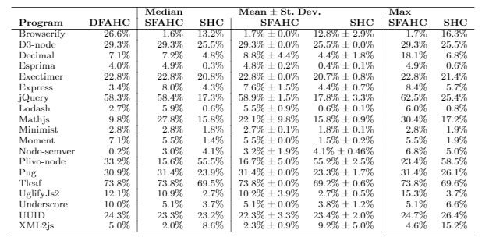
instance | dfahc | sfahc_median | shc_median | sfahc_mean | sfahc_sd | shc_mean | shc_sd | sfahc_max | shc_max
Browserify | 26.6 | 1.6 | 13.2 | 1.7 | 0.0 | 12.8 | 2.9 | 1.7 | 16.3
D3-node | 29.3 | 29.3 | 25.5 | 29.3 | 0.0 | 25.5 | 0.0 | 29.3 | 25.5
Decimal.js | 7.1 | 7.2 | 4.8 | 8.8 | 4.4 | 4.4 | 1.8 | 18.1 | 6.8
Esprima | 4.0 | 4.9 | 0.3 | 4.8 | 0.2 | 0.4 | 0.1 | 4.9 | 0.6
Exectimer | 22.8 | 22.8 | 20.8 | 22.8 | 0.0 | 20.7 | 0.8 | 22.8 | 21.4
Express | 3.4 | 8.0 | 4.3 | 7.6 | 1.5 | 4.4 | 0.7 | 8.4 | 5.7
jQuery | 58.3 | 58.4 | 17.3 | 58.9 | 1.5 | 17.8 | 3.3 | 62.5 | 25.4
Lodash | 2.7 | 5.9 | 0.6 | 5.5 | 0.9 | 0.6 | 0.1 | 6.0 | 0.8
Mathjs | 9.8 | 27.8 | 15.8 | 22.1 | 9.8 | 15.8 | 0.9 | 30.4 | 17.2
Minimist | 2.8 | 2.8 | 1.8 | 2.7 | 0.1 | 1.8 | 0.1 | 2.8 | 1.9
Moment | 7.1 | 5.5 | 1.4 | 5.5 | 0.0 | 1.5 | 0.2 | 5.5 | 1.9
Node-semver | 0.2 | 3.0 | 4.1 | 3.2 | 1.9 | 4.1 | 0.5 | 6.8 | 5.0
Plivo-node | 33.2 | 15.6 | 55.5 | 16.7 | 5.0 | 55.2 | 2.5 | 23.4 | 58.5
Pug | 30.9 | 31.4 | 23.9 | 31.4 | 0.0 | 23.3 | 1.7 | 31.4 | 26.1
Tleaf | 73.8 | 73.8 | 69.5 | 73.8 | 0.0 | 69.2 | 0.6 | 73.8 | 69.6
UglifyJs2 | 12.1 | 10.9 | 2.7 | 10.2 | 3.9 | 2.7 | 0.5 | 15.3 | 3.7
Underscore | 10.0 | 5.1 | 3.7 | 5.1 | 0.0 | 3.8 | 1.2 | 5.1 | 6.6
UUID | 24.3 | 23.3 | 23.2 | 22.3 | 3.3 | 23.4 | 2.0 | 24.7 | 26.4
XML2js | 5.0 | 2.0 | 8.6 | 2.3 | 0.9 | 9.2 | 5.0 | 4.6 | 15.2

Paper
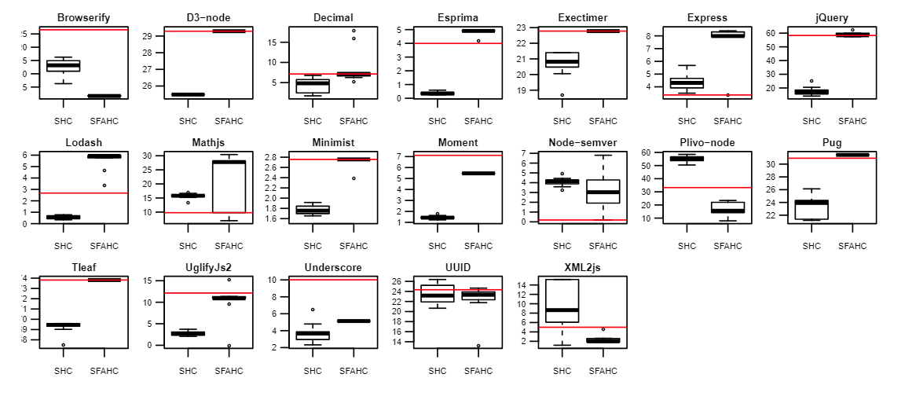

Paper 2

