Bruto
instance | dfahc | sfahc_median | shc_median | sfahc_mean | sfahc_sd | shc_mean | shc_sd | sfahc_max | shc_max
Browserify | 25.40 | 25.40 | 14.20 | 25.25 | 0.32 | 13.50 | 2.86 | 25.40 | 16.28 | Browserify & 25.40\% & 25.40\% & 14.20\% & 25.25\% $\pm$ 0.32\% & 13.50\% $\pm$ 2.86\% & 25.40\% & 16.28\% \\
D3-node | 26.00 | 26.00 | 24.21 | 26.00 | 0.00 | 24.21 | 0.00 | 26.00 | 24.21 | D3-node & 26.00\% & 26.00\% & 24.21\% & 26.00\% $\pm$ 0.00\% & 24.21\% $\pm$ 0.00\% & 26.00\% & 24.21\% \\
Decimal | 14.98 | 6.98 | 6.98 | 6.44 | 2.05 | 6.44 | 2.05 | 9.22 | 9.22 | Decimal & 14.98\% & 6.98\% & 6.98\% & 6.44\% $\pm$ 2.05\% & 6.44\% $\pm$ 2.05\% & 9.22\% & 9.22\% \\
Esprima | 3.88 | 3.88 | 0.33 | 3.88 | 0.01 | 0.35 | 0.11 | 3.89 | 0.64 | Esprima & 3.88\% & 3.88\% & 0.33\% & 3.88\% $\pm$ 0.01\% & 0.35\% $\pm$ 0.11\% & 3.89\% & 0.64\% \\
Exectimer | 26.76 | 26.76 | 23.05 | 26.37 | 0.50 | 22.85 | 0.85 | 26.76 | 23.59 | Exectimer & 26.76\% & 26.76\% & 23.05\% & 26.37\% $\pm$ 0.50\% & 22.85\% $\pm$ 0.85\% & 26.76\% & 23.59\% \\
Express | 15.89 | 15.86 | 8.32 | 15.70 | 0.30 | 8.56 | 1.35 | 15.89 | 11.24 | Express & 15.89\% & 15.86\% & 8.32\% & 15.70\% $\pm$ 0.30\% & 8.56\% $\pm$ 1.35\% & 15.89\% & 11.24\% \\
jQuery | 80.10 | 80.05 | 20.02 | 80.05 | 0.03 | 20.79 | 3.82 | 80.13 | 27.77 | jQuery & 80.10\% & 80.05\% & 20.02\% & 80.05\% $\pm$ 0.03\% & 20.79\% $\pm$ 3.82\% & 80.13\% & 27.77\% \\
Lodash | 1.59 | 1.22 | 1.27 | 1.20 | 0.26 | 1.21 | 0.28 | 1.48 | 1.56 | Lodash & 1.59\% & 1.22\% & 1.27\% & 1.20\% $\pm$ 0.26\% & 1.21\% $\pm$ 0.28\% & 1.48\% & 1.56\% \\
Mathjs | 27.04 | 19.04 | 19.04 | 19.07 | 1.27 | 19.07 | 1.27 | 21.00 | 21.00 | Mathjs & 27.04\% & 19.04\% & 19.04\% & 19.07\% $\pm$ 1.27\% & 19.07\% $\pm$ 1.27\% & 21.00\% & 21.00\% \\
Minimist | 2.78 | 2.78 | 1.84 | 2.78 | 0.00 | 1.85 | 0.08 | 2.78 | 1.96 | Minimist & 2.78\% & 2.78\% & 1.84\% & 2.78\% $\pm$ 0.00\% & 1.85\% $\pm$ 0.08\% & 2.78\% & 1.96\% \\
Moment | 7.23 | 7.23 | 1.43 | 7.12 | 0.35 | 1.55 | 0.34 | 7.25 | 2.32 | Moment & 7.23\% & 7.23\% & 1.43\% & 7.12\% $\pm$ 0.35\% & 1.55\% $\pm$ 0.34\% & 7.25\% & 2.32\% \\
Node-semver | 13.46 | 13.40 | 4.12 | 13.42 | 0.34 | 4.35 | 0.65 | 13.71 | 5.61 | Node-semver & 13.46\% & 13.40\% & 4.12\% & 13.42\% $\pm$ 0.34\% & 4.35\% $\pm$ 0.65\% & 13.71\% & 5.61\% \\
Plivo-node | 15.34 | 15.90 | 55.62 | 15.92 | 0.38 | 56.12 | 2.96 | 16.38 | 61.27 | Plivo-node & 15.34\% & 15.90\% & 55.62\% & 15.92\% $\pm$ 0.38\% & 56.12\% $\pm$ 2.96\% & 16.38\% & 61.27\% \\
Pug | 39.35 | 39.35 | 31.09 | 39.35 | 0.00 | 30.61 | 2.20 | 39.35 | 33.85 | Pug & 39.35\% & 39.35\% & 31.09\% & 39.35\% $\pm$ 0.00\% & 30.61\% $\pm$ 2.20\% & 39.35\% & 33.85\% \\
Tleaf | 65.80 | 65.80 | 64.02 | 65.80 | 0.00 | 63.71 | 0.81 | 65.80 | 64.05 | Tleaf & 65.80\% & 65.80\% & 64.02\% & 65.80\% $\pm$ 0.00\% & 63.71\% $\pm$ 0.81\% & 65.80\% & 64.05\% \\
UglifyJS2 | 13.20 | 13.88 | 3.14 | 12.23 | 4.07 | 3.06 | 0.58 | 13.94 | 4.08 | UglifyJS2 & 13.20\% & 13.88\% & 3.14\% & 12.23\% $\pm$ 4.07\% & 3.06\% $\pm$ 0.58\% & 13.94\% & 4.08\% \\
Underscore | 11.48 | 11.48 | 4.66 | 11.48 | 0.00 | 4.63 | 1.49 | 11.48 | 8.02 | Underscore & 11.48\% & 11.48\% & 4.66\% & 11.48\% $\pm$ 0.00\% & 4.63\% $\pm$ 1.49\% & 11.48\% & 8.02\% \\
UUID | 20.82 | 22.15 | 21.57 | 21.43 | 2.49 | 21.45 | 1.86 | 23.63 | 24.35 | UUID & 20.82\% & 22.15\% & 21.57\% & 21.43\% $\pm$ 2.49\% & 21.45\% $\pm$ 1.86\% & 23.63\% & 24.35\% \\
XML2js | 4.12 | 0.00 | 9.75 | 0.00 | 4.40 | 10.33 | 5.79 | 2.79 | 17.61 | XML2js & 4.12\% & 0.00\% & 9.75\% & 0.00\% $\pm$ 4.40\% & 10.33\% $\pm$ 5.79\% & 2.79\% & 17.61\% \\

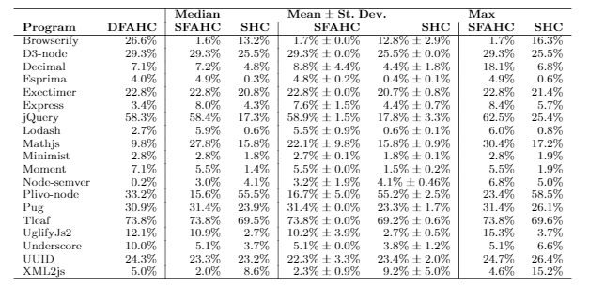
instance | dfahc | sfahc_median | shc_median | sfahc_mean | sfahc_sd | shc_mean | shc_sd | sfahc_max | shc_max
Browserify | 26.6 | 1.6 | 13.2 | 1.7 | 0.0 | 12.8 | 2.9 | 1.7 | 16.3
D3-node | 29.3 | 29.3 | 25.5 | 29.3 | 0.0 | 25.5 | 0.0 | 29.3 | 25.5
Decimal.js | 7.1 | 7.2 | 4.8 | 8.8 | 4.4 | 4.4 | 1.8 | 18.1 | 6.8
Esprima | 4.0 | 4.9 | 0.3 | 4.8 | 0.2 | 0.4 | 0.1 | 4.9 | 0.6
Exectimer | 22.8 | 22.8 | 20.8 | 22.8 | 0.0 | 20.7 | 0.8 | 22.8 | 21.4
Express | 3.4 | 8.0 | 4.3 | 7.6 | 1.5 | 4.4 | 0.7 | 8.4 | 5.7
jQuery | 58.3 | 58.4 | 17.3 | 58.9 | 1.5 | 17.8 | 3.3 | 62.5 | 25.4
Lodash | 2.7 | 5.9 | 0.6 | 5.5 | 0.9 | 0.6 | 0.1 | 6.0 | 0.8
Mathjs | 9.8 | 27.8 | 15.8 | 22.1 | 9.8 | 15.8 | 0.9 | 30.4 | 17.2
Minimist | 2.8 | 2.8 | 1.8 | 2.7 | 0.1 | 1.8 | 0.1 | 2.8 | 1.9
Moment | 7.1 | 5.5 | 1.4 | 5.5 | 0.0 | 1.5 | 0.2 | 5.5 | 1.9
Node-semver | 0.2 | 3.0 | 4.1 | 3.2 | 1.9 | 4.1 | 0.5 | 6.8 | 5.0
Plivo-node | 33.2 | 15.6 | 55.5 | 16.7 | 5.0 | 55.2 | 2.5 | 23.4 | 58.5
Pug | 30.9 | 31.4 | 23.9 | 31.4 | 0.0 | 23.3 | 1.7 | 31.4 | 26.1
Tleaf | 73.8 | 73.8 | 69.5 | 73.8 | 0.0 | 69.2 | 0.6 | 73.8 | 69.6
UglifyJs2 | 12.1 | 10.9 | 2.7 | 10.2 | 3.9 | 2.7 | 0.5 | 15.3 | 3.7
Underscore | 10.0 | 5.1 | 3.7 | 5.1 | 0.0 | 3.8 | 1.2 | 5.1 | 6.6
UUID | 24.3 | 23.3 | 23.2 | 22.3 | 3.3 | 23.4 | 2.0 | 24.7 | 26.4
XML2js | 5.0 | 2.0 | 8.6 | 2.3 | 0.9 | 9.2 | 5.0 | 4.6 | 15.2

Paper
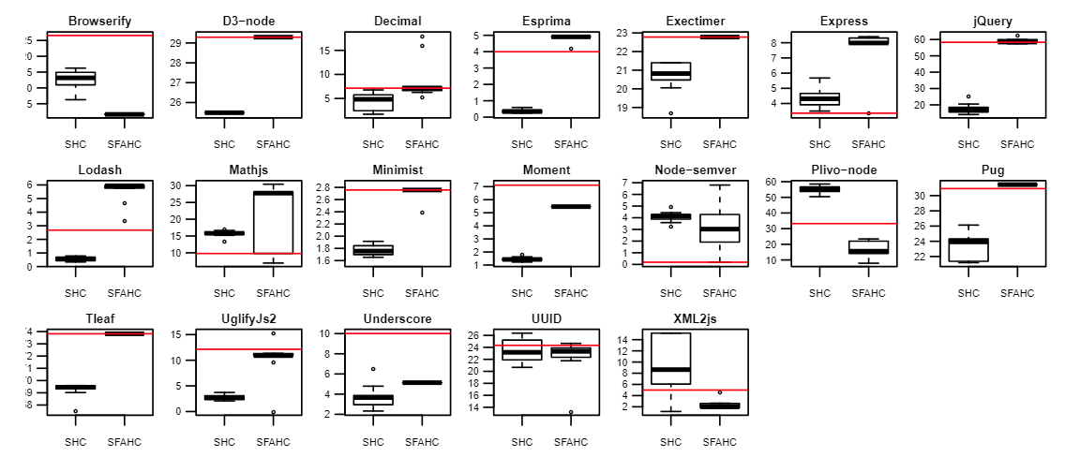

Paper 2
