Example
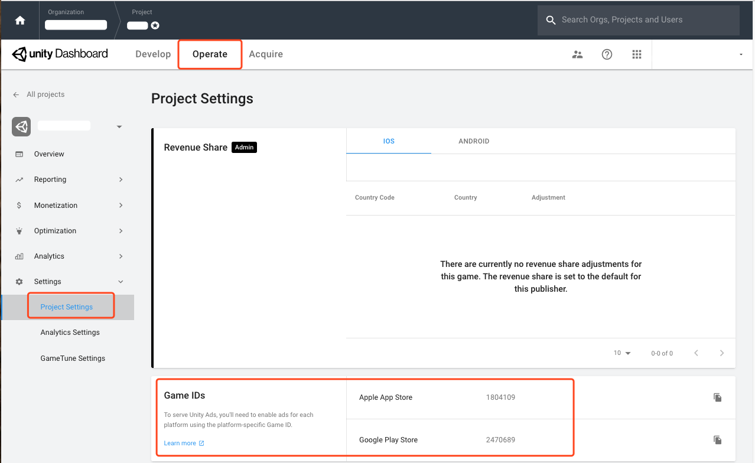
Store ID
989673964 | https://apps.apple.com/cn/app/王者荣耀/id989673964 | iOS
com.garena.game.kgtw | https://play.google.com/store/apps/details?id=com.garena.game.kgtw | GP

Game ID

